Certification BluePrint
Exam Guide | Exam Guide PDF | AWS Certified Solutions Architect – Associate (SAA-C02)

Domain | % of Examination
Domain 1: Design Resilient Architectures | 30%
Domain 2: Design High-Performing Architectures | 28%
Domain 3: Design Secure Applications and Architectures | 24%
Domain 4: Design Cost-Optimized Architectures | 18%
TOTAL | 100%
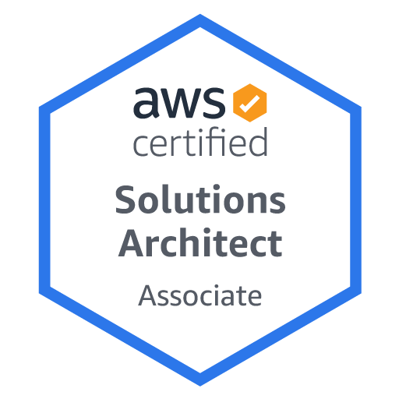

Domain | Sub Topic
Domain 1: Design Resilient Architectures
 | 1.1 Design a multi-tier architecture solution
 | 1.2 Design highly available and/or fault-tolerant architectures
 | 1.3 Design decoupling mechanisms using AWS services
 | 1.4 Choose appropriate resilient storage

Domain 2: Design High-Performing Architectures
 | 2.1 Identify elastic and scalable compute solutions for a workload
 | 2.2 Select high-performing and scalable storage solutions for a workload
 | 2.3 Select high-performing networking solutions for a workload
 | 2.4 Choose high-performing database solutions for a workload

Domain 3: Design Secure Applications and Architectures
 | 3.1 Design secure access to AWS resources
 | 3.2 Design secure application tiers
 | 3.3 Select appropriate data security options

Domain 4: Design Cost-Optimized Architectures
 | 4.1 Identify cost-effective storage solutions
 | 4.2 Identify cost-effective compute and database services
 | 4.3 Design cost-optimized network architectures

