Certification BluePrint
Exam Guide | Exam Guide PDF |  | AWS Certified DevOps Engineer – Professional(DOP-C01)

Domain | % of Examination
Domain 1: SDLC Automation | 22%
Domain 2: Configuration Management and Infrastructure as Code | 19%
Domain 3: Monitoring and Logging | 15%
Domain 4: Policies and Standards Automation |  | 10%
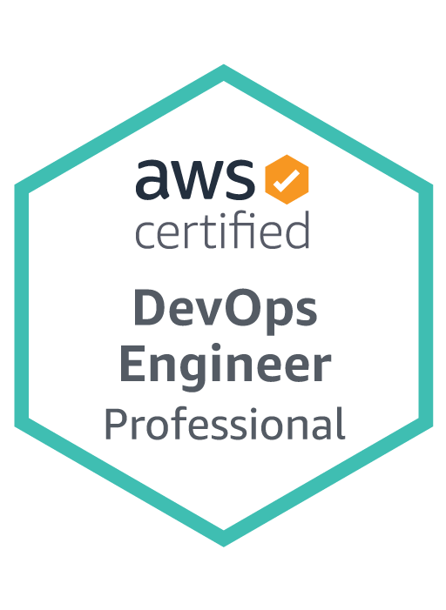
Domain 5: Incident and Event Response |  | 18%
Domain 6: High Availability, Fault Tolerance, and Disaster Recovery | 16%
TOTAL | 100%

Domain | Sub Topic
Domain 1: SDLC Automation
 | 1.1 Apply concepts required to automate a CI/CD pipeline
 | 1.2 Determine source control strategies and how to implement them
 | 1.3 Apply concepts required to automate and integrate testing
 | 1.4 Apply concepts required to build and manage artifacts securely
 | 1.5 Determine deployment/delivery strategies (e.g., A/B, Blue/green, Canary, Red/black) and how to implement them using AWS Services

Domain 2: Configuration Management and Infrastructure as Code
 | 2.1 Determine deployment services based on deployment needs
 | 2.2 Determine application and infrastructure deployment models based on business needs
 | 2.3 Apply security concepts in the automation of resource provisioning
 | 2.4 Determine how to implement lifecycle hooks on a deployment
 | 2.5 Apply concepts required to manage systems using AWS configuration management tools and services

Domain 3: Monitoring and Logging
 | 3.1 Determine how to set up the aggregation, storage, and analysis of logs and metrics
 | 3.2 Apply concepts required to automate monitoring and event management of an environment
 | 3.3 Apply concepts required to audit, log, and monitor operating systems, infrastructures, and applications
 | 3.4 Determine how to implement tagging and other metadata strategies

Domain 4: Policies and Standards Automation
 | 4.1 Apply concepts required to enforce standards for logging, metrics, monitoring, testing, and security
 | 4.2 Determine how to optimize cost through automation
 | 4.3 Apply concepts required to implement governance strategies

Domain 5: Incident and Event Response
 | 5.1 Troubleshoot issues and determine how to restore operations
 | 5.2 Determine how to automate event management and alerting
 | 5.3 Apply concepts required to implement automated healing
 | 5.4 Apply concepts required to set up event-driven automated actions

Domain 6: High Availability, Fault Tolerance, and Disaster Recovery
 | 6.1 Determine appropriate use of multi-AZ versus multi-region architectures
 | 6.2 Determine how to implement high availability, scalability, and fault tolerance
 | 6.3 Determine the right services based on business needs (e.g., RTO/RPO, cost)
 | 6.4 Determine how to design and automate disaster recovery strategies
 | 6.5 Evaluate a deployment for points of failure

