diagrams
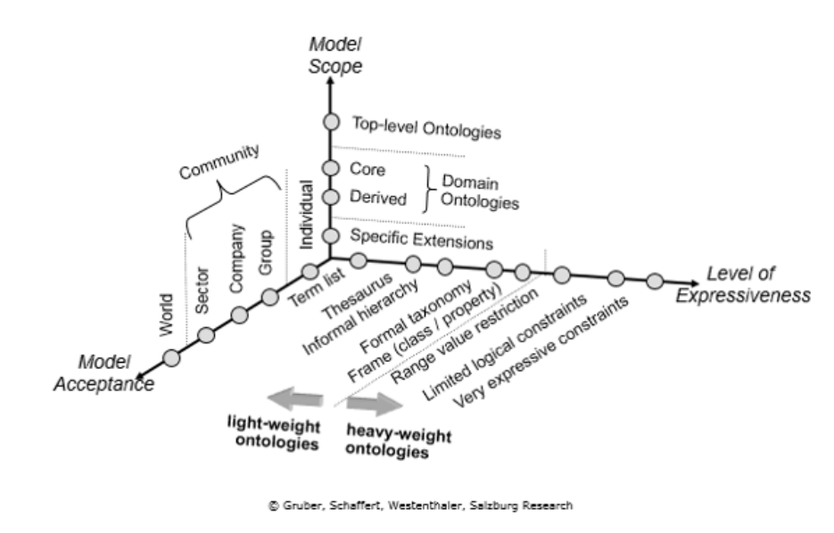
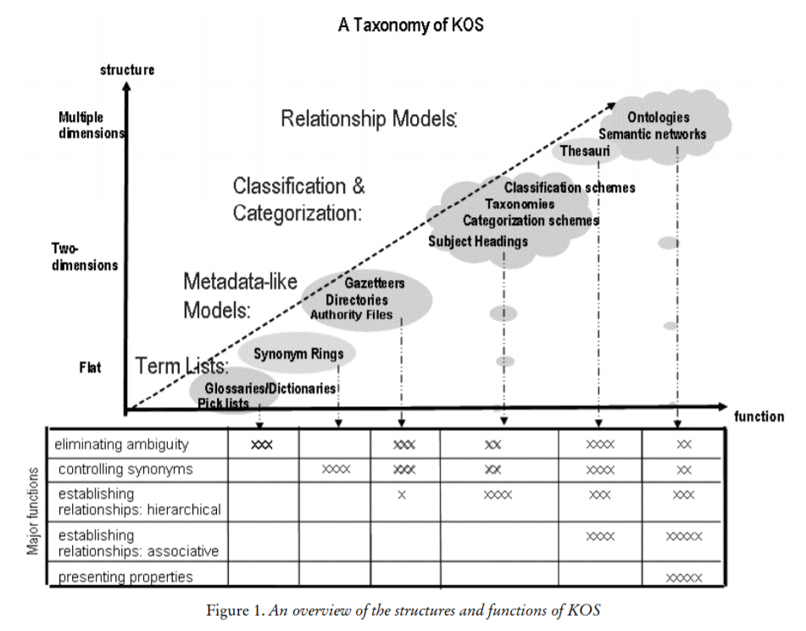

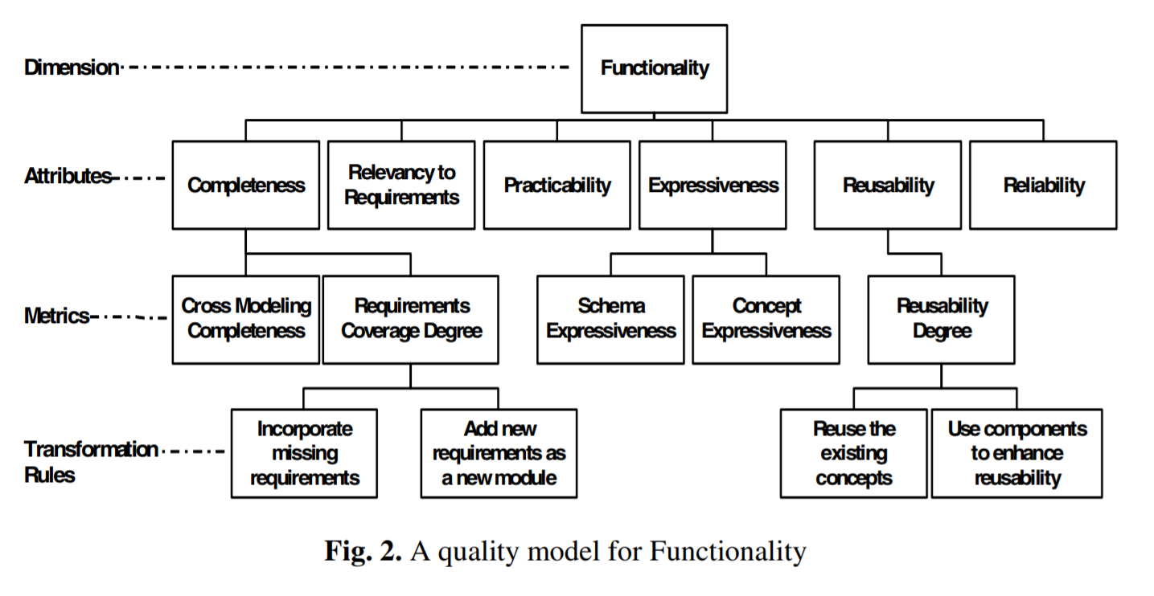

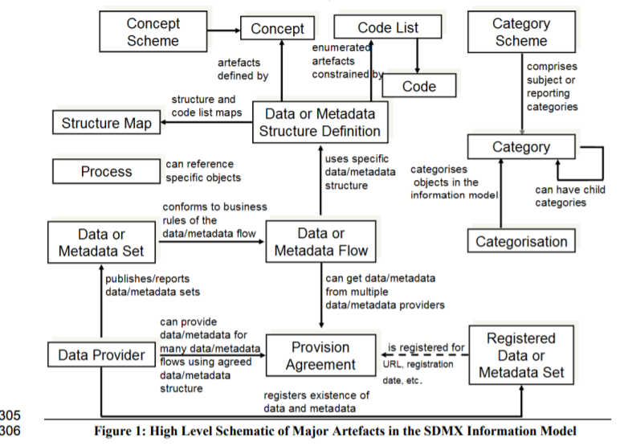

 | semantic spectrum (from wikipedia)
 | 1. Simple Catalog of Data Elements
 | 2. Glossary of Terms and Definitions
 | 3. Thesauri, Narrow Terms, Relationships
 | 4. Informal "Is-a" relationships
 | 5. Formal "Is-a" relationships
 | 6. Formal instances
 | 7. Frames (properties)
 | 8. Value Restrictions
 | 9. Disjointness, Inverse, Part-of
 | 10. General Logical Constraints

spectrum sources: wikipedia, zeng2008, Schaffert2006

