Sheet1
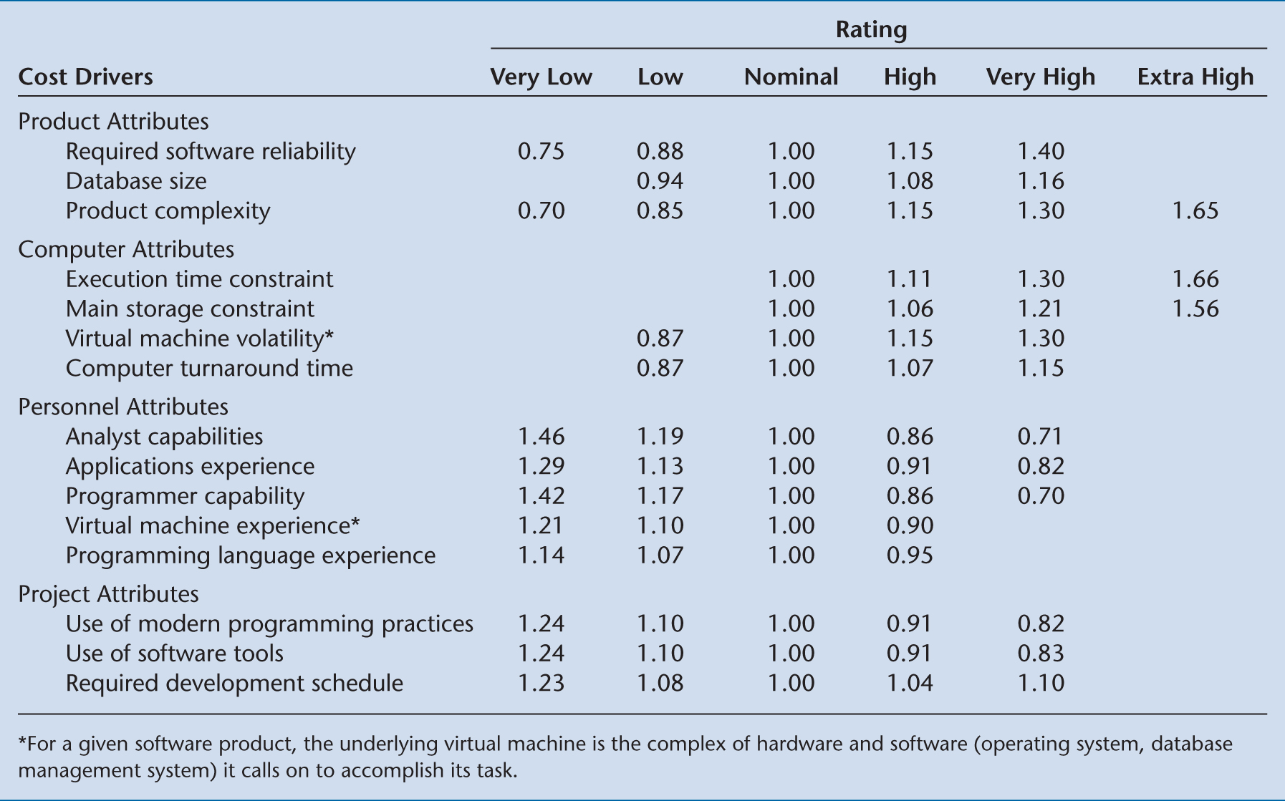
Intermediate COCOMO
a*KDSI^b |  |  | organic | a = 3.2, b = 1.05
a | 3.2 |  | semidetached | a = 3.0, b = 1.12
KDSI | 12 |  | embedded | a = 2.8, b = 1.2
b | 1.05
Nominal Estimate | 43.480075213 | Person Months
 |  |  |  | Cost Drivers
Cost Drivers | 1.7924434012 |  | Product Attributes | Required software reliability | 1.4
 |  |  |  | Database size | 1
COCOMO Estimate | 77.935573901 | Person Months |  | Product complexity | 1.65
Fudge Factor | 0.0385 |  | Computer Attributes | Execution time constraint | 1
 |  |  |  | Main storage constraint | 1
Adjusted Estimate | 3.0 | Person Months |  | Virtual machine volatility | 1.13
 |  |  |  | Computer turnaround time | 0.87
Personnel Cost/hr | $50.00 |  | Personnel Attributes | Analyst capabilities | 1.1
Total Person Cost | $24,004.16 |  |  | Applications experience | 0.91
 |  |  |  | Virtual machine experience | 0.9
 |  |  |  | Programming language experience | 0.95
 |  |  | Project Attributes | Use of modern programming practices | 0.82
 |  |  |  | Use of software tools | 0.83
 |  |  |  | Required development schedule | 1

