Cash
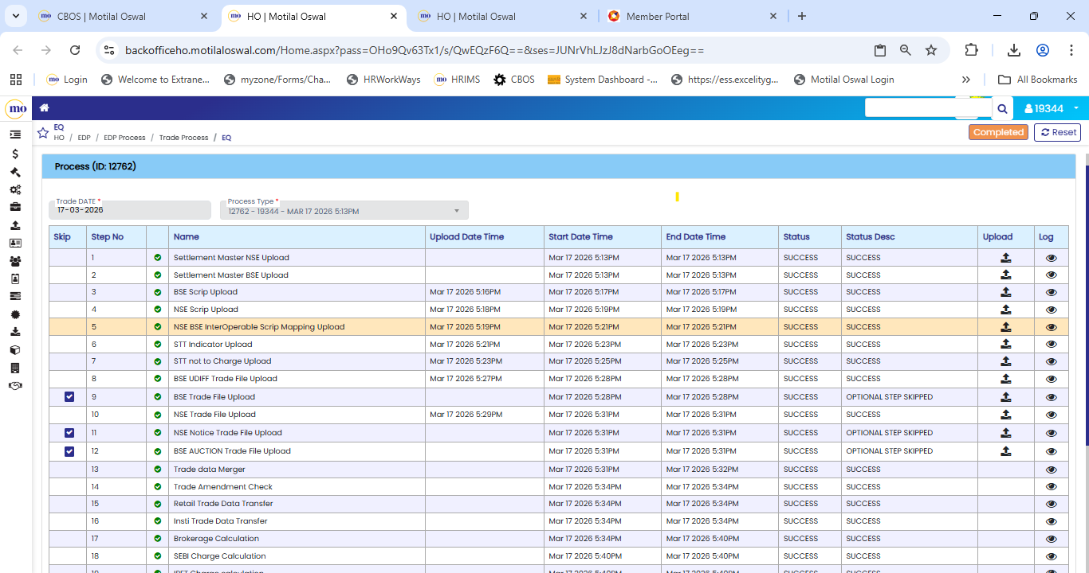
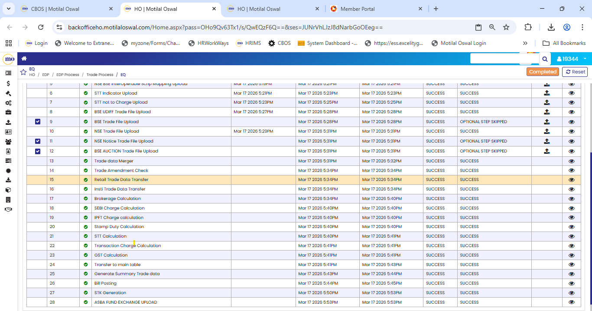
Unit | Segment | Name of Process | Back office Path | File Name | Input File Source | Time Taken | Process Type | Process Start Time | Process End Time
EDP | Cash | Settlement Master NSE Upload | CBOS>EDP PROCESS >Trade Process > Equity | SettlementMaster_NCL_CM_0_0_0_20260600_0_0000.csv | Connect2NSE > CM > common > clearing | 1 Mins | System | 5:37PM | 5:37PM
EDP | Cash | Settlement Master BSE Upload | CBOS>EDP PROCESS >Trade Process > Equity | SettlementMaster_ICCL_CM_0_0_0_20260600_0_0000.CSV | BSE Extranet > Periodic Files | 1 Mins | System | 5:37PM | 5:37PM
EDP | Cash | BSE Scrip Upload | CBOS>EDP PROCESS >Trade Process > Equity | SCRIP_190626 | BSE Extranet > EQ > Common | 1 Mins | Manual | 5:41PM | 5:41PM
EDP | Cash | NSE Scrip Upload | CBOS>EDP PROCESS >Trade Process > Equity | nnf_security.dat | Connect2NSE > CM > common > ntneat | 2 Mins | Manual | 5:41PM | 5:41PM
EDP | Cash | NSE BSE InterOperable Scrip Mapping Upload | CBOS>EDP PROCESS >Trade Process > Equity | BSE_Scrip_Series_Mapping_19062026.CSV | Connect2NSE > CM > common > clearing | 2 Mins | Manual | 5:41PM | 5:41PM
EDP | Cash | STT Indicator Upload | CBOS>EDP PROCESS >Trade Process > Equity | C_STT_IND_22062026.CSV | Connect2NSE > CM > common > clearing | 1 Mins | Manual | 5:42PM | 5:42PM
EDP | Cash | STT not to Charge Upload | CBOS>EDP PROCESS >Trade Process > Equity | C_STT_22062026.CSV | Connect2NSE > CM > common > clearing | 1 Mins | Manual | 5:42PM | 5:42PM
EDP | Cash | BSE UDIFF Trade File Upload | CBOS>EDP PROCESS >Trade Process > Equity | Trade_BSE_CM_0_TM_446_20260622_F_0000.CSV | BSE Extranet > EQ > Transation | 3 Mins | Manual | 5:44PM | 5:44PM
EDP | Cash | BSE Trade File Upload | CBOS>EDP PROCESS >Trade Process > Equity | BR220626 | BSE Extranet > EQ > Transation | 1 Mins | Manual | 5:47PM | 5:47PM
EDP | Cash | NSE Trade File Upload | CBOS>EDP PROCESS >Trade Process > Equity | Trade_NSE_CM_0_TM_10412_20260622_F_0000.csv | Connect2NSE > CM > OnlineBackup | 4 Mins | Manual | 5:47PM | 5:47PM
EDP | Cash | NSE Notice Trade File Upload | CBOS>EDP PROCESS >Trade Process > Equity | 22062026_10412.TXT | Connect2NSE > CM > OnlineBackup | 1 Mins | Manual | 5:48PM | 5:48PM
EDP | Cash | BSE AUCTION Trade File Upload | CBOS>EDP PROCESS >Trade Process > Equity | AOFR_220626.TXT | BSE Extranet > EQ > Transation | 1 Mins | Manual | 5:48PM | 5:48PM
EDP | Cash | Trade data Merger | CBOS>EDP PROCESS >Trade Process > Equity |  | Auto | 2 Mins | System | 5:48PM | 5:48PM
EDP | Cash | Trade Amendment Check | CBOS>EDP PROCESS >Trade Process > Equity |  | Manual | 2 Mins | System | 5:50PM | 5:50PM
EDP | Cash | Retail Trade Data Transfer | CBOS>EDP PROCESS >Trade Process > Equity |  | Auto | 1 Mins | System | 5:50PM | 5:50PM
EDP | Cash | Insti Trade Data Transfer | CBOS>EDP PROCESS >Trade Process > Equity |  | Auto | 1 Mins | System | 5:50PM | 5:50PM
EDP | Cash | Brokerage Calculation | CBOS>EDP PROCESS >Trade Process > Equity |  | Auto | 10 Mins | System | 5:50PM | 5:58PM
EDP | Cash | SEBI Charge Calculation | CBOS>EDP PROCESS >Trade Process > Equity |  | Auto | 2 Mins | System | 5:58PM | 5:58PM
EDP | Cash | IPFT Charge calculation | CBOS>EDP PROCESS >Trade Process > Equity |  | Auto | 2 Mins | System | 5:58PM | 5:59PM
EDP | Cash | Stamp Duty Calculation | CBOS>EDP PROCESS >Trade Process > Equity |  | Auto | 2 Mins | System | 5:59PM | 5:59PM
EDP | Cash | STT Calculation | CBOS>EDP PROCESS >Trade Process > Equity |  | Auto | 2 Mins | System | 5:59PM | 5:59PM
EDP | Cash | Transaction Charge Calculation | CBOS>EDP PROCESS >Trade Process > Equity |  | Auto | 2 Mins | System | 5:59PM | 6:00PM
EDP | Cash | GST Calculation | CBOS>EDP PROCESS >Trade Process > Equity |  | Auto | 2 Mins | System | 6:00PM | 6:00PM
EDP | Cash | Transfer to main table | CBOS>EDP PROCESS >Trade Process > Equity |  | Auto | 5 Mins | System | 6:00PM | 6:03PM
EDP | Cash | Generate Summary Trade data | CBOS>EDP PROCESS >Trade Process > Equity |  | Auto | 3 Mins | System | 6:03PM | 6:06PM
EDP | Cash | Bill Posting | CBOS>EDP PROCESS >Trade Process > Equity |  | Auto | 3 Mins | System | 6:06PM | 6:07PM
EDP | Cash | STK Generation | CBOS>EDP PROCESS >Trade Process > Equity |  | Auto | 5 Mins | System | 6:07PM | 6:10PM
EDP | Cash | ASBA FUND EXCHANGE UPLOAD | CBOS>EDP PROCESS >Trade Process > Equity |  | Auto | 1 Mins | System | 6:10PM | 6:10PM

F&O
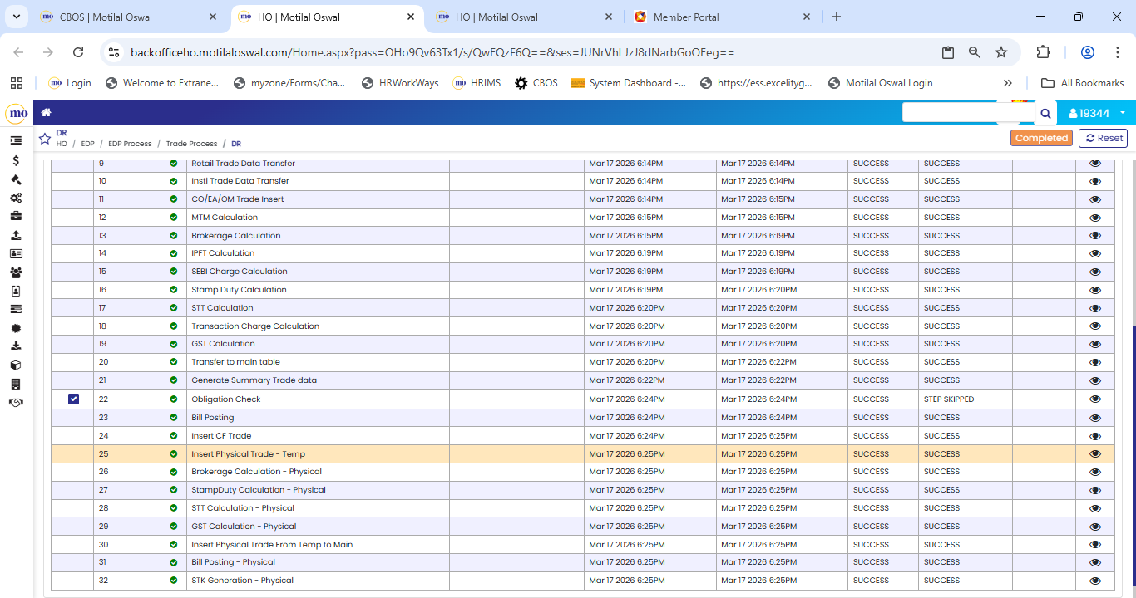
Unit | Segment | Name of Process | Back office Path | File Name | Input File Source | Time Taken | Process Type | Process Start Time | Process End Time
EDP | FO | Contract Master Upload - BSEFO | CBOS> EDP PROCESS > Trade Process > Derivatives | EQD_CO230626 | BSE Extranet > FO > Common | 1 Mins | Manual | 6:21 PM | 6:22 PM
EDP | FO | Contract Master Upload - NSEFO | CBOS> EDP PROCESS > Trade Process > Derivatives | contract.TXT | Connect2NSE > FO > common > Page 15 | 2 Mins | Manual | 6:22 PM | 6:24 PM
EDP | FO | Contract Mapping File | CBOS> EDP PROCESS > Trade Process > Derivatives | Applicable_Contract_FO_23062026.CSV | Connect2NSE > FO > common > Page 15 | 2 Mins | Manual | 6:24 PM | 6:26 PM
EDP | FO | BSE FO Trade File Upload - UDIFF | CBOS> EDP PROCESS > Trade Process > Derivatives | Trade_BSE_FO_0_TM_446_20260623_F_0000.csv | BSE Extranet > FO > Transation | 3 Mins | Manual | 6:26 PM | 6:29 PM
EDP | FO | NSE FO Trade File Upload - UDIFF | CBOS> EDP PROCESS > Trade Process > Derivatives | Trade_NSE_FO_0_TM_10412_20260623_F_0000.csv | Connect2NSE > FO > OnlineBackup | 3 Mins | Manual | 6:29 PM | 6:32 PM
EDP | FO | Position File Upload - UDIFF | CBOS> EDP PROCESS > Trade Process > Derivatives | Position_NCL_FO_0_CM_10412_20260623_F_0000.csv | Connect2NSE > FO > REPORTS | 2 Mins | Manual | 6:32 PM | 6:34 PM
EDP | FO | Trade data Merger | CBOS> EDP PROCESS > Trade Process > Derivatives |  | Auto | 2 Mins | System | 6:34 PM | 6:36 PM
EDP | FO | Trade Amendment Check | CBOS> EDP PROCESS > Trade Process > Derivatives |  | Manual | 1 Mins | System | 6:36 PM | 6:37 PM
EDP | FO | Retail Trade Data Transfer | CBOS> EDP PROCESS > Trade Process > Derivatives |  | Auto | 1 Mins | System | 6:37 PM | 6:38 PM
EDP | FO | Insti Trade Data Transfer | CBOS> EDP PROCESS > Trade Process > Derivatives |  | Auto | 1 Mins | System | 6:38 PM | 6:39 PM
EDP | FO | CO/EA/OM Trade Insert | CBOS> EDP PROCESS > Trade Process > Derivatives |  | Auto | 1 Mins | System | 6:39 PM | 6:40 PM
EDP | FO | MTM Calculation | CBOS> EDP PROCESS > Trade Process > Derivatives |  | Auto | 2 Mins | System | 6:40 PM | 6:42 PM
EDP | FO | Brokerage Calculation | CBOS> EDP PROCESS > Trade Process > Derivatives |  | Auto | 6 Mins | System | 6:42 PM | 6:48 PM
EDP | FO | IPFT Calculation | CBOS> EDP PROCESS > Trade Process > Derivatives |  | Auto | 1 Mins | System | 6:48 PM | 6:49 PM
EDP | FO | SEBI Charge Calculation | CBOS> EDP PROCESS > Trade Process > Derivatives |  | Auto | 1 Mins | System | 6:49 PM | 6:50 PM
EDP | FO | Stamp Duty Calculation | CBOS> EDP PROCESS > Trade Process > Derivatives |  | Auto | 1 Mins | System | 6:50 PM | 6:51 PM
EDP | FO | STT Calculation | CBOS> EDP PROCESS > Trade Process > Derivatives |  | Auto | 1 Mins | System | 6:51 PM | 6:52 PM
EDP | FO | Transaction Charge Calculation | CBOS> EDP PROCESS > Trade Process > Derivatives |  | Auto | 1 Mins | System | 6:52 PM | 6:53 PM
EDP | FO | GST Calculation | CBOS> EDP PROCESS > Trade Process > Derivatives |  | Auto | 1 Mins | System | 6:53 PM | 6:54 PM
EDP | FO | Transfer to main table | CBOS> EDP PROCESS > Trade Process > Derivatives |  | Auto | 3 Mins | System | 6:54 PM | 6:57 PM
EDP | FO | Generate Summary Trade data | CBOS> EDP PROCESS > Trade Process > Derivatives |  | Auto | 2 Mins | System | 6:57 PM | 6:59 PM
EDP | FO | Obligation Check | CBOS> EDP PROCESS > Trade Process > Derivatives |  | Auto | 2 Mins | System | 6:59 PM | 7:01 PM
EDP | FO | Bill Posting | CBOS> EDP PROCESS > Trade Process > Derivatives |  | Auto | 2 Mins | System | 7:01 PM | 7:03 PM
EDP | FO | Insert CF Trade | CBOS> EDP PROCESS > Trade Process > Derivatives |  | Auto | 1 Mins | System | 7:03 PM | 7:04 PM
EDP | FO | Insert Physical Trade - Temp | CBOS> EDP PROCESS > Trade Process > Derivatives |  | Auto | 1 Mins | System | 7:04 PM | 7:05 PM
EDP | FO | Brokerage Calculation - Physical | CBOS> EDP PROCESS > Trade Process > Derivatives |  | Auto | 1 Mins | System | 7:05 PM | 7:06 PM
EDP | FO | StampDuty Calculation - Physical | CBOS> EDP PROCESS > Trade Process > Derivatives |  | Auto | 1 Mins | System | 7:06 PM | 7:07 PM
EDP | FO | STT Calculation - Physical | CBOS> EDP PROCESS > Trade Process > Derivatives |  | Auto | 1 Mins | System | 7:07 PM | 7:08 PM
EDP | FO | GST Calculation - Physical | CBOS> EDP PROCESS > Trade Process > Derivatives |  | Auto | 1 Mins | System | 7:08 PM | 7:09 PM
EDP | FO | Insert Physical Trade From Temp to Main | CBOS> EDP PROCESS > Trade Process > Derivatives |  | Auto | 1 Mins | System | 7:09 PM | 7:10 PM
EDP | FO | Bill Posting - Physical | CBOS> EDP PROCESS > Trade Process > Derivatives |  | Auto | 1 Mins | System | 7:10 PM | 7:11 PM
EDP | FO | STK Generation - Physical | CBOS> EDP PROCESS > Trade Process > Derivatives |  | Auto | 5 Mins | System | 7:11 PM | 7:16 PM

CD
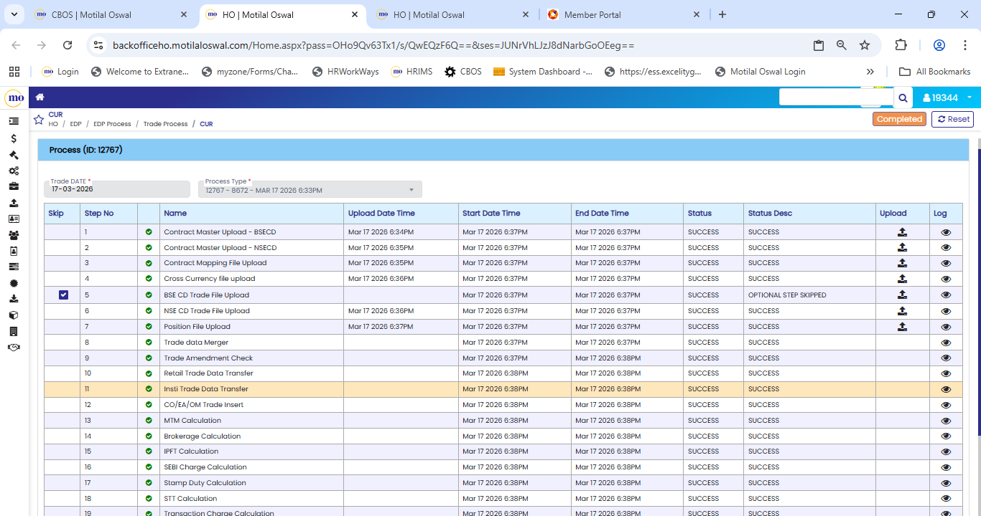
Unit | Segment | Name of Process | Back office Path | File Name | Input File Source | Time Taken | Process Type | Process Start Time | Process End Time
EDP | CD | Contract Master Upload - BSECD | CBOS> EDP PROCESS > Trade Process > Currency | BFX_CO230626 | BSE Extranet > CD > Common | 1 Mins | Manual | 7:16 PM | 7:17 PM
EDP | CD | Contract Master Upload - NSECD | CBOS> EDP PROCESS > Trade Process > Currency | cd_contract.TXT | Connect2NSE > CD > common > Page 11 | 1 Mins | Manual | 7:17 PM | 7:18 PM
EDP | CD | Contract Mapping File Upload | CBOS> EDP PROCESS > Trade Process > Currency | Applicable_Contract_CD_23062026.CSV | Connect2NSE > CD > common > Market Reports | 1 Mins | Manual | 7:18 PM | 7:19 PM
EDP | CD | Cross Currency file upload | CBOS> EDP PROCESS > Trade Process > Currency | CCRSett_prce_23062026.csv | Connect2NSE > CD > common > Page 11 | 1 Mins | Manual | 7:19 PM | 7:20 PM
EDP | CD | BSE CD Trade File Upload | CBOS> EDP PROCESS > Trade Process > Currency | BFX_TRTM_446_20230410.txt | BSE Extranet > CD > Transation | 1 Mins | Manual | 7:20 PM | 7:21 PM
EDP | CD | NSE CD Trade File Upload | CBOS> EDP PROCESS > Trade Process > Currency | Trade_NSE_CD_0_TM_10412_20260623_F_0000.csv | Connect2NSE > CD > OnlineBackup | 2 Mins | Manual | 7:21 PM | 7:23 PM
EDP | CD | Position File Upload | CBOS> EDP PROCESS > Trade Process > Currency | Position_NCL_CD_0_TM_10412_20260623_F_0000.csv | Connect2NSE > CD > REPORTS | 1 Mins | Manual | 7:23 PM | 7:24 PM
EDP | CD | Trade data Merger | CBOS> EDP PROCESS > Trade Process > Currency |  | Auto | 1 Mins | System | 7:24 PM | 7:25 PM
EDP | CD | Trade Amendment Check | CBOS> EDP PROCESS > Trade Process > Currency |  | Manual | 1 Mins | System | 7:25 PM | 7:26 PM
EDP | CD | Retail Trade Data Transfer | CBOS> EDP PROCESS > Trade Process > Currency |  | Auto | 1 Mins | System | 7:26 PM | 7:27 PM
EDP | CD | Insti Trade Data Transfer | CBOS> EDP PROCESS > Trade Process > Currency |  | Auto | 1 Mins | System | 7:27 PM | 7:28 PM
EDP | CD | CO/EA/OM Trade Insert | CBOS> EDP PROCESS > Trade Process > Currency |  | Auto | 1 Mins | System | 7:28 PM | 7:29 PM
EDP | CD | MTM Calculation | CBOS> EDP PROCESS > Trade Process > Currency |  | Auto | 1 Mins | System | 7:29 PM | 7:30 PM
EDP | CD | Brokerage Calculation | CBOS> EDP PROCESS > Trade Process > Currency |  | Auto | 1 Mins | System | 7:30 PM | 7:31 PM
EDP | CD | IPFT Calculation | CBOS> EDP PROCESS > Trade Process > Currency |  | Auto | 1 Mins | System | 7:31 PM | 7:32 PM
EDP | CD | SEBI Charge Calculation | CBOS> EDP PROCESS > Trade Process > Currency |  | Auto | 1 Mins | System | 7:32 PM | 7:33 PM
EDP | CD | Stamp Duty Calculation | CBOS> EDP PROCESS > Trade Process > Currency |  | Auto | 1 Mins | System | 7:33 PM | 7:34 PM
EDP | CD | STT Calculation | CBOS> EDP PROCESS > Trade Process > Currency |  | Auto | 1 Mins | System | 7:34 PM | 7:35 PM
EDP | CD | Transaction Charge Calculation | CBOS> EDP PROCESS > Trade Process > Currency |  | Auto | 1 Mins | System | 7:35 PM | 7:36 PM
EDP | CD | GST Calculation | CBOS> EDP PROCESS > Trade Process > Currency |  | Auto | 1 Mins | System | 7:36 PM | 7:37 PM
EDP | CD | Transfer to main table | CBOS> EDP PROCESS > Trade Process > Currency |  | Auto | 1 Mins | System | 7:37 PM | 7:38 PM
EDP | CD | Generate Summary Trade data | CBOS> EDP PROCESS > Trade Process > Currency |  | Auto | 1 Mins | System | 7:38 PM | 7:39 PM
EDP | CD | Bill Posting | CBOS> EDP PROCESS > Trade Process > Currency |  | Auto | 1 Mins | System | 7:39 PM | 7:40 PM
EDP | CD | Insert CF Trade | CBOS> EDP PROCESS > Trade Process > Currency |  | Auto | 1 Mins | System | 7:40 PM | 7:41 PM

NCDEX
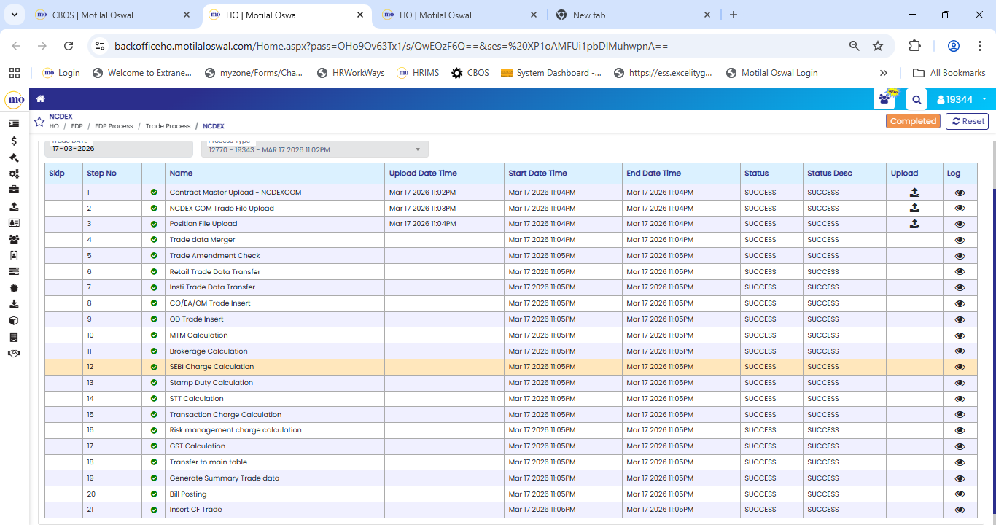
NCDEX

Unit | Segment | Name of Process | Back office Path | File Name | Input File Source | Time Taken | Process Type | Process Start Time | Process End Time
EDP | NCDEX | Contract Master Upload - NCDEXCOM | EDP > EDP Process > Trade Process > NCDEX Commodity | NCDEX_CN01_23062026.csv | webextranet.ncdex > Reports > dnld | 1 Mins | Manual | 11:20 PM | 11:20 PM
EDP | NCDEX | NCDEX COM Trade File Upload | EDP > EDP Process > Trade Process > NCDEX Commodity | Trade_NCCL_CO_0_TM_01240_20260622_F_0000.txt | webextranet.ncdex > Reports > dnld | 1 Mins | Manual | 11:20 PM | 11:21 PM
EDP | NCDEX | Position File Upload | EDP > EDP Process > Trade Process > NCDEX Commodity | Position_NCCL_CO_0_TM_01240_20260623_F_0000.csv | webextranet.ncdex > Reports > dnld | 1 Mins | Manual | 11:21 PM | 11:22 PM
EDP | NCDEX | Trade data Merger | EDP > EDP Process > Trade Process > NCDEX Commodity |  | Auto | 1 Mins | System | 11:22 PM | 11:23 PM
EDP | NCDEX | Trade Amendment Check | EDP > EDP Process > Trade Process > NCDEX Commodity |  | Auto | 1 Mins | System | 11:23 PM | 11:24 PM
EDP | NCDEX | Retail Trade Data Transfer | EDP > EDP Process > Trade Process > NCDEX Commodity |  | Auto | 1 Mins | System | 11:24 PM | 11:25 PM
EDP | NCDEX | Insti Trade Data Transfer | EDP > EDP Process > Trade Process > NCDEX Commodity |  | Auto | 1 Mins | System | 11:25 PM | 11:26 PM
EDP | NCDEX | CO/EA/OM Trade Insert | EDP > EDP Process > Trade Process > NCDEX Commodity |  | Auto | 1 Mins | System | 11:26 PM | 11:27 PM
EDP | NCDEX | OD Trade Insert | EDP > EDP Process > Trade Process > NCDEX Commodity |  | Auto | 1 Mins | System | 11:27 PM | 11:28 PM
EDP | NCDEX | MTM Calculation | EDP > EDP Process > Trade Process > NCDEX Commodity |  | Auto | 1 Mins | System | 11:28 PM | 11:29 PM
EDP | NCDEX | Brokerage Calculation | EDP > EDP Process > Trade Process > NCDEX Commodity |  | Auto | 1 Mins | System | 11:29 PM | 11:30 PM
EDP | NCDEX | SEBI Charge Calculation | EDP > EDP Process > Trade Process > NCDEX Commodity |  | Auto | 1 Mins | System | 11:30 PM | 11:31 PM
EDP | NCDEX | Stamp Duty Calculation | EDP > EDP Process > Trade Process > NCDEX Commodity |  | Auto | 1 Mins | System | 11:31 PM | 11:32 PM
EDP | NCDEX | STT Calculation | EDP > EDP Process > Trade Process > NCDEX Commodity |  | Auto | 1 Mins | System | 11:32 PM | 11:33 PM
EDP | NCDEX | Transaction Charge Calculation | EDP > EDP Process > Trade Process > NCDEX Commodity |  | Auto | 1 Mins | System | 11:33 PM | 11:34 PM
EDP | NCDEX | Risk management charge calculation | EDP > EDP Process > Trade Process > NCDEX Commodity |  | Auto | 1 Mins | System | 11:34 PM | 11:35 PM
EDP | NCDEX | GST Calculation | EDP > EDP Process > Trade Process > NCDEX Commodity |  | Auto | 1 Mins | System | 11:35 PM | 11:36 PM
EDP | NCDEX | Transfer to main table | EDP > EDP Process > Trade Process > NCDEX Commodity |  | Auto | 1 Mins | System | 11:36 PM | 11:37 PM
EDP | NCDEX | Generate Summary Trade data | EDP > EDP Process > Trade Process > NCDEX Commodity |  | Auto | 1 Mins | System | 11:37 PM | 11:38 PM
EDP | NCDEX | Bill Posting | EDP > EDP Process > Trade Process > NCDEX Commodity |  | Auto | 1 Mins | System | 11:38 PM | 11:39 PM
EDP | NCDEX | Insert CF Trade | EDP > EDP Process > Trade Process > NCDEX Commodity |  | Auto | 1 Mins | System | 11:39 PM | 11:40 PM

NCDEX Physical
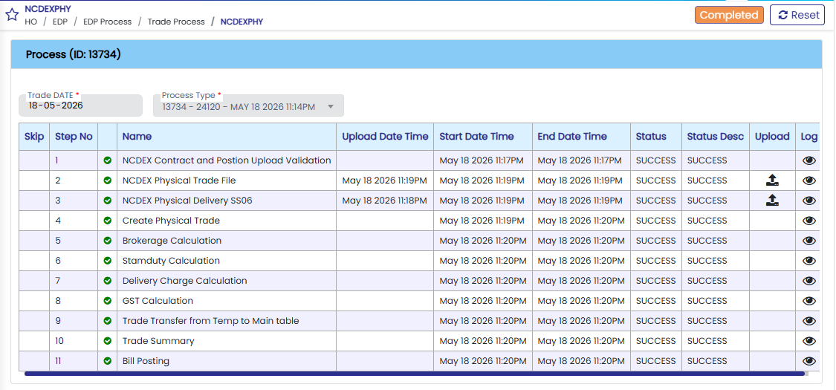
NCDEX

Unit | Segment | Name of Process | Back office Path | Input File Source | Time Taken | Process Type | Process Start Time | Process End Time
EDP | NCDEX | NCDEX Contract and Postion Upload Validation | EDP > EDP Process > Trade Process > NCDEX Commodity physical | Auto | 1 Mins | Manual | 11:17 PM | 11:17 PM
EDP | NCDEX | NCDEX Physical Trade File | EDP > EDP Process > Trade Process > NCDEX Commodity physical | webextranet.ncdex > Reports > dnld | 1 Mins | Manual | 11:18 PM | 11:18 PM
EDP | NCDEX | NCDEX Physical Delivery SS06 | EDP > EDP Process > Trade Process > NCDEX Commodity physical | webextranet.ncdex > Reports > dnld | 1 Mins | Manual | 11:19 PM | 11:19 PM
EDP | NCDEX | Create Physical Trade | EDP > EDP Process > Trade Process > NCDEX Commodity physical | Auto | 1 Mins | System | 11:19 PM | 11:20 PM
EDP | NCDEX | Brokerage Calculation | EDP > EDP Process > Trade Process > NCDEX Commodity physical | Auto | 1 Mins | System | 11:20 PM | 11:20 PM
EDP | NCDEX | Stamp Duty Calculation | EDP > EDP Process > Trade Process > NCDEX Commodity physical | Auto | 1 Mins | System | 11:20 PM | 11:20 PM
EDP | NCDEX | Delivery Charge Calculation | EDP > EDP Process > Trade Process > NCDEX Commodity physical | Auto | 1 Mins | System | 11:20 PM | 11:20 PM
EDP | NCDEX | GST Calculation | EDP > EDP Process > Trade Process > NCDEX Commodity physical | Auto | 1 Mins | System | 11:20 PM | 11:20 PM
EDP | NCDEX | Trade Transfer from Temp to Main table | EDP > EDP Process > Trade Process > NCDEX Commodity physical | Auto | 1 Mins | System | 11:20 PM | 11:20 PM
EDP | NCDEX | Trade Summary | EDP > EDP Process > Trade Process > NCDEX Commodity physical | Auto | 1 Mins | System | 11:20 PM | 11:20 PM
EDP | NCDEX | Bill Posting | EDP > EDP Process > Trade Process > NCDEX Commodity physical | Auto | 1 Mins | System | 11:20 PM | 11:20 PM

MCX
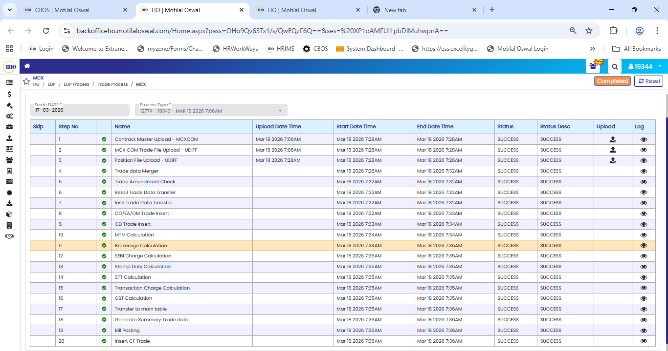
MCX

Unit | Segment | Name of Process | Back office Path | File Name | Input File Source | Time Taken | Process Type | Process Start Time | Process End Time
EDP | MCX | Contract Master Upload - MCXCOM | EDP > EDP Process > Trade Process > MCX Commodity | MCX_ProductMaster | sftp.mcxindia.com > COMMON | 1 Mins | Manual | 03:01 AM | 03:01 AM
EDP | MCX | MCX COM Trade File Upload - UDIFF | EDP > EDP Process > Trade Process > MCX Commodity | Trade_MCX_CO_0_CM_55930_20260623_F_0000.txt | sftp.mcxindia.com > Date Wise folder files Download | 1 Mins | Manual | 03:01 AM | 03:01 AM
EDP | MCX | Position File Upload - UDIFF | EDP > EDP Process > Trade Process > MCX Commodity | Position_MCXCCL_CO_0_CM_55930_20260623_F_0000.csv | sftp.mcxindia.com > Date Wise folder files Download | 1 Mins | Manual | 03:01 AM | 03:01 AM
EDP | MCX | Trade data Merger | EDP > EDP Process > Trade Process > MCX Commodity |  | Auto | 1 Mins | System | 03:02 AM | 03:03 AM
EDP | MCX | Trade Amendment Check | EDP > EDP Process > Trade Process > MCX Commodity |  | Auto | 1 Mins | System | 03:03 AM | 03:03 AM
EDP | MCX | Retail Trade Data Transfer | EDP > EDP Process > Trade Process > MCX Commodity |  | Auto | 1 Mins | System | 03:03 AM | 03:03 AM
EDP | MCX | Insti Trade Data Transfer | EDP > EDP Process > Trade Process > MCX Commodity |  | Auto | 1 Mins | System | 03:03 AM | 03:03 AM
EDP | MCX | CO/EA/OM Trade Insert | EDP > EDP Process > Trade Process > MCX Commodity |  | Auto | 1 Mins | System | 03:03 AM | 03:03 AM
EDP | MCX | OD Trade Insert | EDP > EDP Process > Trade Process > MCX Commodity |  | Auto | 1 Mins | System | 03:03 AM | 03:03 AM
EDP | MCX | MTM Calculation | EDP > EDP Process > Trade Process > MCX Commodity |  | Auto | 1 Mins | System | 03:03 AM | 03:03 AM
EDP | MCX | Brokerage Calculation | EDP > EDP Process > Trade Process > MCX Commodity |  | Auto | 1 Mins | System | 03:03 AM | 03:04 AM
EDP | MCX | SEBI Charge Calculation | EDP > EDP Process > Trade Process > MCX Commodity |  | Auto | 1 Mins | System | 03:04 AM | 03:04 AM
EDP | MCX | Stamp Duty Calculation | EDP > EDP Process > Trade Process > MCX Commodity |  | Auto | 1 Mins | System | 03:04 AM | 03:04 AM
EDP | MCX | STT Calculation | EDP > EDP Process > Trade Process > MCX Commodity |  | Auto | 1 Mins | System | 03:04 AM | 03:04 AM
EDP | MCX | Transaction Charge Calculation | EDP > EDP Process > Trade Process > MCX Commodity |  | Auto | 1 Mins | System | 03:04 AM | 03:04 AM
EDP | MCX | GST Calculation | EDP > EDP Process > Trade Process > MCX Commodity |  | Auto | 1 Mins | System | 03:04 AM | 03:05 AM
EDP | MCX | Transfer to main table | EDP > EDP Process > Trade Process > MCX Commodity |  | Auto | 1 Mins | System | 03:05 AM | 03:05 AM
EDP | MCX | Generate Summary Trade data | EDP > EDP Process > Trade Process > MCX Commodity |  | Auto | 1 Mins | System | 03:05 AM | 03:05 AM
EDP | MCX | Bill Posting | EDP > EDP Process > Trade Process > MCX Commodity |  | Auto | 1 Mins | System | 03:05 AM | 03:05 AM
EDP | MCX | Insert CF Trade | EDP > EDP Process > Trade Process > MCX Commodity |  | Auto | 1 Mins | System | 03:05 AM | 03:05 AM

MCX Physical
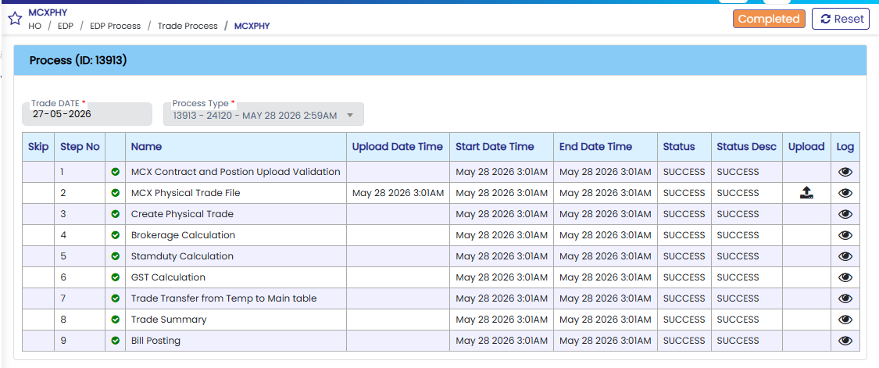
MCX Physical

Unit | Segment | Name of Process | Back office Path | Input File Source | Time Taken | Process Type | Process Start Time | Process End Time
EDP | MCX | MCX Contract and Postion Upload Validation | EDP > EDP Process > Trade Process > MCX Commodity Physical | Auto | 1 Mins | Manual | 03:01 AM | 03:01 AM
EDP | MCX | MCX Physical Trade File | EDP > EDP Process > Trade Process > MCX Commodity Physical | sftp.mcxindia.com > Date Wise folder files Download | 1 Mins | Manual | 03:01 AM | 03:01 AM
EDP | MCX | Create Physical Trade | EDP > EDP Process > Trade Process > MCX Commodity Physical | Auto | 1 Mins | System | 03:01 AM | 03:01 AM
EDP | MCX | Brokerage Calculation | EDP > EDP Process > Trade Process > MCX Commodity Physical | Auto | 1 Mins | System | 03:01 AM | 03:01 AM
EDP | MCX | Stamp Duty Calculation | EDP > EDP Process > Trade Process > MCX Commodity Physical | Auto | 1 Mins | System | 03:01 AM | 03:01 AM
EDP | MCX | GST Calculation | EDP > EDP Process > Trade Process > MCX Commodity Physical | Auto | 1 Mins | System | 03:01 AM | 03:01 AM
EDP | MCX | Trade Transfer from Temp to Main table | EDP > EDP Process > Trade Process > MCX Commodity Physical | Auto | 1 Mins | System | 03:01 AM | 03:01 AM
EDP | MCX | Trade Summary | EDP > EDP Process > Trade Process > MCX Commodity Physical | Auto | 1 Mins | System | 03:01 AM | 03:01 AM
EDP | MCX | Bill Posting | EDP > EDP Process > Trade Process > MCX Commodity Physical | Auto | 1 Mins | System | 03:01 AM | 03:01 AM

NSE COMM

NSE COMM

Unit | Segment | Name of Process | Back office Path | File Name | Input File Source | Time Taken | Process Type | Process Start Time | Process End Time
EDP | NSE COMM | Contract Master Upload - NSECOM | EDP > EDP Process > Trade Process > NSE Commodity | co_contract | EXTRANET - COMMON > CO > co_contract.gz | 1 Mins | Manual | 03:14 AM | 03:14 AM
EDP | NSE COMM | NSE COM Trade File Upload | EDP > EDP Process > Trade Process > NSE Commodity | Trade_NSE_CO_0_TM_10412_20260623_F_0000.csv | EXTRANET_dnld > CO >Onlinebackup> | 1 Mins | Manual | 03:14 AM | 03:14 AM
EDP | NSE COMM | Position File Upload | EDP > EDP Process > Trade Process > NSE Commodity | Position_NCL_CO_0_TM_10412_20260623_F_0000.csv | EXTRANET_dnld > CO > Reports > | 1 Mins | Manual | 03:14 AM | 03:14 AM
EDP | NSE COMM | Trade data Merger | EDP > EDP Process > Trade Process > NSE Commodity |  | Auto | 1 Mins | System | 03:14 AM | 03:14 AM
EDP | NSE COMM | Trade Amendment Check | EDP > EDP Process > Trade Process > NSE Commodity |  | Auto | 1 Mins | System | 03:14 AM | 03:14 AM
EDP | NSE COMM | Retail Trade Data Transfer | EDP > EDP Process > Trade Process > NSE Commodity |  | Auto | 2 Mins | System | 03:14 AM | 03:14 AM
EDP | NSE COMM | Insti Trade Data Transfer | EDP > EDP Process > Trade Process > NSE Commodity |  | Auto | 1 Mins | System | 03:14 AM | 03:14 AM
EDP | NSE COMM | CO/EA/OM Trade Insert | EDP > EDP Process > Trade Process > NSE Commodity |  | Auto | 1 Mins | System | 03:14 AM | 03:14 AM
EDP | NSE COMM | OD Trade Insert | EDP > EDP Process > Trade Process > NSE Commodity |  | Auto | 1 Mins | System | 03:14 AM | 03:14 AM
EDP | NSE COMM | MTM Calculation | EDP > EDP Process > Trade Process > NSE Commodity |  | Auto | 1 Mins | System | 03:14 AM | 03:14 AM
EDP | NSE COMM | Brokerage Calculation | EDP > EDP Process > Trade Process > NSE Commodity |  | Auto | 1 Mins | System | 03:14 AM | 03:15 AM
EDP | NSE COMM | SEBI Charge Calculation | EDP > EDP Process > Trade Process > NSE Commodity |  | Auto | 1 Mins | System | 03:15 AM | 03:15 AM
EDP | NSE COMM | Stamp Duty Calculation | EDP > EDP Process > Trade Process > NSE Commodity |  | Auto | 1 Mins | System | 03:15 AM | 03:15 AM
EDP | NSE COMM | STT Calculation | EDP > EDP Process > Trade Process > NSE Commodity |  | Auto | 1 Mins | System | 03:15 AM | 03:15 AM
EDP | NSE COMM | Transaction Charge Calculation | EDP > EDP Process > Trade Process > NSE Commodity |  | Auto | 1 Mins | System | 03:15 AM | 03:15 AM
EDP | NSE COMM | GST Calculation | EDP > EDP Process > Trade Process > NSE Commodity |  | Auto | 1 Mins | System | 03:15 AM | 03:15 AM
EDP | NSE COMM | Transfer to main table | EDP > EDP Process > Trade Process > NSE Commodity |  | Auto | 1 Mins | System | 03:15 AM | 03:15 AM
EDP | NSE COMM | Generate Summary Trade data | EDP > EDP Process > Trade Process > NSE Commodity |  | Auto | 1 Mins | System | 03:15 AM | 03:15 AM
EDP | NSE COMM | Bill Posting | EDP > EDP Process > Trade Process > NSE Commodity |  | Auto | 1 Mins | System | 03:15 AM | 03:15 AM
EDP | NSE COMM | Insert CF Trade | EDP > EDP Process > Trade Process > NSE Commodity |  | Auto | 1 Mins | System | 03:15 AM | 03:15 AM

