Group Contribution Log
Course | CS3343
Term | 2025-26 Semester A

Project No. | 19
Project Name/Title | UNO Game
No. of Team Members | 6
Project Manager Name | Woo King Hei

Student ID | Name (Last, First) | Role | Week 1 | Week 2 | Week 3 | Week 4 | Week 5 | Week 6 | Week 7 | Week 8 | Week 9 | Week 10 | Week 11 | Week 12 | Week 13 | Total | Student | Relative | Contribution | e.g.Group Mark | Final Adjusted
58535918 | Chan Pak Yuen | Developing Analyst | 0.5 | 2 | 1 | 3 | 2 | 1 | 1 | 2 | 3 | 2 | 2 | 3 | 2 | 24.5 | Chan Pak Yuen | 1.00 | 100.00% | 80.00 | 80.00
58111083 | Chan Wing Ki | Analyst Programmer | 0.5 | 2 | 2 | 1 | 3 | 2 | 3 | 3 | 2 | 2 | 2 | 1 | 1 | 24.5 | Chan Wing Ki | 1.00 | 100.00% | 80.00 | 80.00
58010837 | Ho Sung Hin | Software Architect | 0.5 | 2 | 1 | 1 | 2 | 3 | 4 | 2 | 2 | 1 | 2 | 2 | 2 | 24.5 | Ho Sung Hin | 1.00 | 100.00% | 80.00 | 80.00
58537010 | Wong Hei Leong | Coordinating Project Manager | 0.5 | 2 | 1.5 | 1 | 3 | 2 | 4 | 3 | 3 | 1.5 | 1 | 1 | 1 | 24.5 | Wong Hei Leong | 1.00 | 100.00% | 80.00 | 80.00
58533673 | Wong Ka Chung | Testing Engineer | 0.5 | 2 | 1 | 3 | 2 | 2 | 2 | 3 | 2 | 1 | 2 | 2 | 2 | 24.5 | Wong Ka Chung | 1.00 | 100.00% | 80.00 | 80.00
58533231 | Woo King Hei | Project Manager | 0.5 | 2 | 1 | 3 | 2 | 2 | 2 | 2 | 2 | 1 | 2 | 2 | 3 | 24.5 | Woo King Hei | 1.00 | 100.00% | 80.00 | 80.00

 | Total Effort |  | 3 | 12 | 7.5 | 12 | 14 | 12 | 16 | 15 | 14 | 8.5 | 11 | 11 | 11 | 147 | Max | 1.00 |  | Average | 80.00
 |  |  |  |  |  |  |  |  |  |  |  |  |  |  |  |  |  |  |  | Max | 80.00
 |  |  |  |  |  |  |  |  |  |  |  |  |  |  |  |  |  |  |  | Min | 80.00
Week1 work summary |  |  |  |  |  |  |  |  |  |  | Prove with related documents
Detailed work
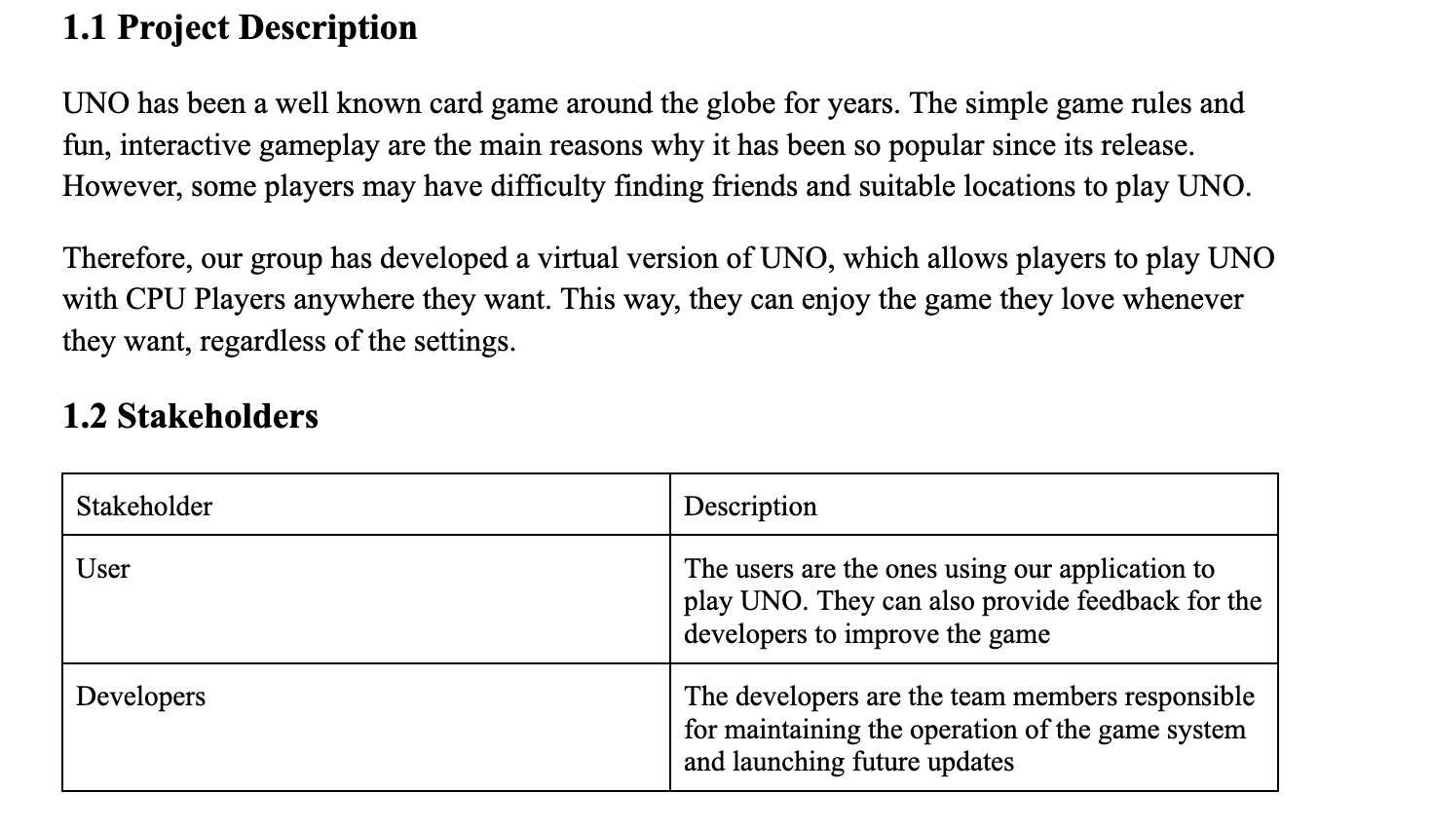
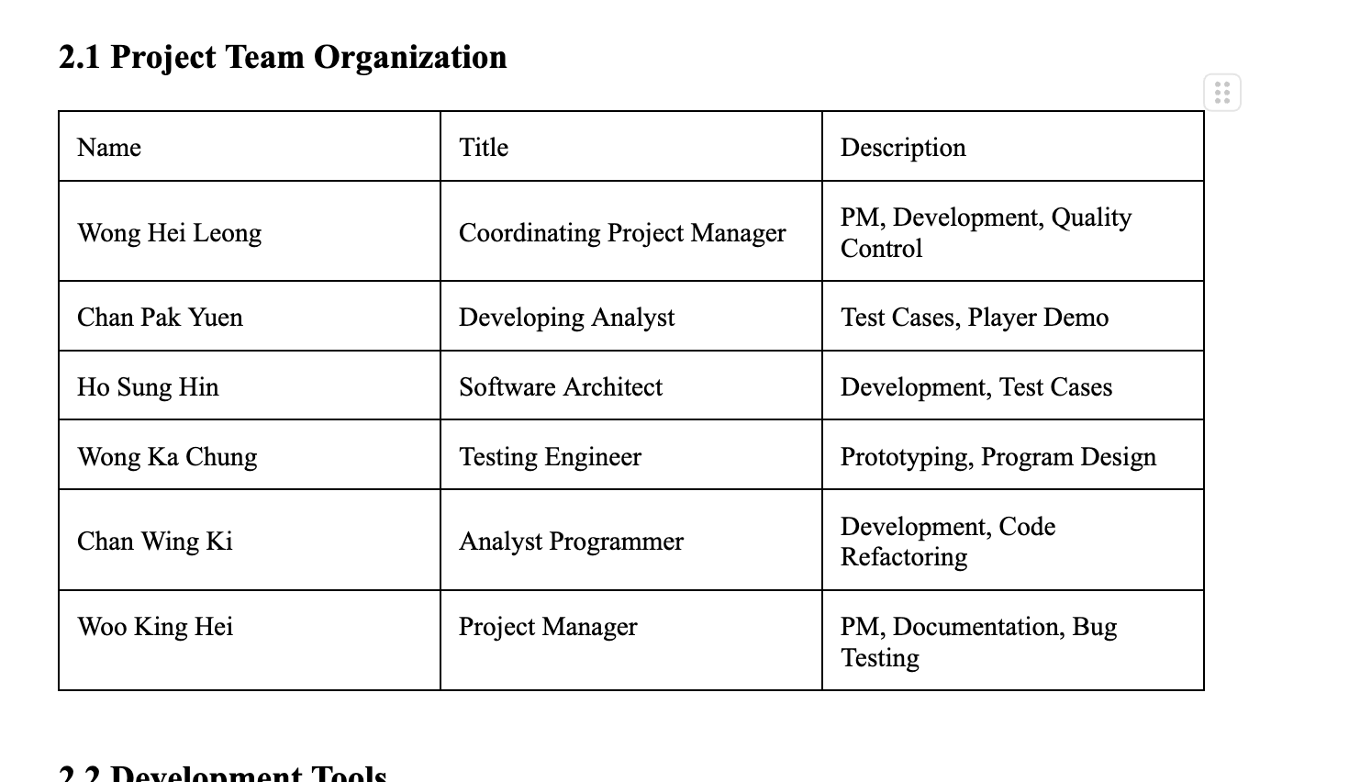
No. | Type of work | Work content | Detailed description | Status of implementation |  | If not completed, information note
1 | priority work | Requirements Collect | Engage with the shareholders to define project goals, functional needs, and technical constraints, ensuring clear and comprehensive requirements for design and development. | Completed
2 |  | Position Assignment | Assign roles and responsibilities to team members based on their skills and project needs, ensuring clear accountability and efficient task execution. | Completed
3 |  | Relevant Research | Conduct research to gather necessary information, explore industry best practices, and analyze similar projects to inform design and development decisions | Completed

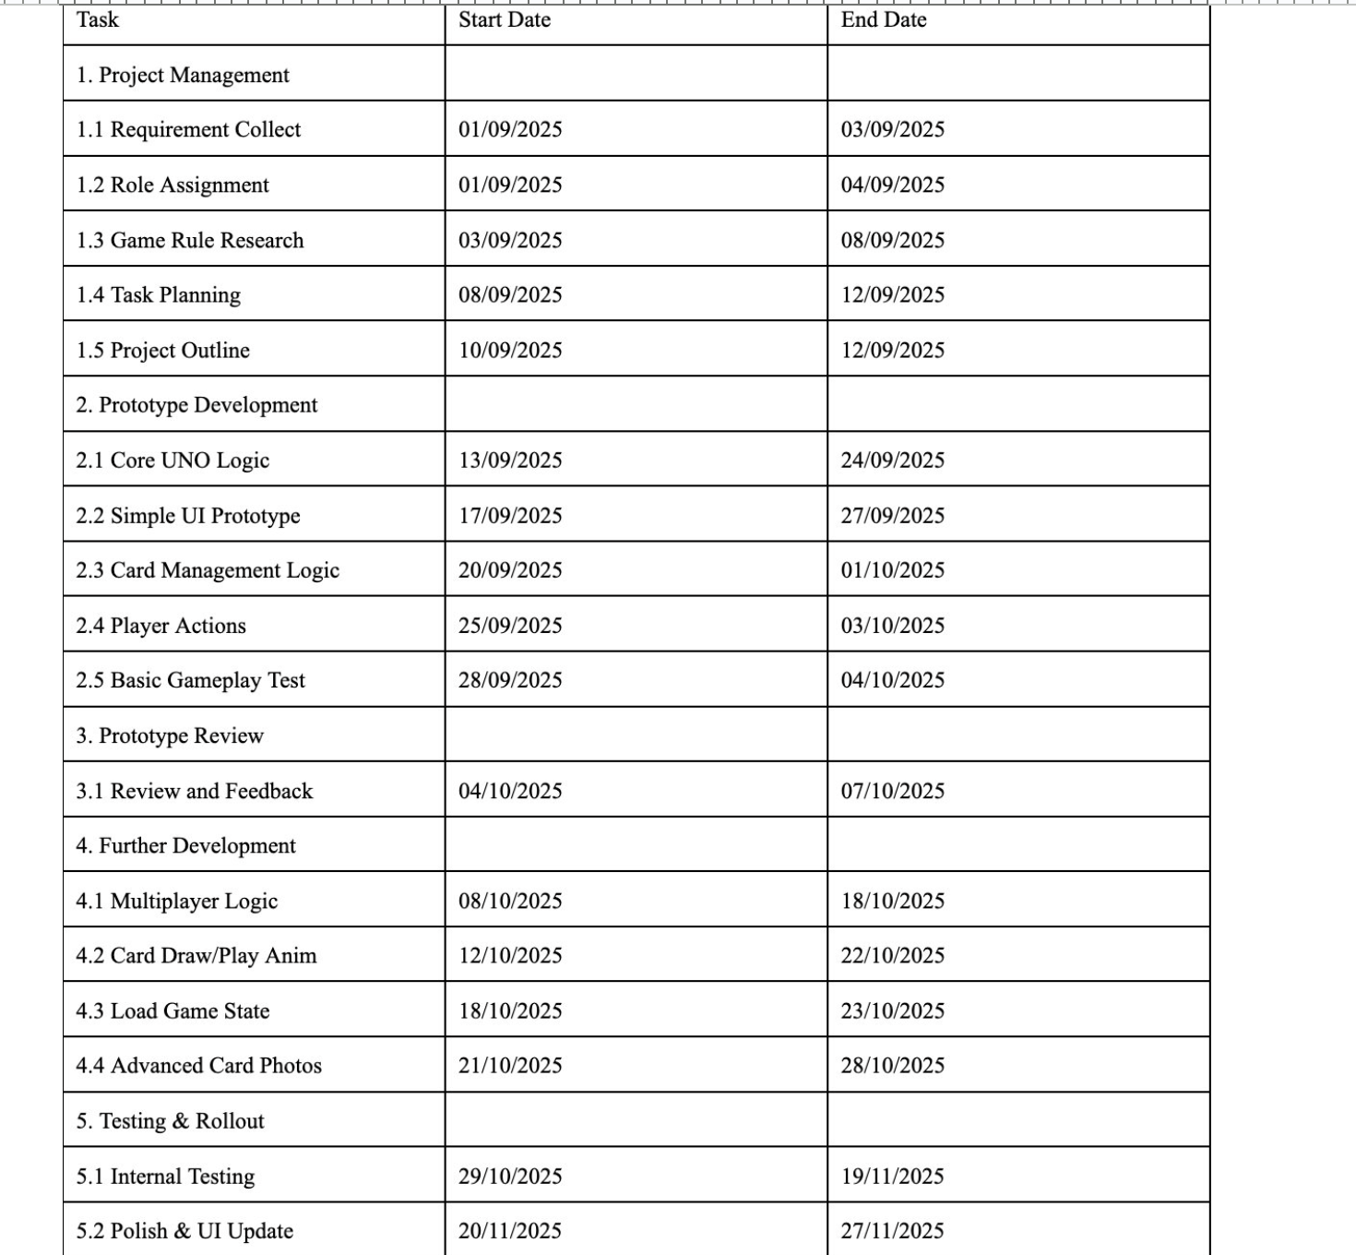
Week2 work summary
Detailed work
No. | Type of work | Work content | Detailed description | Status of implementation |  | If not completed, information note
1 | priority work | Task Assignment | Distribute specific tasks to team members based on their expertise and project priorities, ensuring clear deadlines and efficient workflow | Completed
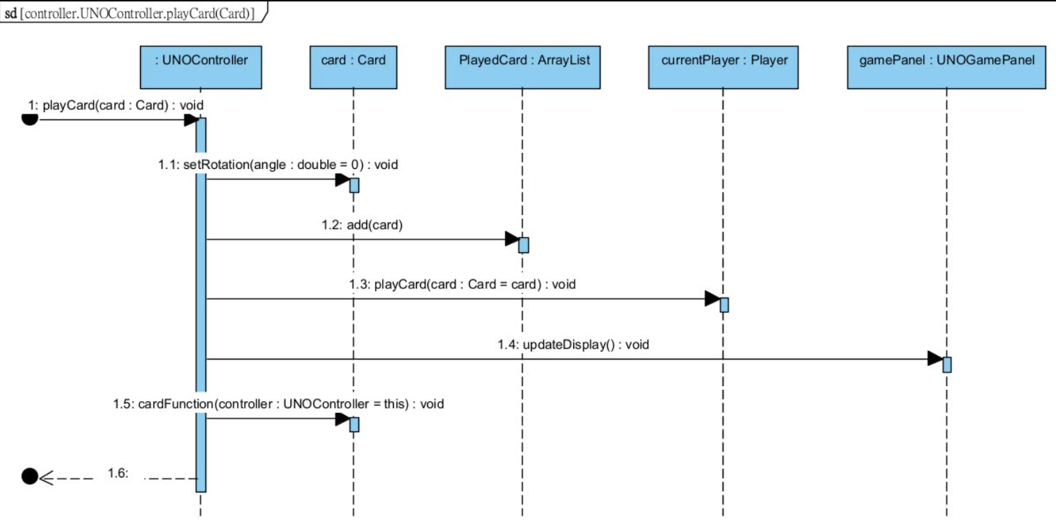
2 |  | Algorithm Select | Choose the most suitable algorithms based on project requirements, performance considerations, and data characteristics to ensure optimal system functionality and efficiency. | Completed
3 |  | Project Outline | Develop a high-level project plan outlining key milestones, deliverables, timelines, and resource allocation to guide the overall project execution and track progress. | Completed

Week3, 4, 5 work summary
Detailed work
No. | Type of work | Work content | Detailed description | Status of implementation |  | If not completed, information note
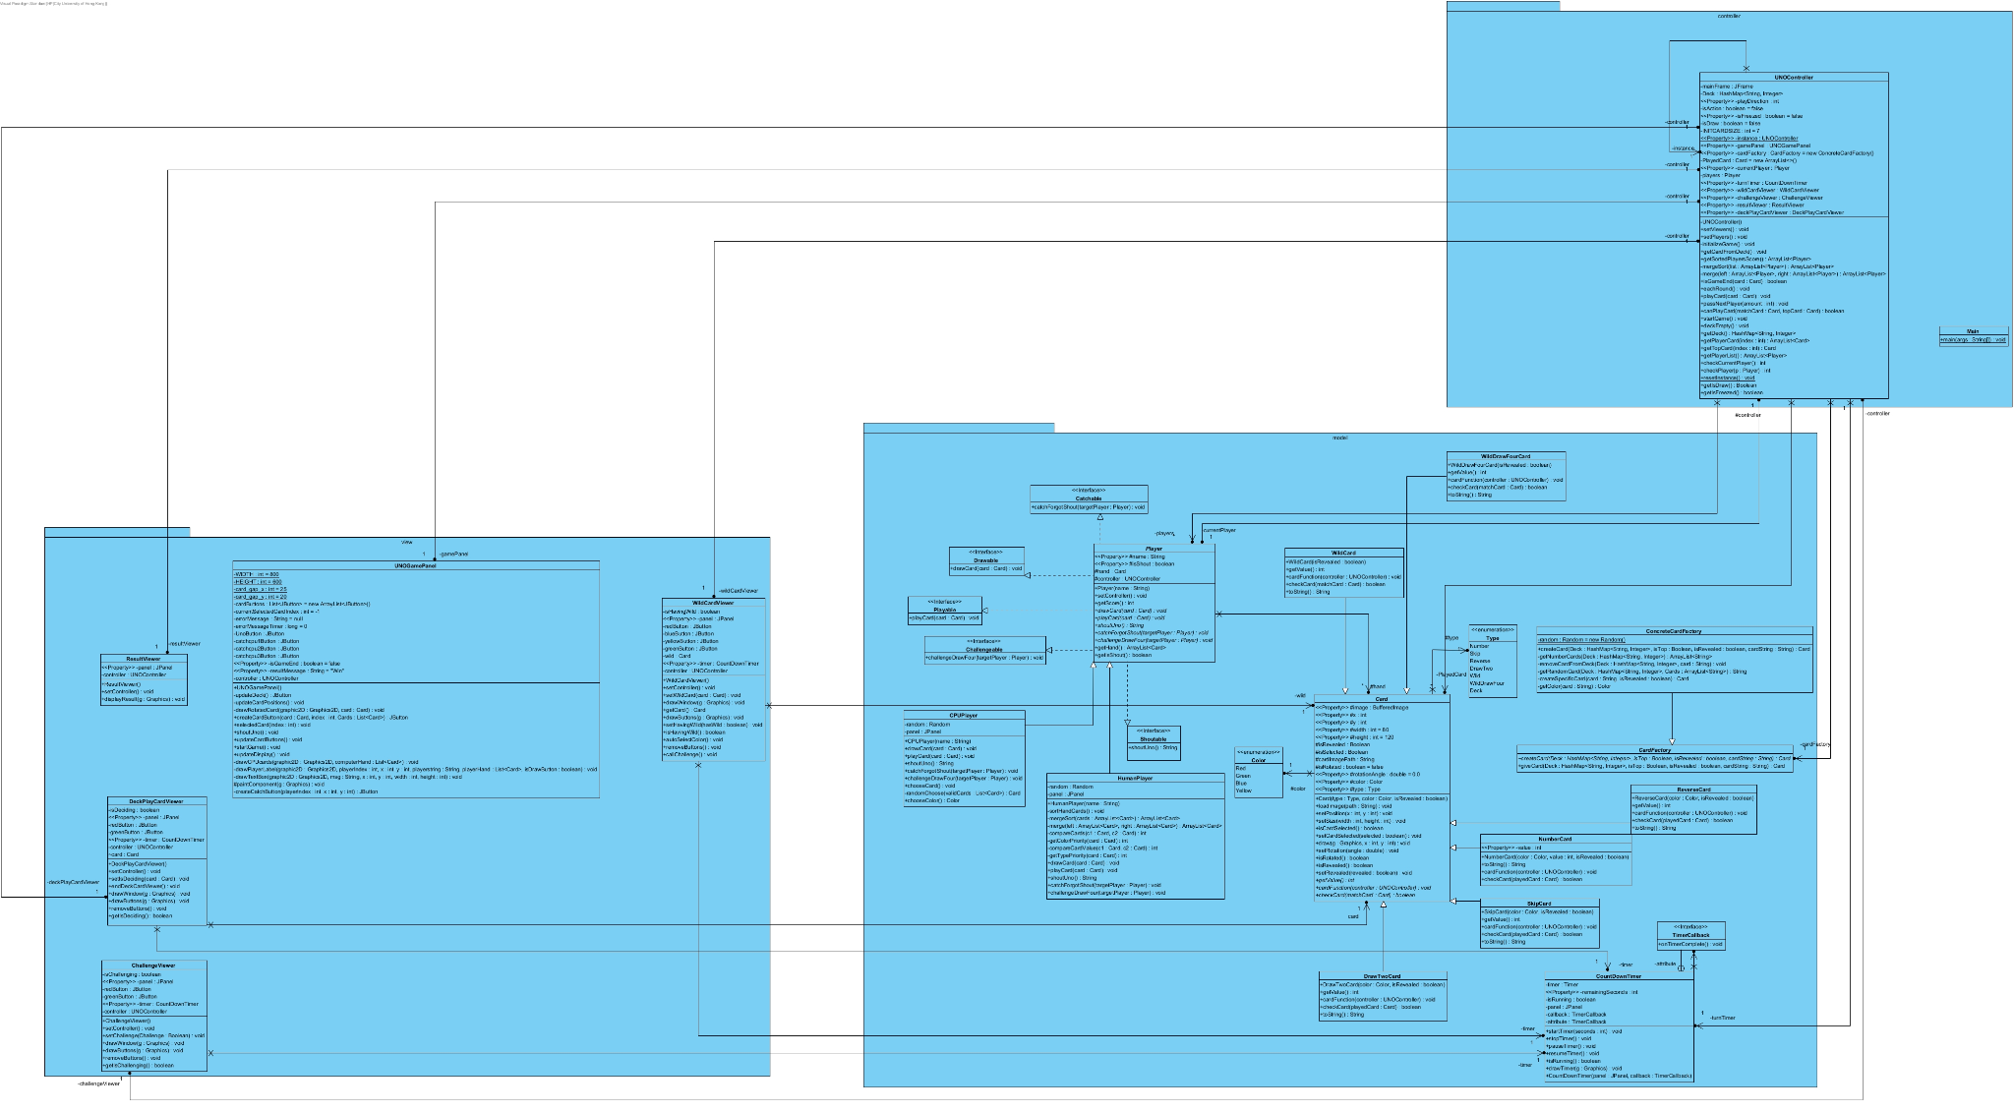
1 | priority work | Software Dev | Software Development is the process of designing, coding, and maintaining software applications. | Completed
2 |  | Overall Structure | Define the system’s architecture, components, and how they interact. | Completed
3 |  | Principle & Pattern | Focus on applying design principles like modularity and scalability, along with architectural patterns such as Singleton,Factory,Facad,etc. to ensure the system is maintainable, efficient, and user-friendly. | Completed
4 |  | Prototype Debug | Work on developing and testing initial prototypes of the system, identifying and fixing bugs to ensure functionality and improve user experience before full-scale development. | Completed
5 |  | Simple Testing | Conduct basic testing to verify the core features of the system, ensuring that the travel recommendation functionality works as expected under simple conditions. | Completed
6 |  | Branch Merges | Manage and integrate code changes from different branches, ensuring that new features or fixes are combined smoothly into the main project without conflicts or issues. | Completed
7 |  | UI Development | Focus on designing and implementing the user interface, ensuring it is intuitive, visually appealing, and provides a seamless experience for users to interact with the travel recommendation system. | Completed

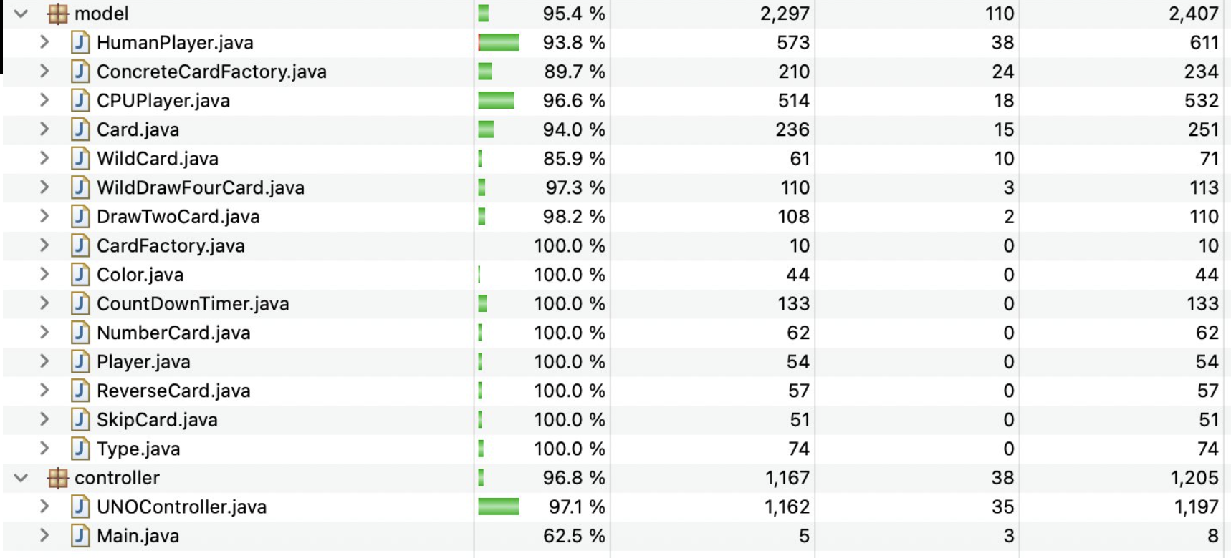
Week6,7,8 work summary
Detailed work
No. | Type of work | Work content | Detailed description | Status of implementation |  | If not completed, information note
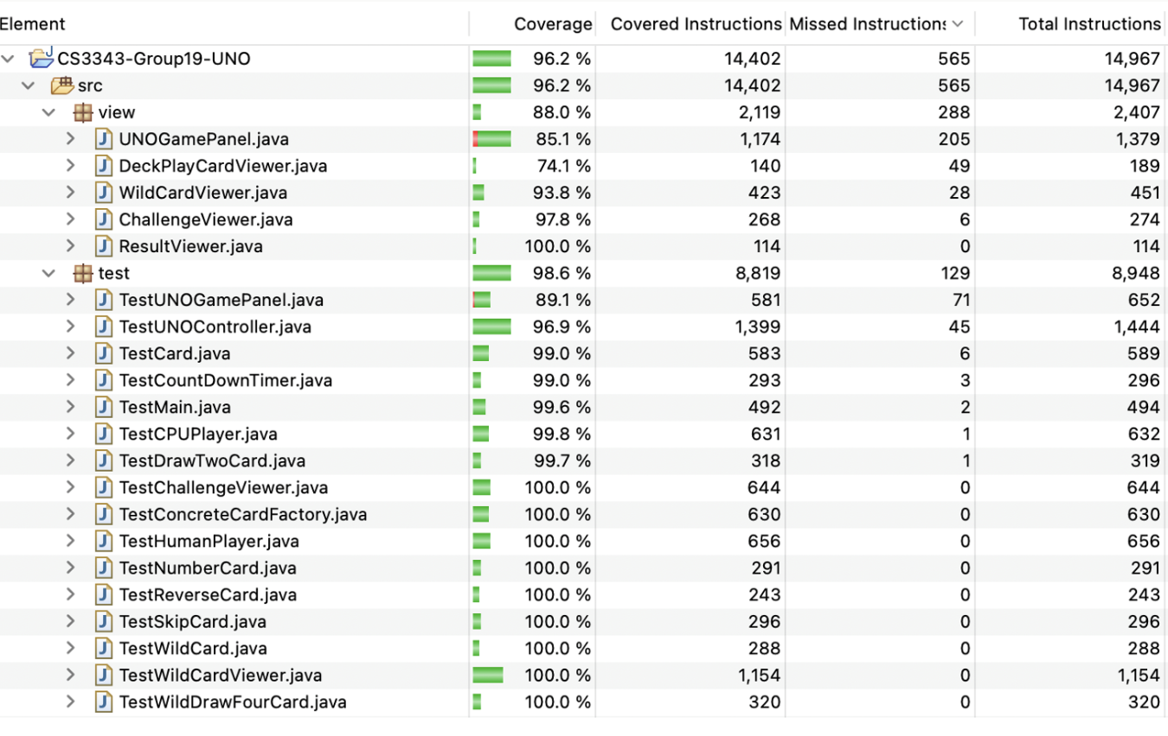
1 | priority work | Prototype Imporve | Refine and enhance the initial prototypes by incorporating user feedback, fixing bugs, and adding new features to improve functionality and user experience before the final version is developed. | Completed
2 |  | Integration Testing | Conduct integration testing to ensure that all system components, such as the recommendation engine, user interface, and database, work together seamlessly and function as expected when combined. | not Completed |  | Our test coverage still need to be improve
3 |  | Report Prepare | Documenting reports detailing the progress, challenges, and outcomes of the project, providing stakeholders with clear insights into the system's development, testing results, and upcoming milestones. | not Completed |  | As of now, there are still parts of the report that are being refined
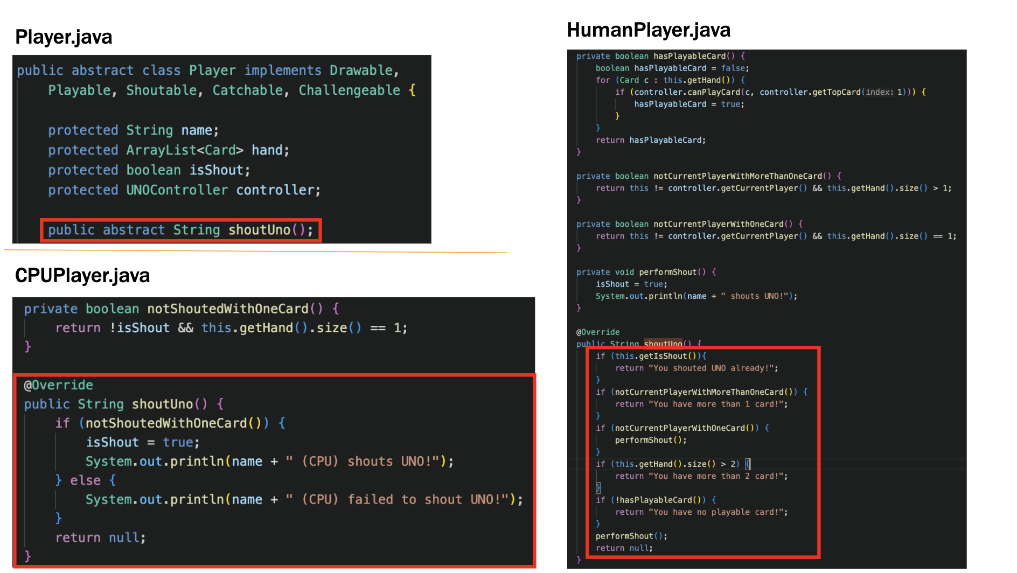
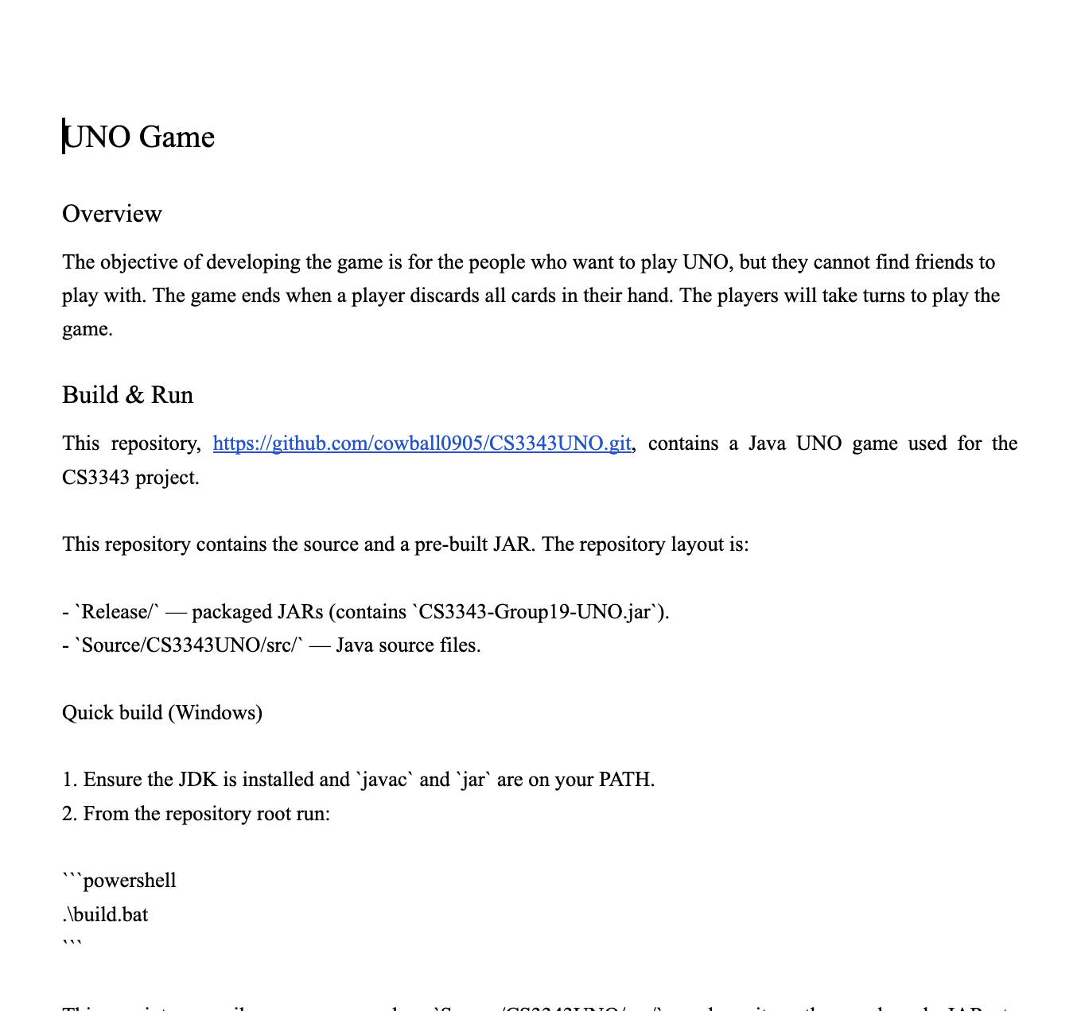
Week 9,10,11,12 work summary
Detailed work
No. | Type of work | Work content | Detailed description | Status of implementation |  | If not completed, information note
1 | priority work | Code refactoring | We refine and enhance the initial prototypes by incorporating user feedback, fixing bugs, and adding new features to improve functionality and user experience before the final version is developed. | Completed
2 |  | Report Prepare | Finish the documentation of the program, including bug report, release note and ReadMe, etc. | Completed

