ChannelTranslation
Channel Translation | v0.2 | For the Fertambieu EIB only. ONE BASED NUMBERING SYSTEM WHERE CH0 = CH1. NOT ZERO BASED |  |  |  |  |  | Things that change
TT # | Within TT: wire # | Headstage # | Amplipex HS Pin # | Amplipex Ch. | Intan HS Pin # | Intan Ch. | Good? | nTrode | Is LFP?
4 | 4 | 1 | 16 | 16 | 1 | 1 | 1 | 4 | 1
4 | 3 | 1 | 14 | 14 | 2 | 2 | 1 | 4 | 1
4 | 2 | 1 | 12 | 12 | 3 | 3 | 1 | 4 | 1
4 | 1 | 1 | 10 | 10 | 4 | 4 | 1 | 4 | 0
5 | 4 | 1 | 8 | 8 | 5 | 5 | 1 | 5 | 0
5 | 3 | 1 | 6 | 6 | 6 | 6 | 1 | 5 | 0
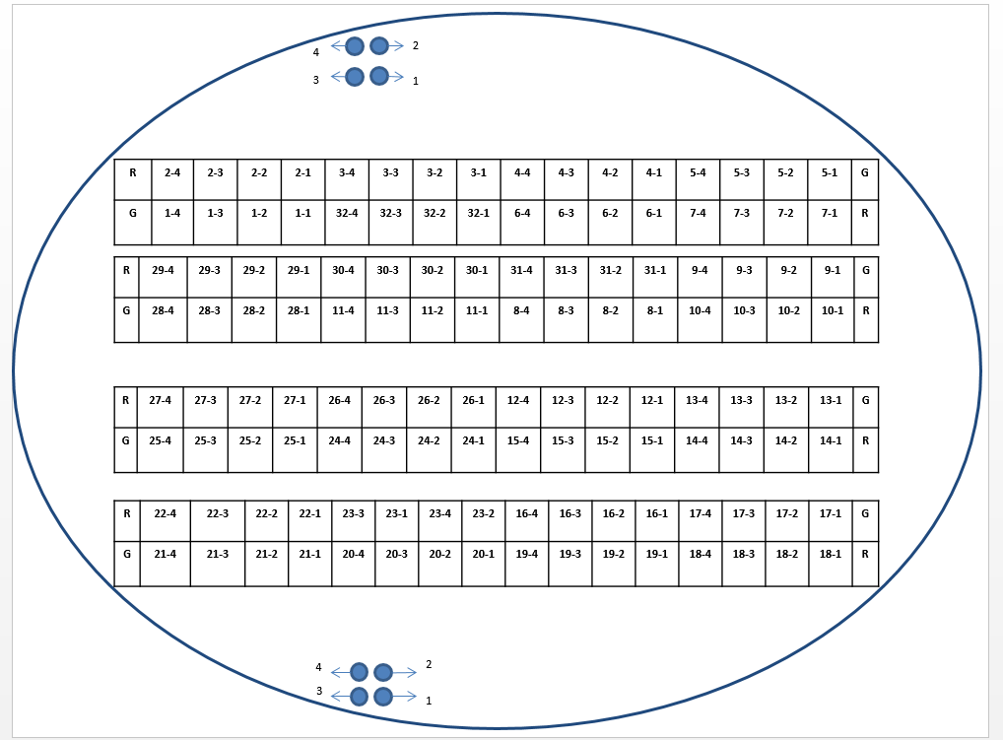
5 | 2 | 1 | 4 | 4 | 7 | 7 | 1 | 5 | 0
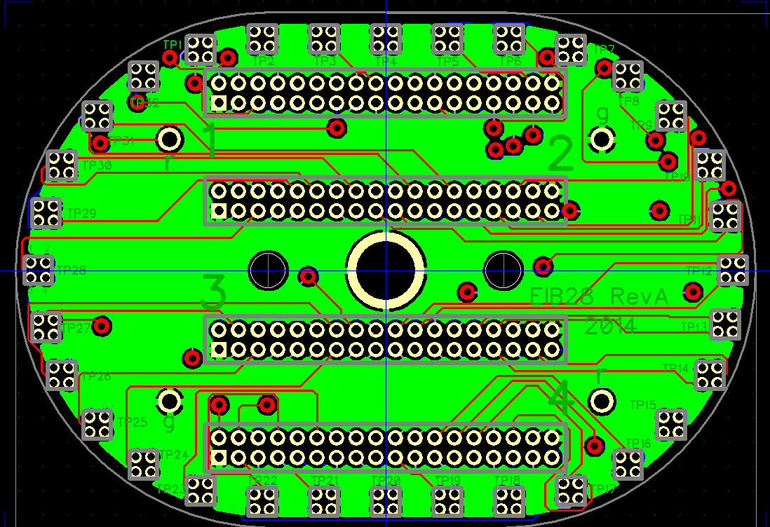
5 | 1 | 1 | 2 | 2 | 8 | 8 | 1 | 5 | 0
7 | 1 | 1 | 1 | 1 | 9 | 9 | 1 | 7 | 0
7 | 2 | 1 | 3 | 3 | 10 | 10 | 1 | 7 | 0
7 | 3 | 1 | 5 | 5 | 11 | 11 | 1 | 7 | 0
7 | 4 | 1 | 7 | 7 | 12 | 12 | 1 | 7 | 0
AMPX 32 30 28 26 24 22 20 18 16 14 12 10 8 6 4 2
INTAN 25 26 27 28 29 30 31 32 1 2 3 4 5 6 7 8
AMPX 31 29 27 25 23 21 19 17 15 13 11 9 7 5 3 1
INTAN 24 23 22 21 20 19 18 17 16 15 14 13 12 11 10 9
6 | 1 | 1 | 9 | 9 | 13 | 13 | 1 | 6 | 0
6 | 2 | 1 | 11 | 11 | 14 | 14 | 1 | 6 | 0
6 | 3 | 1 | 13 | 13 | 15 | 15 | 1 | 6 | 0
6 | 4 | 1 | 15 | 15 | 16 | 16 | 1 | 6 | 0
32 | 1 | 1 | 17 | 17 | 17 | 17 | 1 | 32 | 0
32 | 2 | 1 | 19 | 19 | 18 | 18 | 1 | 32 | 0
HS1
32 | 3 | 1 | 21 | 21 | 19 | 19 | 1 | 32 | 0
2
32 | 4 | 1 | 23 | 23 | 20 | 20 | 1 | 32 | 0
1 | 1 | 1 | 25 | 25 | 21 | 21 | 1 | 1 | 0
1 | 2 | 1 | 27 | 27 | 22 | 22 | 1 | 1 | 0
1 | 3 | 1 | 29 | 29 | 23 | 23 | 1 | 1 | 0
1 | 4 | 1 | 31 | 31 | 24 | 24 | 1 | 1 | 0
2 | 4 | 1 | 32 | 32 | 25 | 25 | 1 | 2 | 0
3
2 | 3 | 1 | 30 | 30 | 26 | 26 | 1 | 2 | 0
2 | 2 | 1 | 28 | 28 | 27 | 27 | 1 | 2 | 0
2 | 1 | 1 | 26 | 26 | 28 | 28 | 1 | 2 | 0
3 | 4 | 1 | 24 | 24 | 29 | 29 | 1 | 3 | 0
3 | 3 | 1 | 22 | 22 | 30 | 30 | 1 | 3 | 0
4
3 | 2 | 1 | 20 | 20 | 31 | 31 | 1 | 3 | 0
3 | 1 | 1 | 18 | 18 | 32 | 32 | 1 | 3 | 0
31 | 4 | 2 | 16 | 48 | 1 | 33 | 1 | 31 | 0
31 | 3 | 2 | 14 | 46 | 2 | 34 | 1 | 31 | 0
31 | 2 | 2 | 12 | 44 | 3 | 35 | 1 | 31 | 0
31 | 1 | 2 | 10 | 42 | 4 | 36 | 1 | 31 | 0
9 | 4 | 2 | 8 | 40 | 5 | 37 | 1 | 9 | 0
Omnetics text faces this way.
9 | 3 | 2 | 6 | 38 | 6 | 38 | 1 | 9 | 0
9 | 2 | 2 | 4 | 36 | 7 | 39 | 1 | 9 | 0
9 | 1 | 2 | 2 | 34 | 8 | 40 | 1 | 9 | 0
10 | 1 | 2 | 1 | 33 | 9 | 41 | 1 | 10 | 0
10 | 2 | 2 | 3 | 35 | 10 | 42 | 1 | 10 | 0
10 | 3 | 2 | 5 | 37 | 11 | 43 | 1 | 10 | 0
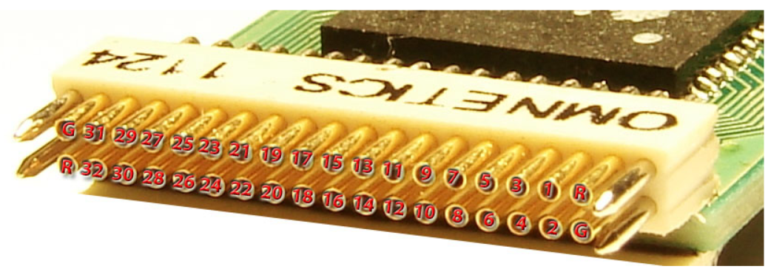
10 | 4 | 2 | 7 | 39 | 12 | 44 | 1 | 10 | 0
8 | 1 | 2 | 9 | 41 | 13 | 45 | 1 | 8 | 0
8 | 2 | 2 | 11 | 43 | 14 | 46 | 1 | 8 | 0
8 | 3 | 2 | 13 | 45 | 15 | 47 | 1 | 8 | 0
8 | 4 | 2 | 15 | 47 | 16 | 48 | 1 | 8 | 0
11 | 1 | 2 | 17 | 49 | 17 | 49 | 1 | 11 | 0
11 | 2 | 2 | 19 | 51 | 18 | 50 | 1 | 11 | 0
11 | 3 | 2 | 21 | 53 | 19 | 51 | 1 | 11 | 0
11 | 4 | 2 | 23 | 55 | 20 | 52 | 1 | 11 | 0
28 | 1 | 2 | 25 | 57 | 21 | 53 | 1 | 28 | 0
28 | 2 | 2 | 27 | 59 | 22 | 54 | 1 | 28 | 0
Amplipex
28 | 3 | 2 | 29 | 61 | 23 | 55 | 1 | 28 | 0
28 | 4 | 2 | 31 | 63 | 24 | 56 | 1 | 28 | 0
29 | 4 | 2 | 32 | 64 | 25 | 57 | 1 | 28 | 0
29 | 3 | 2 | 30 | 62 | 26 | 58 | 1 | 28 | 0
29 | 2 | 2 | 28 | 60 | 27 | 59 | 1 | 28 | 0
29 | 1 | 2 | 26 | 58 | 28 | 60 | 1 | 28 | 0
30 | 4 | 2 | 24 | 56 | 29 | 61 | 1 | 30 | 0
30 | 3 | 2 | 22 | 54 | 30 | 62 | 1 | 30 | 0
30 | 2 | 2 | 20 | 52 | 31 | 63 | 1 | 30 | 0
30 | 1 | 2 | 18 | 50 | 32 | 64 | 1 | 30 | 0
12 | 4 | 3 | 16 | 80 | 1 | 65 | 1 | 12 | 0
12 | 3 | 3 | 14 | 78 | 2 | 66 | 1 | 12 | 0
12 | 2 | 3 | 12 | 76 | 3 | 67 | 1 | 12 | 0
12 | 1 | 3 | 10 | 74 | 4 | 68 | 1 | 12 | 0
13 | 4 | 3 | 8 | 72 | 5 | 69 | 1 | 13 | 0
13 | 3 | 3 | 6 | 70 | 6 | 70 | 1 | 13 | 0
13 | 2 | 3 | 4 | 68 | 7 | 71 | 1 | 13 | 0
13 | 1 | 3 | 2 | 66 | 8 | 72 | 1 | 13 | 0
14 | 1 | 3 | 1 | 65 | 9 | 73 | 1 | 14 | 0
14 | 2 | 3 | 3 | 67 | 10 | 74 | 1 | 14 | 0
14 | 3 | 3 | 5 | 69 | 11 | 75 | 1 | 14 | 0
14 | 4 | 3 | 7 | 71 | 12 | 76 | 1 | 14 | 0
15 | 1 | 3 | 9 | 73 | 13 | 77 | 1 | 14 | 0
15 | 2 | 3 | 11 | 75 | 14 | 78 | 1 | 14 | 0
15 | 3 | 3 | 13 | 77 | 15 | 79 | 1 | 14 | 0
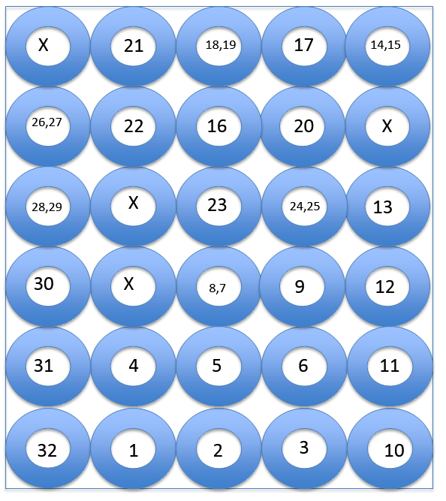
15 | 4 | 3 | 15 | 79 | 16 | 80 | 1 | 14 | 0
24 | 1 | 3 | 17 | 81 | 17 | 81 | 1 | 24 | 0
24 | 2 | 3 | 19 | 83 | 18 | 82 | 1 | 24 | 0
24 | 3 | 3 | 21 | 85 | 19 | 83 | 1 | 24 | 0
24 | 4 | 3 | 23 | 87 | 20 | 84 | 1 | 24 | 0
25 | 1 | 3 | 25 | 89 | 21 | 85 | 1 | 24 | 0
25 | 2 | 3 | 27 | 91 | 22 | 86 | 1 | 24 | 0
25 | 3 | 3 | 29 | 93 | 23 | 87 | 1 | 24 | 0
25 | 4 | 3 | 31 | 95 | 24 | 88 | 1 | 24 | 0
27 | 4 | 3 | 32 | 96 | 25 | 89 | 1 | 26 | 0
27 | 3 | 3 | 30 | 94 | 26 | 90 | 1 | 26 | 0
27 | 2 | 3 | 28 | 92 | 27 | 91 | 1 | 26 | 0
27 | 1 | 3 | 26 | 90 | 28 | 92 | 1 | 26 | 0
26 | 4 | 3 | 24 | 88 | 29 | 93 | 1 | 26 | 0
26 | 3 | 3 | 22 | 86 | 30 | 94 | 1 | 26 | 0
26 | 2 | 3 | 20 | 84 | 31 | 95 | 1 | 26 | 0
26 | 1 | 3 | 18 | 82 | 32 | 96 | 1 | 26 | 0
16 | 4 | 4 | 16 | 112 | 1 | 97 | 1 | 16 | 0
16 | 3 | 4 | 14 | 110 | 2 | 98 | 1 | 16 | 0
16 | 2 | 4 | 12 | 108 | 3 | 99 | 1 | 16 | 0
16 | 1 | 4 | 10 | 106 | 4 | 100 | 1 | 16 | 0
17 | 4 | 4 | 8 | 104 | 5 | 101 | 1 | 17 | 0
17 | 3 | 4 | 6 | 102 | 6 | 102 | 1 | 17 | 0
17 | 2 | 4 | 4 | 100 | 7 | 103 | 1 | 17 | 0
17 | 1 | 4 | 2 | 98 | 8 | 104 | 1 | 17 | 0
18 | 1 | 4 | 1 | 97 | 9 | 105 | 1 | 18 | 0
18 | 2 | 4 | 3 | 99 | 10 | 106 | 1 | 18 | 0
18 | 3 | 4 | 5 | 101 | 11 | 107 | 1 | 18 | 0
18 | 4 | 4 | 7 | 103 | 12 | 108 | 1 | 18 | 0
19 | 1 | 4 | 9 | 105 | 13 | 109 | 1 | 18 | 0
19 | 2 | 4 | 11 | 107 | 14 | 110 | 1 | 18 | 0
19 | 3 | 4 | 13 | 109 | 15 | 111 | 1 | 18 | 0
19 | 4 | 4 | 15 | 111 | 16 | 112 | 1 | 18 | 0
20 | 1 | 4 | 17 | 113 | 17 | 113 | 1 | 20 | 0
20 | 2 | 4 | 19 | 115 | 18 | 114 | 1 | 20 | 0
20 | 3 | 4 | 21 | 117 | 19 | 115 | 1 | 20 | 0
20 | 4 | 4 | 23 | 119 | 20 | 116 | 1 | 20 | 0
21 | 1 | 4 | 25 | 121 | 21 | 117 | 1 | 21 | 0
21 | 2 | 4 | 27 | 123 | 22 | 118 | 1 | 21 | 0
21 | 3 | 4 | 29 | 125 | 23 | 119 | 1 | 21 | 0
21 | 4 | 4 | 31 | 127 | 24 | 120 | 1 | 21 | 0
22 | 4 | 4 | 32 | 128 | 25 | 121 | 1 | 22 | 0
22 | 3 | 4 | 30 | 126 | 26 | 122 | 1 | 22 | 0
22 | 2 | 4 | 28 | 124 | 27 | 123 | 1 | 22 | 0
22 | 1 | 4 | 26 | 122 | 28 | 124 | 1 | 22 | 0
23 | 3 | 4 | 24 | 120 | 29 | 125 | 1 | 23 | 0
23 | 1 | 4 | 22 | 118 | 30 | 126 | 1 | 23 | 0
23 | 4 | 4 | 20 | 116 | 31 | 127 | 1 | 23 | 0
23 | 2 | 4 | 18 | 114 | 32 | 128 | 1 | 23 | 0

