Sheet1
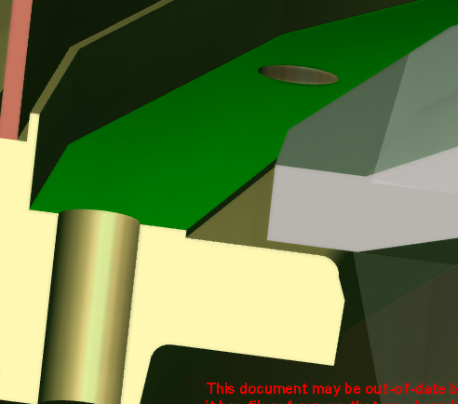
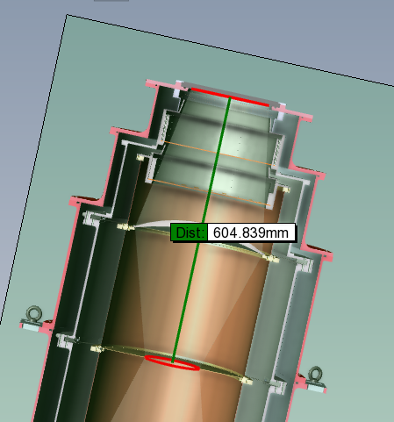
 | Item | Distance Warm | Distance Cold |  | JC Measure
lens 1 before = 285.97 | Lens 1 | 285.97 | 289.99
lens 1 after = 289.99 | Cold stop | 611.86 | 615 |  | 604.84
coldstop before = 611.86 | Lens 2 | 805.54 | 808.02
coldstop after = 615.00 | KID Array | 933.16 | 995
lens 2 before = 805.54
lens 2 after = 808.02
 | cold stop to lens 1 | 325.89 |  | 6
KID array before = 993.16
KID array after = 995.00
 |  |  |  |  | distance | jc measure
 |  |  | The correct lens distances from the window are: |  |  |  |  | b of hdpe to coldstop | 604.84
 |  |  | - Window to lens1 top vertex = 290mm |  |  |  |  | back of hdpe window to lens surface | 327.08
 |  |  | - Lens 1 thickness (top vertex to bottom) = 41.11mm (331) |  |  |  | I measure 327.09
 |  |  | - bottom lens1 to coldstop = 276.89mm (608)
 |  |  | - Coldstop thickness = 1mm (609)
 |  |  | - cold stop top to top vertex of lens2 = 200mm (808)
 |  |  | - Lens2 thickness (top to bottom vertex) = 22mm (830)
 |  |  | - Bottom vertex lens2 to array = 165mm (995)

 |  |  | Lens 2 top vertex = 9.92mm from bottom flat face

Sheet2
section from CW code:
 | quoted cold | warm quoted | warm measured (to mounting plates)
The correct lens distances from the window are:
- Window to lens1 top vertex = 290mm | 290
- Lens 1 thickness (top vertex to bottom) = 41.11mm (331) | 331 |  | 327.09 |  | lens thickness is correct, distance is correct (if subtract 41.11 to get distance to top of vertex)
- bottom lens1 to coldstop = 276.89mm (608) | 607.89 |  | 604.84 |  | this appears wrong
- Coldstop thickness = 1mm (609) | 608.89 |  |  |  | 1mm is ok
- cold stop top to top vertex of lens2 = 200mm (808) | 807.89 |  | 815.409 |  | lens 2 height from sitting plate = 5.16 + 4.76 = 9.92
- Lens2 thickness (top to bottom vertex) = 22mm (830) | 829.89
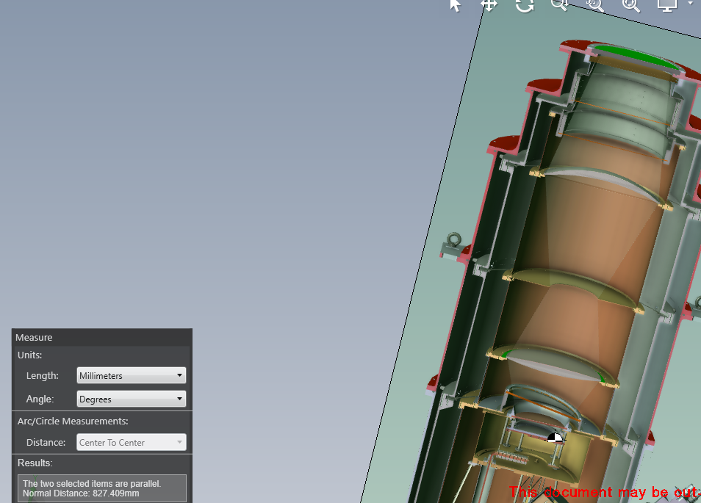
- Bottom vertex lens2 to array = 165mm (995) | 994.89
cs top to lens 2 top |  |  | 205.81 |  | 210.57 to plate

Lens 2 top vertex = 9.92mm from bottom flat face

top of hdpe to lens 2 shield plate = 827.41

what chris sent to rome | Item | Distance Warm | Distance Cold | I measure warm | difference
 | Lens 1 (assume top vertex) | 285.97 | 289.99 | 285.98 | 0.0099999999999
 | Cold stop | 615 | 611.86 | 604.84 | -10.16 | what chris emailed seems incontradiction to requirement
 | Lens 2 (assume top vertex) | 805.54 | 808.02 | 805.5 | -0.04 | ok
 | KID Array | 993.16 | 995 | 993.16 | 0 | ok

 | NOTE: top is facing HDPE
 | distances defined from back of HDPE

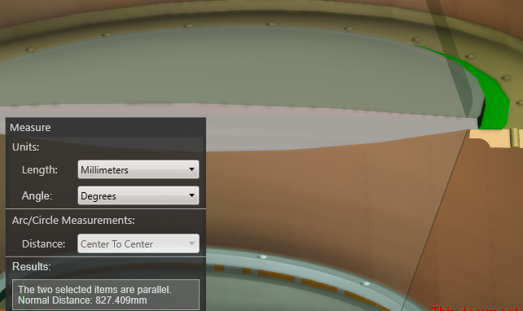

 |  |  | 827.409 | between lens plate and TOP of HDPE
 |  |  | 12 | HDPE thickness
 |  |  | 815.409 | distance to back of hdpe
 |  |  | 9.92 | lens 2 height from sitting plate = 5.16 + 4.76 = 9.92
 |  |  | 805.489 | distance to bottom (biggest) vertex
 |  |  | 4.76 | distance from sitting plate to smallest vertex
 |  |  | 810.649 | distance to top (smallest vertex)

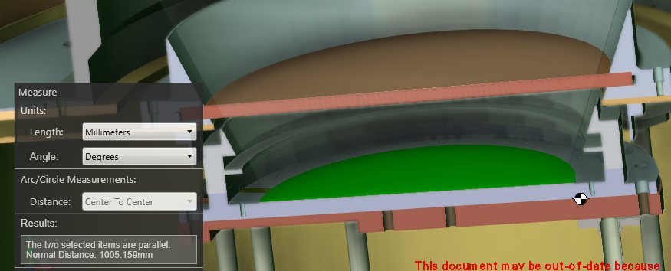

 |  |  |  |  | 1005.16 | distance between top of HDPE and KID array
 |  |  |  |  | 12 | hdpe thickness
 |  |  |  |  | 993.16 | distance between bottom of HDPE and KID array
 |  |  |  |  |  | this is correct warm distance

 |  |  |  |  | - bottom lens1 to coldstop = 276.89mm (608)

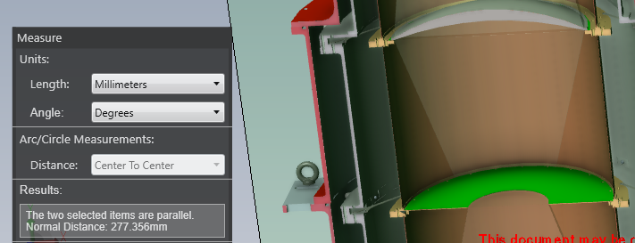
 |  |  |  | 277.356 | distance between lens1 plate and cs
 |  |  |  | 23.11 | distance between plate and bottom of lens
 |  |  |  | 276.89 | specified (COLD)
 |  |  |  | 0.466 | difference

 |  |  |  |  | - cold stop top to top vertex of lens2 = 200mm (808)

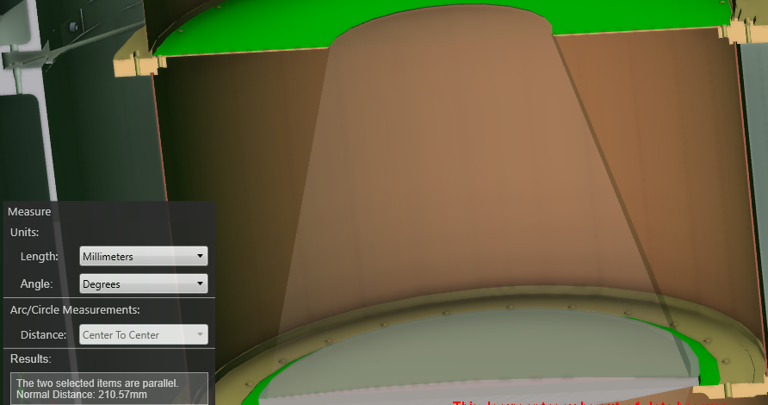
 |  |  |  |  | 210.57 | distance from top of CS to lens2 mounting surface
 |  |  |  |  | 9.92 | lens 2 height from sitting plate = 5.16 + 4.76 = 9.92
 |  |  |  |  | 200.65 | cold stop top to top vertex of le

