Report by Drinking Episode
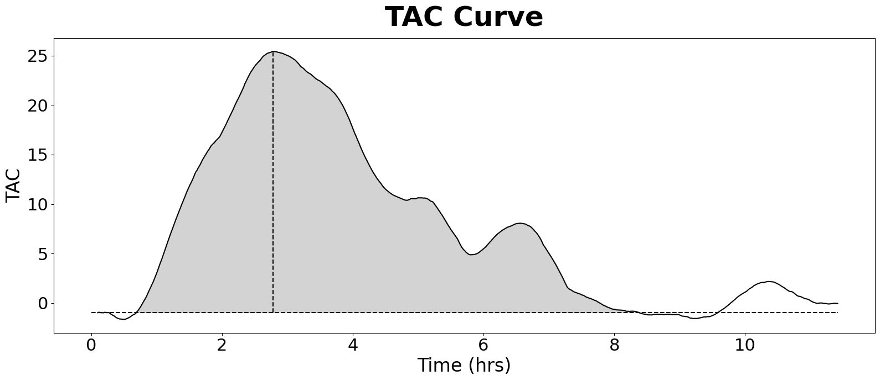
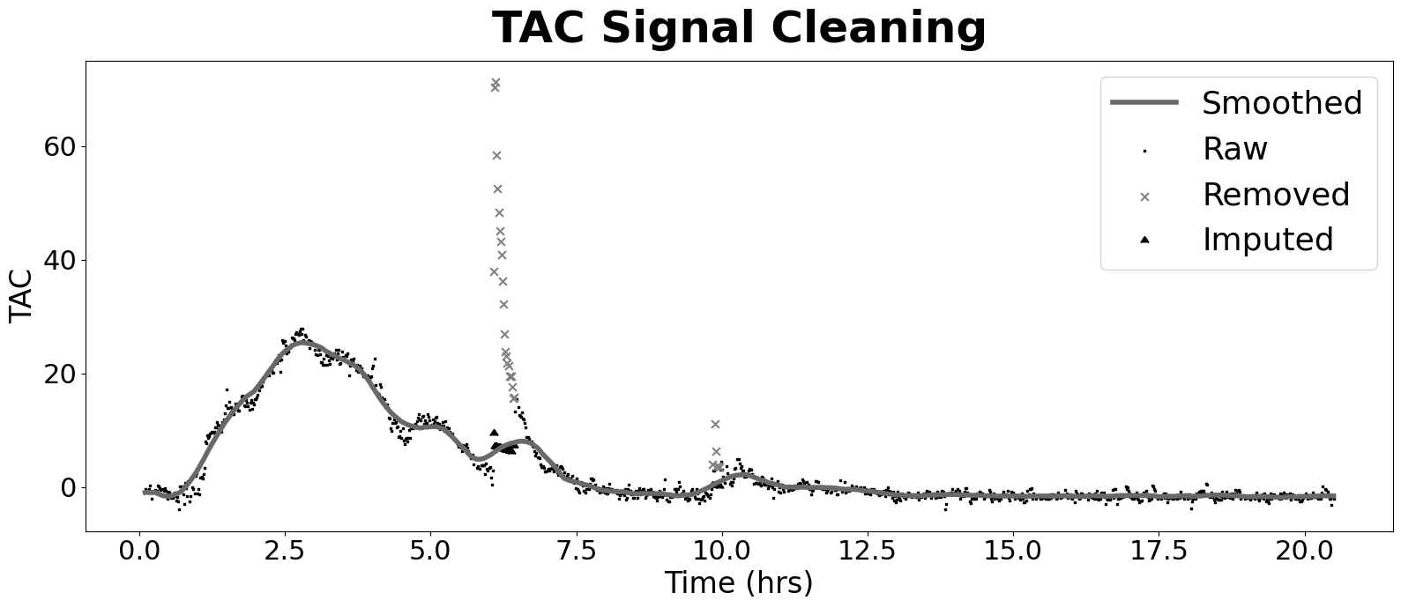
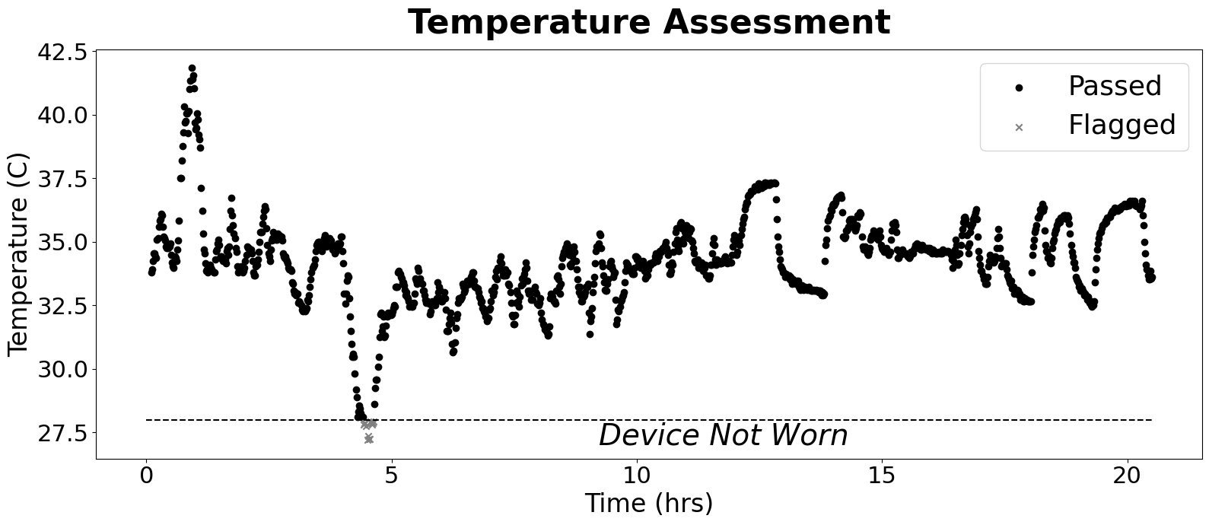
 | Basic Info |  | TAC Dataset: General Stats |  | Curve Features |  | Cleaning Stats
SubID | 5001 | TAC Mean | 3.4846862139 | Peak | 25.413375833 | TAC Count | 1225
Condition | Alc | TAC SD | 7.7345300898 | AUC Total | 427.00130859 | Major Outlier Count | 19
Sub_Condition | 1 | TAC SEM | 0.220986574 | AUC / Hr | 20.829332127 | Major Threshold | 0.7
Drink Total | 2 | TAC Count | 1225 | Curve Duration | 7.7 | Minor Outlier Count | 9
Data Cropped? | No | Baseline Mean | -0.95915944198 | Rise Duration | 2.1 | Minor Threshold | 0.5
Prediction (clean) | Alc | Baseline SD | 0.018663838586 | Fall Duration | 5.6 | Imputed Count | 28
Correct (clean) | correct | Avg TAC Difference | 0.72404411765 | Rise Rate | 12.101607539
Prediction (raw) | Alc | TAC Alteration % | 57.843137255 | Fall Rate | 4.5381028273
Correct (raw) | Alc | Not Worn % | 0.010612244898
 |  | Valid Duration | 20.28244898
 |  | Valid % | 0.9893877551
 |  | Valid Occasion | 1

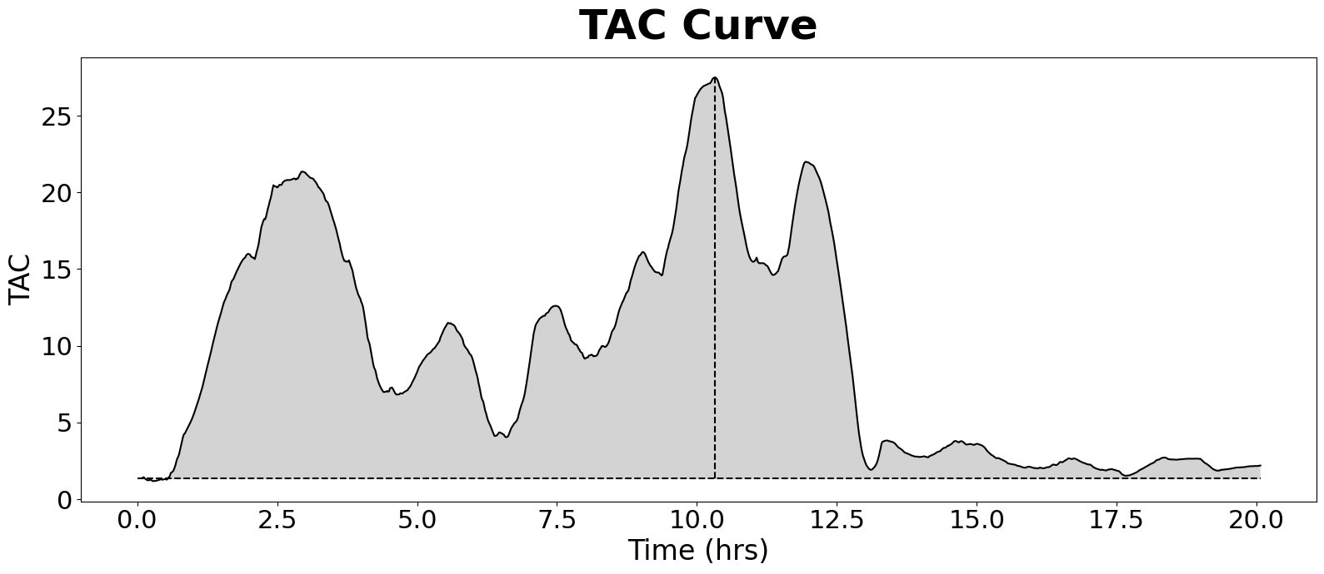
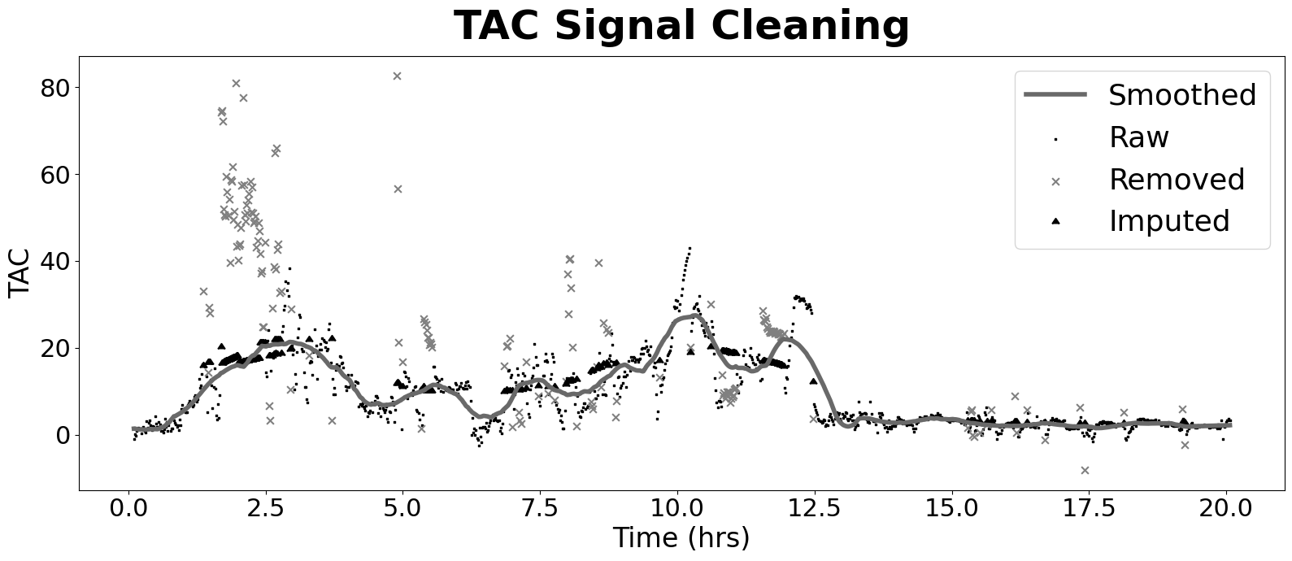
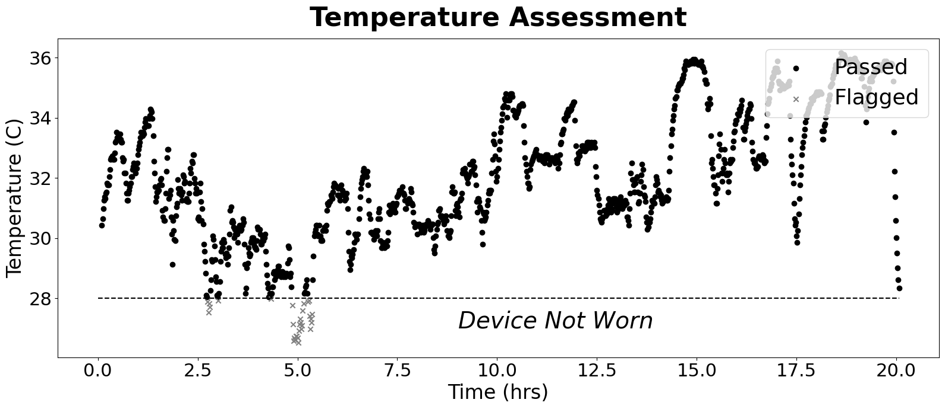
 | Basic Info |  | TAC Dataset: General Stats |  | Curve Features |  | Cleaning Stats
SubID | 5001 | TAC Mean | 9.4306237248 | Peak | 27.492342647 | TAC Count | 1199
Condition | Alc | TAC SD | 7.2588471827 | AUC Total | 1130.5514243 | Major Outlier Count | 67
Sub_Condition | 5 | TAC SEM | 0.20963223372 | AUC / Hr | 56.339771976 | Major Threshold | 0.7
Drink Total | 3 | TAC Count | 1199 | Curve Duration | 19.533333333 | Minor Outlier Count | 108
Data Cropped? | No | Baseline Mean | 1.2934515076 | Rise Duration | 9.7833333333 | Minor Threshold | 0.5
Prediction (clean) | Alc | Baseline SD | 0.076807242233 | Fall Duration | 9.75 | Imputed Count | 175
Correct (clean) | correct | Avg TAC Difference | 2.3275041736 | Rise Rate | 2.8101202024
Prediction (raw) | Alc | TAC Alteration % | 52.337228715 | Fall Rate | 2.819727451
Correct (raw) | Alc | Not Worn % | 0.025854879066
 |  | Valid Duration | 19.547845427
 |  | Valid % | 0.97414512093
 |  | Valid Occasion | 1

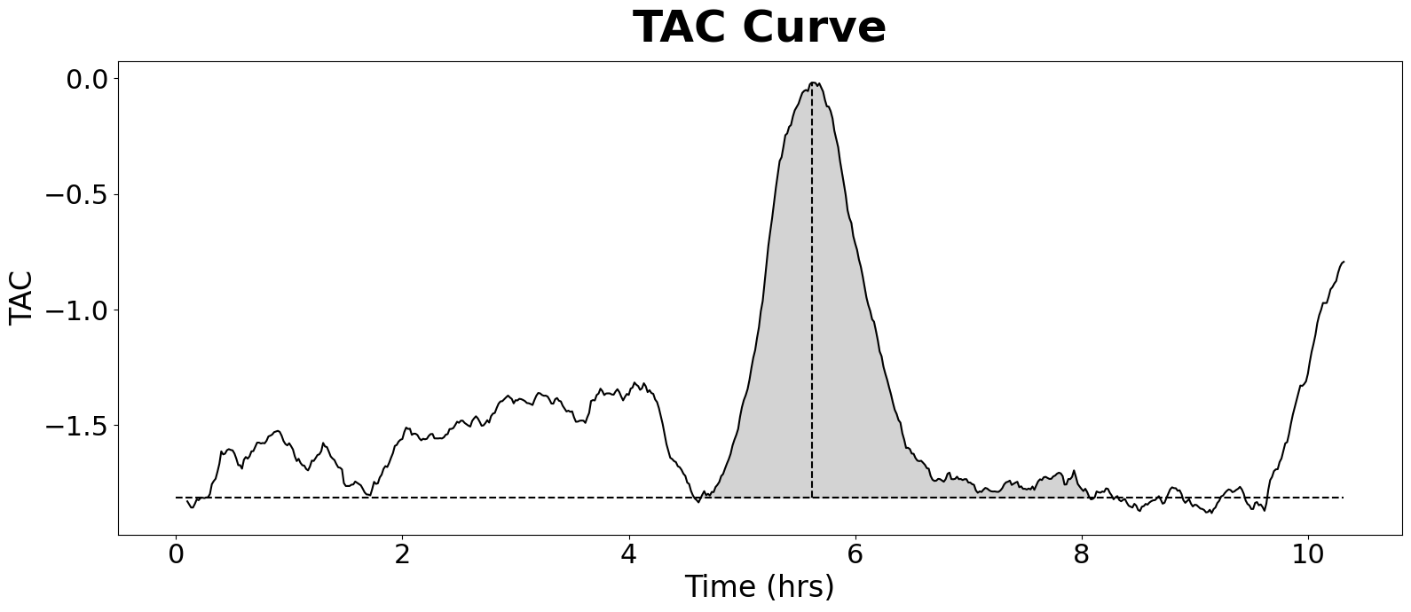
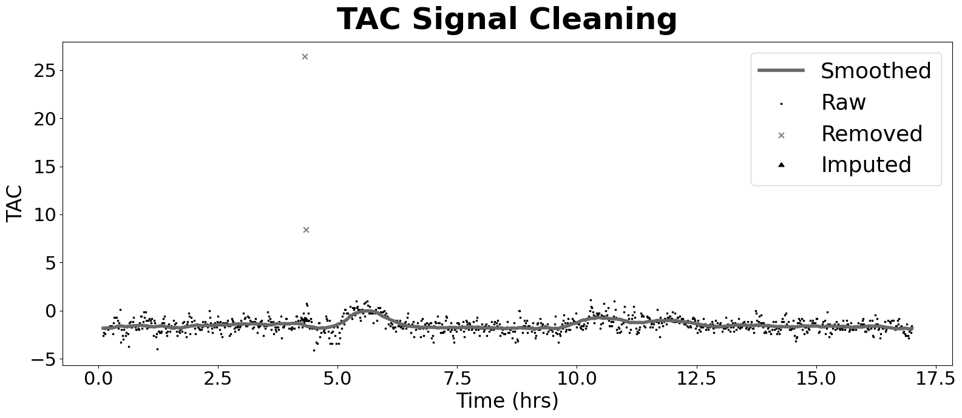
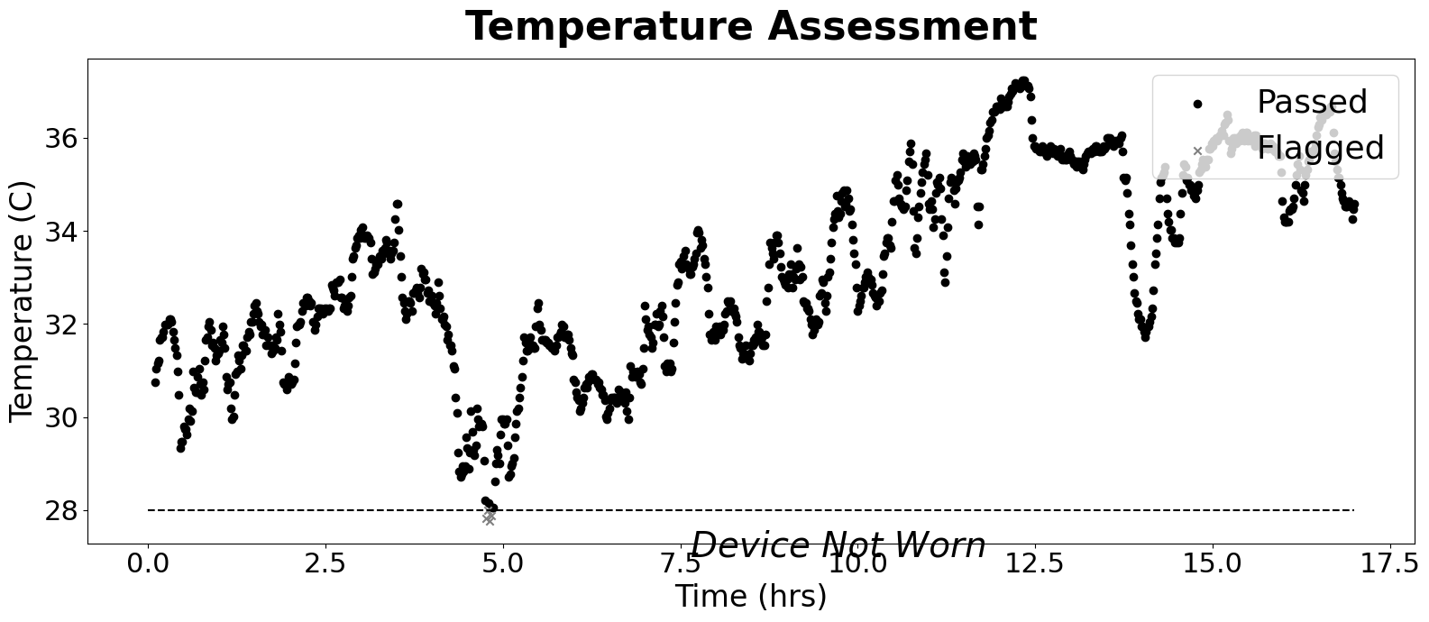
 | Basic Info |  | TAC Dataset: General Stats |  | Curve Features |  | Cleaning Stats
SubID | 5001 | TAC Mean | -1.4717278945 | Peak | -0.017824025121 | TAC Count | 1015
Condition | Non | TAC SD | 0.37990609949 | AUC Total | -149.1956001 | Major Outlier Count | 1
Sub_Condition | 2 | TAC SEM | 0.011924584219 | AUC / Hr | -8.7762117704 | Major Threshold | 0.7
Drink Total | 0 | TAC Count | 1015 | Curve Duration | 3.45 | Minor Outlier Count | 1
Data Cropped? | No | Baseline Mean | -1.8298926724 | Rise Duration | 0.98333333333 | Minor Threshold | 0.5
Prediction (clean) | Non | Baseline SD | 0.016571761892 | Fall Duration | 2.4666666667 | Imputed Count | 2
Correct (clean) | correct | Avg TAC Difference | 0.59222879684 | Rise Rate | -0.018126127242
Prediction (raw) | Non | TAC Alteration % | 62.130177515 | Fall Rate | -0.0072259561301
Correct (raw) | Non | Not Worn % | 0.0039408866995
 |  | Valid Duration | 16.933004926
 |  | Valid % | 0.9960591133
 |  | Valid Occasion | 1

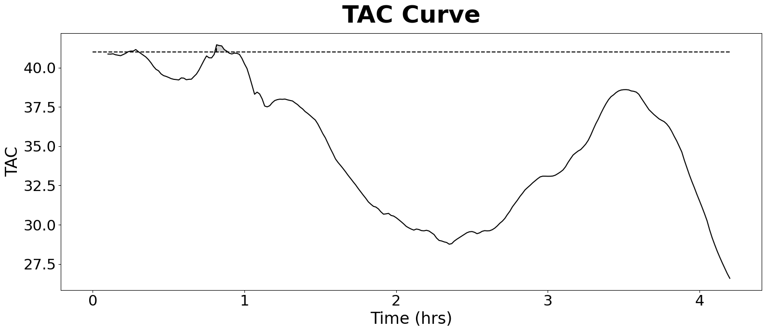
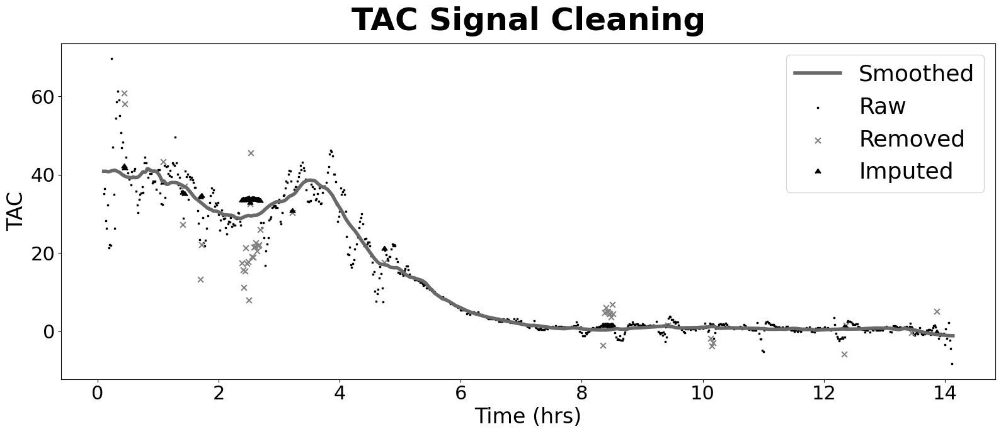
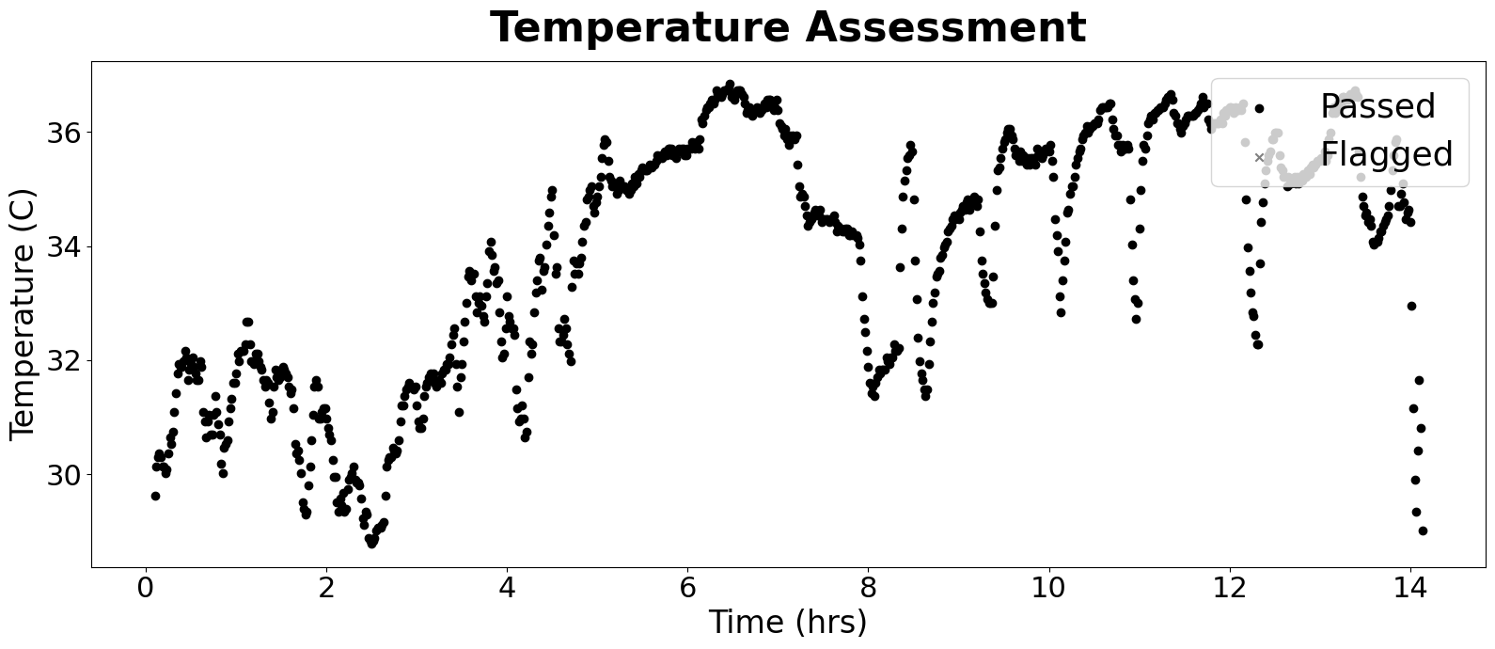
 | Basic Info |  | TAC Dataset: General Stats |  | Curve Features |  | Cleaning Stats
SubID | 5001 | TAC Mean | 12.681920931 | Peak | 41.457283753 | TAC Count | 843
Condition | Non | TAC SD | 15.344900984 | AUC Total | 1067.1011562 | Major Outlier Count | 1
Sub_Condition | 3 | TAC SEM | 0.52850646365 | AUC / Hr | 75.502440301 | Major Threshold | 0.7
Drink Total | 0 | TAC Count | 843 | Curve Duration | 0.1 | Minor Outlier Count | 45
Data Cropped? | No | Baseline Mean | 40.89717774 | Rise Duration | 0.016666666667 | Minor Threshold | 0.5
Prediction (clean) | Non | Baseline SD | 0.10253384093 | Fall Duration | 0.083333333333 | Imputed Count | 46
Correct (clean) | correct | Avg TAC Difference | 1.3688123515 | Rise Rate | 2487.4370252
Prediction (raw) | Non | TAC Alteration % | 52.731591449 | Fall Rate | 497.48740504
Correct (raw) | Non | Not Worn % | 0
 |  | Valid Duration | 14.133333333
 |  | Valid % | 1
 |  | Valid Occasion | 1

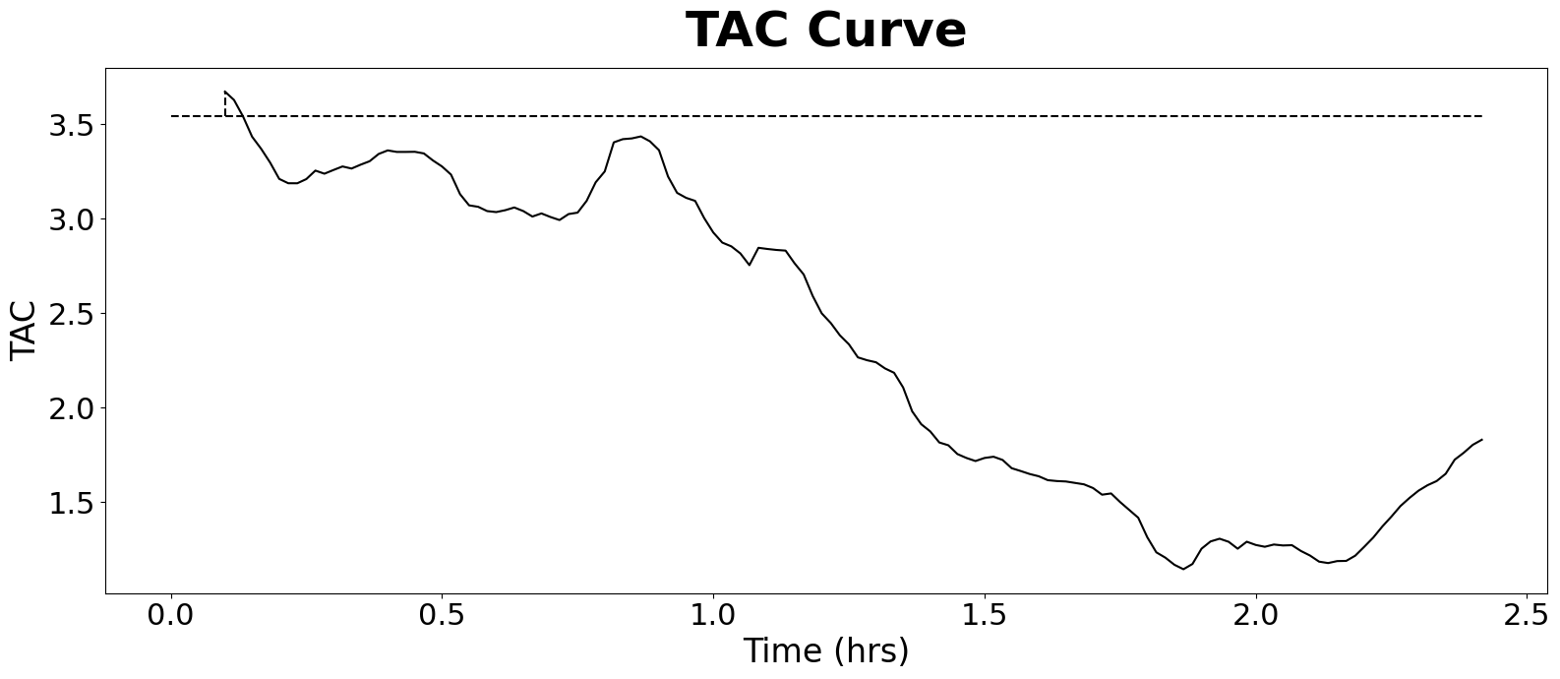
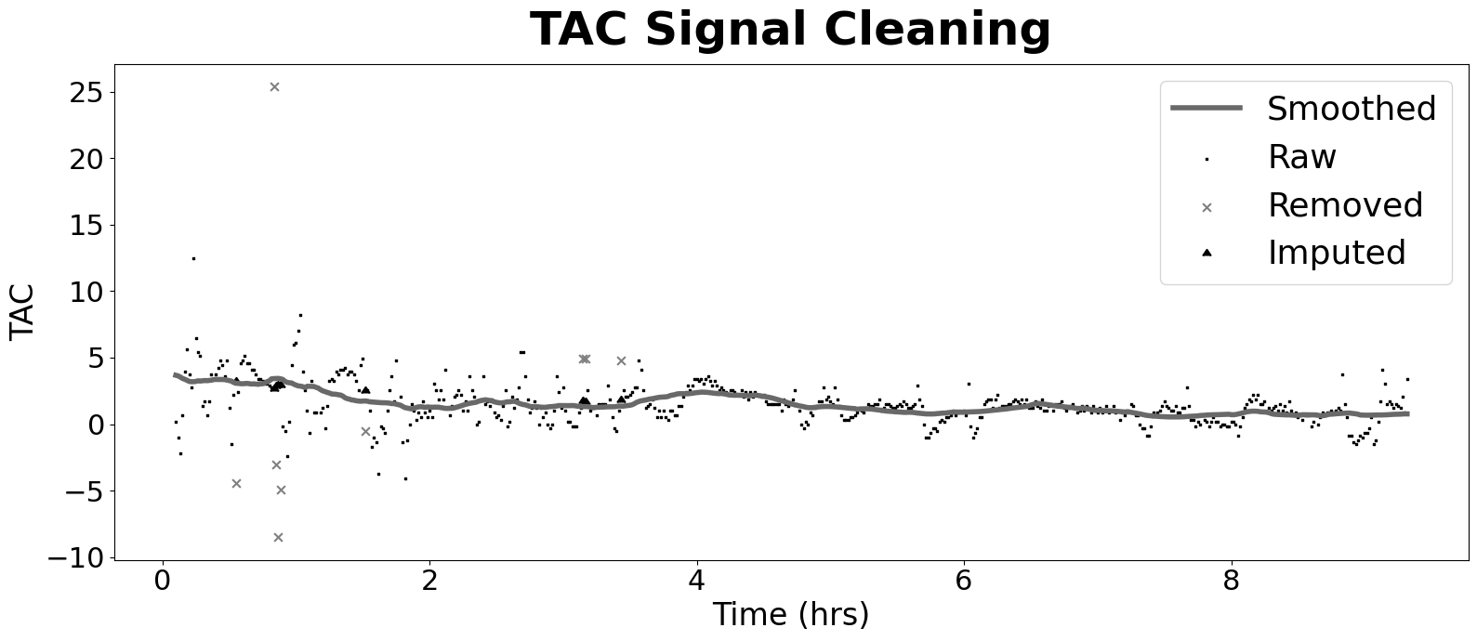
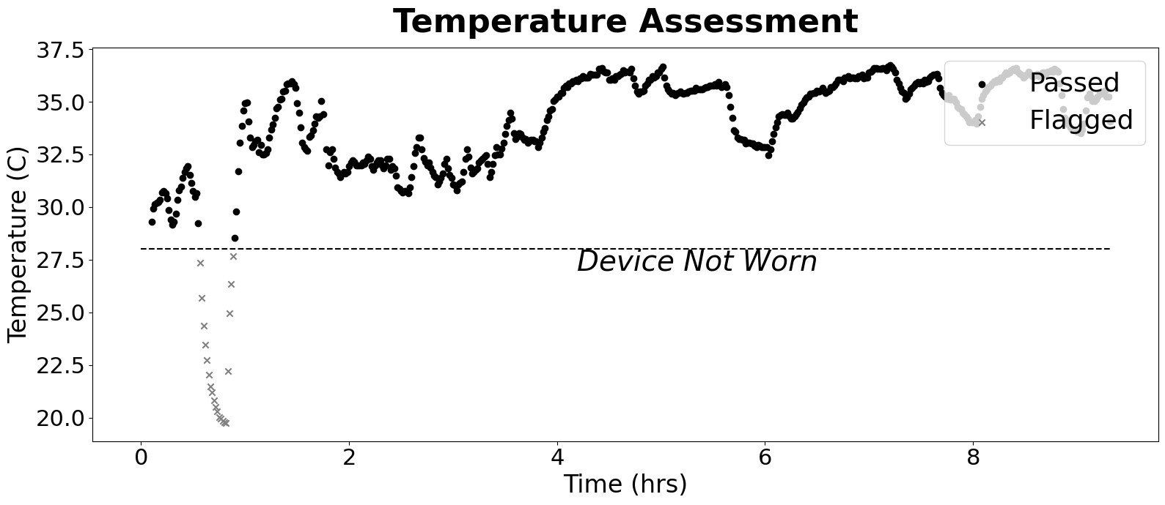
 | Basic Info |  | TAC Dataset: General Stats |  | Curve Features |  | Cleaning Stats
SubID | 5001 | TAC Mean | 1.491005192 | Peak | 3.6720240699 | TAC Count | 553
Condition | Non | TAC SD | 0.77637554346 | AUC Total | 82.230670166 | Major Outlier Count | 1
Sub_Condition | 4 | TAC SEM | 0.033014846364 | AUC / Hr | 8.8261899999 | Major Threshold | 0.7
Drink Total | 0 | TAC Count | 553 | Curve Duration | 2 | Minor Outlier Count | 8
Data Cropped? | No | Baseline Mean | 3.3624698272 | Rise Duration | 1 | Minor Threshold | 0.5
Prediction (clean) | Non | Baseline SD | 0.18095352789 | Fall Duration | 1 | Imputed Count | 9
Correct (clean) | correct | Avg TAC Difference | 0.82880434783 | Rise Rate | 3.6720240699
Prediction (raw) | Non | TAC Alteration % | 54.166666667 | Fall Rate | 3.6720240699
Correct (raw) | Non | Not Worn % | 0.03616636528
 |  | Valid Duration | 8.9797166968
 |  | Valid % | 0.96383363472
 |  | Valid Occasion | 1

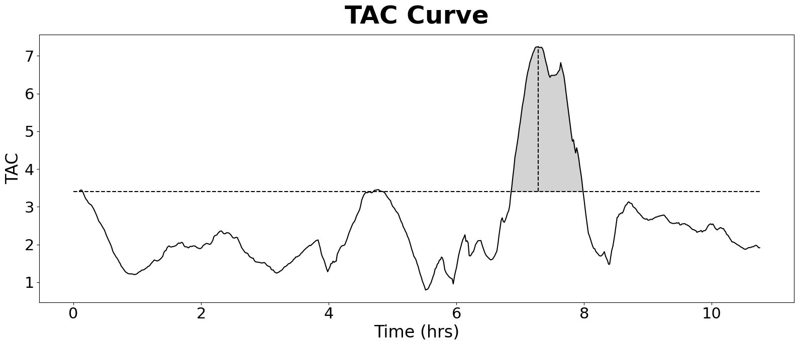
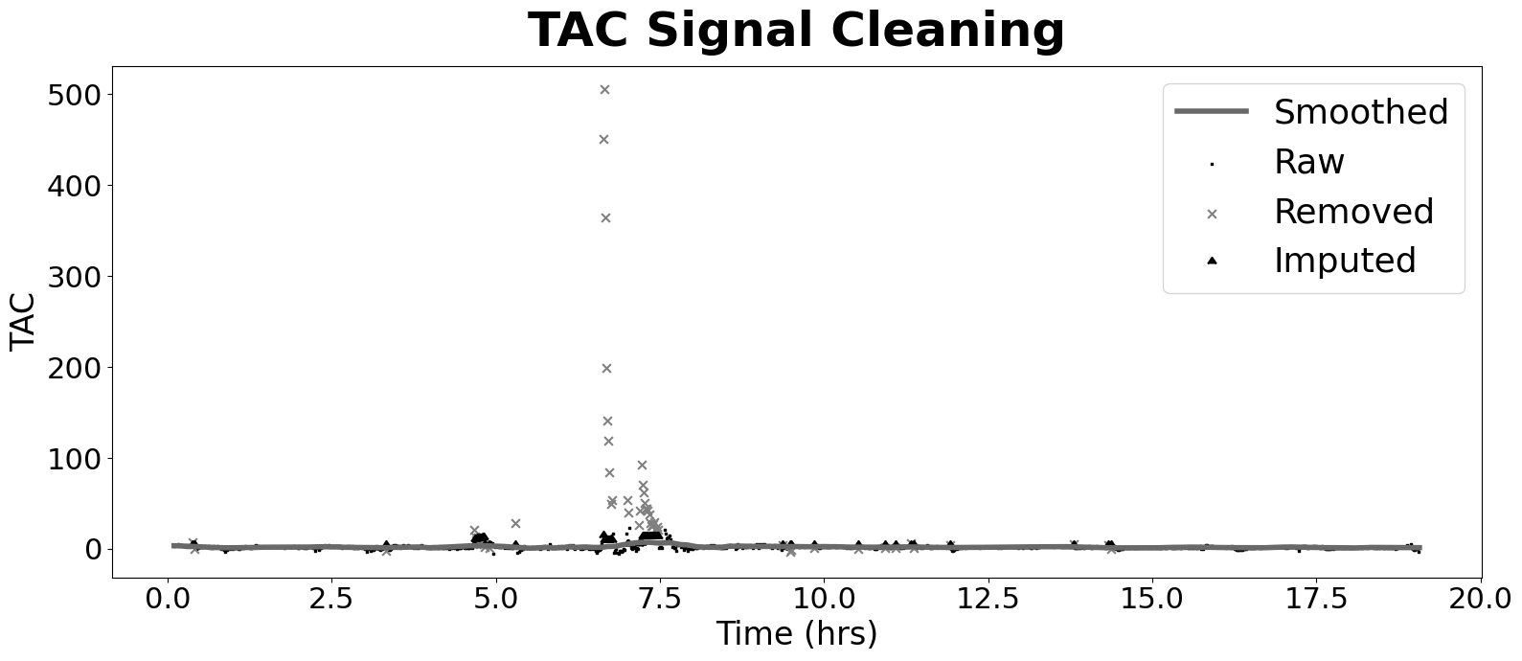
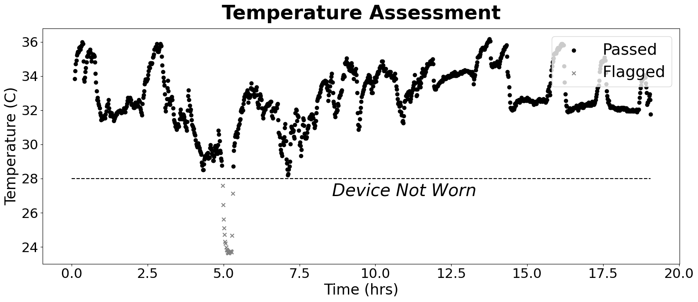
 | Basic Info |  | TAC Dataset: General Stats |  | Curve Features |  | Cleaning Stats
SubID | 5002 | TAC Mean | 2.1428022863 | Peak | 7.2437440579 | TAC Count | 1139
Condition | Non | TAC SD | 1.1175958414 | AUC Total | 243.82631862 | Major Outlier Count | 35
Sub_Condition | 1 | TAC SEM | 0.033114859371 | AUC / Hr | 12.788093634 | Major Threshold | 0.7
Drink Total | 0 | TAC Count | 1139 | Curve Duration | 1.1333333333 | Minor Outlier Count | 24
Data Cropped? | No | Baseline Mean | 3.2611163588 | Rise Duration | 0.43333333333 | Minor Threshold | 0.5
Prediction (clean) | Non | Baseline SD | 0.14821863339 | Fall Duration | 0.7 | Imputed Count | 59
Correct (clean) | correct | Avg TAC Difference | 2.0348418278 | Rise Rate | 16.716332441
Prediction (raw) | Non | TAC Alteration % | 55.711775044 | Fall Rate | 10.348205797
Correct (raw) | Non | Not Worn % | 0.018437225637
 |  | Valid Duration | 18.715130231
 |  | Valid % | 0.98156277436
 |  | Valid Occasion | 1

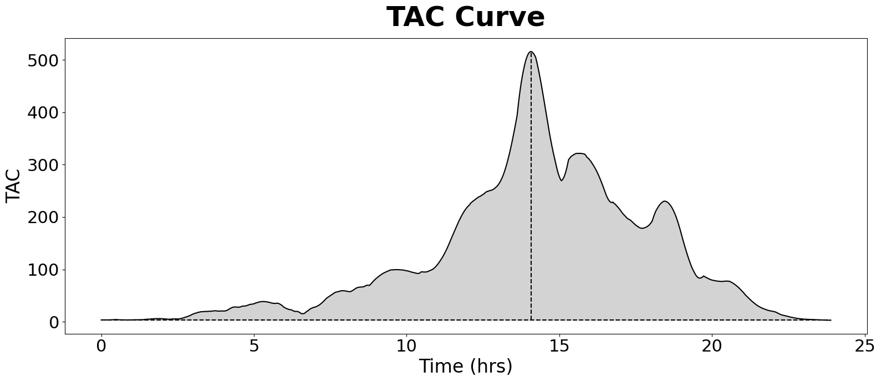
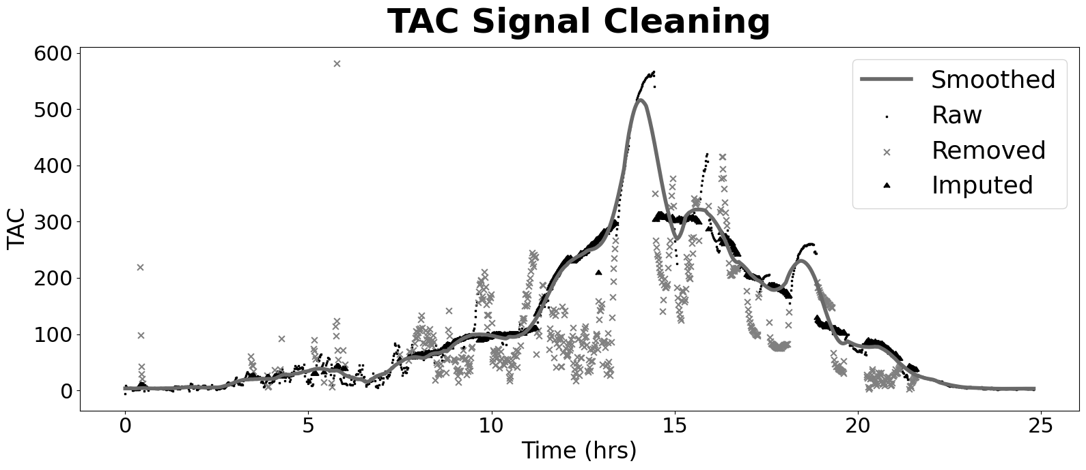
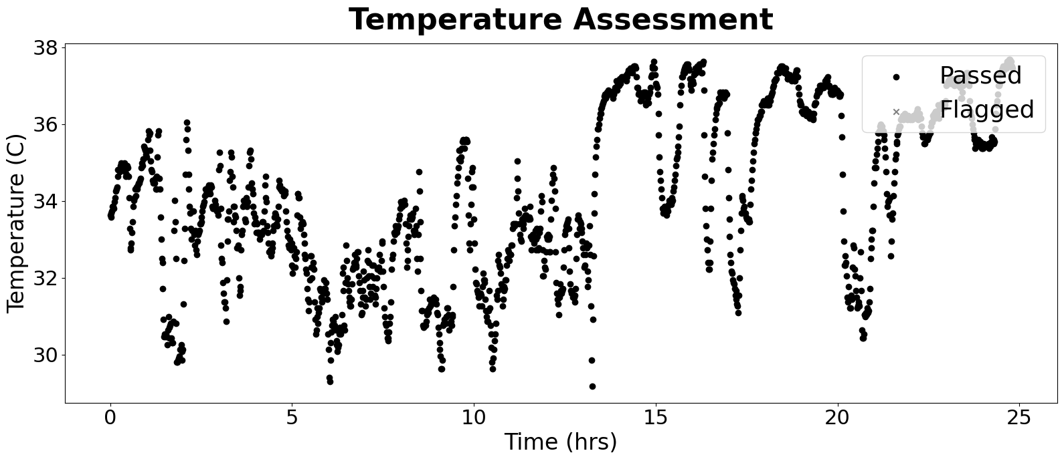
 | Basic Info |  | TAC Dataset: General Stats |  | Curve Features |  | Cleaning Stats
SubID | 5003 | TAC Mean | 113.14994388 | Peak | 516.01940117 | TAC Count | 1489
Condition | Alc | TAC SD | 124.01298377 | AUC Total | 16847.703533 | Major Outlier Count | 103
Sub_Condition | 1 | TAC SEM | 3.2138071154 | AUC / Hr | 679.34288438 | Major Threshold | 0.7
Drink Total | 4 | TAC Count | 1489 | Curve Duration | 22.6 | Minor Outlier Count | 475
Data Cropped? | No | Baseline Mean | 3.4423030291 | Rise Duration | 13.083333333 | Minor Threshold | 0.5
Prediction (clean) | Alc | Baseline SD | 0.02596659372 | Fall Duration | 9.5166666667 | Imputed Count | 578
Correct (clean) | correct | Avg TAC Difference | 9.0196303763 | Rise Rate | 39.440973338
Prediction (raw) | Alc | TAC Alteration % | 41.465053763 | Fall Rate | 54.222704151
Correct (raw) | Alc | Not Worn % | 0
 |  | Valid Duration | 24.8
 |  | Valid % | 1
 |  | Valid Occasion | 1

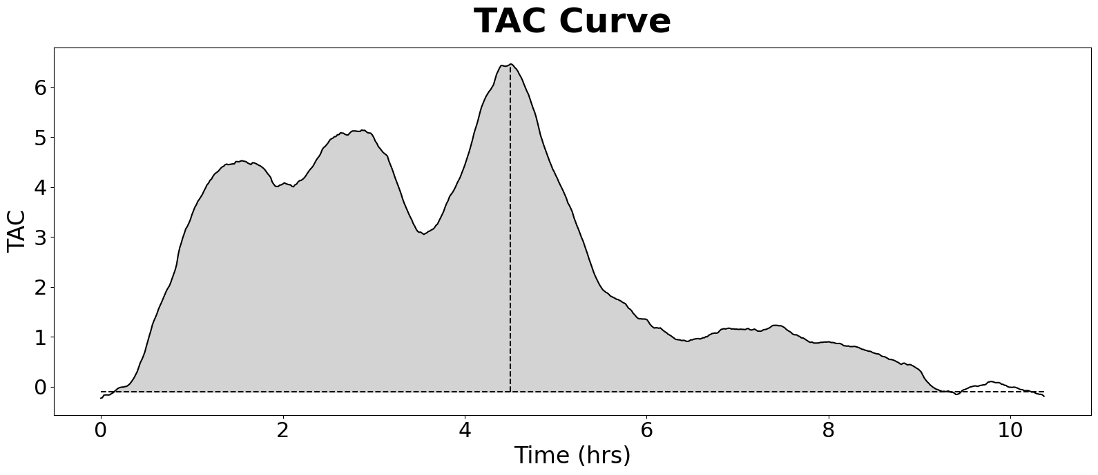
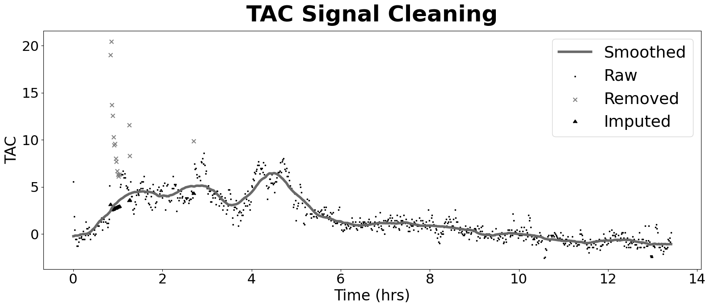
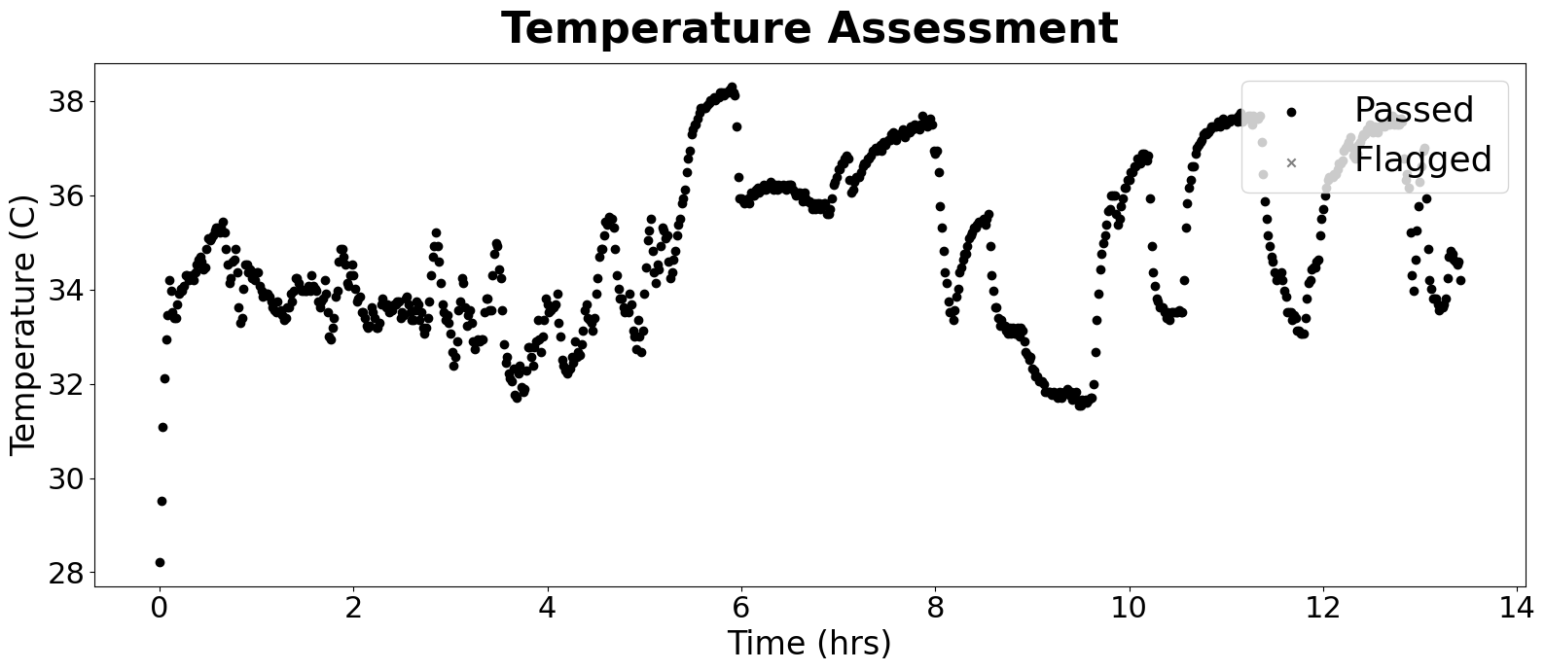
 | Basic Info |  | TAC Dataset: General Stats |  | Curve Features |  | Cleaning Stats
SubID | 5004 | TAC Mean | 1.6546138215 | Peak | 6.4641088381 | TAC Count | 806
Condition | Alc | TAC SD | 2.1845970561 | AUC Total | 133.42711462 | Major Outlier Count | 13
Sub_Condition | 1 | TAC SEM | 0.076949149347 | AUC / Hr | 9.9448781086 | Major Threshold | 0.7
Drink Total | 3 | TAC Count | 806 | Curve Duration | 9.2166666667 | Minor Outlier Count | 3
Data Cropped? | No | Baseline Mean | -0.15694251099 | Rise Duration | 4.3666666667 | Minor Threshold | 0.5
Prediction (clean) | Alc | Baseline SD | 0.048300320106 | Fall Duration | 4.85 | Imputed Count | 16
Correct (clean) | correct | Avg TAC Difference | 0.61144099379 | Rise Rate | 1.4803302683
Prediction (raw) | Non | TAC Alteration % | 60 | Fall Rate | 1.332805946
Correct (raw) | Alc | Not Worn % | 0
 |  | Valid Duration | 13.416666667
 |  | Valid % | 1
 |  | Valid Occasion | 1

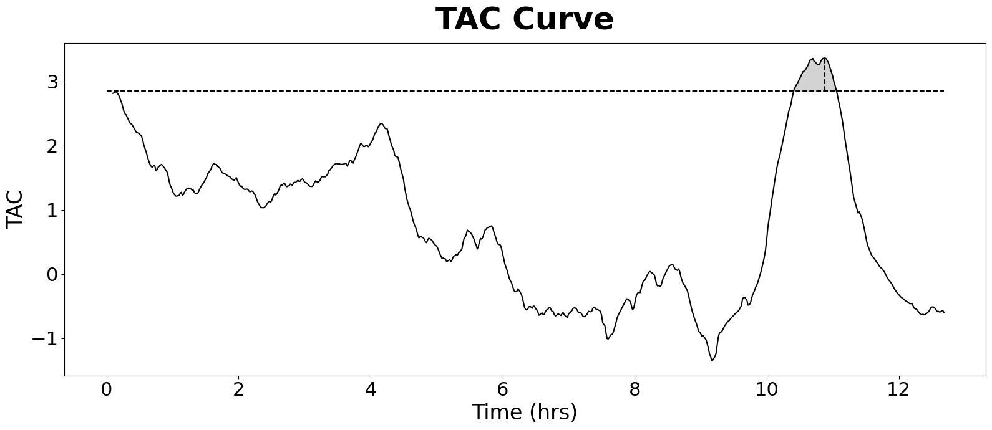
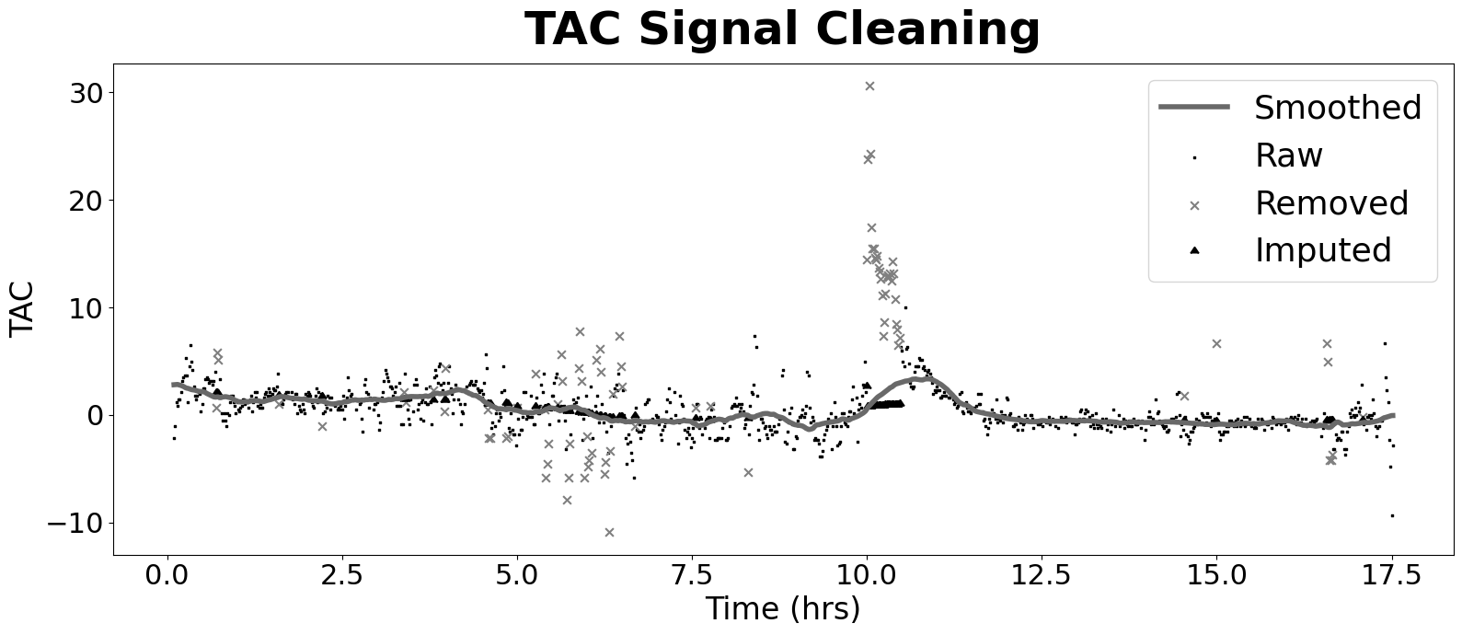
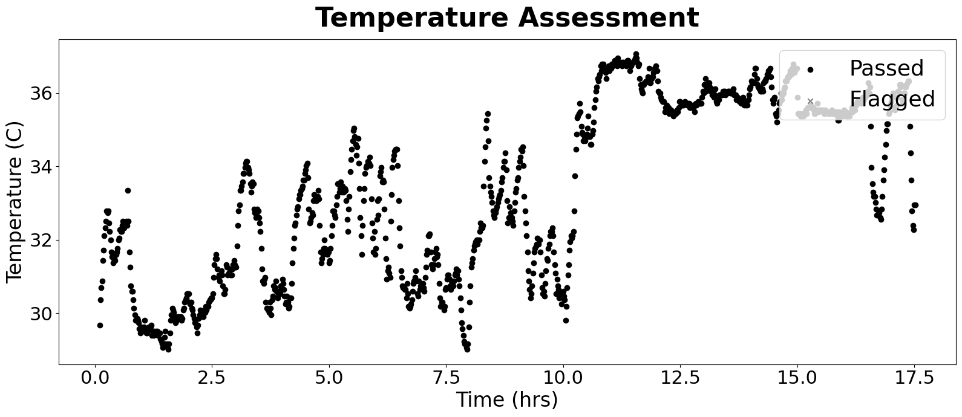
 | Basic Info |  | TAC Dataset: General Stats |  | Curve Features |  | Cleaning Stats
SubID | 5004 | TAC Mean | 0.34550849262 | Peak | 3.3632534756 | TAC Count | 1046
Condition | Non | TAC SD | 1.1981594754 | AUC Total | 36.001785675 | Major Outlier Count | 29
Sub_Condition | 2 | TAC SEM | 0.037046636523 | AUC / Hr | 2.0552874791 | Major Threshold | 0.7
Drink Total | 0 | TAC Count | 1046 | Curve Duration | 0.66666666667 | Minor Outlier Count | 58
Data Cropped? | No | Baseline Mean | 2.740781008 | Rise Duration | 0.48333333333 | Minor Threshold | 0.5
Prediction (clean) | Non | Baseline SD | 0.10579628105 | Fall Duration | 0.18333333333 | Imputed Count | 87
Correct (clean) | correct | Avg TAC Difference | 0.97898564593 | Rise Rate | 6.9584554668
Prediction (raw) | Non | TAC Alteration % | 53.397129187 | Fall Rate | 18.345018958
Correct (raw) | Non | Not Worn % | 0
 |  | Valid Duration | 17.516666667
 |  | Valid % | 1
 |  | Valid Occasion | 1

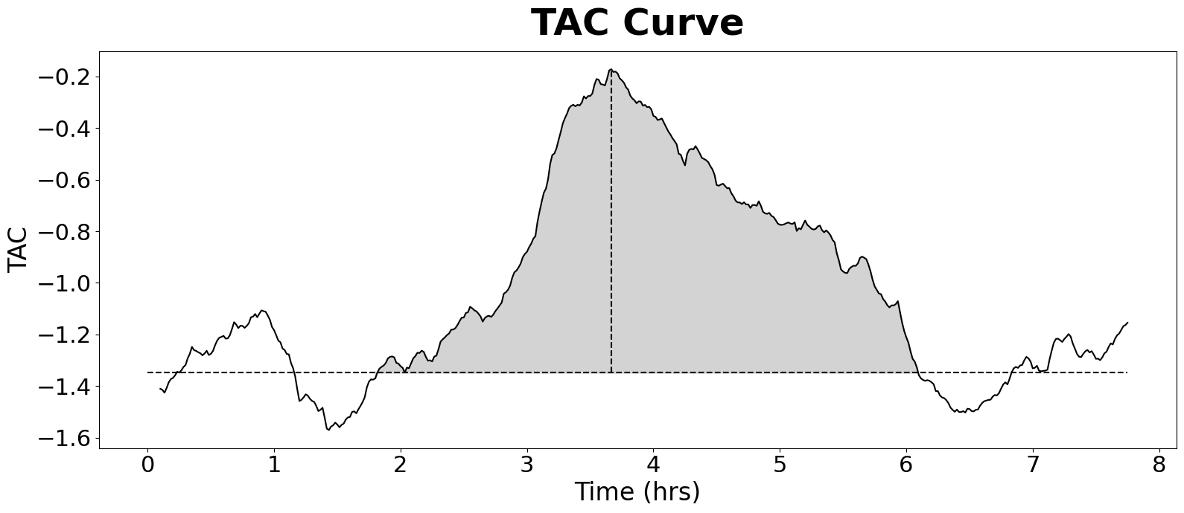
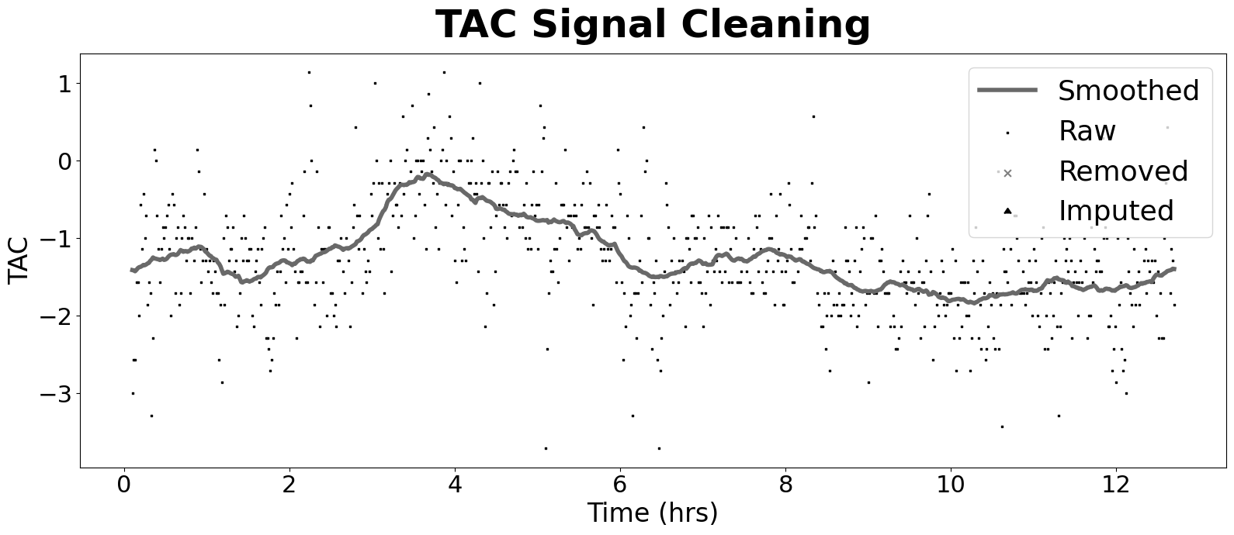
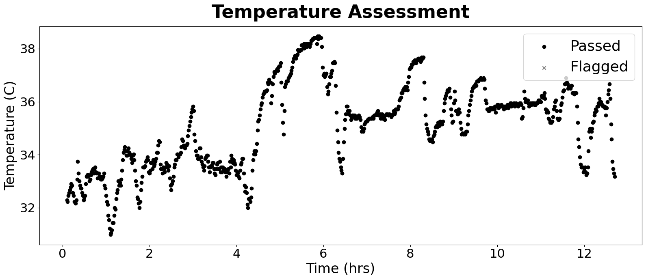
 | Basic Info |  | TAC Dataset: General Stats |  | Curve Features |  | Cleaning Stats
SubID | 5004 | TAC Mean | -1.25091572 | Peak | -0.17215893434 | TAC Count | 757
Condition | Non | TAC SD | 0.4175698697 | AUC Total | -94.554 | Major Outlier Count | 0
Sub_Condition | 3 | TAC SEM | 0.01517683506 | AUC / Hr | -7.4451968504 | Major Threshold | 0.7
Drink Total | 0 | TAC Count | 757 | Curve Duration | 4.3 | Minor Outlier Count | 0
Data Cropped? | No | Baseline Mean | -1.3793163818 | Rise Duration | 1.8666666667 | Minor Threshold | 0.5
Prediction (clean) | Non | Baseline SD | 0.031096660259 | Fall Duration | 2.4333333333 | Imputed Count | 0
Correct (clean) | correct | Avg TAC Difference | 0.50989417989 | Rise Rate | -0.092228000539
Prediction (raw) | Non | TAC Alteration % | 62.037037037 | Fall Rate | -0.070750246989
Correct (raw) | Non | Not Worn % | 0
 |  | Valid Duration | 12.7
 |  | Valid % | 1
 |  | Valid Occasion | 1

