Summary
Jev SEO audit: 119.91.205.130
Audited 2026-10-12T13:18:00+00:00 · 60 URLs crawled · 60 HTML pages · Jev jev-1.13.0
Score by area
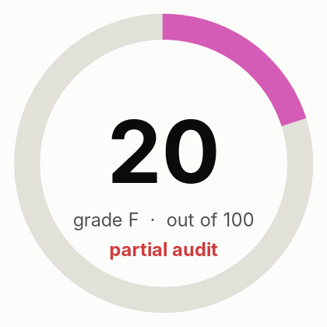
Overall score | 20
Grade | F (partial audit)
Jev cost (USD) | $0.0002
DataForSEO cost (USD) | not used

Area | Score | Weight | How it is scored
Crawl and indexing | 65 | 20 | Rules only
On-page | 95 | 15 | Rules only
Content quality | 70 | 20 | 70% Jev judgment (helpfulness, specificity, trust), 30% rules
Links and architecture | 100 | 10 | Rules only
Structured data and sharing | 93 | 8 | Rules only
AI search readiness | 88 | 12 | 70% Jev judgment (citability, answer-first, entity clarity), 30% rules; editorial heuristics, since Google states no special optimization is required for AI features
Performance | 98 | 10 | Crawl observations only: PageSpeed Insights unavailable
Security and trust | 88 | 5 | Rules only
Search visibility and authority |  | 15 | Not assessed: run with --full (DataForSEO)
Action status
Live status counts (from the Actions sheet)
to_do
in_progress
done
deferred
not_applicable

Open actions by priority
P1
P2
P3
Total actions

Charts
