Fundraising Events
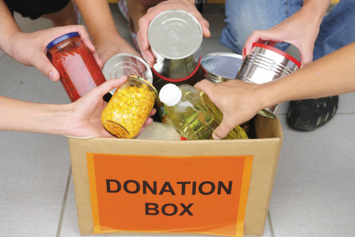
Fundraising Report

FUNDRAISING EVENTS

EVENT NAME | EVENT DATE | CONTACT | FUNDS NEEDED | FUNDS RAISED | % of GOAL | EVENT TYPE
Winter Carnival | 2012-01-21 | Walter Harp | $75,000.00 | $82,000.00 | 109% | Fundraising
Spring Banquet | 2012-04-20 | Johnson Apacible | $90,000.00 | $84,250.00 | 94% | Fundraising
Strike Out Hunger | 2012-06-23 | Toni Poe | $120,000.00 | $124,750.00 | 104% | Fundraising
Summer Collection Drive | 8/11 - 8/18 | Sharon Salavaria | $10,000.00 | $11,200.00 | 112% | Collection
Community Hunger Seminar | 2012-10-08 | Stuart Munson | $10,000.00 | $12,500.00 | 125% | Education
Winter Food Drive | 12/1 - 12/15 | Barbara Zighetti | $15,000.00 | $18,500.00 | 123% | Collection
TOTALS | 6 |  | $320,000.00 | $333,200.00 | 111%
GREAT WORK!

