week5pract quiz
1 | Which of the following is true?
 | 0 / 1 point
 | If both {x} and {Y} are correlated, then {Y}-> {X} is a strong association rule.
 | If {X} ->{Y} is an association rule, then {x} and {Y} are positively correlated
 | If {X} ->{Y} is an association rule, then {x} and {Y} are at least not negatively correlated
 | Association does not imply correlation
 | If both {X} ->{Y} and {Y}-> {X} are association rules, then{x} and {Y} are positively correlated

2 | Consider the following table of market basket transactions for five customers and two transactions per each. Compute the support for itemset {a,e} by treating each transaction ID as a market basket.
 | 1 / 1 point
 | 0.6

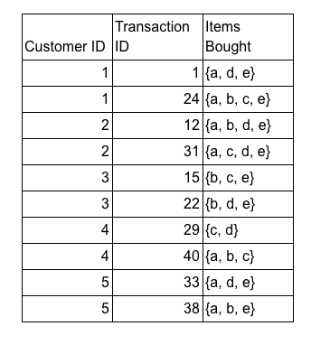

3 | Consider the following table of market basket transactions for five customers and two transactions per each. Compute the confidence for the association rules {a, e} -> {d}, by treating each transaction ID as a market basket.
 | confidence = support(aed) / support(ae) |  |  |  | confidence({a, e} -> {d}) = support({a, e, d}) / support({a, e})
 |  | aed | 0.4 | 0.66666666667
 |  | ae | 0.6

4 | Consider the following table of market basket transactions for five customers and two transactions per each. Compute the support for the association rules {b, c} -> {e}by treating each customer ID as a market basket.
 | 0.6

 |  |  |  |  |  |  |  |  | What does the apriori algorithm tell us? (select all that apply)
5 | Consider the following table of market basket transactions for five customers and two transactions per each. Which rule has confidence of zero? |  |  |  |  |  |  |  |  | Superset of itemsets that are not frequent are not frequent
 | {a,c,d} -> {b,e} |  |  |  |  |  |  |  |  | Subsets of itemsets that are frequent are frequent
 | D: {c,e} -> {a,d}
 | C: {d} -> {a,e}
 | {a} -> {b,c}

6 | Association rule is symmetric, which means confidence of rules A->B and B->A are the same.
 | 1 / 1 point |  |  |  |  |  |  |  |  |  |  | {a, e} -> {d}?
 | TRUE |  |  |  |  |  |  |  |  |  |  | aed | 0.4
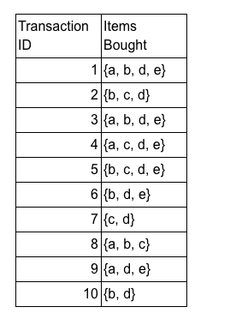
 | FALSE |  |  |  |  |  |  |  |  |  |  | ae
 | Correct |  |  |  |  | {a, b, c} | 1
 | Correct! While support does not change, confidence of the two rules are not necessarily equal. |  |  |  |  | {a, b, d} | 2
 |  |  |  |  |  | {a, b, e} | 2 |  |  |  | 1 | 1
 |  |  |  |  |  | {a, c, d} | 1
7 | Question 7 |  |  |  |  | {a, c, e} | 1 |  |  |  | 1 | 1
 | If itemset {a,r,t,y,z} is frequent, what can we say about itemset {r,z}? |  |  |  |  | {a, d, e} | 4 |  |  |  | 1 | 1
 | 1 / 1 point |  |  |  |  | {b, c, d} | 2
 | frequent |  |  |  |  | {b, c, e} | 1
 | Infrequent |  |  |  |  | {b, d, e} | 4
 | Confident |  |  |  |  | {c, d, e} | 2
 | Not Confident |  |  |  |  |  |  |  |  |  | 1 | 1
 | Correct
 | Correct! Based on apriori principle subset of frequent sets are also frequent.

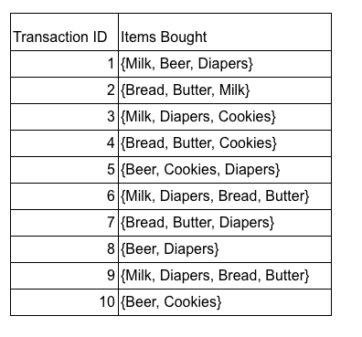
8 | What is the confidence for the rules A ->{}? ({} is the empty itemset)
 | 1 / 1 point
 | 0
 | 0.75
 | 1
 | 0.5
 | Correct |  |  |  |  |  |  |  |  |  | 1

9 | Which aspects impact the complexity of rule mining for a dataset?
 | 1 / 1 point
 | Noise and Outliers |  |  |  |  |  |  |  |  |  | 1
 | Size of dataset
 | Correct
 | Correct! More number of transactions means more processing.
 | min support threshold
 | Correct
 | Correct! The smaller the threshold, the more frequent itemsets we need to process.
 | Class labels

10 |  |  |  |  |  |  |  | 2
 | Which are some of the challenges of generating frequent itemsets?
 | 1 / 1 point |  |  |  |  |  |  | 3
 | Itemset ordering
 | Finding initial itemsets to start with
 | Generating unnecessary itemsets
 | Correct
 | Correct! In generating larger itemsets we need to avoid itemsets that are superset of infrequent itemsets.
 | Generating same itemset more than once.

