Figures
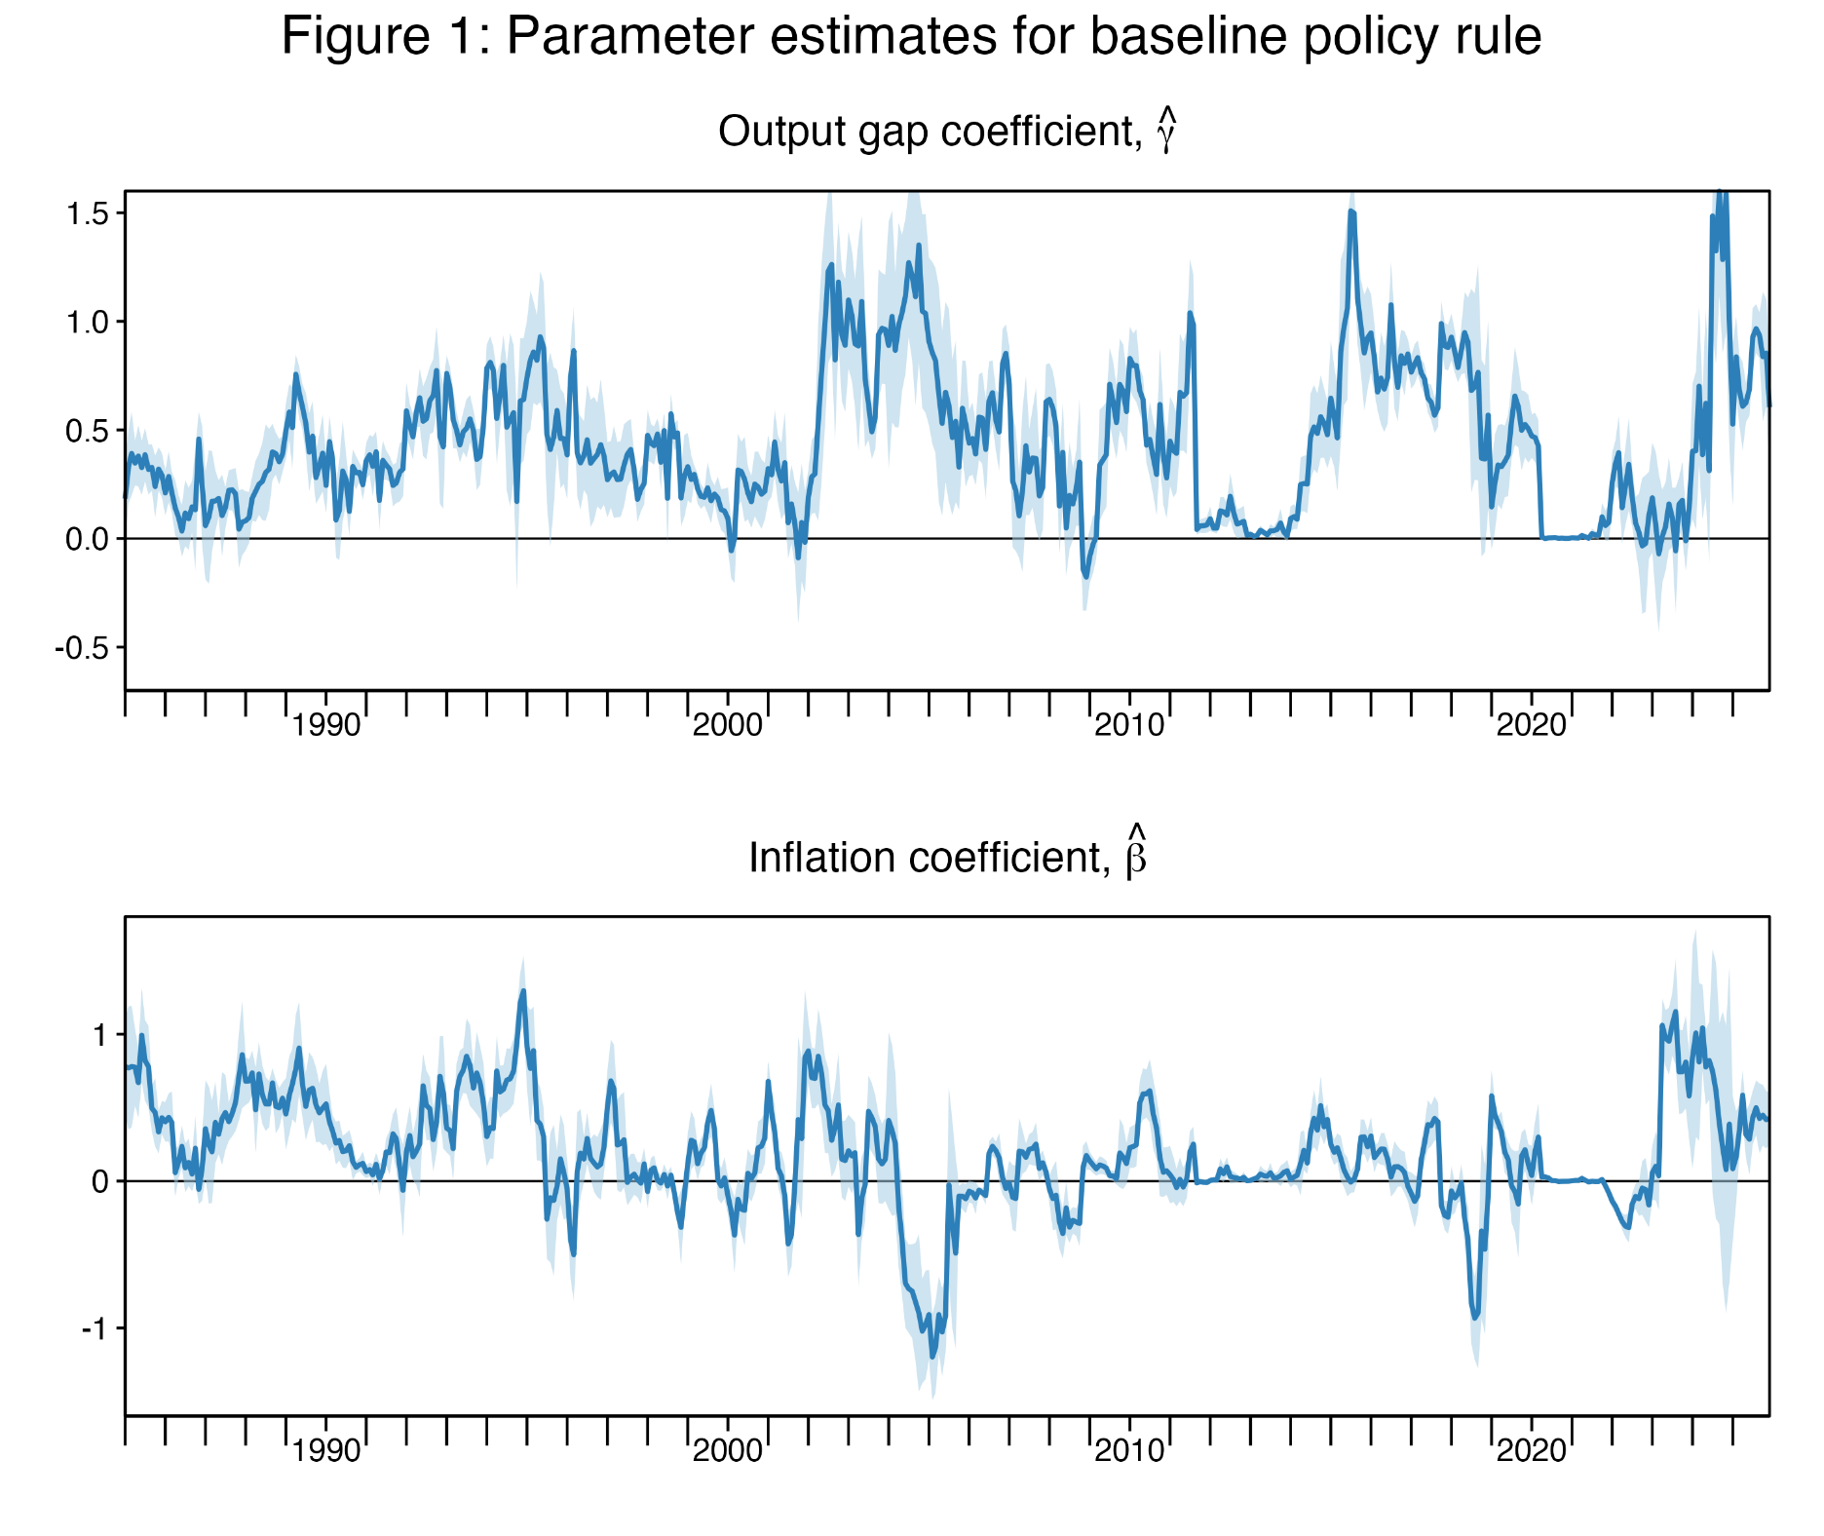
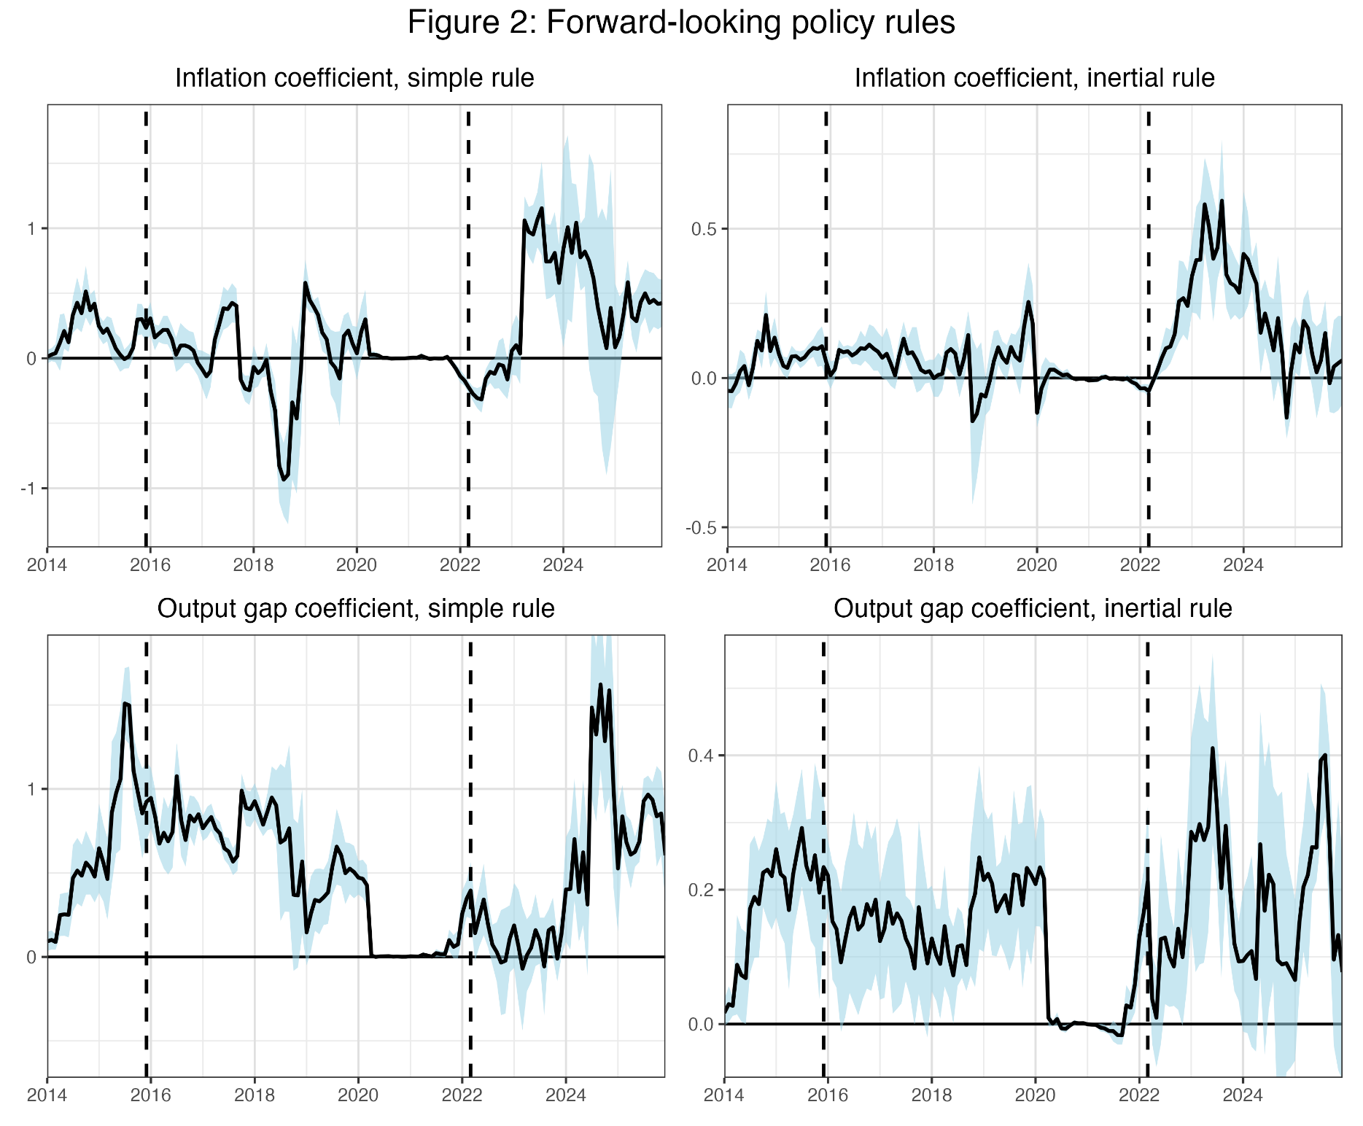

Figure 1 from Bauer, Pflueger, and Sunderam (2024, QJE), updated January 2026 | Figure 2 from Bauer, Pflueger, and Sunderam (2025, Jackson Hole), updated January 2026

CPI_responses
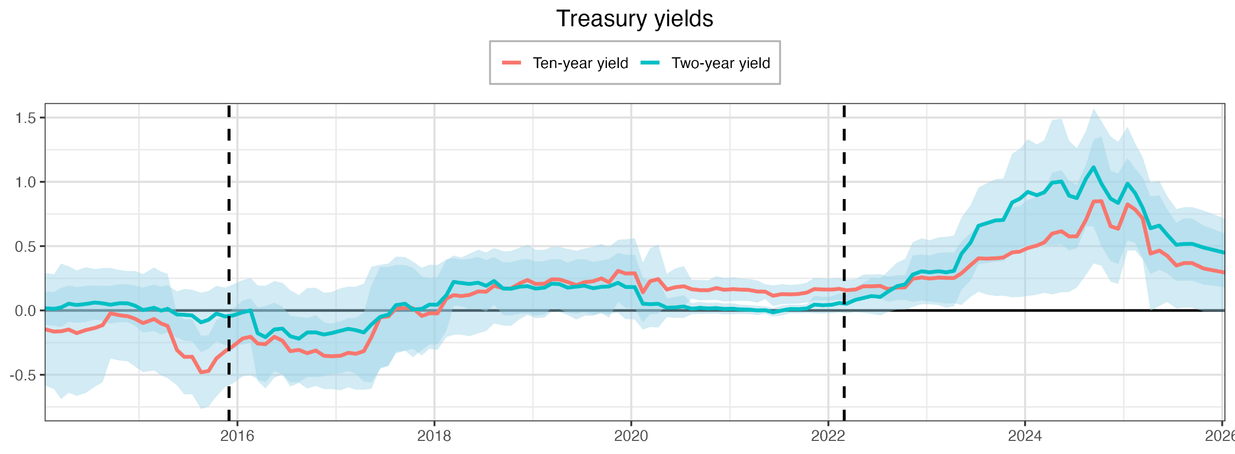
date | y1 | y2 | y5 | y10 | y1SE | y2SE | y5SE | y10SE
2014-01-16 | -0.019375385442 | 0.017254293349 | -0.058685435983 | -0.14544958258 | 0.034087683907 | 0.065249226854 | 0.14968212723 | 0.22314974375
2014-02-20 | -0.033082810585 | 0.012469106752 | -0.075818492038 | -0.16498779882 | 0.035133540546 | 0.066666253418 | 0.15614509969 | 0.22780075627
2014-03-18 | -0.034392196515 | 0.02329697741 | -0.054204225829 | -0.16218258561 | 0.040103277333 | 0.077055844453 | 0.17741150482 | 0.26862637373
2014-04-15 | -0.014765185716 | 0.05245680454 | -0.017894032379 | -0.14821115972 | 0.037992894761 | 0.071683512395 | 0.16209533579 | 0.25090198245
2014-05-15 | -0.021185044619 | 0.042201662358 | -0.03967728567 | -0.17645352899 | 0.037123295832 | 0.071080988816 | 0.15908428198 | 0.24862702076
2014-06-17 | -0.019366769883 | 0.050206251731 | -0.014250162387 | -0.15293154079 | 0.036602712935 | 0.071437418964 | 0.15880188943 | 0.24938344659
2014-07-22 | -0.020499358905 | 0.061762257329 | 0.0040304163133 | -0.13559568646 | 0.035817996806 | 0.06751408505 | 0.14943180674 | 0.23315306291
2014-08-19 | -0.023728938626 | 0.055345153717 | 0.018440336016 | -0.11430915868 | 0.035698042765 | 0.068955734062 | 0.14535698852 | 0.22632709943
2014-09-17 | -0.006428802786 | 0.044629483165 | 0.041669646031 | -0.022170195287 | 0.035367012337 | 0.074805810974 | 0.13280517084 | 0.17939054711
2014-10-22 | 0.0018790884351 | 0.056463931588 | 0.035718632093 | -0.037951997163 | 0.034755258766 | 0.075085001362 | 0.13338189918 | 0.17937712921
2014-11-20 | 0.0012317272527 | 0.055220681522 | 0.028193916568 | -0.04475425678 | 0.034576670644 | 0.074947829024 | 0.13365237573 | 0.17907964885
2014-12-17 | -0.0055811959886 | 0.037305766833 | 0.014125290617 | -0.064409705453 | 0.033971144603 | 0.079443722469 | 0.14052301603 | 0.18937990701
2015-01-16 | -0.013763613528 | 0.0027619201294 | -0.034095776343 | -0.098299679616 | 0.034362325711 | 0.089043443293 | 0.15298724107 | 0.19459289281
2015-02-26 | -0.0047049507096 | 0.020695716252 | -0.0064510852443 | -0.066739635131 | 0.034985771181 | 0.091681497254 | 0.16029219653 | 0.20418435325
2015-03-24 | -0.0053966019947 | -0.0017006840396 | -0.045048142486 | -0.10132686474 | 0.03328475659 | 0.095007901436 | 0.16430264926 | 0.20547361314
2015-04-17 | 0.015095895362 | 0.012739579385 | -0.046470414079 | -0.12039028216 | 0.030814976629 | 0.093040813434 | 0.16185415607 | 0.20716675151
2015-05-22 | 0.028672864758 | -0.031778514716 | -0.15857901767 | -0.30844970345 | 0.036701147649 | 0.091857165964 | 0.13108774423 | 0.13990274204
2015-06-18 | 0.040426556956 | -0.033821724901 | -0.18815326993 | -0.36096904475 | 0.041103405075 | 0.10255357505 | 0.14193530711 | 0.14885605167
2015-07-17 | 0.034751051872 | -0.039419871255 | -0.2047942901 | -0.35998369993 | 0.040846196265 | 0.10198622245 | 0.13989539664 | 0.14880849413
2015-08-19 | 0.010830955402 | -0.09274449092 | -0.32481788675 | -0.48107704014 | 0.047878637562 | 0.11795146276 | 0.15178264161 | 0.1453190646
2015-09-16 | 0.022335030188 | -0.072571510638 | -0.30069922767 | -0.47083321174 | 0.046507488494 | 0.11405904562 | 0.14820740576 | 0.1413520416 | Figure 4, Panel A, from Bauer, Pflueger, Sunderam (2025, Jackson Hole), updated January 2026
2015-10-15 | 0.033242484006 | -0.024253052086 | -0.22516861416 | -0.37282077986 | 0.042156798161 | 0.10972994641 | 0.14463049224 | 0.15077414499
2015-11-17 | 0.015984995972 | -0.046880917482 | -0.22941850992 | -0.31635333632 | 0.040935296027 | 0.11424769518 | 0.14960297319 | 0.1420738995
2015-12-15 | 0.0067169664764 | -0.039645974657 | -0.18899384696 | -0.27915861924 | 0.044457466538 | 0.12290783961 | 0.15379015835 | 0.14778989727
2016-01-20 | 0.047820629649 | -0.014385286308 | -0.13328765524 | -0.21883263548 | 0.047104718142 | 0.1274329766 | 0.15864654777 | 0.15008407399
2016-02-19 | 0.058311654367 | 3.03E-04 | -0.10905781269 | -0.20400850096 | 0.048416895086 | 0.12825123085 | 0.16006876987 | 0.15182716469
2016-03-16 | -0.0084761200518 | -0.17692242586 | -0.26112090607 | -0.25750821122 | 0.081564840897 | 0.18948816704 | 0.19061447708 | 0.1420488289
2016-04-14 | -0.024470443135 | -0.20765776367 | -0.2967035664 | -0.26240081145 | 0.085966075152 | 0.2035966137 | 0.2040359974 | 0.15081028791
2016-05-17 | 5.01E-04 | -0.14752734009 | -0.22622927771 | -0.20479240658 | 0.080883647125 | 0.19154102614 | 0.19075236896 | 0.13505956541
2016-06-16 | 0.010463325249 | -0.14132482367 | -0.23485798419 | -0.23505429275 | 0.077660977736 | 0.18172872442 | 0.18269743773 | 0.13430250304
2016-07-15 | 0.01973697125 | -0.20042227883 | -0.31610837456 | -0.31677684796 | 0.081323413094 | 0.18268239409 | 0.18184759567 | 0.14056795419
2016-08-16 | 0.010204424149 | -0.21934475953 | -0.30342625735 | -0.30672221096 | 0.077387808529 | 0.17271973419 | 0.17113347487 | 0.13084652372
2016-09-16 | 0.0097230042553 | -0.17144073552 | -0.28983814044 | -0.33229170062 | 0.08148676581 | 0.17631130992 | 0.17715945265 | 0.13989232443
2016-10-18 | 0.001966573445 | -0.17074979836 | -0.26716314231 | -0.31158564292 | 0.080621579525 | 0.1767281143 | 0.17810511326 | 0.14037775257
2016-11-17 | -0.010674392535 | -0.18730584641 | -0.27774025882 | -0.35251033304 | 0.074046271533 | 0.16565634233 | 0.16359237674 | 0.13219858182
2016-12-15 | 0.0066739209172 | -0.17615285481 | -0.29550691136 | -0.3565870868 | 0.072948412799 | 0.16239411587 | 0.16394807184 | 0.1299301834
2017-01-18 | 0.01459408786 | -0.15784130496 | -0.27655306078 | -0.35224712664 | 0.07700984011 | 0.16845145739 | 0.16947445238 | 0.13704975185
2017-02-15 | 0.021653453598 | -0.1428177039 | -0.25591832587 | -0.32923371229 | 0.077078123902 | 0.1672800179 | 0.16839407904 | 0.13695791881
2017-03-15 | 0.0099127290004 | -0.15315725465 | -0.26845891214 | -0.33708369364 | 0.079087061151 | 0.17210040954 | 0.17524153352 | 0.14234719949
2017-04-14 | -0.0064757318591 | -0.17124608242 | -0.27898236757 | -0.31638803779 | 0.086072490245 | 0.19399046877 | 0.19655345384 | 0.15287736925
2017-05-12 | -6.12E-04 | -0.10936448665 | -0.16764032785 | -0.20756202884 | 0.090027762558 | 0.22932844468 | 0.2553376012 | 0.20506868483
2017-06-14 | 0.020925956724 | -0.049201182189 | -0.042880020434 | -0.053007376721 | 0.081579523451 | 0.20638646787 | 0.23203140421 | 0.19983071117
2017-07-14 | 0.025214590025 | -0.033092798133 | -0.026654378885 | -0.046980670998 | 0.080527023968 | 0.20265132588 | 0.22649036939 | 0.19608056817
2017-08-11 | 0.042147227747 | 0.041364121804 | 0.076718498076 | 0.016076997825 | 0.077186328827 | 0.19222575486 | 0.20647348513 | 0.17224295856
2017-09-14 | 0.048978270939 | 0.05215651987 | 0.082390549891 | 0.018784049528 | 0.074348995216 | 0.18528553946 | 0.20081583896 | 0.16974098109
2017-10-13 | 0.049148092551 | 0.0078741749838 | 0.070433088486 | 0.018294023378 | 0.079369038515 | 0.18977105487 | 0.19855579655 | 0.16066221492
2017-11-15 | 0.048017749351 | 0.012108159727 | 0.0357721314 | -0.043019016656 | 0.067220384075 | 0.16320545684 | 0.17524179757 | 0.15674941183
2017-12-13 | 0.053388775427 | 0.045487381173 | 0.069431093104 | -0.022064512346 | 0.065183808666 | 0.15817659058 | 0.16361567459 | 0.14033802416
2018-01-12 | 0.052418641003 | 0.04453104048 | 0.074069432599 | -0.02308485656 | 0.065721996444 | 0.15764571848 | 0.16755220787 | 0.14492391341
2018-02-14 | 0.08776535234 | 0.11818544019 | 0.20634128886 | 0.092081143953 | 0.058713932053 | 0.14213265039 | 0.175933492 | 0.15283286711
2018-03-13 | 0.13176358029 | 0.22213403826 | 0.29591644469 | 0.11882093843 | 0.035773569638 | 0.093500812196 | 0.15077132953 | 0.15691941667
2018-04-11 | 0.12890781373 | 0.21346369627 | 0.28773896708 | 0.11180566709 | 0.034912848752 | 0.092841506912 | 0.1476335504 | 0.15326827853
2018-05-10 | 0.12597199504 | 0.20625919407 | 0.28485853264 | 0.12011441234 | 0.038630594965 | 0.099154585436 | 0.15929898742 | 0.16328912053
2018-06-12 | 0.12070581134 | 0.21555403232 | 0.30099863414 | 0.14736656145 | 0.041685592799 | 0.10231226542 | 0.16444155382 | 0.16578014937
2018-07-12 | 0.084443600075 | 0.19161919768 | 0.27947931103 | 0.14530252982 | 0.054419946868 | 0.10174898541 | 0.15988464626 | 0.15568407635
2018-08-10 | 0.10111207968 | 0.22881397331 | 0.31746686741 | 0.19213399404 | 0.052425719004 | 0.094411206178 | 0.15290614628 | 0.1495325907
2018-09-13 | 0.092744714604 | 0.16993603341 | 0.28046490714 | 0.17169712903 | 0.049849875028 | 0.10406262082 | 0.1561344574 | 0.14740791642
2018-10-11 | 0.091339734301 | 0.16809227252 | 0.28049928341 | 0.17035927957 | 0.050609020332 | 0.1056594897 | 0.1570441844 | 0.14859145901
2018-11-14 | 0.098608311224 | 0.18525362468 | 0.30592696285 | 0.21111631734 | 0.050781364903 | 0.10665402449 | 0.15504767891 | 0.1417673578
2018-12-12 | 0.098394556816 | 0.18869275328 | 0.33339826609 | 0.2365752466 | 0.050378422245 | 0.10756001376 | 0.15203389913 | 0.13863343603
2019-01-11 | 0.086957327024 | 0.1700175217 | 0.28717205949 | 0.20595458672 | 0.050463612912 | 0.10703642408 | 0.15487124818 | 0.13584889877
2019-02-13 | 0.080293089785 | 0.17709183414 | 0.2957860498 | 0.20843684788 | 0.050650836232 | 0.10518187852 | 0.15193424035 | 0.1339604104
2019-03-12 | 0.096426159635 | 0.20855490925 | 0.34204221187 | 0.24219568435 | 0.045580877022 | 0.097152396365 | 0.14138674745 | 0.12852233556
2019-04-10 | 0.095740987244 | 0.20435337968 | 0.33971123613 | 0.24060422479 | 0.045884917491 | 0.099307498811 | 0.1419230007 | 0.12867520198
2019-05-10 | 0.089858407373 | 0.17740280678 | 0.30913683199 | 0.22113990759 | 0.047933284685 | 0.099139451601 | 0.1433864205 | 0.13114695104
2019-06-12 | 0.092660674519 | 0.18537037393 | 0.30556172629 | 0.19678576272 | 0.052045471704 | 0.10771888665 | 0.1513671357 | 0.13646953596
2019-07-11 | 0.10629275985 | 0.19248980061 | 0.32544191854 | 0.2199099006 | 0.051517972742 | 0.10506185035 | 0.14678026923 | 0.13285327291
2019-08-13 | 0.09325117221 | 0.17261353175 | 0.30717201011 | 0.22714677724 | 0.054075153624 | 0.10467800678 | 0.14943514262 | 0.1366511146
2019-09-12 | 0.10412058306 | 0.18345059388 | 0.3291217332 | 0.24902077531 | 0.055020877815 | 0.10454413485 | 0.14859564058 | 0.13683234933
2019-10-10 | 0.086875158927 | 0.18665089979 | 0.30684032422 | 0.21874653722 | 0.05891775347 | 0.1088707707 | 0.1533271775 | 0.13961181967
2019-11-13 | 0.10444061346 | 0.21492643568 | 0.37688865319 | 0.3079497794 | 0.060820465745 | 0.11817703355 | 0.15370037634 | 0.12328442535
2019-12-11 | 0.084883283737 | 0.18223842246 | 0.33518102482 | 0.28704137474 | 0.066209857398 | 0.12755031773 | 0.1633413272 | 0.13584711627
2020-01-14 | 0.084838115607 | 0.18143396727 | 0.33333698066 | 0.2895232758 | 0.065732343044 | 0.12790394695 | 0.16770146371 | 0.13881092573
2020-02-13 | 0.022498406012 | 0.051955275317 | 0.11374819536 | 0.14148886111 | 0.0788701768 | 0.10250880993 | 0.12519519873 | 0.11808290797
2020-03-11 | -0.020197376488 | 0.048538488748 | 0.15149356077 | 0.22750365232 | 0.084528006133 | 0.090426264454 | 0.11484526088 | 0.13021923952
2020-04-10 | -0.018533026057 | 0.051354822429 | 0.15832508344 | 0.2438832643 | 0.088083798482 | 0.093785811015 | 0.12179582703 | 0.13692623619
2020-05-12 | -0.002080495897 | 0.021414858877 | 0.099175760144 | 0.16273110327 | 0.036861574364 | 0.037460416508 | 0.055707943067 | 0.061737821945
2020-06-10 | 0.0036785845259 | 0.023308388845 | 0.1110411708 | 0.17958711274 | 0.037246049294 | 0.040980195026 | 0.065001845728 | 0.074396195203
2020-07-14 | 0.018958973361 | 0.030400007059 | 0.11761573394 | 0.18820950458 | 0.034764723257 | 0.045021585307 | 0.069100326473 | 0.079954458012
2020-08-12 | -0.024289588132 | 0.013442711845 | 0.098453012974 | 0.16513811763 | 0.027740280213 | 0.021897462276 | 0.03126358485 | 0.03711581643
2020-09-11 | -0.043304122864 | 0.020083976715 | 0.097702219453 | 0.15779945809 | 0.029322888771 | 0.023650849899 | 0.033055489356 | 0.040545905701
2020-10-13 | -0.039522959007 | 0.016139857492 | 0.097306342605 | 0.15752075893 | 0.02816642526 | 0.021766407109 | 0.031986283131 | 0.03944388844
2020-11-12 | -0.041154303713 | 0.018612778072 | 0.10654205583 | 0.17433648457 | 0.028792105481 | 0.021902038279 | 0.03524181184 | 0.046987569707
2020-12-10 | -0.040414191409 | 0.011409778873 | 0.096989194399 | 0.16037640772 | 0.028776353094 | 0.021804721901 | 0.034783103158 | 0.046221695611
2021-01-13 | -0.038702334798 | 0.012878914731 | 0.10441507257 | 0.16605600835 | 0.029526824366 | 0.021667966771 | 0.035086460196 | 0.047275675538
2021-02-10 | -0.035312578345 | 0.0080054287942 | 0.10105888146 | 0.16152331237 | 0.026924066975 | 0.018046826026 | 0.031652360712 | 0.043918924097
2021-03-10 | -0.034220811531 | 0.0064872132647 | 0.10085587728 | 0.16017049045 | 0.026450217484 | 0.01776764471 | 0.031666262498 | 0.04351247729
2021-04-13 | -0.034752196541 | 4.98E-04 | 0.089634748576 | 0.14712955925 | 0.027248790847 | 0.01837919611 | 0.03190137861 | 0.043978229335
2021-05-12 | -0.023808747705 | 0.0019672723946 | 0.12105411966 | 0.1457956675 | 0.020323606828 | 0.014756233177 | 0.03133312825 | 0.02919741992
2021-06-10 | -0.028702447702 | -0.014563388134 | 0.096233656761 | 0.11413268915 | 0.020604567217 | 0.016702009971 | 0.037478979801 | 0.041287684064
2021-07-13 | -0.025779610518 | -1.49E-04 | 0.10668378795 | 0.12718697953 | 0.019334296503 | 0.019867343053 | 0.035671174269 | 0.039237479129
2021-08-11 | -0.0123765047 | 0.011144414953 | 0.1124929637 | 0.12497840389 | 0.010962109175 | 0.016952991649 | 0.033922013334 | 0.037925762219
2021-09-14 | -0.012313758814 | 0.01027212569 | 0.11224145987 | 0.12855173979 | 0.01073324136 | 0.016944884804 | 0.034364081089 | 0.0380900288
2021-10-13 | -0.0090781716925 | 0.014982660377 | 0.11992556439 | 0.13886472629 | 0.0099927167009 | 0.016731118651 | 0.035142907824 | 0.039205889154
2021-11-10 | 0.0018103967096 | 0.045229541237 | 0.15984205567 | 0.1661904948 | 0.0134897853 | 0.034420273212 | 0.049168520841 | 0.044824506584
2021-12-10 | 8.41E-04 | 0.040586317548 | 0.15708350432 | 0.16344245731 | 0.013365273611 | 0.033508941544 | 0.048438875753 | 0.04394413261
2022-01-12 | 0.0040654096199 | 0.043460110849 | 0.15426188563 | 0.16228521004 | 0.013290870241 | 0.032768167505 | 0.047925669477 | 0.043688925607
2022-02-10 | 0.017035845691 | 0.057485613093 | 0.1618147904 | 0.16787818729 | 0.022106546857 | 0.03728655808 | 0.046338391013 | 0.04316402358
2022-03-10 | 0.013118795367 | 0.052649082519 | 0.1523311117 | 0.1568960611 | 0.024630869331 | 0.038046362952 | 0.045907543318 | 0.042851864783
2022-04-12 | 0.037170123525 | 0.082553633307 | 0.17941487393 | 0.16310158882 | 0.034263780258 | 0.049358845553 | 0.053311098152 | 0.041644514316
2022-05-11 | 0.0422397682 | 0.09685460923 | 0.21113764388 | 0.18790209261 | 0.040223275501 | 0.058717596323 | 0.057102190244 | 0.046082034087
2022-06-10 | 0.061153730403 | 0.11198510908 | 0.21828172107 | 0.18775100864 | 0.054508626832 | 0.070297682744 | 0.061875666788 | 0.046577862808
2022-07-13 | 0.055994436687 | 0.10515676298 | 0.21648477494 | 0.19043071221 | 0.058713436022 | 0.073177508572 | 0.062258764842 | 0.046794077185
2022-08-10 | 0.11322124994 | 0.14589898247 | 0.22543828101 | 0.16580731894 | 0.070435343526 | 0.080739045228 | 0.064095198112 | 0.049981040239
2022-09-13 | 0.17334340749 | 0.18870123922 | 0.24837938243 | 0.17753204436 | 0.096138096343 | 0.093795480898 | 0.066188692693 | 0.049094980443
2022-10-13 | 0.1823628492 | 0.20299944756 | 0.25231471992 | 0.17976415226 | 0.1018143247 | 0.1005009841 | 0.067394081121 | 0.049220912774
2022-11-10 | 0.23074435888 | 0.27924467588 | 0.3320311485 | 0.24661524266 | 0.11135308593 | 0.12851247478 | 0.10859812636 | 0.092085998757
2022-12-13 | 0.24841106026 | 0.30446105878 | 0.34911776946 | 0.25651371155 | 0.1134401612 | 0.13057900356 | 0.10831238392 | 0.090964787561
2023-01-12 | 0.24103108713 | 0.29654120002 | 0.33931503345 | 0.24777201835 | 0.10866925399 | 0.12669745608 | 0.10685423859 | 0.091291972386
2023-02-14 | 0.24507172136 | 0.3051877642 | 0.35025179361 | 0.25532170508 | 0.11436472706 | 0.13473629303 | 0.11452180239 | 0.098224901103
2023-03-14 | 0.23392416992 | 0.29655220132 | 0.34547686298 | 0.25310589336 | 0.11902656641 | 0.14060308519 | 0.11865985154 | 0.10165414619
2023-04-12 | 0.24002546523 | 0.30795329305 | 0.35328890219 | 0.25193126994 | 0.11925220858 | 0.14020890895 | 0.11732836805 | 0.10000028817
2023-05-10 | 0.35500301481 | 0.44116375192 | 0.42115168119 | 0.28933202477 | 0.12597254411 | 0.14339706551 | 0.14107068299 | 0.12547846709
2023-06-13 | 0.42118967682 | 0.52866988334 | 0.49187110884 | 0.3534556037 | 0.13956552767 | 0.14909752336 | 0.14542889557 | 0.12665685893
2023-07-12 | 0.53627967504 | 0.65805926067 | 0.58533096755 | 0.40506217648 | 0.1398862574 | 0.15140789087 | 0.14849325836 | 0.13226029005
2023-08-10 | 0.56536583769 | 0.67775107468 | 0.59095061559 | 0.40247954395 | 0.14411193713 | 0.15756724871 | 0.15652352206 | 0.14165533938
2023-09-13 | 0.58013152212 | 0.70007774756 | 0.60945967351 | 0.40546199923 | 0.1472555982 | 0.16338398422 | 0.16364560994 | 0.14924343884
2023-10-12 | 0.58077872679 | 0.70393277903 | 0.6174788521 | 0.4117046724 | 0.14625776008 | 0.16407607704 | 0.16534485788 | 0.15147163668
2023-11-14 | 0.73739402637 | 0.84030328031 | 0.67183684404 | 0.45131805884 | 0.13757121917 | 0.19343370515 | 0.19975794862 | 0.17788407299
2023-12-12 | 0.75934448013 | 0.8684869536 | 0.6832182671 | 0.45754938868 | 0.13971603357 | 0.19718834908 | 0.20293983855 | 0.18021700581
2024-01-11 | 0.81235526203 | 0.92190772234 | 0.72680177116 | 0.48546296562 | 0.1444788458 | 0.2091140561 | 0.2136464324 | 0.19016934781
2024-02-13 | 0.77168926998 | 0.89596449092 | 0.74151083644 | 0.5038656792 | 0.13672103447 | 0.20132444104 | 0.21758281964 | 0.19485590625
2024-03-12 | 0.78698015769 | 0.91837876129 | 0.7720746081 | 0.52917350574 | 0.13909794785 | 0.20686120025 | 0.22336062215 | 0.19989752403
2024-04-10 | 0.84462693491 | 0.99352602996 | 0.83475795181 | 0.59738304175 | 0.15699886944 | 0.2483320359 | 0.26939747424 | 0.24143298484
2024-05-15 | 0.85929832806 | 1.0025567758 | 0.85000871144 | 0.61598169004 | 0.15873470889 | 0.24927354996 | 0.26996581784 | 0.24198270372
2024-06-12 | 0.75382021028 | 0.89271701636 | 0.76992808099 | 0.57567441975 | 0.13989743538 | 0.21759100239 | 0.24049535847 | 0.22066940943
2024-07-11 | 0.73376741319 | 0.87375627436 | 0.75918780854 | 0.57694142238 | 0.13281361067 | 0.19819670325 | 0.21971163999 | 0.20279345761
2024-08-14 | 0.82147363738 | 1.0258266574 | 0.91198708063 | 0.70599675677 | 0.12325910097 | 0.18900209816 | 0.22371994275 | 0.21871278441
2024-09-11 | 0.78542547949 | 1.113333176 | 1.0330286954 | 0.84712641272 | 0.16687458947 | 0.23415690064 | 0.27036977108 | 0.24550827846
2024-10-10 | 0.64648181794 | 0.9858146147 | 0.99570480361 | 0.85042456833 | 0.16657029399 | 0.24788464182 | 0.28765975446 | 0.25644646242
2024-11-13 | 0.59347601735 | 0.86933360152 | 0.8176542864 | 0.65504856655 | 0.17362015555 | 0.24688360952 | 0.27153979001 | 0.21927257446
2024-12-11 | 0.57221655979 | 0.83593890723 | 0.79110125144 | 0.63507589985 | 0.17058125999 | 0.24216731329 | 0.2702404895 | 0.21911336968
2025-01-15 | 0.66489019543 | 0.9864184786 | 1.002871371 | 0.82471827022 | 0.15564537554 | 0.22503921931 | 0.23523499625 | 0.18339625772
2025-02-12 | 0.60873968711 | 0.91230223788 | 0.97025324943 | 0.78508757965 | 0.13366675117 | 0.19773378901 | 0.20412031526 | 0.16159255355
2025-03-12 | 0.52863732316 | 0.7982971164 | 0.87550685244 | 0.71566551619 | 0.13497614559 | 0.2006554235 | 0.20794811452 | 0.16230362825
2025-04-10 | 0.43949386145 | 0.63926187924 | 0.63858857938 | 0.44207140318 | 0.11865036823 | 0.18153855517 | 0.2235227191 | 0.22729148421
2025-05-13 | 0.47052367916 | 0.65989282001 | 0.67288691109 | 0.46548195803 | 0.11365499179 | 0.17544302512 | 0.21412356467 | 0.21926827242
2025-06-11 | 0.41288009206 | 0.58831347915 | 0.59686450617 | 0.42539921076 | 0.10284633576 | 0.15290686316 | 0.18199974634 | 0.1833507903
2025-07-15 | 0.36701884688 | 0.51017403588 | 0.50660497458 | 0.3491312144 | 0.099858016222 | 0.14248361396 | 0.16665965955 | 0.16988506688
2025-08-12 | 0.36395960084 | 0.51711251343 | 0.52700105386 | 0.3684260681 | 0.10046315007 | 0.1455804759 | 0.17290695911 | 0.17667215686
2025-09-11 | 0.36187231035 | 0.51812117066 | 0.52977394538 | 0.36877499677 | 0.10135407021 | 0.14579022602 | 0.17246324535 | 0.17712955894
2025-10-24 | 0.34393972295 | 0.48905346304 | 0.49390566137 | 0.32610353598 | 0.10280674963 | 0.14669839992 | 0.16971296947 | 0.17022633614
2026-01-13 | 0.32260777471 | 0.44761595855 | 0.45320112326 | 0.29388332374 | 0.096809456078 | 0.13528151227 | 0.15280919417 | 0.15452335753

