Flow chart
CYP2D6 Genotype and Ondansetron/Tropisetron: Point of Care Clinical Decision Support

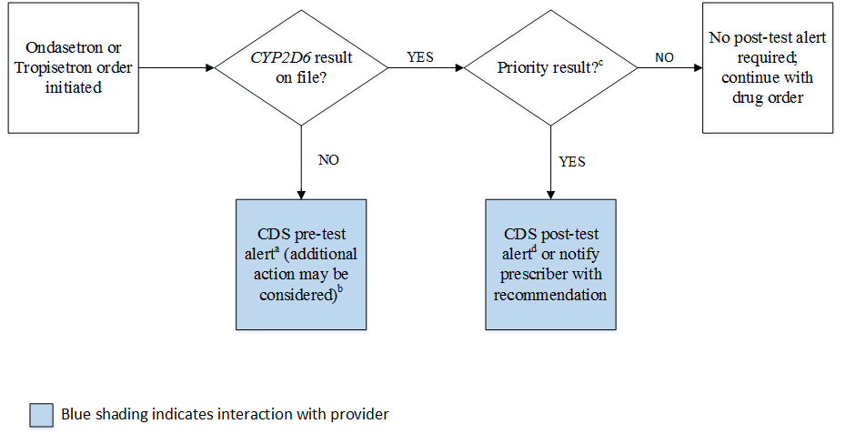

aSee Pre-and Post-Test Alerts tab for diplotype/phenotype specific pre-test alert examples.
bAdditional actions may include ordering a pharmacogenetic test, preventing the clinician from ordering the medication or allowing the clinician to cancel out of the alert.
cPriority result is defined as a genetic test result that necessitates a change in drug, drug dose, or drug monitoring now or potentially in the future.
dSee Pre-and Post-Test Alerts tab for diplotype/phenotype specific post-test alert examples.

