Flow Chart (figure S2)
CYP2D6 AND CYP2C19 Genotype and AMITRIPTYLINE: Point of Care Clinical Decision Support

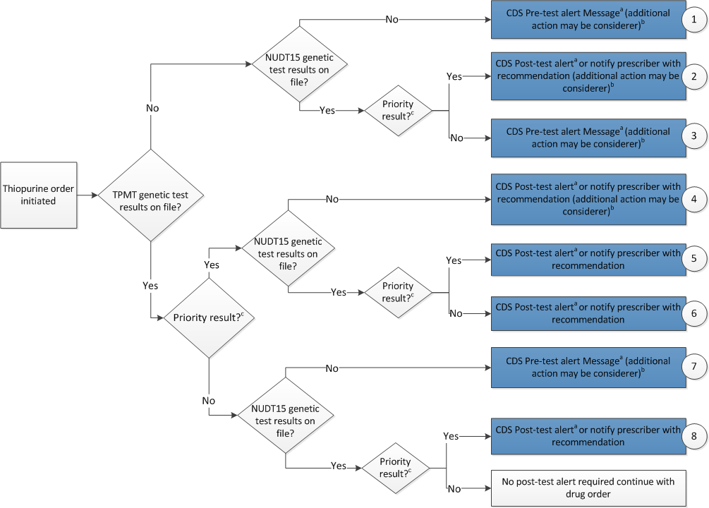

aSee Pre-and Post-test alerts tab for diplotype/phenotype specific pre-test alert examples. Circled numbers refer to specific alerts in the Pre-and Post-test alerts tab.
bAdditional actions may include ordering a pharmacogenetic test, preventing the clinician from ordering the medication or allowing the clinician to cancel out of the alert.
cPriority result is defined as a genetic test result that necessitates a change in drug, drug dose, or drug monitoring now or potentially in the future.

