Sheet1
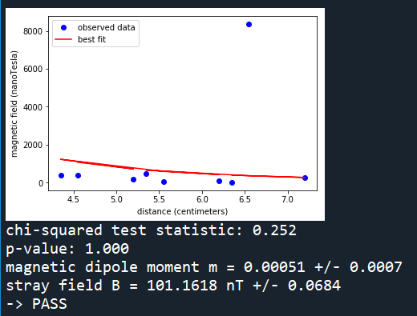
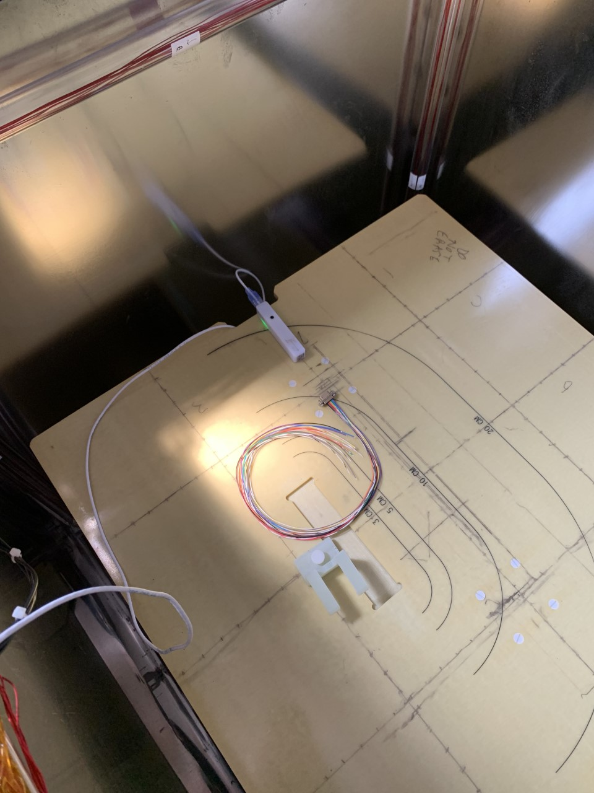
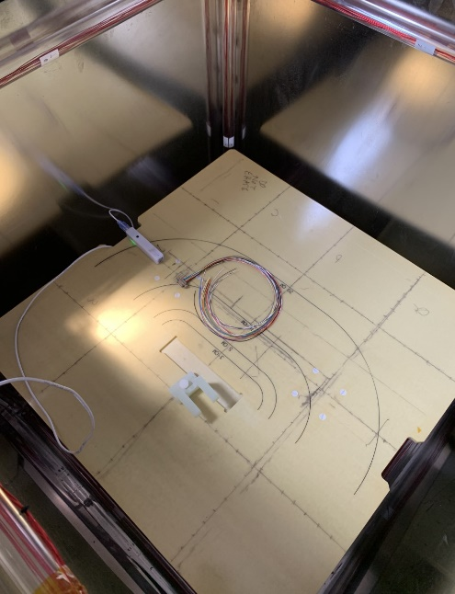
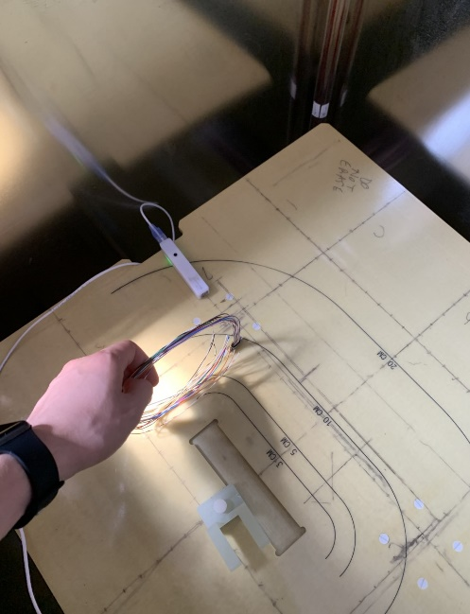
MWDM6L-15S-6K5-18L |  | Orientation 1: 1.1 cm |  | Orientation 2: 2.4 cm | Orientation 3: 0.7 cm
3 CM: |  |  |  |  |  | Orientation 1 | Orientation 2 | Orientation 3
 | Bx | By | Bz
Orientation 1 | 7.3 | 22 | 12
Orientation 2 | 17 | 21 | 28
Orientation 3 | 15 | 24 | 16
4 CM:
 | Bx | By | Bz
Orientation 1 | 5 | 9 | 10
Orientation 2 | 6 | 11 | 6
Orientation 3 | 7 | 13 | 9
5 CM:
 | Bx | By | Bz
Orientation 1 | 5 | 4 | 5
Orientation 2 | 9 | 4 | 9
Orientation 3 | 0 | 7 | 0

