Read Me
GCCA (Global Cement and Concret Association) Cement CO2 and Energy Protocol, Version 3.1, CO2 Emissions and Energy Inventory Developed by the WBCSD Cement Sustainability Initiative (CSI) and European Cement Research Academy (ECRA). |  | Colour Codes, Notes & FAQ
This protocol and related activities shall be compliant with all applicable legal requirements, including competition laws and regulations, whether related to information exchange or to other competition law requirements, guidelines, or practices.

Date of latest update | 2013-12-09

Enable macros

The Protocol Spreadsheet is a Microsoft® Excel® file with Visual Basic macros.
It is therefore very important to enable macros in your Excel application via (Options>Macro>Security)
or by pressing "enable" if asked to do so on start-up of the Protocol Spreadsheet.

D:\CSI_Protocol_V3_1.xls contains macros.

Plant sheet functionality

The Plant sheet will expand or contract certain sections of lines according to the selection for the Inventory Boundaries in Column E (line 7a to line 7j).
Thus, some input lines only become accessible, when needed for the reporting for this plant.

Additional Plant sheets are required, when you report data for several plants of one company in the same Protocol Spreadsheet.
In the line 1 you will find a button with which you can create a “New Plant Sheet”.
It is recommended to name all Plant sheets "Plant_xyz", with xyz being replaced e.g. by the name of the plant. This will help you to keep an overview of complex company structures.

Color codes

Subject | Numbers / Values
Basic information on plant and company | Input cell; value to be entered by Cement Company as appropriate
Calculation of CO2 emissions | Calculated value
Calculation of Performance indicators, Total absolute and specific emissions | Self-calculating value copied from another part of the sheet
Voluntary data or indicators | Default value, to be corrected by Cement Company if more precise data are available

Notes to the user

- Pant sheet: All empty white cells must be completed. If an input value is zero (0), do not leave the cell blank but enter zero.
- Company sheet: If you are reporting for several plants of one company, the data is consolidated in the Company sheet. Consolidated totals must be entered manually in all white "SUM" cells.
If a value is zero (0), do not leave the cell blank but enter zero.
- Non-input cells are write-protected to prevent inadvertent changes.
- Please note that the undo-function only works before you have pressed the ENTER-button.
- A detailed user manual for the application and explanation of the Protocol Spreadsheet and the Protocol Guidance Document are available via internet: www.cement-co2-protocol.org
- Further information on the Cement CO2 and Energy Protocol can be found at the GCCA home page: https://gccassociation.org/sustainability-innovation/gnr-gcca-in-numbers/

In the Protocol Spreadsheet it is most important for correct functioning and calculations to enter values in each of the white cells.

Some white cells are filled with a default value of “0” (zero) in order to assure correct functioning of some calculation cells.

Please change the value of “0” (zero) to your plant (or company) specific data, as appropriate.

Jump marks in plant sheet
Jump marks are programmed in each Plant Sheet for easy navigation to the following sections:
- General Plant Information (_PlantInformation)
- Inventory Boundaries (_InventoryBoundaries)
- Clinker and Cement Production (_ClinkerCement)
- Power Balance (_PowerBalance)
- CO2 Emissions (_CO2Balance)
- Performance Indicators (_KPI)
- Kiln Fuels (_KilnFuels)
- CO2 Emission Factors (_EmissionFactors)
- Non-Kiln Fuels (_NonKilnFuels)
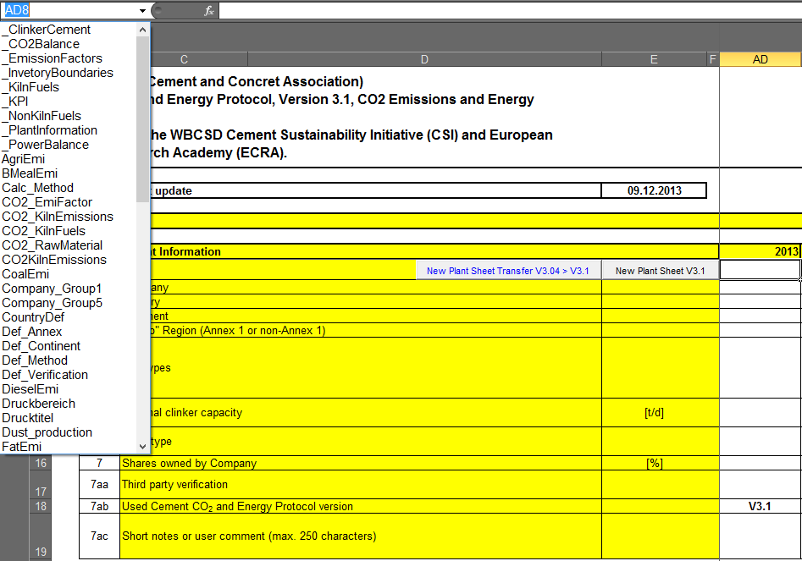

When clicking on one of the mentioned jump marks (cell name) the curser jumps from any position in the plant sheet to the very first cell (column A) in the first line of the corresponding section in the sheet.

Frequently Ask Questions (FAQs)

Answers to further questions are provided in the section Frequently Asked Questions (FAQs) of the Internet Manual (http://www.cement-co2-protocol.org).

