Preliminary results
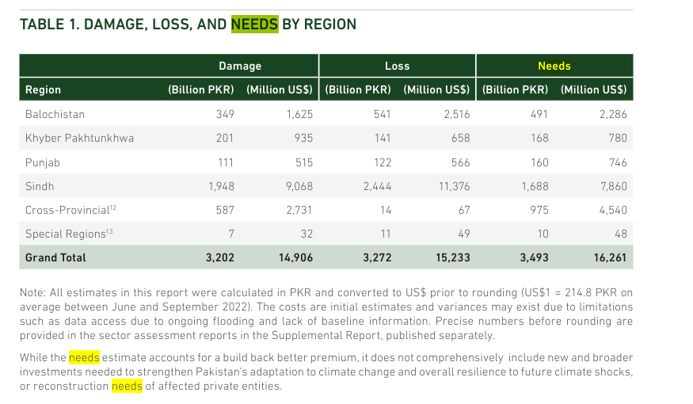
 | Combines the results of the expert elicitation and the PERT analysis, adjusting for inflation, to prepare for entry into the scenario analysis.

 | Inputs | Value | Source
 | UK GDP 2025 (bn) | 4,003 | World Bank (2026)
 | Pakistan GDP 2025 (bn) | 407 | World Bank (2026)
 | CVF GDP 2025 (bn) | 4448 | World Bank (2026) |  | 74
 | G77 + China GDP 2025 (bn) | 40439 | World Bank (2026) |  | 134 | 60 | 0.81081081081
 | Global GDP 2025 (bn) | 117,148 | World Bank (2026)
 | CVF GDP as % of global 2025 (%) | 3.8%
 | G77 + China GDP as % of global 2025 (%) | 34.5% |  | 9

 | Section 1 results
 | From PERT_dist>results | PERT1a_2026-08-24
Question | Distribution | Pooled_Mean | Pooled_Median | Hard_Union_LPP | Hard_Union_HPP | Mixture_5th | Mixture_95th | N_Participants | Lambda | Nsim
1a | Moment-matched Beta | 129.06340059 | 113.59650779 | 0 | 500 | 20.51035449 | 290.85765359 | 10 | 5 | 10000
1a | Mixture | 129.06340059 | 109.1176196 | 0 | 500 | 17.422920846 | 273.42063069 | 10 | 5 | 10000
 |  | 102

 |  | Total damages (bn) | Total damages as a % of Pak GDP | Award (inflation adjusted) | Award as a % of Pakistan GDP | Award as a % of UK GDP
 | Pooled median damages from CC (bn) | 114 | 28%
 | 5th Percentile - (bn) - inflation adjusted to 2019 USD | 16 | 5% | 0.5 | 0.2% | 0.02%
 | Pooled median damages from CC (bn) - inflation adjusted to 2019 USD | 90 | 28% | 2.7 | 0.8% | 0.09%
 | 95th Percentile - (bn) - inflation adjusted to 2019 USD | 231 | 71% | 6.9 | 2.1% | 0.22%

1c | UK share of climate harm (median) | 3% | Expert elicitation analysis

 |  | Award (bn) | PAK GDP | UK GDP
Section 1 result | Pooled median | 3.4 | 0.8% | 0.09%
Section 1 result | Pooled median - inflation adjuted to 2019 USD | 2.7

 | Section 2 results
 | From PERT_dist>results
Question | Distribution | Pooled_Mean | Pooled_Median | Hard_Union_LPP | Hard_Union_HPP | Mixture_5th | Mixture_95th | N_Participants | Lambda | Nsim
2a | Moment-matched Beta | 0.19667489989 | 0.13855828493 | 0 | 1 | 0.0042975583339 | 0.58462563786 | 10 | 5 | 10000
2a | Mixture | 0.19667489989 | 0.13379963797 | 0 | 1 | 0.0032766648959 | 0.56192087412 | 10 | 5 | 10000

 | Scaling | Min | Lower scenario | Central scenario | Upper scenario | Max
 | Transfers to CVF (bn) - Pooled median | 0.0 | 5.3 | 171.9 | 725.2 | 1240.4
 | Transfers to CVF (bn) - Pooled median (inflation adjusted) | 0 | 4.2 | 136 | 576 | 985
 |  |  | 0.282 | 9.1 | 38.4
 | Transfers to CVF per year (bn) - Pooled median | 0.0 | 0.4 | 11.5 | 48.3 | 82.7
 | Transfers to CVF as % of CVF GDP 2025 | 0.00% | 0.1% | 3.9% | 16.3% | 27.89%
 | Transfers per yr as % of CVF GDP 2025 | 0.0% | 0.01% | 0.26% | 1.09% | 1.9%

 | UK Portion of transfers to CVF (bn) | 0.000 | 0.160 | 5.156 | 21.756 | 37.213
 | UK Portion of transfers to CVF as % of GDP 2025 | 0.00% | 0.00% | 0.13% | 0.54% | 0.93%

 |  |  | 355.39333098

 | Transfers to G77+C (bn) - Pooled median | 0 | 48 | 1563 | 6594 | 11278
 | Transfers to G77+C (bn) - Pooled median (inflation adjusted) | 0 | 38 | 1241 | 5236 | 8956
 | Transfers to G77+C (bn/yr) - Pooled median (inflation adjusted) | 0 | 3 | 83 | 349 | 597

 | Things of equivilence
 | UK Population (mn) | 69.45 | ONS (2026) | United Kingdom population mid-year estimate - Office for National Statistics

 | Equivilent to the annual savings targeted by a government efficency programme by 2030 |  | UK Civil Service Budget Cuts Target £2 Billion Annual Savings by 2030 - London Daily
 | $ per person | 49.1

 | Annual debt for Pakistan
 | Estimated annual debt costs

 | SAS annual GDP (India, Pak, Sri Lanka, Nepal) - bn 2025 | 4,995
 | Pakistan GDP as a % of SAS | 8%

 | EUR annual GDP - bn 2025 | 28695
 | UK GDP as a % of EUR | 14%

 | Nominal GDP (PKR trillon) | 115
 | Interest Expense: PKR 8.9 trillion | 8.9 | annual_debt_review_2025.pdf
 | total public debt of Pakistan has reached PKR 80.6 trillion | 80.6
 | Debt to GDP ratio | 70%
 | Interest payment to GDP ratio | 7.8%

 | Annual interest payments (bn ) | 31.61
 | Annual interest payments (bn ) | 25.10
 | Award as a % of annual interest payments | 11%

 | Total financially assessable damages from CC (% of GDP) | 28%
 | Reduction in size of national debt if full award went into repayment | 40%
 | Saving in interest payments per year (bn 2019) | 10.00

 | Pakistan 2025 GDP | 323.44
 | National debt | 226.41 | 70%
 | Annual interest payments | 25.10 | 8%
 | Pakistan needs after 2022 floods | 14.00 | 4%
 | Total financially assessable damages | 90.21 | 28%
 | Award of compensation | 2.7 | 1%
 | Award as a % of needs | 19%

Link to literature
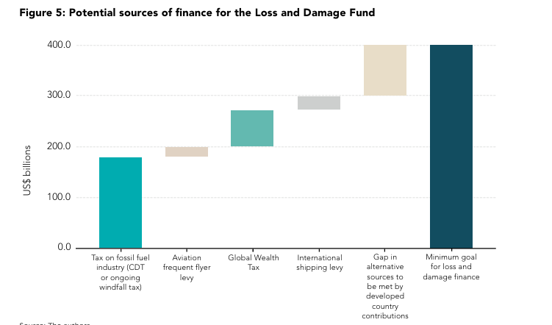

Average impact over last 20 years (Newman & Noy, 2023) | 115
Major extreme climate events 2022 in developing countries (Richards et al., 2023) | 92
Minimum goal for loss and damage (Richards et al., 2023) | 336
CVF_central | 9
CVF_upper | 38
G77 + China_central | 83
G77 + China_upper | 349

 | Inflation adjusted (2019 values) | Nominal
Average impact over last 20 years (Newman & Noy, 2023) | 115 | 137 | 2022 | Newman and Noy
Major extreme climate events 2022 in developing countries (Richards et al., 2023) | 92 | 109 | 2023
Minimum goal for loss and damage (Richards et al., 2023) | 336 | 400 | 2023 | Richards et al
CVF_lower | 0 | 0 | 2019
CVF_central | 9 | 9 | 2019
CVF_upper | 38 | 38 | 2019
G77 + China_lower | 3 | 3 | 2019
G77 + China_central | 83 | 83 | 2019
G77 + China_upper | 349 | 349 | 2019
Minimum goal for loss and damage | 336

Tax on fossil fuel industry (CDT or ongoing windfall tax) | 151 | 180 | 45%
Aviation frequent flyer levy | 17 | 20 | 5%
Global Weath Tax | 63 | 75 | 19%
International shipping levy | 21 | 25 | 6%
Gap in alternative sources to be met by developed countries | 84 | 100 | 25%
Minimum goal for loss and damage finance | -336 | 400
 | 336
Central scenario transfers | -136
 | 136 |  | -41%

MSET pivots
NOTE: the total of Net Transfers by scenario does not equal 0, due to less than 100% of transfers being allocated with the fair shares method (99.3%) per Scenario set tab column I.
 | Summary values
 | Absolute values (2019 bn) |  |  |  |  |  |  |  | Relative values to 2019 govt spending (2019 bn)
 | 1 | 2 | 3 | 4 | 5 | 6 | 7 |  | 1 | 2 | 3 | 4 | 5 | 6 | 7
 |  | CVF_lower | CVF_central | CVF_upper | G77+C_lower | G77+C_central | G77+C_upper |  |  | CVF_lower | CVF_central | CVF_upper | G77+C_lower | G77+C_central | G77+C_upper
South-East Asia and Pacific (incl Ind, Mys, Vnm, Phl) | SEP | $1.03 | $33.14 | $139.83 | $3.87 | $124.91 | $527.05 |  | SEP | 0.20% | 6.40% | 27.00% | 0.75% | 24.12% | 101.77%
Africa | AFR | $1.07 | $34.49 | $145.51 | $2.83 | $91.08 | $384.30 |  | AFR | 0.32% | 10.38% | 43.78% | 0.85% | 27.40% | 115.63%
Australia, Japan, New Zealand | AJN | -$0.38 | -$12.20 | -$51.48 | -$3.43 | -$110.67 | -$466.96 |  | AJN | -0.03% | -0.88% | -3.72% | -0.25% | -8.01% | -33.78%
Eastern Asia (incl Chn, Kor) | EAS | -$0.41 | -$13.19 | -$55.65 | $14.65 | $472.42 | $1,993.31 |  | EAS | -0.01% | -0.45% | -1.92% | 0.51% | 16.28% | 68.70%
Eastern Europe and West-Central Asia (incl Rus, CIS states) | EEA | -$0.11 | -$3.66 | -$15.46 | -$1.09 | -$35.12 | -$148.19 |  | EEA | -0.03% | -0.94% | -3.98% | -0.28% | -9.05% | -38.20%
Europe | EUR | -$0.86 | -$27.89 | -$117.67 | -$8.05 | -$259.66 | -$1,095.60 |  | EUR | -0.02% | -0.69% | -2.90% | -0.20% | -6.40% | -27.02%
Latin America and Caribbean | LAC | $0.79 | $25.58 | $107.91 | $3.56 | $114.69 | $483.91 |  | LAC | 0.09% | 2.96% | 12.47% | 0.41% | 13.26% | 55.93%
Middle East | MEN | -$0.05 | -$1.47 | -$6.19 | $1.77 | $56.91 | $240.13 |  | MEN | -0.01% | -0.24% | -1.01% | 0.29% | 9.30% | 39.23%
Northern America | NAM | -$2.04 | -$65.72 | -$277.27 | -$18.49 | -$596.06 | -$2,514.97 |  | NAM | -0.06% | -1.91% | -8.05% | -0.54% | -17.31% | -73.05%
Southern Asia (incl Ind, Pak) | SAS | $0.99 | $31.89 | $134.57 | $4.75 | $153.29 | $646.78 |  | SAS | 0.26% | 8.33% | 35.14% | 1.24% | 40.03% | 168.91%
Total |  | $0.03 | $0.97 | $4.09 | $0.37 | $11.77 | $49.65

 | Main scenario set (CVF)

 | Row Labels | Sum of Net transfers CVF (lower) | Sum of Net transfers CVF (central) | Sum of Net transfers CVF (upper) | GDP of region (2025) | GDP of region as % of global (2025) | Govt spending of region (2019) | transfer as % of GDP (lower) | transfer as % of GDP (central) | transfer as % of GDP (upper)
 | SEP | $1.03 | $33.14 | $139.83 | 4,337 | 4% | 518 | 0.0% | 0.8% | 3.2% |  | £139.83 | £163.06
 | AFR | $1.07 | $34.49 | $145.51 | 3,146 | 3% | 332 | 0.0% | 1.1% | 4.6% |  | £145.51 | £169.69
 | AJN | -$0.38 | -$12.20 | -$51.48 | 6,498 | 6% | 1,382 | 0.0% | -0.2% | -0.8% |  | -£51.48 | -£60.04
 | EAS | -$0.41 | -$13.19 | -$55.65 | 21,823 | 19% | 2,901 | 0.0% | -0.1% | -0.3% |  | -£55.65 | -£64.89
 | EEA | -$0.11 | -$3.66 | -$15.46 | 3,576 | 3% | 388 | 0.0% | -0.1% | -0.4% |  | -£15.46 | -£18.02
 | EUR | -$0.86 | -$27.89 | -$117.67 | 28,695 | 25% | 4,055 | 0.0% | -0.1% | -0.4% |  | -£117.67 | -£137.22
 | LAC | $0.79 | $25.58 | $107.91 | 7,197 | 6% | 865 | 0.0% | 0.4% | 1.5% |  | £107.91 | £125.84
 | MEN | -$0.05 | -$1.47 | -$6.19 | 3,693 | 3% | 612 | 0.0% | 0.0% | -0.2% |  | -£6.19 | -£7.22
 | NAM | -$2.04 | -$65.72 | -$277.27 | 33,090 | 28% | 3,443 | 0.0% | -0.2% | -0.8% |  | -£277.27 | -£323.35
 | SAS | $0.99 | $31.89 | $134.57 | 4,995 | 4% | 383 | 0.0% | 0.6% | 2.7% |  | £134.57 | £156.93
 | (blank) | $0.00 | $0.00 | -$0.01 |  |  |  |  |  |  |  | -£0.01 | -£0.02
 | Grand Total | $0.03 | $0.97 | $4.09 | 117,050 |  | 14,880
 | Check totals (in) | $3.88 | $125.09 | $527.81
 | Check totals (out) | -$3.85 | -$124.12 | -$523.71

 | Sensitivity analysis (G77 + China)

 | Row Labels | Sum of Net transfers G77 + China (lower) | Sum of Net transfers G77 + China (central) | Sum of Net transfers G77 + China (upper) | GDP of region (2025) | GDP of region as % of global (2025) | Govt spending of region (2019) | transfer as % of GDP (lower) | transfer as % of GDP (central) | transfer as % of GDP (upper)
South-East Asia and Pacific (incl Ind, Mys, Vnm, Phl) | SEP | $3.87 | $124.91 | $527.05 | 4,337 | 4% | 518 | 0.1% | 2.9% | 12.2%
Africa | AFR | $2.83 | $91.08 | $384.30 | 3,146 | 3% | 332 | 0.1% | 2.9% | 12.2%
Australia, Japan, New Zealand | AJN | -$3.43 | -$110.67 | -$466.96 | 6,498 | 6% | 1,382 | -0.1% | -1.7% | -7.2%
Eastern Asia (incl Chn, Kor) | EAS | $14.65 | $472.42 | $1,993.31 | 21,823 | 19% | 2,901 | 0.1% | 2.2% | 9.1%
Eastern Europe and West-Central Asia (incl Rus, CIS states) | EEA | -$1.09 | -$35.12 | -$148.19 | 3,576 | 3% | 388 | 0.0% | -1.0% | -4.1%
Europe | EUR | -$8.05 | -$259.66 | -$1,095.60 | 28,695 | 25% | 4,055 | 0.0% | -0.9% | -3.8%
Latin America and Caribbean | LAC | $3.56 | $114.69 | $483.91 | 7,197 | 6% | 865 | 0.0% | 1.6% | 6.7%
Middle East | MEN | $1.77 | $56.91 | $240.13 | 3,693 | 3% | 612 | 0.0% | 1.5% | 6.5%
Northern America | NAM | -$18.49 | -$596.06 | -$2,514.97 | 33,090 | 28% | 3,443 | -0.1% | -1.8% | -7.6%
Southern Asia (incl Ind, Pak) | SAS | $4.75 | $153.29 | $646.78 | 4,995 | 4% | 383 | 0.1% | 3.1% | 12.9%
 | (blank) | $0.00 | -$0.03 | -$0.12
 | Grand Total | $0.37 | $11.77 | $49.65 | 117,050 |  | 14,880
 | Check totals (in) | $31.43 | $1,013.31 | $4,275.49
 | Check totals (out) | -$31.06 | -$1,001.51 | -$4,225.72
 | Outgoings (CVF)

 | Shape of payments in scenarios
 |  | Sum check | 2030 | 2031 | 2032 | 2033 | 2034 | 2035 | 2036 | 2037 | 2038 | 2039 | 2040 | 2041 | 2042 | 2043 | 2044 | 2045
 | Flat | 1 |  | 0.066666666667 | 0.066666666667 | 0.066666666667 | 0.066666666667 | 0.066666666667 | 0.066666666667 | 0.066666666667 | 0.066666666667 | 0.066666666667 | 0.066666666667 | 0.066666666667 | 0.066666666667 | 0.066666666667 | 0.066666666667 | 0.066666666667
 | Tapered | 1 | 0 | 0.020833333333 | 0.041666666667 | 0.0625 | 0.083333333333 | 0.083333333333 | 0.083333333333 | 0.083333333333 | 0.083333333333 | 0.083333333333 | 0.083333333333 | 0.083333333333 | 0.083333333333 | 0.0625 | 0.041666666667 | 0.020833333333
 | Growing | 1.000005 |  | 0.033334 | 0.038095857143 | 0.042857714286 | 0.047619571429 | 0.052381428571 | 0.057143285714 | 0.061905142857 | 0.066667 | 0.071428857143 | 0.076190714286 | 0.080952571429 | 0.085714428571 | 0.090476285714 | 0.095238142857 | 0.1

Shape
 | Flat | Tapered | Growing
2031 | 0.066666666667 | 0.020833333333 | 0.033334
2032 | 0.066666666667 | 0.041666666667 | 0.038095857143
2033 | 0.066666666667 | 0.0625 | 0.042857714286
2034 | 0.066666666667 | 0.083333333333 | 0.047619571429
2035 | 0.066666666667 | 0.083333333333 | 0.052381428571
2036 | 0.066666666667 | 0.083333333333 | 0.057143285714
2037 | 0.066666666667 | 0.083333333333 | 0.061905142857
2038 | 0.066666666667 | 0.083333333333 | 0.066667
2039 | 0.066666666667 | 0.083333333333 | 0.071428857143
2040 | 0.066666666667 | 0.083333333333 | 0.076190714286
2041 | 0.066666666667 | 0.083333333333 | 0.080952571429
2042 | 0.066666666667 | 0.083333333333 | 0.085714428571
2043 | 0.066666666667 | 0.0625 | 0.090476285714
2044 | 0.066666666667 | 0.041666666667 | 0.095238142857
2045 | 0.066666666667 | 0.020833333333 | 0.1

Quant interpretation
Question 1a |  |  |  |  |  |  |  |  | Pre-cleaned summary
 |  |  |  |  |  |  |  |  |  | No award | 1-10 | 10-25 | 25-50 | 50-100 | 100-150 | 150-250 | 250-500 | >500 | Prefer not to quantify | Total
 |  |  | Lower | Upper | Central estimate |  |  |  | Lower bound | 2 | 4 | 1 | 1 | 1 | 1 | 2 | 0 | 0 | 2 | 14
 |  |  | Q24_1 | Q24_2 | Q24_3 |  |  |  | Central estimate | 0 | 0 | 2 | 0 | 5 | 1 | 3 | 1 | 0 | 2 | 14
 |  |  | Question 1a: Please provide a central estimate and plausible bounds of the total financially assessable damages to Pakistan from climate change attributable to the conduct of all states. Assess loss and damage from climate change from 2001-2025 (25 years). Note that this is asking for damage from all States from climate change, rather than damage from climate change caused by UK. Use probabilistic judgment. If you prefer not to quantify, please click all three 'prefer not to quantify' boxes - Plausible lower bound - $ billion USD | Question 1a: Please provide a central estimate and plausible bounds of the total financially assessable damages to Pakistan from climate change attributable to the conduct of all states. Assess loss and damage from climate change from 2001-2025 (25 years). Note that this is asking for damage from all States from climate change, rather than damage from climate change caused by UK. Use probabilistic judgment. If you prefer not to quantify, please click all three 'prefer not to quantify' boxes - Plausible upper bound - $ billion USD | Question 1a: Please provide a central estimate and plausible bounds of the total financially assessable damages to Pakistan from climate change attributable to the conduct of all states. Assess loss and damage from climate change from 2001-2025 (25 years). Note that this is asking for damage from all States from climate change, rather than damage from climate change caused by UK. Use probabilistic judgment. If you prefer not to quantify, please click all three 'prefer not to quantify' boxes - Central estimate or median - $ billion USD |  |  |  | Upper bound | 0 | 1 | 0 | 0 | 1 | 2 | 2 | 4 | 2 | 2 | 14
 |  |  | {"ImportId":"QID24_1"} | {"ImportId":"QID24_2"} | {"ImportId":"QID24_3"}
 |  | A | 25-50 | 150-250 | 50-100
 |  | B | 1-10 | 150-250 | 50-100
 |  | C | 1-10 | 100-150 | 50-100
 |  | D | No award | 50-100 | 10-25
 |  | E | 150-250 | 250-500 | 150-250
 |  | F | Prefer not to quantify | Prefer not to quantify | Prefer not to quantify
 |  | G | 10-25 | 250-500 | 50-100
 |  | H | 1-10 | >500 | 100-150
 |  | I | 100-150 | >500 | 150-250
 |  | J | No award | 1-10 | 10-25
 |  | K | 1-10 | 250-500 | 50-100
 |  | L | 50-100 | 100-150 | 250-500
 |  | M | Prefer not to quantify | Prefer not to quantify | Prefer not to quantify
 |  | N | 150-250 | 250-500 | 150-250

 |  |  | __js_damages_lower | __js_damages_median | __js_damages_upper
 |  |  | __js_damages_lower | __js_damages_median | __js_damages_upper
 |  |  | {"ImportId":"__js_damages_lower"} | {"ImportId":"__js_damages_median"} | {"ImportId":"__js_damages_upper"} | labels
 |  | A | 37 | 75 | 200 | [37, 75, 200]
 |  | B | 5 | 75 | 200 | [5, 75, 200]
 |  | C | 5 | 57 | 125 | [5, 57, 125]
 |  | D | 0 | 18 | 37 | [0, 18, 37]
 |  | E | 150 | 200 | 375 | [150, 200, 375]
 |  | F |  |  |  | Prefer not to quantify
 |  | G | 18 | 75 | 375 | [18, 75, 375]
 |  | H | 5 | 125 | 500 | [5, 125, 500]
 |  | I | 125 | 200 | 500 | [125, 200, 500]
 |  | J | 0 | 18 | 5 | Error in triples
 |  | K | 5 | 80 | 375 | [5, 80, 375]
 |  | L | 75 | 200 | 125 | Error in triples
 |  | M |  |  |  | Prefer not to quantify
 |  | N | 150 | 200 | 375 | [150, 200, 375]

 |  | Mean | 48 | 110 | 266
 |  | Adjusted mean | 48 | 111 | 306
 |  | Median | 11.5 | 77.5 | 287.5
 |  | Adjusted median | 11.5 | 77.5 | 375
 |  | Mode | 5 | 200 | 375
 |  | Adjusted mode | 5 | 200 | 375
 |  | Min | 0 | 75
 |  | Max |  |  | 500

 |  | Question | Pooled Mean | Pooled Median | Hard Union LPP | Hard Union HPP | Mixture 5th | Mixture 95th | N | Lambda | Nsim |  | 17% | Pooled mean higher than pooled median
 |  | 1a | 129.62 | 110.92 | 0 | 500 | 17.48 | 274.57 | 10 | 5 | 10000
Question 1c
 | Pre-cleaned summary
 |  |  | 0-1 | 1-2 | 2-4 | 4-6 | 6-8 | 8-10 | >10 | Prefer not to quantify | Total
 | Count | 12 | 2 | 1 | 6 | 3 |  |  |  | 2 | 14
 | Mean | 2.96%
 | Median | 3.00%
 | Mode | 3.00% |  | Portion
 | Three obvious groups |  | Below average | 25%
 |  |  | Average | 50%
 |  |  | Above average | 25%

Count of responses to question 1c on most likely share of climate harm for which UK will be liable in a case against Pakistan
0-1 | 2
1-2 | 1
2-4 | 6
4-6 | 3
6-8
8-10
>10
Prefer not to quantify | 2
 |  |  | Q16_1 | __js_uk_share_label
 |  |  | Q1c: Which of the following most closely reflects the logic you applied above when apportioning U... - Most likely share | __js_uk_share_label
 |  |  | {"ImportId":"QID16_8"} | {"ImportId":"__js_uk_share_label"}
 |  | A | 2-4% | 3%
 |  | B | 2-4% | 3%
 |  | C | 2-4% | 3%
 |  | D | 2-4% | 3%
 |  | E | 4-6% | 5%
 |  | F | 4-6% | 5%
 |  | G | 2-4% | 3%
 |  | H | 0-1% | 0.50%
 |  | I | Prefer not to quantify | Prefer not to quantify
 |  | J | 1-2% | 1.50%
 |  | K | 0-1% | 0.50%
 |  | L | 4-6% | 5%
 |  | M | Prefer not to quantify | Prefer not to quantify
 |  | N | 2-4% | 3%

Question 2a

 | Pre-cleaned summary
 |  | No spillover (0) | Minimal spillover (0.01-0.05) | Limited (0.05-0.15) | Moderate (0.15-0.3) | Substantial (0.3-0.5) | Major shift (0.5-0.8) | Transformative (>0.8) | Prefer not to quantify | Total
 | Lower bound | 4 | 6 | 2 | 1 | 0 | 0 | 0 | 1 | 14
 | Central estimate | 1 | 2 | 4 | 1 | 4 | 1 | 0 | 1 | 14
 | Upper bound | 0 | 4 | 1 | 1 | 4 | 1 | 2 | 1 | 14

 |  | Lower | Central | Upper
 |  | Q10_1 | Q10_3 | Q10_2 | __js_scaling_lower | __js_scaling_median | __js_scaling_upper
 |  | Question 2a: Please provide bounds and a central estimate of the scaling factor. Use probabilistic judgment. Central estimate and a bound(s) are allowed in the same band if you have high confidence in that outcome. If you would prefer not to quantify, leave all blank or select all three 'prefer not to quantify' boxes. - Plausible lower bound - s | Question 2a: Please provide bounds and a central estimate of the scaling factor. Use probabilistic judgment. Central estimate and a bound(s) are allowed in the same band if you have high confidence in that outcome. If you would prefer not to quantify, leave all blank or select all three 'prefer not to quantify' boxes. - Central estimate or median - s | Question 2a: Please provide bounds and a central estimate of the scaling factor. Use probabilistic judgment. Central estimate and a bound(s) are allowed in the same band if you have high confidence in that outcome. If you would prefer not to quantify, leave all blank or select all three 'prefer not to quantify' boxes. - Plausible upper bound - s | __js_scaling_lower | __js_scaling_median | __js_scaling_upper
 |  | {"ImportId":"QID10_1"} | {"ImportId":"QID10_3"} | {"ImportId":"QID10_2"} | {"ImportId":"__js_scaling_lower"} | {"ImportId":"__js_scaling_median"} | {"ImportId":"__js_scaling_upper"} | Labels
 | A | Moderate (0.15-0.3) | Substantial (0.3-0.5) | Major shift (0.5-0.8) | 0.225 | 0.4 | 0.65 | [0.225, 0.4, 0.65]
 | B | Minimal spillover (0.01-0.05) | Minimal spillover (0.01-0.05) | Limited (0.05-0.15) | 0.01 | 0.03 | 0.1 | [0.01, 0.03, 0.1]
 | C | Minimal spillover (0.01-0.05) | Substantial (0.3-0.5) | Transformative (>0.8) | 0.03 | 0.4 | 1 | [0.03, 0.4, 1]
 | D | Minimal spillover (0.01-0.05) | Limited (0.05-0.15) | Substantial (0.3-0.5) | 0.03 | 0.1 | 0.4 | [0.03, 0.1, 0.4]
 | E | Limited (0.05-0.15) | Substantial (0.3-0.5) | Transformative (>0.8) | 0.1 | 0.4 | 1 | [0.1, 0.4, 1]
 | F | Minimal spillover (0.01-0.05) | Moderate (0.15-0.3) | Substantial (0.3-0.5) | 0.03 | 0.225 | 0.4 | [0.03, 0.225, 0.4]
 | G | Minimal spillover (0.01-0.05) | Limited (0.05-0.15) | Substantial (0.3-0.5) | 0.03 | 0.1 | 0.4 | [0.03, 0.1, 0.4]
 | H | No spillover (0) | Substantial (0.3-0.5) | Minimal spillover (0.01-0.05) | 0 | 0.4 | 0.03 | Error in triples
 | I | Prefer not to quantify | Prefer not to quantify | Prefer not to quantify |  |  |  | Prefer not to quantify
 | J | No spillover (0) | Limited (0.05-0.15) | Minimal spillover (0.01-0.05) | 0 | 0.1 | 0.03 | Error in triples
 | K | No spillover (0) | No spillover (0) | Minimal spillover (0.01-0.05) | 0 | 0 | 0.03 | [0, 0, 0.03]
 | L | Limited (0.05-0.15) | Major shift (0.5-0.8) | Substantial (0.3-0.5) | 0.1 | 0.65 | 0.4 | Error in triples
 | M | Minimal spillover (0.01-0.05) | Limited (0.05-0.15) | Moderate (0.15-0.3) | 0.03 | 0.1 | 0.225 | [0.03, 0.1, 0.225]
 | N | No spillover (0) | Minimal spillover (0.01-0.05) | Minimal spillover (0.01-0.05) | 0 | 0.03 | 0.05 | [0, 0.03, 0.05]

 |  |  |  | Mean | 0.045 | 0.22576923077 | 0.36269230769
 |  |  |  | Adjusted mean | 0.045 | 0.1785 | 0.38954545455
 |  |  |  | Median | 0.03 | 0.1 | 0.4
 |  |  |  | Adjusted median | 0.03 | 0.10 | 0.4
 |  |  |  | Mode | 0.03 | 0.4 | 0.4
 |  |  |  |  |  | 0.1
 |  |  |  | Adjusted mode | 0.03 | 0.1 | 0.4 | and 0.03

 |  | Question | Pooled_Mean | Pooled_Median | Hard_Union_LPP | Hard_Union_HPP | Mixture_5th | Mixture_95th | N_Participants | Lambda | Nsim
 |  | 2a | 0.17867088246 | 0.11 | - | 1.00 | 0.00386 | 0.55445635314 | 11.00 | 5.00 | 10,000.00

 |  |  |  | 59%

Representation
Country are you most affiliated to professionally | Country are you most affiliated to professionally
{"ImportId":"QID54_TEXT"} | UK | 3 | 21%
New Zealand | New Zealand | 3 | 21%
Country you are most affiliated to professionally
africa | Switzerland | 2 | 14%
Switzerland | Netherlands/Austria | 1 | 7%
new zealand | France | 1 | 7%
 | Nigeria | 1 | 7%
New Zealand | South Sudan | 1 | 7%
UK | Africa | 1 | 7%
South Sudan | Did not answer | 1 | 7%
UK |  | 14
Nigeria
Switzerland | Africa | 3 | 21%
Netherlands, Austria | Europe | 7 | 50%
United Kingdom | Oceania | 3 | 21%
France | North America
 | Asia
 | Did not answer | 1 | 7%
 |  | 14

Years of relevant professional experience
Years of relevant professional experience
Years of relevant professional experience
{"ImportId":"QID52"}
10--20 | 1--5 | 1-5 | 0 | 0%
5--10 | 5--10 | 5-10 | 9 | 64%
5--10 | 10--20 | 10-20 | 4 | 29%
20 + | 20 + | 20 + | 1 | 7%
5--10 |  |  | 14
10--20
10--20
5--10
5--10
5--10
10--20
5--10
5--10
5--10

Category that best describes your primary professional background

Other (please specifiy) | governmental | International law | 3
Academia |  | Litigation | 0
Academia |  | Finance | 0
Economics |  | Economics | 3
International law |  | Diplomacy | 0
International law |  | Civil society/NGO | 2
Economics |  | Academia | 4
Civil society/NGO |  | Other (please specifiy) | 2
Other (please specifiy) | Advisory
Civil society/NGO
International law
Academia
Academia
Economics

Inflation
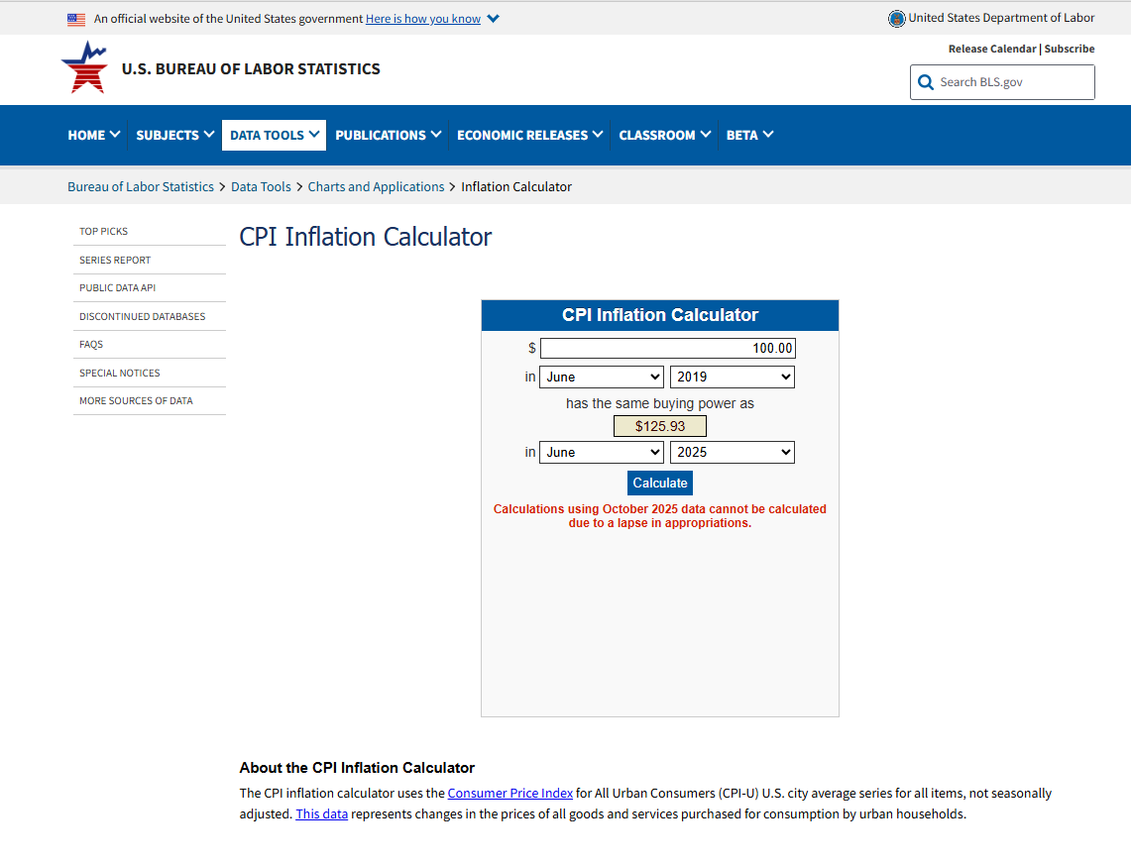
2019 to today |  |  | 2019 to 2023 |  |  | 2019 to 2022
Base | Inflation | Deflator to 2019 USD | Base | Inflation | Deflator to 2019 USD | Base | Inflation | Deflator to 2019 USD
100 | 125.93 | 0.79409195585 | 100 | 119.12 | 0.83948959033 | 100 | 115.68 | 0.86445366528

CPI Inflation Calculator

