rswSub2
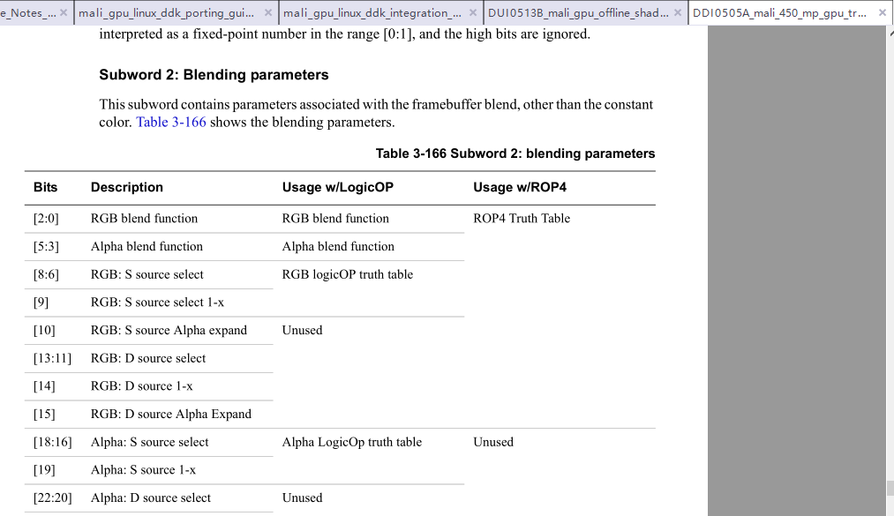

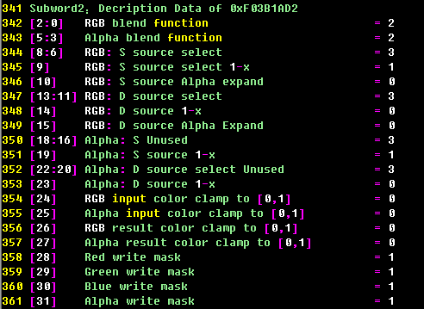

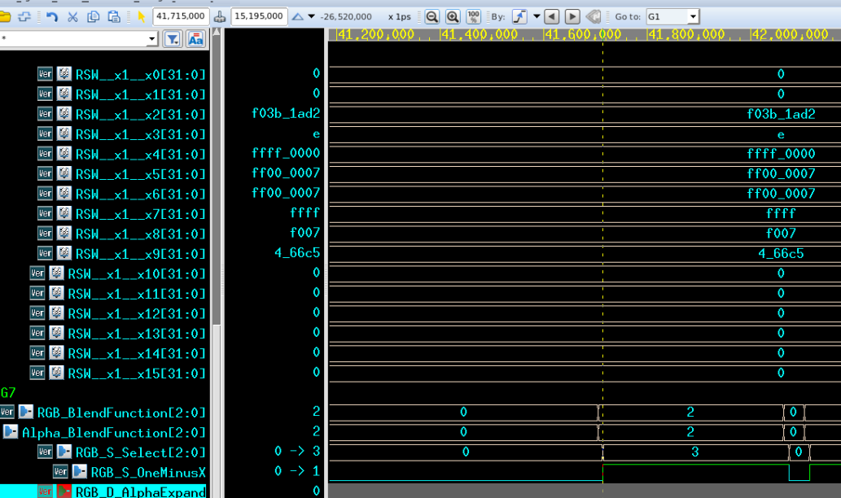

rswSub9
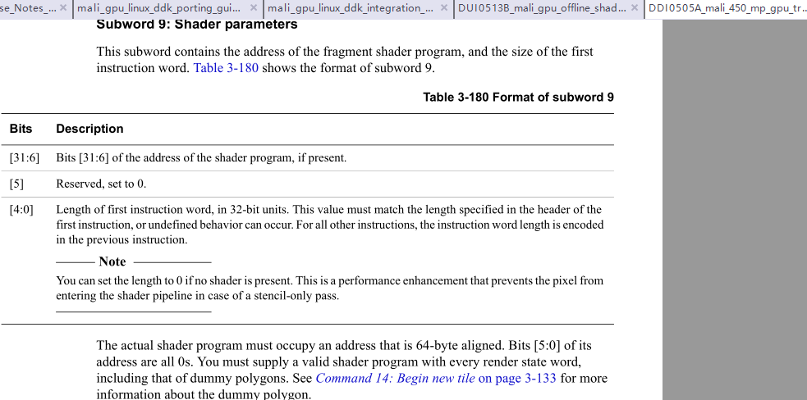

vdb
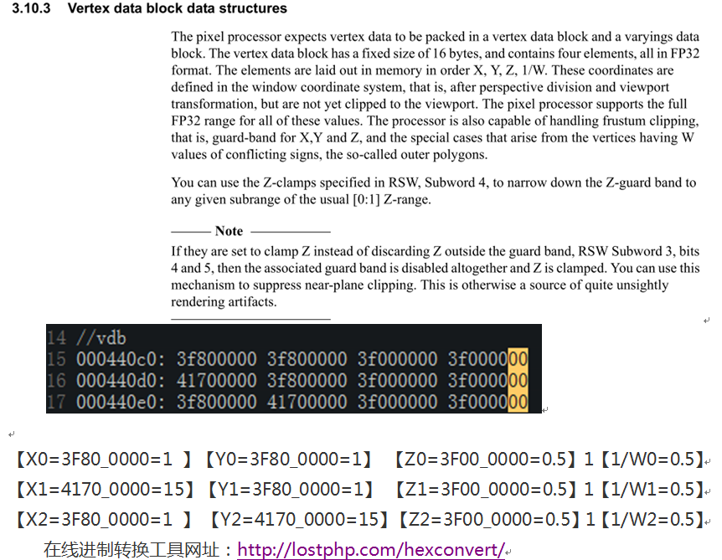

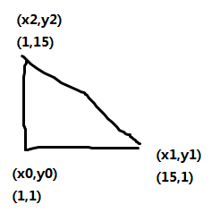

DummyShaderProgram
Name | Hex | 42 | 41 | 40 | 39 | 38 | 37 | 36 | 35 | 34 | 33 | 32 | 31 | 30 | 29 | 28 | 27 | 26 | 25 | 24 | 23 | 22 | 21 | 20 | 19 | 18 | 17 | 16 | 15 | 14 | 13 | 12 | 11 | 10 | 9 | 8 | 7 | 6 | 5 | 4 | 3 | 2 | 1 | 0
Shader-Header | 0002_0425 |  |  |  |  |  |  |  |  |  |  |  | 0 | 0 | 0 | 0 | 0 | 0 | 0 | 0 | 0 | 0 | 0 | 0 | 0 | 0 | 1 | 0 | 0 | 0 | 0 | 0 | 0 | 1 | 0 | 0 | 0 | 0 | 1 | 0 | 0 | 1 | 0 | 1
 |  |  |  |  |  |  |  |  |  |  |  |  | Reserved
 |  |  |  |  |  |  |  |  |  |  |  |  |  |  |  |  |  |  | Prefetch next instruction word (hint,迹象）
 |  |  |  |  |  |  |  |  |  |  |  |  |  |  |  |  |  |  |  | Reserved
 |  |  |  |  |  |  |  |  |  |  |  |  |  |  |  |  |  |  |  |  | Length of next inst word
 |  |  |  |  |  |  |  |  |  |  |  |  |  |  |  |  |  |  |  |  |  |  |  |  |  | Second embedded constant enable, 64 bits
 |  |  |  |  |  |  |  |  |  |  |  |  |  |  |  |  |  |  |  |  |  |  |  |  |  |  | First embedded constant enable, 64 bits.
 |  |  |  |  |  |  |  |  |  |  |  |  |  |  |  |  |  |  |  |  |  |  |  |  |  |  |  | Branch unit instruction enable, 73 bits.
 |  |  |  |  |  |  |  |  |  |  |  |  |  |  |  |  |  |  |  |  |  |  |  |  |  |  |  |  | Load/store: memory store instruction enable, 41 bits.
 |  |  |  |  |  |  |  |  |  |  |  |  |  |  |  |  |  |  |  |  |  |  |  |  |  |  |  |  |  | LUT unit instruction enable, 30 bits.
 |  |  |  |  |  |  |  |  |  |  |  |  |  |  |  |  |  |  |  |  |  |  |  |  |  |  |  |  |  |  | Mult-Add: ADD1 enable, 31 bits.
 |  |  |  |  |  |  |  |  |  |  |  |  |  |  |  |  |  |  |  |  |  |  |  |  |  |  |  |  |  |  |  | Mult-Add: ADD4 enable, 44 bits
 |  |  |  |  |  |  |  |  |  |  |  |  |  |  |  |  |  |  |  |  |  |  |  |  |  |  |  |  |  |  |  |  | Mult-Add: MUL1 enable, 30 bits.
 |  |  |  |  |  |  |  |  |  |  |  |  |  |  |  |  |  |  |  |  |  |  |  |  |  |  |  |  |  |  |  |  |  | Mult-Add: MUL4 enable, 43 bits.
 |  |  |  |  |  |  |  |  |  |  |  |  |  |  |  |  |  |  |  |  |  |  |  |  |  |  |  |  |  |  |  |  |  |  | Load/store: memory load instruction enable, 41 bits.
 |  |  |  |  |  |  |  |  |  |  |  |  |  |  |  |  |  |  |  |  |  |  |  |  |  |  |  |  |  |  |  |  |  |  |  | Texture-instruction enable, 62 bits.
 |  |  |  |  |  |  |  |  |  |  |  |  |  |  |  |  |  |  |  |  |  |  |  |  |  |  |  |  |  |  |  |  |  |  |  |  | Varying-instruction enable, 34 bits.
 |  |  |  |  |  |  |  |  |  |  |  |  |  |  |  |  |  |  |  |  |  |  |  |  |  |  |  |  |  |  |  |  |  |  |  |  |  | Rendezvous flag
 |  |  |  |  |  |  |  |  |  |  |  |  |  |  |  |  |  |  |  |  |  |  |  |  |  |  |  |  |  |  |  |  |  |  |  |  |  |  | End of program flag, if jump not taken
 |  |  |  |  |  |  |  |  |  |  |  |  |  |  |  |  |  |  |  |  |  |  |  |  |  |  |  |  |  |  |  |  |  |  |  |  |  |  |  | Length of inst word
 |  | 0 | 0 | 0 | 0 | 0 | 0 | 0 | 1 | 1 | 0 | 0 | 0 | 0 | 0 | 0 | 0 | 0 | 0 | 1 | 1 | 1 | 1 | 0 | 0 | 0 | 0 | 0 | 0 | 0 | 0 | 0 | 0 | 1 | 1 | 1 | 1 | 1 | 0 | 0 | 1 | 1 | 1 | 1
Multiply-Add (43bit) format - MUL4 | 0000_000C 01E0_07CF | Multiplier operation =0:C=A*B
 |  |  |  |  |  |  | Vec4 result
 |  |  |  |  |  |  | Saturate(浸湿)mode |  |  |  |  |  |  |  |  |  | Vec4 input 1
 |  |  |  |  |  |  |  |  | Write mask |  |  |  |  |  |  |  | Negate(反的） |  |  |  |  |  |  |  |  |  |  |  |  |  | Vec4 input 0
 |  |  |  |  |  |  |  |  |  |  |  |  | Register index |  |  |  |  | Absolute value |  |  |  |  |  |  |  |  |  |  |  |  | Negate
 |  |  |  |  |  |  |  |  |  |  |  |  |  |  |  |  |  |  | Swizzle(搅和) pattern ABGR |  |  |  |  |  |  |  |  |  |  |  |  | Absolute value
 |  |  |  |  |  |  |  |  |  |  |  |  |  |  |  |  |  |  | Green |  | Alpha |  | Blue |  | Red |  |  |  |  |  |  |  | Swizzle pattern
 |  |  |  |  |  |  |  |  |  |  |  |  |  |  |  |  |  |  | 见Table 3-196 |  |  |  |  |  |  |  | Register index |  |  |  |  |  | Green |  | Alpha |  | Alpha |  | Blue |  | Register index
First embedded constant enable, 64 bits |  |  |  |  |  |  |  |  |  |  |  |  |  |  |  |  |  |  |  |  |  |  |  |  |  |  |  |  |  |  |  |  | 见Table 3-196
解释按照字节从低到高，先进行MUL4操作，然后是First embeded，参见P192页
 | B000_0000
 | 0000_05F5
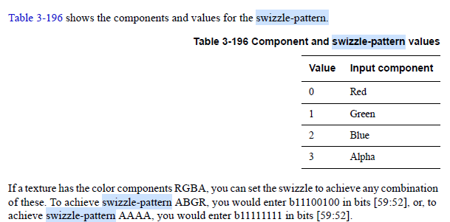

The embedded constants cannot be accessed by the varying unit, the texture mapper, or the load unit

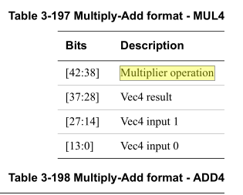

Shader Program data structures |  |  |  |  |  |  |  | En=1
 | 1 | The Header |  |  |  |  |  | 强制1
 | 2 | The varying unit instruction |  |  |  |  |  | 0
 | 3 | The texture instruction |  |  |  |  |  | 0
 | 4 | The multiply-add instructions |  |  |  |  |  | 1
 | 5 | The LUT instruction |  |  |  |  |  | 0
 | 6 | The load/store instruction |  |  |  |  |  | 0
 | 7 | The branch instruction |  |  |  |  |  | 0
 | 8
 | 9
 | 10
 | 11
 | 12

ColorShaderProgram
Name | Hex | 42 | 41 | 40 | 39 | 38 | 37 | 36 | 35 | 34 | 33 | 32 | 31 | 30 | 29 | 28 | 27 | 26 | 25 | 24 | 23 | 22 | 21 | 20 | 19 | 18 | 17 | 16 | 15 | 14 | 13 | 12 | 11 | 10 | 9 | 8 | 7 | 6 | 5 | 4 | 3 | 2 | 1 | 0
Shader-Header | 0002_0425 |  |  |  |  |  |  |  |  |  |  |  | 0 | 0 | 0 | 0 | 0 | 0 | 0 | 0 | 0 | 0 | 0 | 0 | 0 | 0 | 1 | 0 | 0 | 0 | 0 | 0 | 0 | 1 | 0 | 0 | 0 | 0 | 1 | 0 | 0 | 1 | 0 | 1
 |  |  |  |  |  |  |  |  |  |  |  |  | Reserved
 |  |  |  |  |  |  |  |  |  |  |  |  |  |  |  |  |  |  | Prefetch next instruction word (hint,迹象）
 |  |  |  |  |  |  |  |  |  |  |  |  |  |  |  |  |  |  |  | Reserved
 |  |  |  |  |  |  |  |  |  |  |  |  |  |  |  |  |  |  |  |  | Length of next inst word
 |  |  |  |  |  |  |  |  |  |  |  |  |  |  |  |  |  |  |  |  |  |  |  |  |  | Second embedded constant enable, 64 bits
 |  |  |  |  |  |  |  |  |  |  |  |  |  |  |  |  |  |  |  |  |  |  |  |  |  |  | First embedded constant enable, 64 bits.
 |  |  |  |  |  |  |  |  |  |  |  |  |  |  |  |  |  |  |  |  |  |  |  |  |  |  |  | Branch unit instruction enable, 73 bits.
 |  |  |  |  |  |  |  |  |  |  |  |  |  |  |  |  |  |  |  |  |  |  |  |  |  |  |  |  | Load/store: memory store instruction enable, 41 bits.
 |  |  |  |  |  |  |  |  |  |  |  |  |  |  |  |  |  |  |  |  |  |  |  |  |  |  |  |  |  | LUT unit instruction enable, 30 bits.
 |  |  |  |  |  |  |  |  |  |  |  |  |  |  |  |  |  |  |  |  |  |  |  |  |  |  |  |  |  |  | Mult-Add: ADD1 enable, 31 bits.
 |  |  |  |  |  |  |  |  |  |  |  |  |  |  |  |  |  |  |  |  |  |  |  |  |  |  |  |  |  |  |  | Mult-Add: ADD4 enable, 44 bits
 |  |  |  |  |  |  |  |  |  |  |  |  |  |  |  |  |  |  |  |  |  |  |  |  |  |  |  |  |  |  |  |  | Mult-Add: MUL1 enable, 30 bits.
 |  |  |  |  |  |  |  |  |  |  |  |  |  |  |  |  |  |  |  |  |  |  |  |  |  |  |  |  |  |  |  |  |  | Mult-Add: MUL4 enable, 43 bits.
 |  |  |  |  |  |  |  |  |  |  |  |  |  |  |  |  |  |  |  |  |  |  |  |  |  |  |  |  |  |  |  |  |  |  | Load/store: memory load instruction enable, 41 bits.
 |  |  |  |  |  |  |  |  |  |  |  |  |  |  |  |  |  |  |  |  |  |  |  |  |  |  |  |  |  |  |  |  |  |  |  | Texture-instruction enable, 62 bits.
 |  |  |  |  |  |  |  |  |  |  |  |  |  |  |  |  |  |  |  |  |  |  |  |  |  |  |  |  |  |  |  |  |  |  |  |  | Varying-instruction enable, 34 bits.
 |  |  |  |  |  |  |  |  |  |  |  |  |  |  |  |  |  |  |  |  |  |  |  |  |  |  |  |  |  |  |  |  |  |  |  |  |  | Rendezvous flag
 |  |  |  |  |  |  |  |  |  |  |  |  |  |  |  |  |  |  |  |  |  |  |  |  |  |  |  |  |  |  |  |  |  |  |  |  |  |  | End of program flag, if jump not taken
 |  |  |  |  |  |  |  |  |  |  |  |  |  |  |  |  |  |  |  |  |  |  |  |  |  |  |  |  |  |  |  |  |  |  |  |  |  |  |  | Length of inst word
 |  | 1 | 0 | 1 | 0 | 0 | 0 | 0 | 1 | 1 | 0 | 0 | 0 | 0 | 0 | 0 | 0 | 0 | 0 | 1 | 1 | 1 | 1 | 0 | 0 | 0 | 0 | 0 | 0 | 0 | 0 | 0 | 0 | 1 | 1 | 1 | 1 | 1 | 0 | 0 | 1 | 1 | 1 | 1
Multiply-Add (43bit) format - MUL4 | 0000_050C 0000_07CF | Multiplier operation =20:查表后发现表示无意义
 |  |  |  |  |  |  | Vec4 result
 |  |  |  |  |  |  | Saturate(浸湿)mode |  |  |  |  |  |  |  |  |  | Vec4 input 1
 |  |  |  |  |  |  |  |  | Write mask |  |  |  |  |  |  |  | Negate(反的） |  |  |  |  |  |  |  |  |  |  |  |  |  | Vec4 input 0
 |  |  |  |  |  |  |  |  |  |  |  |  | Register index |  |  |  |  | Absolute value |  |  |  |  |  |  |  |  |  |  |  |  | Negate
 |  |  |  |  |  |  |  |  |  |  |  |  |  |  |  |  |  |  | Swizzle(搅和) pattern ABGR |  |  |  |  |  |  |  |  |  |  |  |  | Absolute value
 |  |  |  |  |  |  |  |  |  |  |  |  |  |  |  |  |  |  | Green |  | Alpha |  | Blue |  | Red |  |  |  |  |  |  |  | Swizzle pattern
 |  |  |  |  |  |  |  |  |  |  |  |  |  |  |  |  |  |  | 见Table 3-196 |  |  |  |  |  |  |  | Register index |  |  |  |  |  | Green |  | Alpha |  | Alpha |  | Blue |  | Register index
First embedded constant enable, 64 bits |  |  |  |  |  |  |  |  |  |  |  |  |  |  |  |  |  |  |  |  |  |  |  |  |  |  |  |  |  |  |  |  | 见Table 3-196
解释按照字节从低到高，先进行MUL4操作，然后是First embeded，参见P192页
 | 0000_01E0
 | 0000_0400

The embedded constants cannot be accessed by the varying unit, the texture mapper, or the load unit

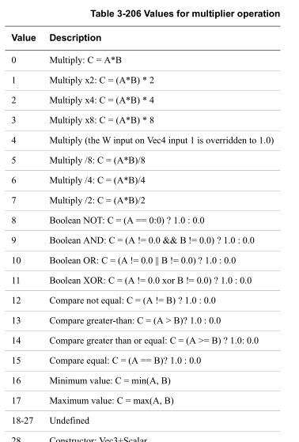

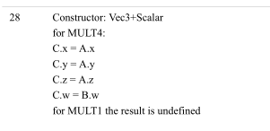

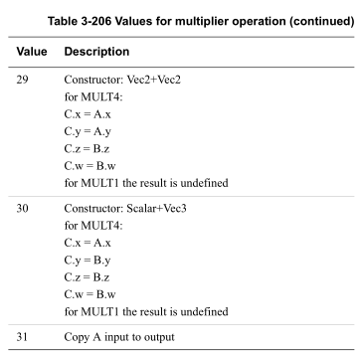

Shader Program data structures |  |  |  |  |  |  |  | En=1
 | 1 | The Header |  |  |  |  |  | 强制1
 | 2 | The varying unit instruction |  |  |  |  |  | 0
 | 3 | The texture instruction |  |  |  |  |  | 0
 | 4 | The multiply-add instructions |  |  |  |  |  | 1
 | 5 | The LUT instruction |  |  |  |  |  | 0
 | 6 | The load/store instruction |  |  |  |  |  | 0
 | 7 | The branch instruction |  |  |  |  |  | 0
 | 8
 | 9
 | 10
 | 11
 | 12

PolygonList00000000-b8000000
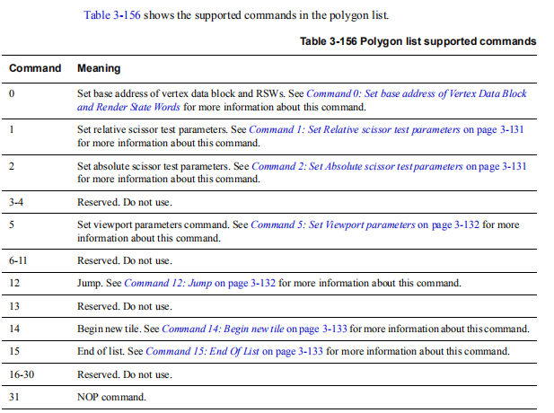
Name | Hex(PROGRAM) | HEX(32位对调） | 63 | 62 | 61 | 60 | 59 | 58 | 57 | 56 | 55 | 54 | 53 | 52 | 51 | 50 | 49 | 48 | 47 | 46 | 45 | 44 | 43 | 42 | 41 | 40 | 39 | 38 | 37 | 36 | 35 | 34 | 33 | 32 | 31 | 30 | 29 | 28 | 27 | 26 | 25 | 24 | 23 | 22 | 21 | 20 | 19 | 18 | 17 | 16 | 15 | 14 | 13 | 12 | 11 | 10 | 9 | 8 | 7 | 6 | 5 | 4 | 3 | 2 | 1 | 0
 | 00000000 b8000000
 |  | b8000000 00000000
 |  |  | 1 | 0 | 1 | 1 | 1 | 0 | 0 | 0 | 0 | 0 | 0 | 0 | 0 | 0 | 0 | 0 | 0 | 0 | 0 | 0 | 0 | 0 | 0 | 0 | 0 | 0 | 0 | 0 | 0 | 0 | 0 | 0 | 0 | 0 | 0 | 0 | 0 | 0 | 0 | 0 | 0 | 0 | 0 | 0 | 0 | 0 | 0 | 0 | 0 | 0 | 0 | 0 | 0 | 0 | 0 | 0 | 0 | 0 | 0 | 0 | 0 | 0 | 0 | 0
 |  |  | 1 to indicate command
 |  |  |  | Command opcode
 |  |  |  | 14=Command14:begin New tile
 |  |  |  |  |  |  |  |  | Reserved=0（Table 3-163)
 |  |  |  |  |  |  |  |  |  |  |  |  |  |  |  |  |  |  | [47:40] Screen Y offset, in 16-pixel units
 |  |  |  |  |  |  |  |  |  |  |  |  |  |  |  |  |  |  |  |  |  |  |  |  |  |  | [39:32] Screen X offset, in 16-pixel units
 |  |  |  |  |  |  |  |  |  |  |  |  |  |  |  |  |  |  |  |  |  |  |  |  |  |  |  |  |  |  |  |  |  |  | [31:0] Reserved = 0

polygonList00020000-00080008
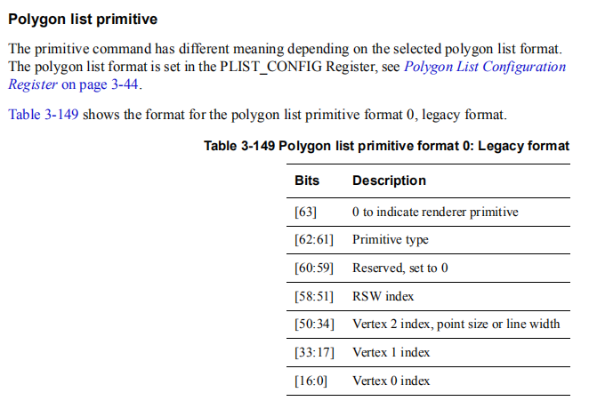
Hex(PROGRAM) | HEX(32位对调） | 63 | 62 | 61 | 60 | 59 | 58 | 57 | 56 | 55 | 54 | 53 | 52 | 51 | 50 | 49 | 48 | 47 | 46 | 45 | 44 | 43 | 42 | 41 | 40 | 39 | 38 | 37 | 36 | 35 | 34 | 33 | 32 | 31 | 30 | 29 | 28 | 27 | 26 | 25 | 24 | 23 | 22 | 21 | 20 | 19 | 18 | 17 | 16 | 15 | 14 | 13 | 12 | 11 | 10 | 9 | 8 | 7 | 6 | 5 | 4 | 3 | 2 | 1 | 0
00020000_00080008
 | 00080008_00020000
 |  | 0 | 0 | 0 | 0 | 0 | 0 | 0 | 0 | 0 | 0 | 0 | 0 | 1 | 0 | 0 | 0 | 0 | 0 | 0 | 0 | 0 | 0 | 0 | 0 | 0 | 0 | 0 | 0 | 1 | 0 | 0 | 0 | 0 | 0 | 0 | 0 | 0 | 0 | 0 | 0 | 0 | 0 | 0 | 0 | 0 | 0 | 1 | 0 | 0 | 0 | 0 | 0 | 0 | 0 | 0 | 0 | 0 | 0 | 0 | 0 | 0 | 0 | 0 | 0
 |  | [63] 0 to indicate renderer primitive
 |  |  | [62:61] Primitive type
 |  |  | 0=Triangle
 |  |  |  |  | [60:59] Reserved, set to 0
 |  |  |  |  |  |  | [58:51] RSW index=1

 |  |  |  |  |  |  |  |  |  |  |  |  |  |  | [50:34] Vertex 2 index, point size or line width=2
 |  |  |  |  |  |  |  |  |  |  |  |  |  |  |  |  |  |  |  |  |  |  |  |  |  |  |  |  |  |  |  | [33:17] Vertex 1 index=1
 |  |  |  |  |  |  |  |  |  |  |  |  |  |  |  |  |  |  |  |  |  |  |  |  |  |  |  |  |  |  |  |  |  |  |  |  |  |  |  |  |  |  |  |  |  |  |  |  | [16:0] Vertex 0 index=0

