Default Configuration
Note: This tab is a guideline for the integrator to document (for each shipment) the versions and settings that they agree to with the CBIS team. It is not a specification of the versions to be used.
 | To be filled in by integrator. |  |  |  |  |  |  |  |  |  |  | Additional iLO user "admin/admin"
 |  |  |  |  |  |  |  |  |  | HPE Product SKU#: | BD505A
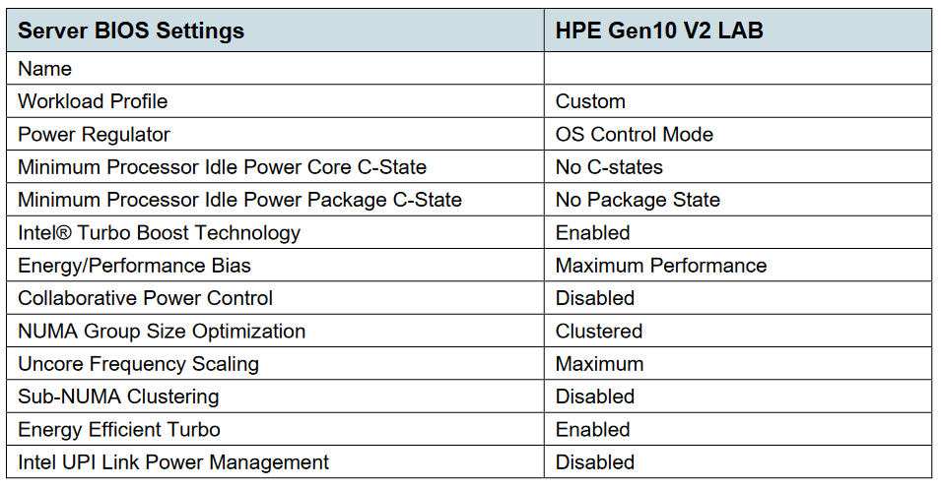
 |  |  |  |  |  |  |  |  |  | Description: | HPE iLO Adv 1-svr Lic 3yr Support
 |  | Purchase Order | HPE Order # | Suplier | HPE Product SKU# | Nokia Product Part# | Product Description | Serial number | UUID | iLO License Entitlement SN | iLO License Ke | iLO/Managment Credentials | iLO/Management IP address | iLO FW | iLO MAC Address | LOM Port 1 MAC | LOM Port 2 MAC | LOM Port 3 MAC | LOM Port 4 MAC | NIC1 Port 1 MAC | NIC1 Port2 MAC | NIC2 Port 1 MAC | NIC2 Port 2 MAC | BIOS version | URL for BIOS firmware | BIOS setting
 |  | Nokia PO# | HPE Internal Order# | HPE or Nokia | HPE is the server Part# | Nokia Product Part# | Short Description | Serial number of the particular unit | UUID of the server |  |  | username/password | IP address of the iLO port | Firmware version (including drivers) - SPP (Service Pack Proliant) | MAC address of the iLO pot | MAC Address of the Port | MAC Address of the Port | MAC Address of the Port | MAC Address of the Port | MAC Address of the Port | MAC Address of the Port | MAC Address of the Port | MAC Address of the Port | required version of the bios | The URL for firwvare | Bios setting to be checked against the current setting
 | Rack Level Configuration |  |  | HPE |  |  |  | rack SN | N/A |  |  | N/A |  | N/A | N/A | N/A | N/A | N/A | N/A | N/A | N/A | N/A | N/A | N/A | N/A | N/A
 | Power Distribution Unit A1 |  |  | HPE |  |  |  |  | N/A |  |  | N/A |  | N/A | N/A | N/A | N/A | N/A | N/A | N/A | N/A | N/A | N/A | N/A | N/A | N/A
 | Power Distribution Unit B1 |  |  | HPE |  |  |  |  | N/A |  |  | N/A |  | N/A | N/A | N/A | N/A | N/A | N/A | N/A | N/A | N/A | N/A | N/A | N/A | N/A
 | Power Distribution Unit A2 |  |  | HPE |  |  |  |  | N/A |  |  | N/A |  | N/A | N/A | N/A | N/A | N/A | N/A | N/A | N/A | N/A | N/A | N/A | N/A | N/A
 | Power Distribution Unit B2 |  |  | HPE |  |  |  |  | N/A |  |  | N/A |  | N/A | N/A | N/A | N/A | N/A | N/A | N/A | N/A | N/A | N/A | N/A | N/A | N/A
U42 | Spine switch 1/2 |  |  | Nokia | JQ077A | N/A | HPE FlexFabric 5945 32QSFP28 Switch | switch SN | N/A |  |  | admin/password | N/A | switch FW | MAC addr | N/A | N/A | N/A | N/A | N/A | N/A | N/A | N/A | N/A | N/A | N/A
U41 | Cable management |  |  | HPE |  |  |  |  | N/A |  |  | N/A |  | N/A | N/A | N/A | N/A | N/A | N/A | N/A | N/A | N/A | N/A | N/A | N/A | N/A
U40 | Compute Node #31 |  |  | HPE |  |  |  |  |  |  |  |  | DHCP |  |  |  |  |  |  |  |  |  |  | SPP 2022.09.1 |  | see BIOS Settings
U39 | Compute Node #30 |  |  | HPE |  |  |  |  |  |  |  |  | DHCP |  |  |  |  |  |  |  |  |  |  | SPP 2022.09.1 |  | see BIOS Settings
U38 | Compute Node #29 |  |  | HPE |  |  |  |  |  |  |  |  | DHCP |  |  |  |  |  |  |  |  |  |  | SPP 2022.09.1 |  | see BIOS Settings
U37 | Compute Node #28 |  |  | HPE |  |  |  |  |  |  |  |  | DHCP |  |  |  |  |  |  |  |  |  |  | SPP 2022.09.1 |  | see BIOS Settings
U36 | Compute Node #27 |  |  | HPE |  |  |  |  |  |  |  |  | DHCP |  |  |  |  |  |  |  |  |  |  | SPP 2022.09.1 |  | see BIOS Settings
U35 | Compute Node #26 |  |  | HPE |  |  |  |  |  |  |  |  | DHCP |  |  |  |  |  |  |  |  |  |  | SPP 2022.09.1 |  | see BIOS Settings
U34 | Compute Node #25 |  |  | HPE |  |  |  |  |  |  |  |  | DHCP |  |  |  |  |  |  |  |  |  |  | SPP 2022.09.1 |  | see BIOS Settings
U33 | Compute Node #24 |  |  | HPE |  |  |  |  |  |  |  |  | DHCP |  |  |  |  |  |  |  |  |  |  | SPP 2022.09.1 |  | see BIOS Settings
U32 | Compute Node #23 |  |  | HPE |  |  |  |  |  |  |  |  | DHCP |  |  |  |  |  |  |  |  |  |  | SPP 2022.09.1 |  | see BIOS Settings
U31 | Compute Node #22 |  |  | HPE |  |  |  |  |  |  |  |  | DHCP |  |  |  |  |  |  |  |  |  |  | SPP 2022.09.1 |  | see BIOS Settings
U30 | Compute Node #21 |  |  | HPE |  |  |  |  |  |  |  |  | DHCP |  |  |  |  |  |  |  |  |  |  | SPP 2022.09.1 |  | see BIOS Settings
U29 | Compute Node #20 |  |  | HPE |  |  |  |  |  |  |  |  | DHCP |  |  |  |  |  |  |  |  |  |  | SPP 2022.09.1 |  | see BIOS Settings
U28 | Compute Node #19 |  |  | HPE |  |  |  |  |  |  |  |  | DHCP |  |  |  |  |  |  |  |  |  |  | SPP 2022.09.1 |  | see BIOS Settings
U27 | Compute Node #18 |  |  | HPE |  |  |  |  |  |  |  |  | DHCP |  |  |  |  |  |  |  |  |  |  | SPP 2022.09.1 |  | see BIOS Settings
U26 | Compute Node #17 |  |  | HPE |  |  |  |  |  |  |  |  | DHCP |  |  |  |  |  |  |  |  |  |  | SPP 2022.09.1 |  | see BIOS Settings
U25 | Compute Node #16 |  |  | HPE |  |  |  |  |  |  |  |  | DHCP |  |  |  |  |  |  |  |  |  |  | SPP 2022.09.1 |  | see BIOS Settings
U24 | Leaf switch 1 |  |  | HPE | JQ077A | N/A | HPE FlexFabric 5945 32QSFP28 Switch | switch SN | N/A |  |  | admin/password | N/A | switch FW | MAC addr | N/A | N/A | N/A | N/A | N/A | N/A | N/A | N/A | N/A | N/A | N/A
U23 | Cable management |  |  | HPE |  |  |  |  | N/A |  |  | N/A |  | N/A | N/A | N/A | N/A | N/A | N/A | N/A | N/A | N/A | N/A | N/A | N/A | N/A
U22 | Leaf switch 2 |  |  | HPE | JQ077A | N/A | HPE FlexFabric 5945 32QSFP28 Switch | switch SN | N/A |  |  | admin/password | N/A | switch FW | MAC addr | N/A | N/A | N/A | N/A | N/A | N/A | N/A | N/A | N/A | N/A | N/A
U21 | Cable management |  |  | HPE |  |  |  |  | N/A |  |  | N/A |  | N/A | N/A | N/A | N/A | N/A | N/A | N/A | N/A | N/A | N/A | N/A | N/A | N/A
U20 | HW Management switch |  |  | HPE | JL864A | N/A | HPE FlexFabric 5901AF JL864A | switch SN |  |  |  | factory/FACT0RY1! | 10.93.255.253 | switch FW | MAC addr |  |  |  |  |  |  |  |  | ? |  | N/A
U19 | Cable management |  |  | HPE |  |  |  |  | N/A |  |  | N/A |  | N/A | N/A | N/A | N/A | N/A | N/A | N/A | N/A | N/A | N/A | N/A | N/A | N/A
U18 | Infra node #1 |  |  | HPE |  |  |  |  |  |  |  |  | DHCP |  |  |  |  |  |  |  |  |  |  | SPP 2022.09.1 |  | see BIOS Settings
U17 | Compute/Controller Node #2 |  |  | HPE |  |  |  |  |  |  |  |  | DHCP |  |  |  |  |  |  |  |  |  |  | SPP 2022.09.1 |  | see BIOS Settings
U16 | Compute/Controller Node #3 |  |  | HPE |  |  |  |  |  |  |  |  | DHCP |  |  |  |  |  |  |  |  |  |  | SPP 2022.09.1 |  | see BIOS Settings
U15 | Compute/Controller Node #4 |  |  | HPE |  |  |  |  |  |  |  |  | DHCP |  |  |  |  |  |  |  |  |  |  | SPP 2022.09.1 |  | see BIOS Settings
U14 | Compute/Controller Node #5 |  |  | HPE |  |  |  |  |  |  |  |  | DHCP |  |  |  |  |  |  |  |  |  |  | SPP 2022.09.1 |  | see BIOS Settings
U13 | Compute/Controller Node #6 |  |  | HPE |  |  |  |  |  |  |  |  | DHCP |  |  |  |  |  |  |  |  |  |  | SPP 2022.09.1 |  | see BIOS Settings
U12 | Compute/Controller Node #7 |  |  | HPE |  |  |  |  |  |  |  |  | DHCP |  |  |  |  |  |  |  |  |  |  | SPP 2022.09.1 |  | see BIOS Settings
U11 | Compute/Controller Node #8 |  |  | HPE |  |  |  |  |  |  |  |  | DHCP |  |  |  |  |  |  |  |  |  |  | SPP 2022.09.1 |  | see BIOS Settings
U10 | Compute/Controller Node #9 |  |  | HPE |  |  |  |  |  |  |  |  | DHCP |  |  |  |  |  |  |  |  |  |  | SPP 2022.09.1 |  | see BIOS Settings
U9 | Compute/Controller Node #10 |  |  | HPE |  |  |  |  |  |  |  |  | DHCP |  |  |  |  |  |  |  |  |  |  | SPP 2022.09.1 |  | see BIOS Settings
U8 | Compute/Controller Node #11 |  |  | HPE |  |  |  |  |  |  |  |  | DHCP |  |  |  |  |  |  |  |  |  |  | SPP 2022.09.1 |  | see BIOS Settings
U7 | Compute/Controller Node #12 |  |  | HPE |  |  |  |  |  |  |  |  | DHCP |  |  |  |  |  |  |  |  |  |  | SPP 2022.09.1 |  | see BIOS Settings
U6 | Storage node #13 |  |  | HPE |  |  |  |  |  |  |  |  | DHCP |  |  |  |  |  |  |  |  |  |  | SPP 2022.09.1 |  | see BIOS Settings
U5 |  |  |  | HPE |  |  |  |  |  |  |  |  | DHCP |  |  |  |  |  |  |  |  |  |  |  |  | see BIOS Settings
U4 | Storage node #14 |  |  | HPE |  |  |  |  |  |  |  |  | DHCP |  |  |  |  |  |  |  |  |  |  | SPP 2022.09.1 |  | see BIOS Settings
U3 |  |  |  | HPE |  |  |  |  |  |  |  |  | DHCP |  |  |  |  |  |  |  |  |  |  |  |  | see BIOS Settings
U2 | Storage node #15 |  |  | HPE |  |  |  |  |  |  |  |  | DHCP |  |  |  |  |  |  |  |  |  |  | SPP 2022.09.1 |  | see BIOS Settings
U1 |  |  |  | HPE |  |  |  |  |  |  |  |  | DHCP |  |  |  |  |  |  |  |  |  |  |  |  | see BIOS Settings

