SPC Report
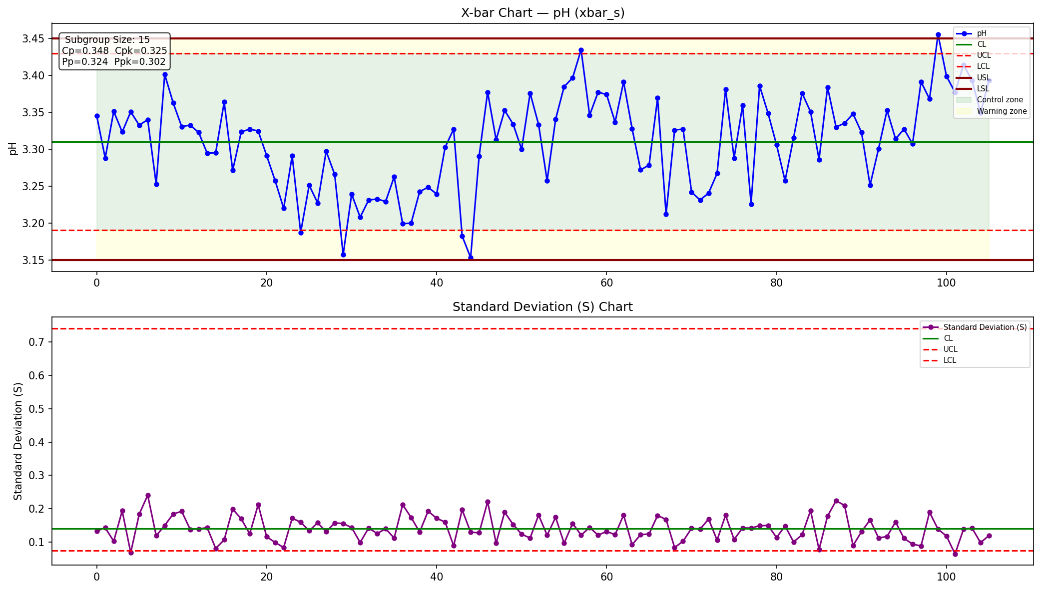
Column | pH
Chart Type | xbar_s
Subgroup Size | 15
CL (X-bar) | 3.3102
UCL | 3.4298
LCL | 3.1907
USL | 3.45
LSL | 3.15
Sigma (ST) | 0.1435
Sigma (LT) | 0.1544
Cp | 0.3483
Cpk | 0.3245
Pp | 0.3239
Ppk | 0.3017

