Summary Comparison Jul2025
Faii and Phob Compare Result --> Total 793 pairs
Agree Yes | 314
Agree No | 349
Disagree | 130 | to align for feature addition, functional enhancement
Sum | 793

Note: Calculation https://www.statology.org/cohens-kappa-calculator/
Above 0.61


2025-01-11
Clear Disagree | 130
Functional Enhancement | 33 | 97
Feature Addition | 10 | 87

 |  |  | Cancel
2025-01-11 |  |  | 2025-07-20 | Diff 21 | 2025-08-05 | Diff 16 | 2025-08-20 | Diff 5
Agree Yes | 314 | / | Agree Yes | 293 | Agree Yes | 298 | Agree Yes | 293
Agree No | 392 | / | Agree No | 413 | Agree No | 408 | Agree No | 413
Disagree | 87 |  | Disagree | 87 | Disagree | 87 | Disagree | 87
 | 793 |  |  | 793 |  | 793 |  | 793
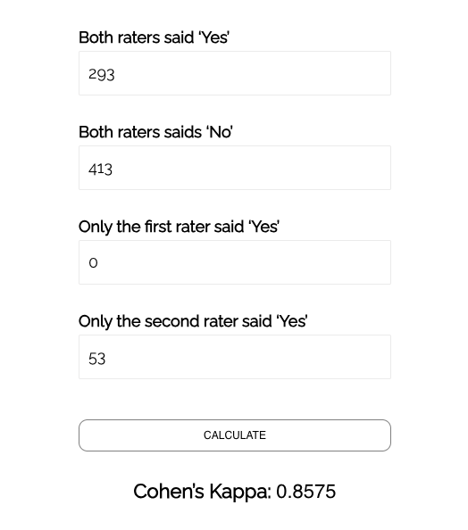

Faii & Phon agree yes
Faii & Phob agree no
Faii yes/ phob no
Faii no/phob yes

793

Final Result
Total | 793
Agree Yes | 391
Agree No | 402

Summary Comparison
Faii and Phob Compare Result --> Total 793 pairs
Agree Yes | 314
Agree No | 349
Disagree | 130 | to align for feature addition, functional enhancement
Sum | 793

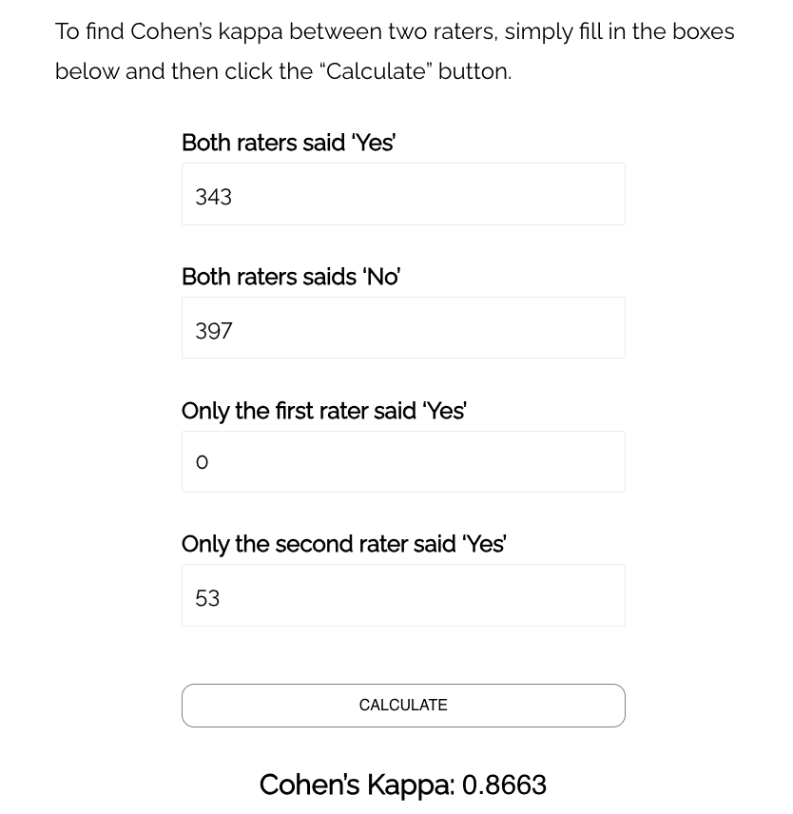
Note: Calculation https://www.statology.org/cohens-kappa-calculator/
Above 0.61

2025-01-11
Clear Disagree | 130
Functional Enhancement | 33 | 97
Feature Addition | 10 | 87

2025-01-11
Agree Yes | 314 | /
Agree No | 392 | /
Disagree | 87
 | 793

Faii & Phon agree yes
Faii & Phob agree no
Faii yes/ phob no
Faii no/phob yes

793

Final Result | 2025-01-01 | 2025-07-01
Total | 793
Agree Yes | 391 | 371
Agree No | 402 | 422

