Stores Map
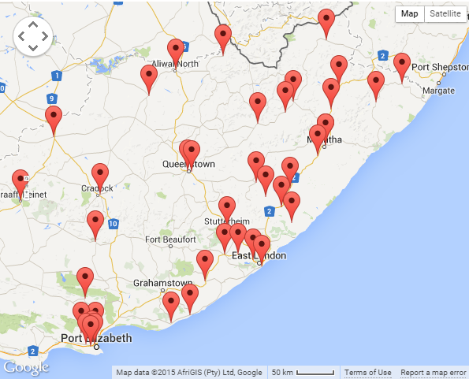
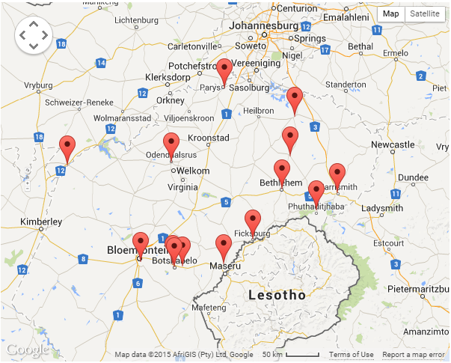
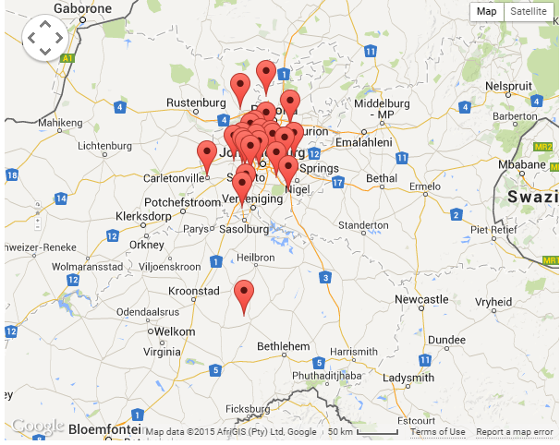
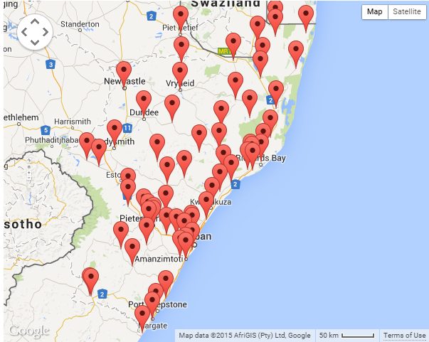
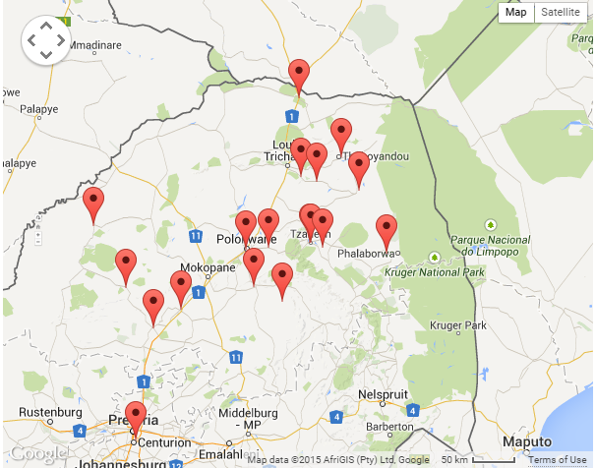
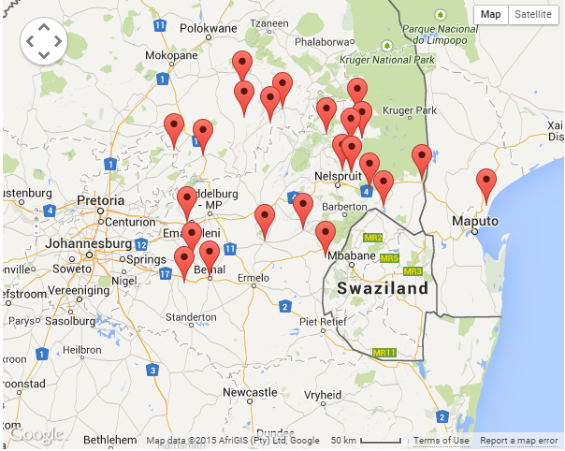
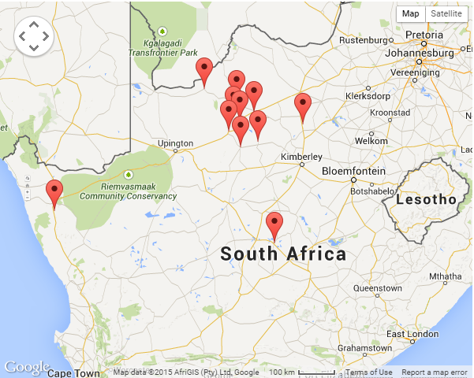
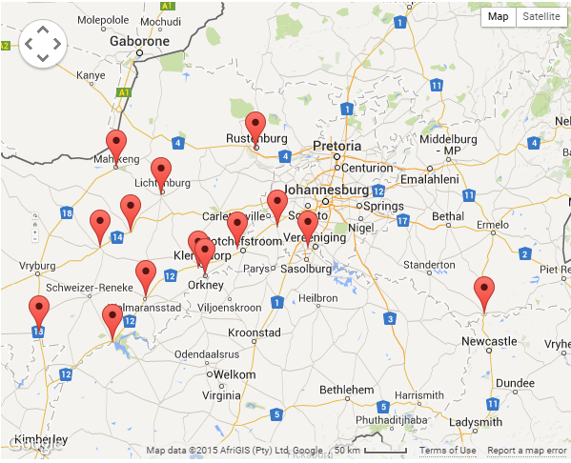
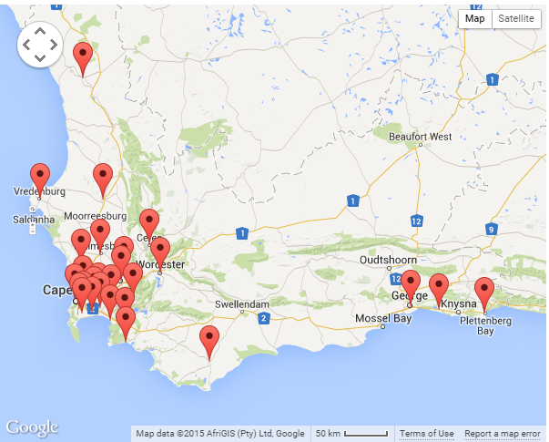
STORE | TOWN/CITY | BUILD IT | EC | FREE STATE | GAUTENG | KZN | LIMPOPO | MPUMA | N CAPE | NW PROVINCE | W CAPE
CASHBUILD | Pretoria West
CASHBUILD | Montana
CASHBUILD | Tembisa North
CASHBUILD | Tembisa Plaza
CASHBUILD | Centurion
CASHBUILD | Silvertondale
CASHBUILD | Wonderpark
CASHBUILD | Mamelodi Diy
CASHBUILD | Olievenhoutbosch
CASHBUILD | Benoni
CASHBUILD | Edenvale
CASHBUILD | Cavendish Glen
CASHBUILD | Tembi Mall
CASHBUILD | Kempton Park
CASHBUILD | Greenstone Hill
CASHBUILD | Alexander Diy
CASHBUILD | Daveyton
CASHBUILD | Highgate
CASHBUILD | Meadowlands
CASHBUILD | Protea Gardens
CASHBUILD | Protea Glen
CASHBUILD | Ennerdale
CASHBUILD | Diepkloof
CASHBUILD | Evaton
CASHBUILD | Orange Farm Town Square
CASHBUILD | Orange Farm Central | BOTS |  | LESOTHO | MOZAM | NAMIBIA | SWAZILAND
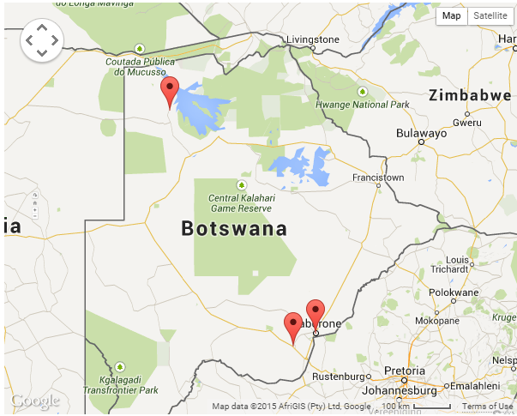
CASHBUILD | Chris Hani
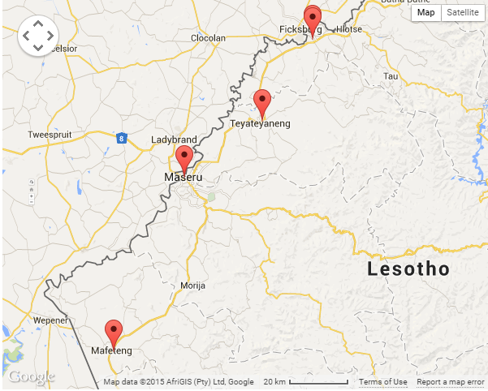
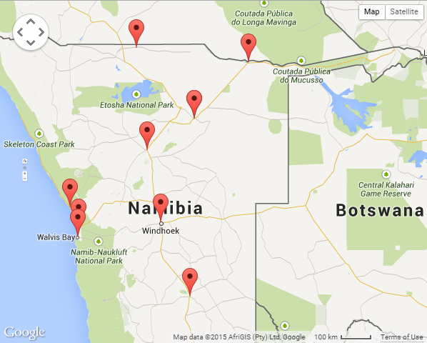
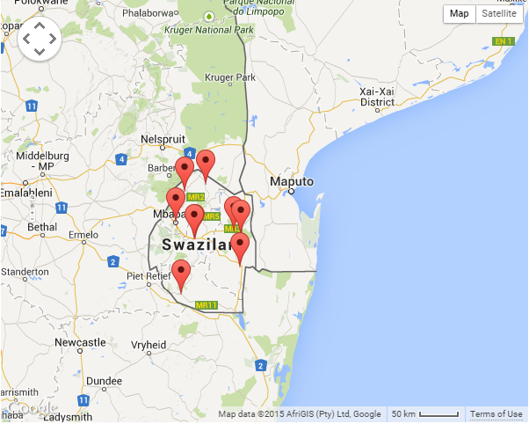
CASHBUILD | Katlehong |  |  |  | MAPUTO
CASHBUILD | Vosloorus
CASHBUILD | Sebokeng
CASHBUILD | Sebokeng Diy
CASHBUILD | Powerville (Vereeniging)
CASHBUILD | Kwa -Thema
CASHBUILD | Tsakane
CASHBUILD | Tsakane Corner
CASHBUILD | Zamdela
CASHBUILD | Bethal
CASHBUILD | Emalahleni Central
CASHBUILD | Emalahleni Industrial
CASHBUILD | Ermelo
CASHBUILD | Middelburg
CASHBUILD | Elukwatini
CASHBUILD | Piet Retief
CASHBUILD | Springs
CASHBUILD | Standerton
CASHBUILD | Mhluzi
CASHBUILD | Kwagukwa
CASHBUILD | Empangeni Relocation
CASHBUILD | Eshowe Central
CASHBUILD | Nqutu Central
CASHBUILD | Richards Bay
CASHBUILD | Ulundi
CASHBUILD | Mkuze
CASHBUILD | Pongola
CASHBUILD | Vryheid Central
CASHBUILD | Stanger
CASHBUILD | Nongoma
CASHBUILD | Mtubatuba
CASHBUILD | Jozini
CASHBUILD | Kwa Mashu
CASHBUILD | Umlazi
CASHBUILD | Howick
CASHBUILD | Ladysmith
CASHBUILD | Newcastle
CASHBUILD | Newcastle (Theku Plaza)
CASHBUILD | Malawi - Lilongwe
CASHBUILD | Malawi - Blantyre
CASHBUILD | Hillfox Relocation
CASHBUILD | Northriding Diy
CASHBUILD | Southgate
CASHBUILD | Ontdekkers
CASHBUILD | Randfontein
CASHBUILD | Cosmo City
CASHBUILD | Acornhoek
CASHBUILD | Bushbuckridge Central
CASHBUILD | Hazyview
CASHBUILD | Thulamahashe
CASHBUILD | Lydenburg
CASHBUILD | Mkhuhlu Central
CASHBUILD | Numbi Gate
CASHBUILD | Naas
CASHBUILD | Nelspruit Plaza
CASHBUILD | Schoemansdal
CASHBUILD | Kabokweni Central
CASHBUILD | Kanyamazane
CASHBUILD | White River
CASHBUILD | Tonga
CASHBUILD | Burgersfort Central
CASHBUILD | Steelpoort
CASHBUILD | Manzini
CASHBUILD | Matsapha
CASHBUILD | Mbabane
CASHBUILD | Nhlangano
CASHBUILD | Piggs Peak
CASHBUILD | Tshaneni Central
CASHBUILD | Ezulwini
CASHBUILD | Dennilton
CASHBUILD | Hammanskraal
CASHBUILD | Moloto
CASHBUILD | Bela Bela
CASHBUILD | Tweefontein
CASHBUILD | Jubilee Mall
CASHBUILD | Siyabuswa Mall
CASHBUILD | Groblersdal
CASHBUILD | Apel
CASHBUILD | Modimolle Diy
CASHBUILD | Moratiwa Crossing
CASHBUILD | Lebowakgomo
CASHBUILD | Lebowakgomo Central
CASHBUILD | Zebediela Plaza
CASHBUILD | Louis Trichardt Central
CASHBUILD | Makhado
CASHBUILD | Mukula
CASHBUILD | Mussina
CASHBUILD | Phangami Mall
CASHBUILD | Bochum
CASHBUILD | Botlokwa
CASHBUILD | Steiloop
CASHBUILD | Thohoyandou
CASHBUILD | Saselamani
CASHBUILD | Elim
CASHBUILD | Maake
CASHBUILD | Polokwane Central
CASHBUILD | Polokwane Diy (Thornhill)
CASHBUILD | Phalaborwa
CASHBUILD | Seshego
CASHBUILD | Mokopane
CASHBUILD | Tzaneen
CASHBUILD | Mahwelereng
CASHBUILD | Namakgale
CASHBUILD | Giyani Central
CASHBUILD | Francistown
CASHBUILD | Mahalapye
CASHBUILD | Maun (New)
CASHBUILD | Selebi Phikwe
CASHBUILD | Serowe Central
CASHBUILD | Gaborone West
CASHBUILD | Gaborone North
CASHBUILD | Jwaneng
CASHBUILD | Lobatse
CASHBUILD | Molepolole Central
CASHBUILD | Ondangwa
CASHBUILD | Oshakati
CASHBUILD | Windhoek Central
CASHBUILD | Uitenhage Central
CASHBUILD | Ziyabuya
CASHBUILD | Daku
CASHBUILD | Kwanobuhle
CASHBUILD | Humansdorp
CASHBUILD | Oudtshoorn
CASHBUILD | Thembalethu
CASHBUILD | New Brighton
CASHBUILD | Brackenfell Central
CASHBUILD | Gugulethu
CASHBUILD | Mitchells Plein
CASHBUILD | Makhaza
CASHBUILD | Montague Gardens Central
CASHBUILD | Nyanga
CASHBUILD | Brits
CASHBUILD | Hebron
CASHBUILD | Lethlabile
CASHBUILD | Mabopane
CASHBUILD | Soshanguve Plaza
CASHBUILD | Soshanguve Industrial
CASHBUILD | Soshanguve Batho Plaza
CASHBUILD | Soshanguve Thorntree
CASHBUILD | Jouberton
CASHBUILD | Klerksdorp Central (New)
CASHBUILD | Lichtenburg
CASHBUILD | Mafikeng
CASHBUILD | Mmabatho Central
CASHBUILD | Mogwase
CASHBUILD | Northam
CASHBUILD | Lephalale
CASHBUILD | Rustenburg
CASHBUILD | Boitekong
CASHBUILD | Moruleng Diy
CASHBUILD | Marapong
CASHBUILD | Mthata East
CASHBUILD | Mthata Central
CASHBUILD | Mount Frere
CASHBUILD | Butterworth
CASHBUILD | Lusikisiki - Relocation
CASHBUILD | Mqanduli
CASHBUILD | Kokstad Central
CASHBUILD | Matatiele Central
CASHBUILD | Port Shepstone
CASHBUILD | Harding
CASHBUILD | Umzimkulu
CASHBUILD | Amalinda
CASHBUILD | Mdantsane
CASHBUILD | East London Relocation
CASHBUILD | Bizana
CASHBUILD | Mafeteng
CASHBUILD | Maseru H/C
CASHBUILD | Mohale'shoek
CASHBUILD | Leribe
CASHBUILD | Maputsoe
CASHBUILD | Bethlehem Central
CASHBUILD | Ficksburg Central
CASHBUILD | Qwa Qwa Phutaditjaba
CASHBUILD | Qwa Qwa Central Setsing
CASHBUILD | Qwa Qwa H/C
CASHBUILD | Welkom Industrial
CASHBUILD | Welkom Central
CASHBUILD | Thabong Diy
CASHBUILD | Hartswater
CASHBUILD | Taung Central
CASHBUILD | Rocklands
CASHBUILD | Bloemfontein
CASHBUILD | Colesberg
CASHBUILD | Kroonstad Central
CASHBUILD | Sterkspruit
CASHBUILD | Cofimvaba
CASHBUILD | King William's Town
CASHBUILD | Engcobo
CASHBUILD | Lady Frere
CASHBUILD | Queenstown Central
CASHBUILD | Alice
CASHBUILD | Fort Beaufort
CASHBUILD | Aliwal Noord
CASHBUILD | Kuruman
CASHBUILD | Mothibistad Relocation
CASHBUILD | Vryburg Central
CASHBUILD | Ganyesa
CASHBUILD | Thaba Nchu
CASHBUILD | Botshabelo
CASHBUILD | Ladybrand
Builders Express | Amanzimtoti
Builders Express | Ballito
Builders Express | Bryanston
Builders Express | Craighall Park
Builders Express | East London
Builders Express | Florida Glen
Builders Express | Fourways Cedar
Builders Express | Greenstone
Builders Express | Hermanus
Builders Express | Hillcrest
Builders Express | Jeffreys Bay
Builders Express | Kenilworth
Builders Express | Knysna
Builders Express | Lambton
Builders Express | Lynnwood
Builders Express | Margate
Builders Express | Middelburg
Builders Express | N1 City Goodwood
Builders Express | Newton Park
Builders Express | Norwood
Builders Express | Park Rynie
Builders Express | Pietermaritzburg
Builders Express | Pinetown
Builders Express | Potchefstroom
Builders Express | Queenstown
Builders Express | Raslouw
Builders Express | Richards Bay
Builders Express | Robindale
Builders Express | Shelly Beach
Builders Express | Southgate
Builders Express | Stellenbosch
Builders Express | Sunwald Park
Builders Express | Uitenhage
Builders Express | Umgeni Road
Builders Express | Umhlanga
Builders Express | Kabega Park
Builders Express | Walmer
Builders Express | Willowbridge
Builders Express | Wonderpark
Builders Express | Worcester
Builders Superstore | Commercia Tembisa
Builders Superstore | Cosmo City
Builders Superstore | Evaton
Builders Superstore | Kokstad
Builders Superstore | Protea Glen
Builders Superstore | Tswelapele
Builders Superstore | Vosloorus
Builders Superstore | Willowvale
Builders Trade Depot | Bloemfontein
Builders Trade Depot | Gonubie
Builders Trade Depot | King William's Town
Builders Trade Depot | Marburg
Builders Trade Depot | Paarl
Builders Trade Depot | Pietermaritzburg
Builders Trade Depot | Pinetown
Builders Trade Depot | Polokwane
Builders Trade Depot | Pretoria Gardens
Builders Trade Depot | Pretoria West
Builders Trade Depot | Rossburgh
Builders Trade Depot | Rustenburg
Builders Trade Depot | Soweto
Builders Trade Depot | Upington
Builders Trade Depot | Vredenburg
Builders Trade Depot | Wetton
Builders Trade Depot | Witbank
Builders Warehouse | Bedworth Park
Builders Warehouse | Bloemfontein
Builders Warehouse | Boksburg
Builders Warehouse | Cape Gate
Builders Warehouse | Centurion
Builders Warehouse | City Store
Builders Warehouse | Constantiaberg
Builders Warehouse | Edenvale
Builders Warehouse | Emalahleni
Builders Warehouse | Faerie Glen
Builders Warehouse | Fourways
Builders Warehouse | Francistown - Bots
Builders Warehouse | George
Builders Warehouse | Gezina
Builders Warehouse | Glen Eagles
Builders Warehouse | Helderberg
Builders Warehouse | Kempton Park
Builders Warehouse | Klerksdorp
Builders Warehouse | Nelspruit
Builders Warehouse | Newcastle
Builders Warehouse | North Riding
Builders Warehouse | Polokwane
Builders Warehouse | Port Elizabeth
Builders Warehouse | Riverhorse Park
Builders Warehouse | Rivonia
Builders Warehouse | Rustenburg
Builders Warehouse | Strubens Valley
Builders Warehouse | Tableview
Builders Warehouse | Tygerberg
Builders Warehouse | Woodlands
Builders Warehouse | Zambezi
Builders Warehouse | Gaborone
Builders Warehouse | Matola - Moz
Builders Warehouse | Tete - Moz
Builders Warehouse | Xai-Xai - Moz
BUCO | Vaal
BUCO | Wierda Park
BUCO | Honeydew
BUCO | Chamdor
BUCO | Rietpan
BUCO | Acornhoek
BUCO | Burgersfort
BUCO | Nelspruit
BUCO | Malelane
BUCO | White River
BUCO | Hazyview
BUCO | Hoedspruit
BUCO | Jane Furse
BUCO | Lydenburg
BUCO | Middelburg
BUCO | Brits
BUCO | Giyani
BUCO | Lephalale
BUCO | Polokwane Rissik
BUCO | Polokwane Sapphire
BUCO | Embalenhle
BUCO | Rustenburg
BUCO | Shayandima
BUCO | Thabazimbi
BUCO | Bloemfontein
BUCO | Kathu
BUCO | Kimberley
BUCO | Klerksdorp
BUCO | Mafikeng
BUCO | Welkom
BUCO | Athlone
BUCO | Bergvliet
BUCO | Nyanga
BUCO | Plaza
BUCO | Vasco
BUCO | Truss Plant
BUCO | Somerset West
BUCO | East London
BUCO | Grahamstown
BUCO | Kenton-on-Sea
BUCO | Port Alfred/ Industrial Yard
BUCO | Jeffreys Bay & Manor Heights
BUCO | Uitenhage
BUCO | Empangeni
BUCO | Pinetown
BUCO | Ramsgate
Suncol | Benoni
IRONMONGERY
BRAND | OPERATION
Buchel Hardware | Arcadia
Buchel Hardware & Tool Centre | Montana
Buchel Hardware & Tool Centre | Fearie Glen
Buchel Tool Centre | Arcadia
Design Hardware | Strijdom Park
Design Hardware | Woodmead
Bildware | KZN
W&B Hardware | Bellville
W&B Hardware | Claremont
W&B Hardware | Port Elizabeth
Saflok SA | Edenvale
WHOLESALE PLUMBING AND HARDWARE
Cachet/K&K | Johannesburg
Cachet/K&K | KZN
Cachet/K&K | Cape Town
BOARDS
Chipbase | Bellville
Chipbase | Durbanville
Chipbase | North Riding
Chipbase | Montague Gardens
Chipbase | Retreat
Chipbase | Somerset West
Chipbase | Topform
Citiwood | Cape Town
Citiwood | Denver
Citiwood | KZN
Citiwood | Vaal
EQUIPMENT HIRE
B-One | Centurion

