Instructions
Instructions
Step | Task
1 | Navigate to the Calculator tab (below) and enter values in the green tinted cells

2 | Review Calculator information for accuracy

3 | 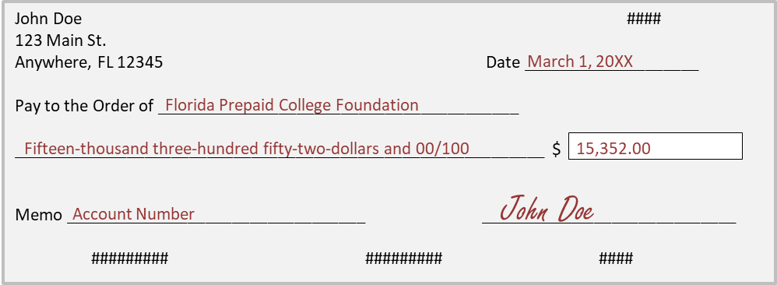 Cut a check using the diagram below for the amount marked as Final Check Amount on the Calculator Tab

4 |  Mail the check from step 3, a print out of the Calculator tab, and a letter (optional) to the lockbox address listed in the diagram below

Florida Prepaid College Foundation Contact Information
Email | prepaid.foundation@myfloridaprepaid.com
Phone | (850) 922-6740

Calculator

Purchase Calculator
Contract Year 2021
**This scholarship purchase calculator is for information purposes only. Final purchases will be reviewed and approved by the Florida Prepaid College Foundation.**

 | ►Please fill in all cells that have a green tint

Foundation Name:

Scholarship Type:

Final Check Amount: | $-

 | Number of Contracts | Total Contract Price | Amount to be Matched | Donor Amount Due Before App Fees | App Fees | Total Amount Due by Donor
Prepaid Plans: | 0 | $- | $- | $- | $- | $-
Dormitory: | 0 | $- | $- | $- | $- | $-
Grand Total: | 0 | $- | $- | $- | $- | $-

 | SRO Adjustment | Total Contract Price | Amount to be Matched | Donor Amount Due Before App Fees | App Fees | Total Amount Due by Donor
SRO Adjustment: | $- | $- | $- | $- | $- | $-

Florida Prepaid College Plans - These are bundled plans and include the traditional tuition, local fee and tuition differential fee plan |  |  |  |  |  |  |  | Internal Use
Quantity | Plan Type | Projected Enrollment Year | Contract Price | App Fee | Quantity * Contract Price | Quantity * App Fee | Total Contract Price with App Fees | 1/2 Contract Price | 1/2 CP Plus App Fee
0 | Plan Type | PEY | $0.00 | $50.00 | $- | $- | $- | $0.000 | $50.000
0 | Plan Type | PEY | $0.00 | $50.00 | $- | $- | $- | $0.000 | $50.000
0 | Plan Type | PEY | $0.00 | $50.00 | $- | $- | $- | $0.000 | $50.000
0 | Plan Type | PEY | $0.00 | $50.00 | $- | $- | $- | $0.000 | $50.000
0 | Plan Type | PEY | $0.00 | $50.00 | $- | $- | $- | $0.000 | $50.000
0 | Plan Type | PEY | $0.00 | $50.00 | $- | $- | $- | $0.000 | $50.000
0 | Plan Type | PEY | $0.00 | $50.00 | $- | $- | $- | $0.000 | $50.000
0 | Plan Type | PEY | $0.00 | $50.00 | $- | $- | $- | $0.000 | $50.000
0 | Plan Type | PEY | $0.00 | $50.00 | $- | $- | $- | $0.000 | $50.000
0 | Plan Type | PEY | $0.00 | $50.00 | $- | $- | $- | $0.000 | $50.000
0 | Plan Type | PEY | $0.00 | $50.00 | $- | $- | $- | $0.000 | $50.000
0 | Plan Type | PEY | $0.00 | $50.00 | $- | $- | $- | $0.000 | $50.000

Dormitory - These are dormitory plans that can be purchased for a pre-existing tuition scholarship plan or new tuition scholarship |  |  |  |  |  |  |  | Internal Use
Quantity | Plan Type | Projected Enrollment Year | Adding to a new or existing scholarship? | Contract Price | Quantity * Contract Price | Quantity * App Fee | Total Contract Price with App Fees | 1/2 Contract Price | 1/2 CP Plus App Fee
0 | Plan Type | PEY | Select | $0.00 | $- | $- | $- | $0.000 | $0.000
0 | Plan Type | PEY | Select | $0.00 | $- | $- | $- | $0.000 | $0.000
0 | Plan Type | PEY | Select | $0.00 | $- | $- | $- | $0.000 | $0.000
0 | Plan Type | PEY | Select | $0.00 | $- | $- | $- | $0.000 | $0.000
0 | Plan Type | PEY | Select | $0.00 | $- | $- | $- | $0.000 | $0.000

