DataSample
NRCS database | CoverID | Class | A | B | C | D | Landsoil_ID | CN
 | 10 | Water bodies | 98 | 98 | 98 | 98 | 11 | 98
Forested Wetland | 20 | Mangrove | 30 | 55 | 70 | 77 | 12 | 98
Evergreen Forest | 30 | Evergreen Forest | 40 | 66 | 77 | 85 | 13 | 98
Deciduous Forest | 40 | Tropical dry forest | 36 | 60 | 73 | 79 | 14 | 98
Agriculture | 50 | Crops | 77 | 86 | 91 | 94 | 21 | 30
Pasture (Fair) | 60 | Grassland | 49 | 69 | 79 | 84 | 22 | 55
Beaches | 70 | Littoral | 50 | 50 | 50 | 50 | 23 | 70
Residential (12% imp) | 80 | Villages | 46 | 65 | 77 | 82 | 24 | 77
 | 90 | Burned land | 49 | 69 | 79 | 84 | 31 | 40
 |  |  |  |  |  |  | 32 | 66
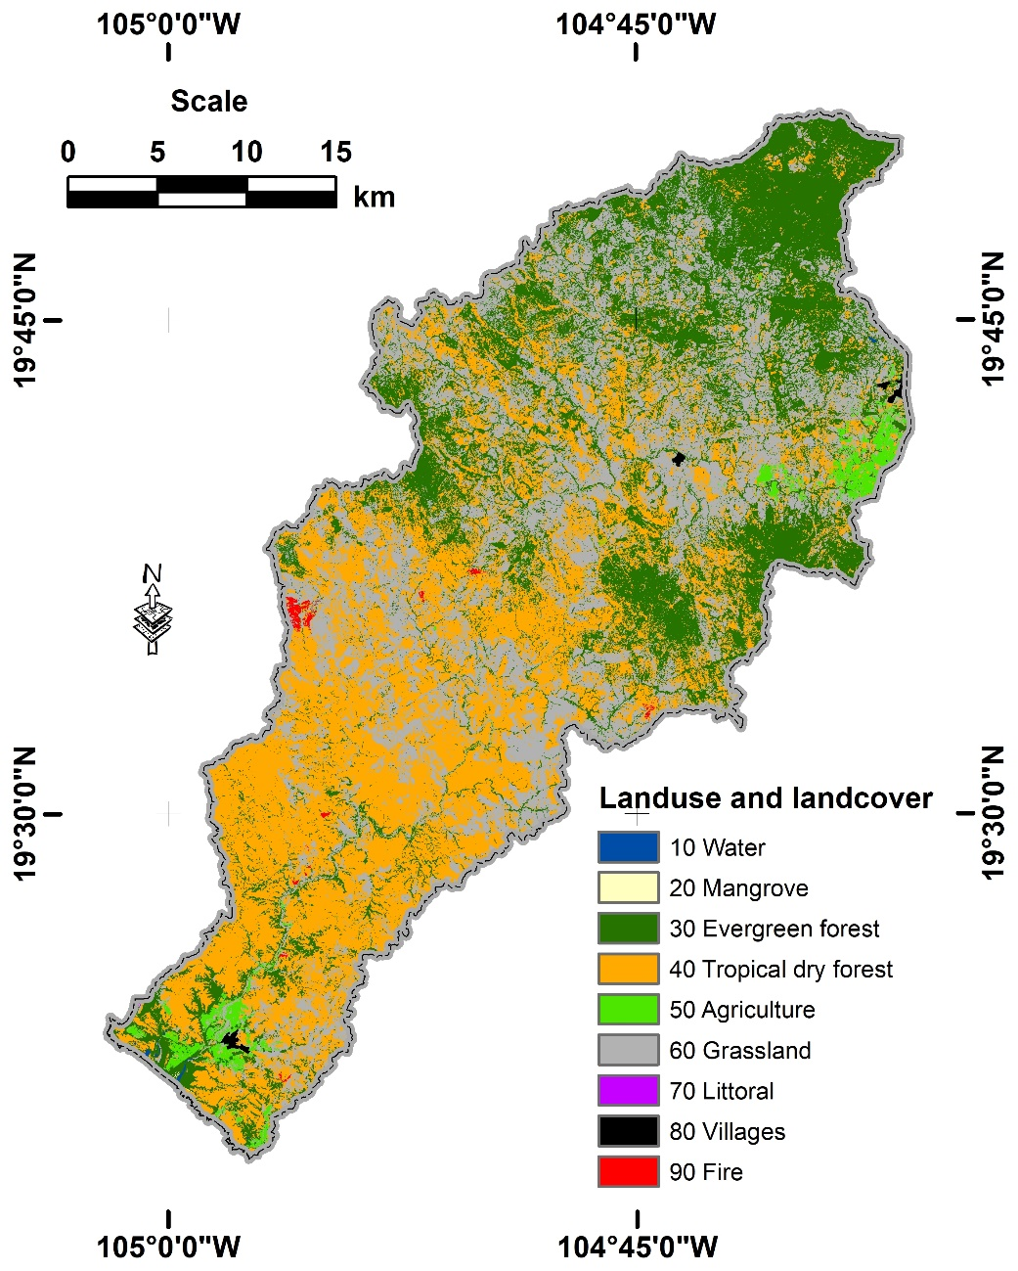
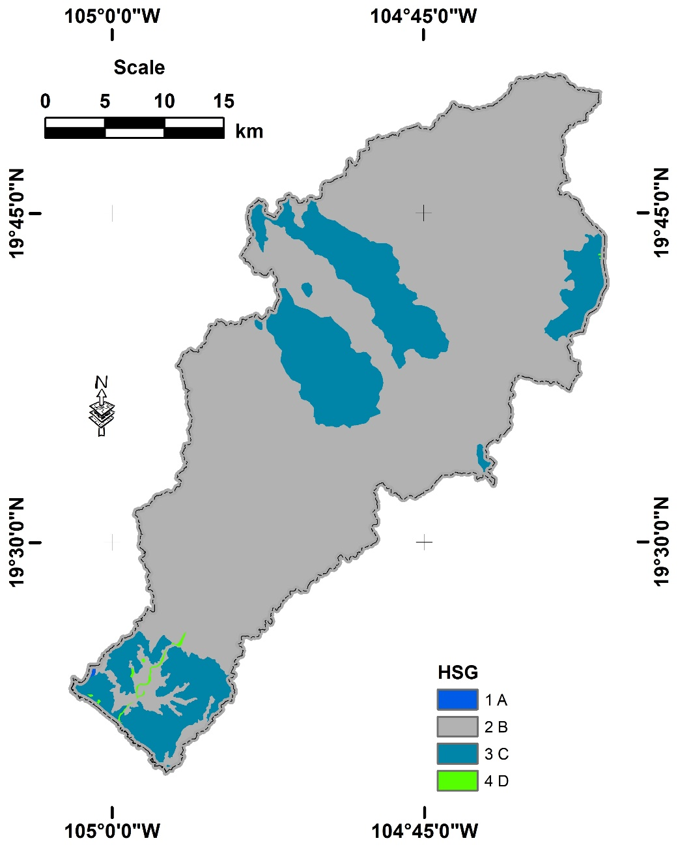
 |  |  |  |  |  |  | 33 | 77
 |  |  |  |  |  |  | 34 | 85
 |  |  |  |  |  |  | 41 | 36
 |  |  |  |  |  |  | 42 | 60
 |  |  |  |  |  |  | 43 | 73
 |  |  |  |  |  |  | 44 | 79
 |  |  |  |  |  |  | 51 | 77
 |  |  |  |  |  |  | 52 | 86
 |  |  |  |  |  |  | 53 | 91
 |  |  |  |  |  |  | 54 | 94
 |  |  |  |  |  |  | 61 | 49
 |  |  |  |  |  |  | 62 | 69
 |  |  |  |  |  |  | 63 | 79
 |  |  |  |  |  |  | 64 | 84
 |  |  |  |  |  |  | 71 | 50
 |  |  |  |  |  |  | 72 | 50
 |  |  |  |  |  |  | 73 | 50
 |  |  |  |  |  |  | 74 | 50
 |  |  |  |  |  |  | 81 | 46
 |  |  |  |  |  |  | 82 | 65
 |  |  |  |  |  |  | 83 | 77
 |  |  |  |  |  |  | 84 | 82
 |  |  |  |  |  |  | 91 | 49
 |  |  |  |  |  |  | 92 | 69
 |  |  |  |  |  |  | 93 | 79
 |  |  |  |  |  |  | 94 | 84

