DataSample
NRCS database | CoverID | Class | A | B | C | D | Landsoil_ID | CN
 | 10 | Water bodies | 98 | 98 | 98 | 98 | 11 | 98
Fallow (Bare Soil) | 20 | Agricultural soils | 77 | 86 | 91 | 94 | 12 | 98
Fallow (Crop residue cover) | 30 | Fallow (crop residue) | 76 | 85 | 90 | 93 | 13 | 98
Row crops (straight row) | 40 | Row crops | 72 | 81 | 88 | 91 | 14 | 98
Woods (orchard or tree farm) | 50 | Orchards | 32 | 58 | 72 | 79 | 21 | 77
Evergreen Forest | 60 | Evergreen Forest | 40 | 66 | 77 | 85 | 22 | 86
Deciduous Forest | 70 | Tropical dry forest | 36 | 60 | 73 | 79 | 23 | 91
Pasture (Fair) | 80 | Grassland | 49 | 69 | 79 | 84 | 24 | 94
Residential (12% imp) | 90 | Villages | 46 | 65 | 77 | 82 | 31 | 76
 |  |  |  |  |  |  | 32 | 85
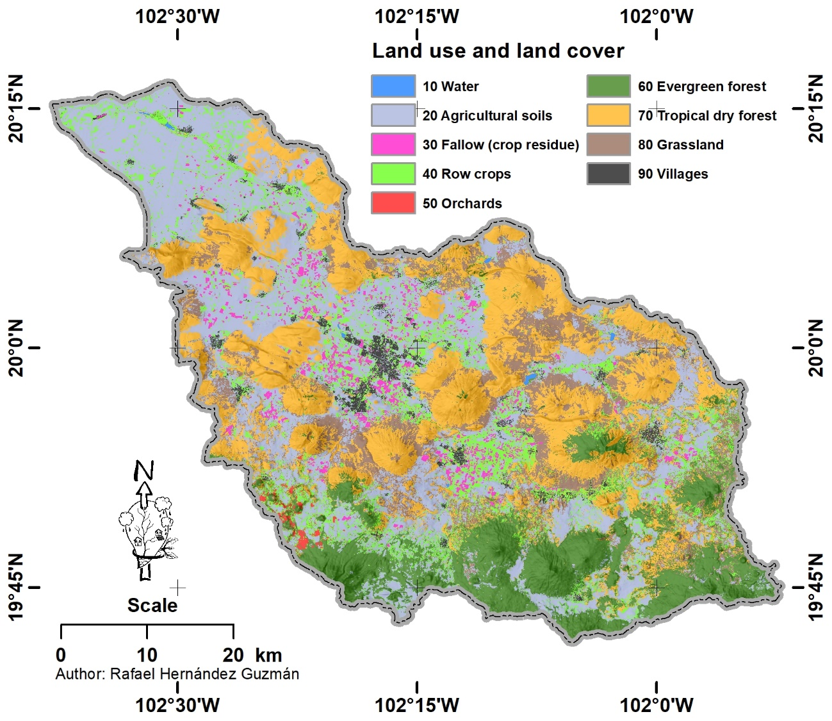
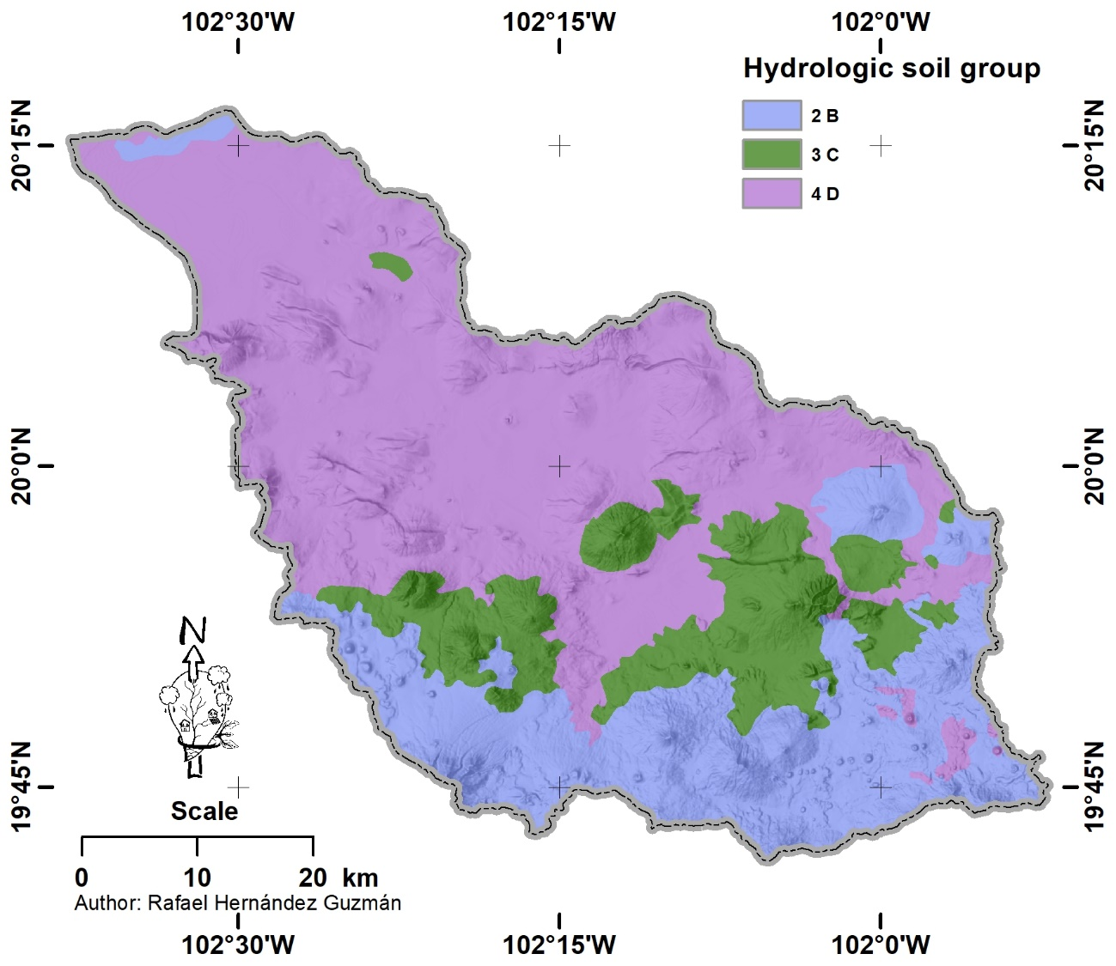
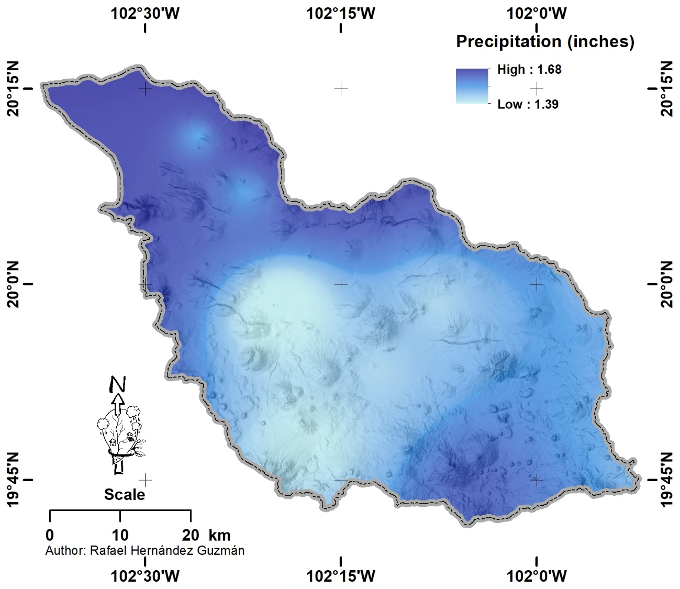
 |  |  |  |  |  |  | 33 | 90
 |  |  |  |  |  |  | 34 | 93
 |  |  |  |  |  |  | 41 | 72
 |  |  |  |  |  |  | 42 | 81
 |  |  |  |  |  |  | 43 | 88
 |  |  |  |  |  |  | 44 | 91
 |  |  |  |  |  |  | 51 | 32
 |  |  |  |  |  |  | 52 | 58
 |  |  |  |  |  |  | 53 | 72
 |  |  |  |  |  |  | 54 | 79
 |  |  |  |  |  |  | 61 | 40
 |  |  |  |  |  |  | 62 | 66
 |  |  |  |  |  |  | 63 | 77
 |  |  |  |  |  |  | 64 | 85
 |  |  |  |  |  |  | 71 | 36
 |  |  |  |  |  |  | 72 | 60
 |  |  |  |  |  |  | 73 | 73
 |  |  |  |  |  |  | 74 | 79
 |  |  |  |  |  |  | 81 | 49
 |  |  |  |  |  |  | 82 | 69
 |  |  |  |  |  |  | 83 | 79
 |  |  |  |  |  |  | 84 | 84
 |  |  |  |  |  |  | 91 | 46
 |  |  |  |  |  |  | 92 | 65
 |  |  |  |  |  |  | 93 | 77
 |  |  |  |  |  |  | 94 | 82

