F02.CFG-Paths
 | VVSS, Info Romana, 2025-2026

F02. modificarea unui produs existent

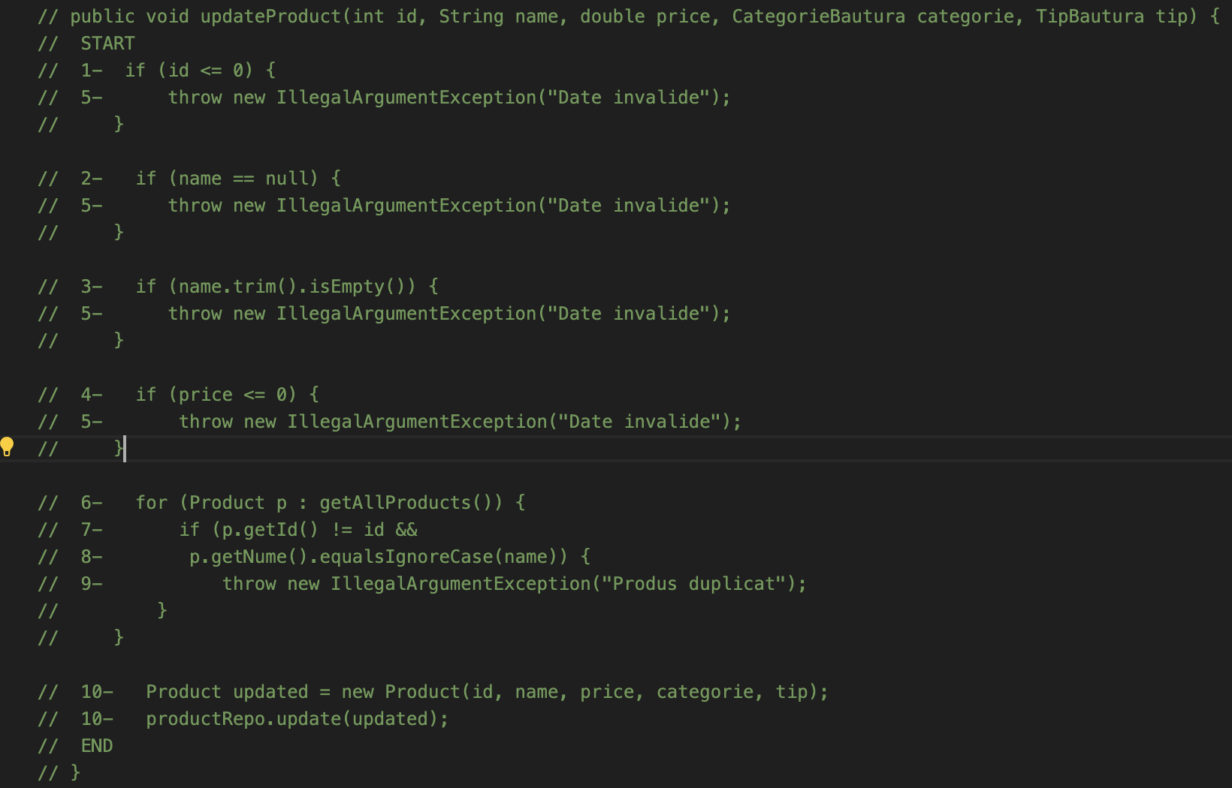
F02. Covered source code |  | F02. Control Flow Graph (CFG) | F02. Cyclomatic Complexity (CC)
 |  |  | CC1 = No. of regions = |  | 8
 |  |  | CC2 = Edges - Nodes + 2 = |  | 8
 |  |  | CC3 = No. of Conditions + 1 = |  | 8

 |  |  | F02. Individual Paths

 |  |  | Path No. | Path
 |  |  | F02_P01 | Start-1-5-End
 |  |  | F02_P02 | Start-1-2-5-End
 |  |  | F02_P03 | Start-1-2-3-5-End
 |  |  | F02_P04 | Start-1-2-3-4-5-End
 |  |  | F02_P05 | Start-1-2-3-4-6-10-End
 |  |  | F02_P06 | Start-1-2-3-4-6-7-6-10-End
 |  |  | F02_P07 | Start-1-2-3-4-6-7-8-6-10-End
 |  |  | F02_P08 | Start-1-2-3-4-6-7-8-9-End

