Table 1
Ref. No:Q26-ETPL-0803 Name of Customer: M/S ENCON THERMAL ENGINEERS PVT LTD Conserned Person: Mr SAURAV KUMAR ji, Address: :53 KM STONE, DELHI-MATHURA ROAD VILL- BAGHOLA, DIST – PALWAL (HR) Quote validity 30 Days Blower Drive Type : V Belt Driven Arrangement (Arr-Y)
Sl. | Air Cap. | St. Pr. | T Pr. | Blower | Inlet D | Imp.D | Fan | Shaft | Bearing | BHP |  | Motor-IE2,B3 |  |  | Price |  |  |  |  |  |  |  | Total |  | Total
No. | CMH | mmwc | mmwc | Model | in mm | mm | RPM | mmø | Arr (Y) | Opt. Temp. | Amb. Temp. | KW | HP | Pole | Blower | Base Frame | Pulley Drive Set | Anti Vibration Pads | Inlet Damper | I/L Flexi. Conn | Outlet Damper | O/L Flexi. Conn | Blower unit Price | Motor Unit Price | Total Price
1 | 5000 | 500 | 520 | PCBLY-30-135 | 300 | 1350 | 1588 | 55 | 22312K | 14.59 | 28.53 | 15 | 20 | 4 | 145000 | 10000 | 12000 | 2500 | 6000 | 3900 | 6000 | 3900 | 189,300 | 58,000 | 247,300
2 | 9000 | 500 | 520 | PCBLY-40-135 | 400 | 1350 | 1590 | 60 | 22313K | 24.14 | 47.22 | 22 | 30 | 4 | 172000 | 16000 | 15000 | 2500 | 8000 | 5200 | 8000 | 5200 | 231,900 | 82,100 | 314,000
3 | 12000 | 500 | 515 | PCBLY-50-135 | 500 | 1350 | 1600 | 60 | 22313K | 31.27 | 61.15 | 30 | 40 | 4 | 199000 | 22000 | 18000 | 4500 | 10000 | 6500 | 10000 | 6500 | 276,500 | 114,000 | 390,500
4 | 16000 | 500 | 518 | PCBLY-55-135 | 550 | 1350 | 1605 | 65 | 22315K | 40.79 | 79.77 | 37 | 50 | 4 | 226000 | 28000 | 21000 | 4500 | 11000 | 7150 | 11000 | 7150 | 315,800 | 133,200 | 449,000
5 | 20000 | 500 | 520 | PCBLY-60-135 | 600 | 1350 | 1610 | 65 | 22315K | 50.32 | 98.41 | 45 | 60 | 4 | 253000 | 34000 | 24000 | 5500 | 12000 | 7800 | 12000 | 7800 | 356,100 | 160,300 | 516,400
6 | 24000 | 500 | 521 | PCBLY-65-135 | 650 | 1350 | 1615 | 75 | 22317K | 59.87 | 117.08 | 55 | 75 | 4 | 280000 | 40000 | 27000 | 5500 | 13000 | 8450 | 13000 | 8450 | 395,400 | 205,300 | 600,700
7 | 30000 | 500 | 524 | PCBLY-70-135 | 700 | 1350 | 1620 | 90 | 22320K | 74.23 | 145.17 | 75 | 100 | 4 | 307000 | 46000 | 30000 | 5500 | 14000 | 9100 | 14000 | 9100 | 434,700 | 311,200 | 745,900
8 | 38000 | 500 | 522 | PCBLY-80-135 | 800 | 1350 | 1630 | 100 | 22322K | 92.53 | 180.97 | 90 | 120 | 4 | 334000 | 52000 | 33000 | 7500 | 16000 | 10400 | 16000 | 10400 | 479,300 | 350,400 | 829,700
9 | 48000 | 500 | 522 | PCBLY-90-135 | 900 | 1350 | 1645 | 100 | 22322K | 117.60 | 230.00 | 112 | 150 | 4 | 361000 | 58000 | 36000 | 7500 | 18000 | 11700 | 18000 | 11700 | 521,900 | 430,600 | 952,500

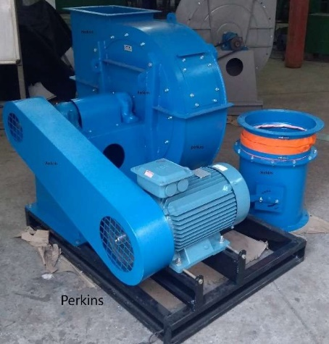 Items description: Blower, Coupling, S.No. Item Descrip MOC Make 1 Casing MS 4-5 mm Self 2 Impeller D/B/S MS 8 to 12- 5-5 mm Self 3 Padestal MS 8-16 mm Self 4 Shaft EN-8-Grinded Self 5 Bearing Ball/Roller -K-Series NTN/FAG/SKF 6 Plumber Block CI- 600 series ZKL 7 VI Pad Rubber+Steel Plus 8 Coupling Rubber+CI Fanner 9 Shaft Guard MS 1.2mm Self 10 Inlet Damper Butterfl MS 3-4mm Self 11 Outlet Damper Butter MS 3-4mm Self 12 Inlet Silicon Flexible c Silicon 250°C Self 13 Outlet Silicon Flexible Silicon 250°C Self 14 Shaft Seal Aluminum Self 15 Fastners Matric Reputed Exclusions: 1-Above rates are excluding Taxs, Packing & freight Etc. 2-Electrical Motor, Electrical Controls & Switch Gears, Installation & Commissioning, etc 3-Accessories of blowers such as Additional base frame, Silencers, Canopies etc at extra cost. Note: All blower are duly Dynamically balanced G 6.3. Silencer is provided to maintain noise level <85 DbA, Inlet Flexible conn. at Inlet and Air control damper at suction control( Extra cost ). Considering - Motor TEFC, IE2, 415-430V, 50Hz, 3 Phase AC Foot Mounted CI, By Customer only Before dispat

