Monster Math
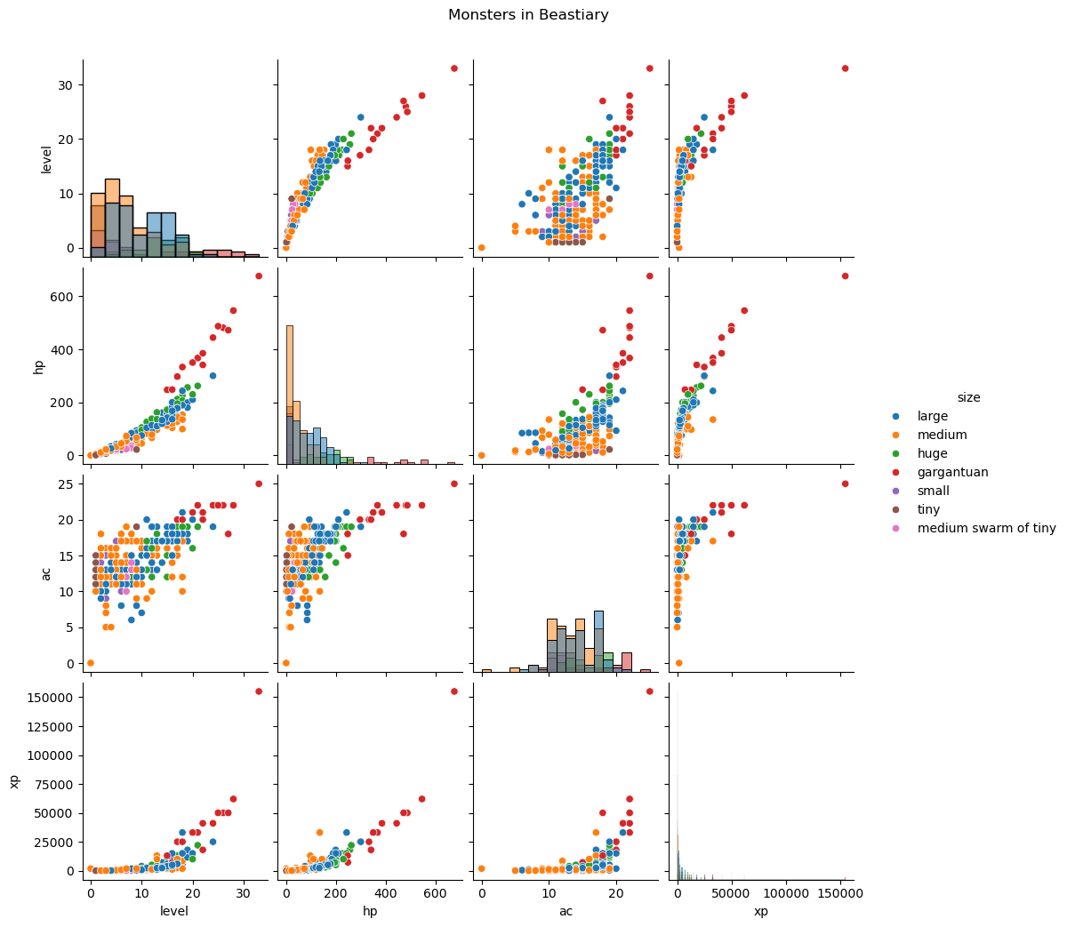
Let's look at some of the monster stats: Level, HP, AC, and XP

321 samples 4 features 2 target
# def feature_plot

