Regions
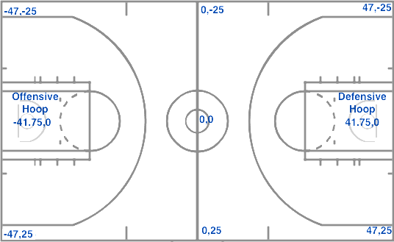
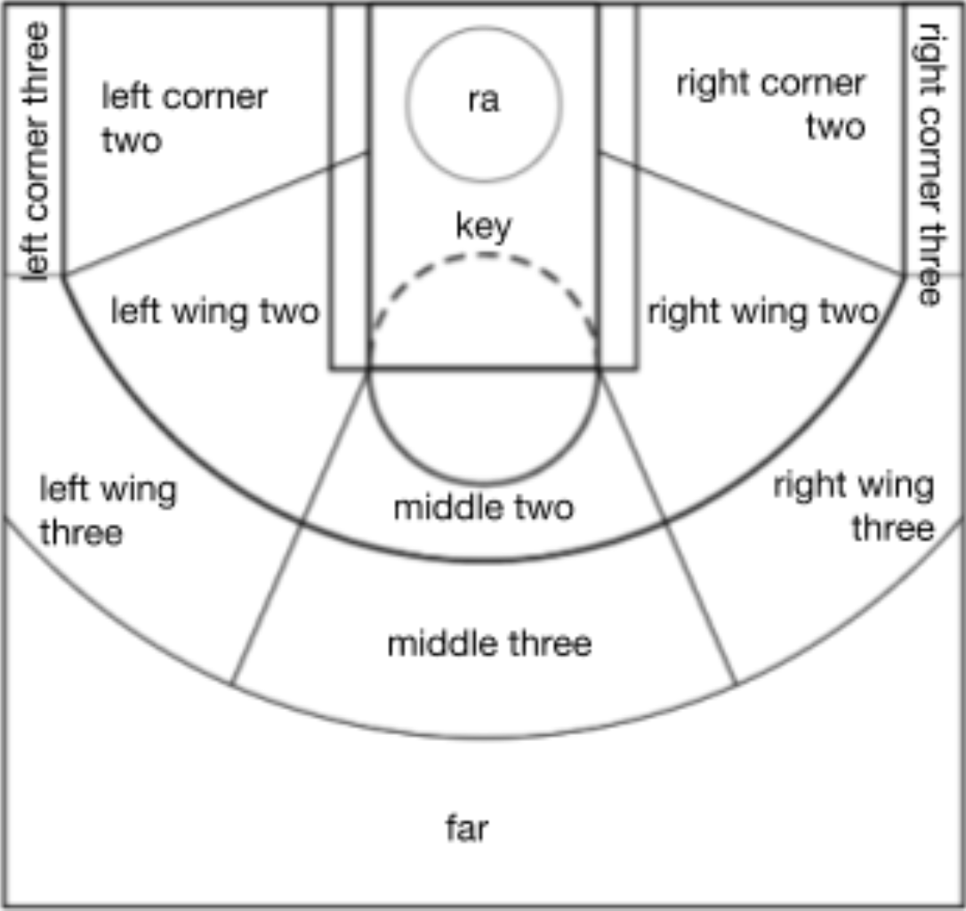
Region | Which part of the court the region maps to
backcourt
far
left corner three
left wing three
middle three
right wing three
right corner three
left corner two
left wing two
middle two
right wing two
right corner two
key
ra

 | Coordinate location court diagram

