Sheet1
 | dimention | optimizer | energy | time (s) | max cum objective | solution | solution objective | figure
0 | 2 | COBYLA(maxiter=300) | -1.9921875 | 0.14610385895 | -3.9921875 | [1 0 0 1] | 4 | 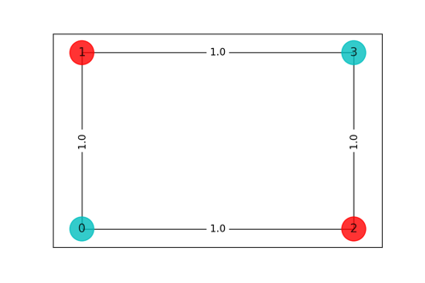
1 | 3 | COBYLA(maxiter=300) | -5.9873046875 | 1.1960587502 | -11.987304688 | [0 1 0 1 0 1 0 1 0] | 12 | 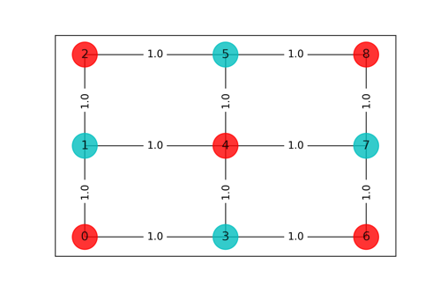
2 | 4 | COBYLA(maxiter=300) | -11.98828125 | 7.5406589508 | -23.98828125 | [1 0 1 0 0 1 0 1 1 0 1 0 0 1 0 1] | 24 | 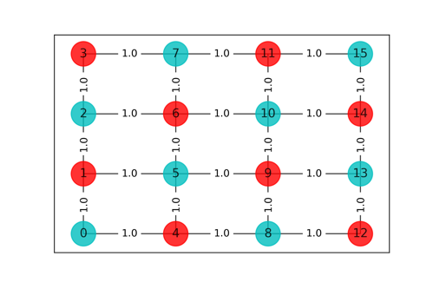
3 | 5 | Kernal dies

