Sheet1
 | dimention | optimizer | energy | time (s) | max cum objective | solution | solution objective | figure
0 | 1 | COBYLA(maxiter=100) | -5.986328125 | 1.0486781597 | -11.986328125 | [1 0 1 0 1 0 1 0 1] | 12 | 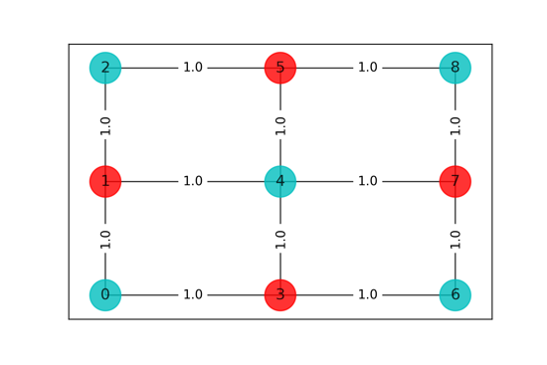
1 | 2 | COBYLA(maxiter=200) | -5.986328125 | 1.1201028824 | -11.986328125 | [1 0 1 0 1 0 1 0 1] | 12 | 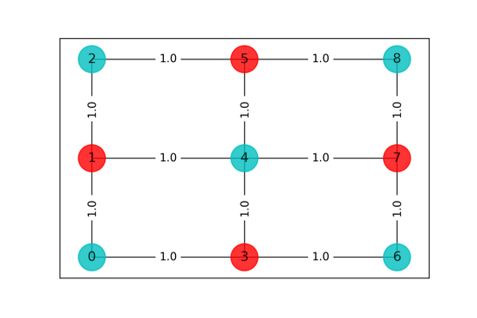
2 | 3 | COBYLA(maxiter=300) | -3.001953125 | 1.0732889175 | -9.001953125 | [1 0 0 0 1 1 1 0 0] | 9 | 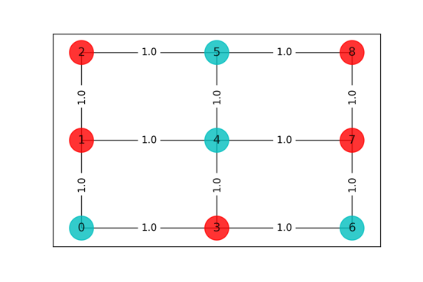
3 | 4 | COBYLA(maxiter=400) | -2.9765625 | 1.053278923 | -8.9765625 | [1 0 1 0 1 0 0 1 0] | 9 | 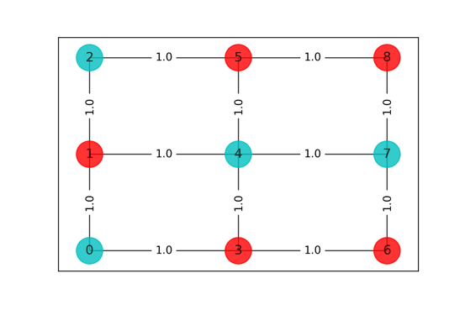
4 | 5 | COBYLA(maxiter=500) | -5.9921875 | 1.1565220356 | -11.9921875 | [1 0 1 0 1 0 1 0 1] | 12
5 | 6 | COBYLA(maxiter=600) | -5.986328125 | 1.2630901337 | -11.986328125 | [1 0 1 0 1 0 1 0 1] | 12
6 | 7 | COBYLA(maxiter=700) | -2.9248046875 | 1.0943381786 | -8.9248046875 | [1 0 1 0 1 0 0 1 0] | 9
7 | 8 | COBYLA(maxiter=800) | -5.98828125 | 1.319671154 | -11.98828125 | [1 0 1 0 1 0 1 0 1] | 12
8 | 9 | COBYLA(maxiter=900) | -5.984375 | 0.85358285904 | -11.984375 | [0 1 0 1 0 1 0 1 0] | 12 | 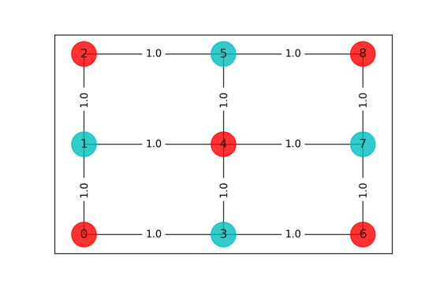
9 | 10 | COBYLA(maxiter=1000) | -5.9892578125 | 1.2867298126 | -11.989257812 | [1 0 1 0 1 0 1 0 1] | 12

