Sheet1
 | dimention | optimizer | energy | time (s) | max cum objective | solution | solution objective | figure
0 | 2 | COBYLA(maxiter=300) | -1.9999999928 | 0.075135946274 | -3.9999999928 | [1. 0. 0. 1.] | 4 | 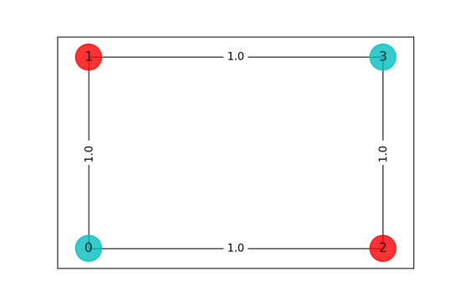
1 | 3 | COBYLA(maxiter=300) | -5.9999999895 | 0.42857193947 | -11.99999999 | [0. 1. 0. 1. 0. 1. 0. 1. 0.] | 12 | 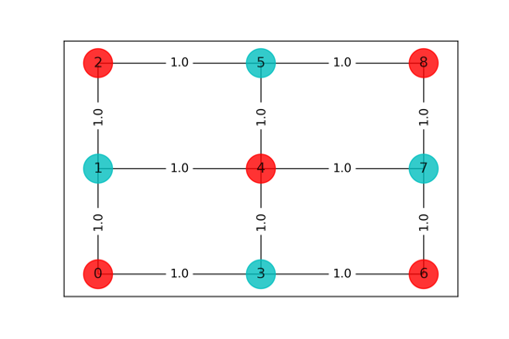
2 | 4 | Kernel Dies

