Sheet1
 | dimention | optimizer | energy | time (s) | max cum objective | solution | solution objective | figure
0 | 1 | COBYLA(maxiter=100) | -5.9789414424 | 0.20918989182 | -11.978941442 | [1. 0. 1. 0. 1. 0. 1. 0. 1.] | 12 | 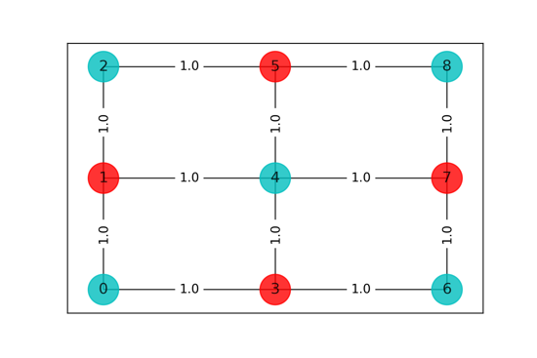
1 | 2 | COBYLA(maxiter=200) | -5.99999999 | 0.34959602356 | -11.99999999 | [1. 0. 1. 0. 1. 0. 1. 0. 1.] | 12 | 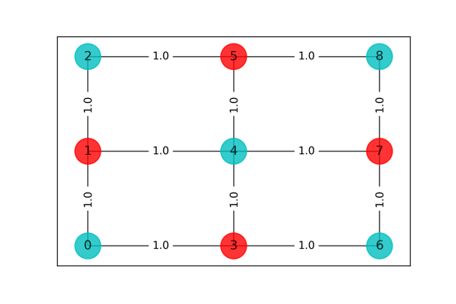
2 | 3 | COBYLA(maxiter=300) | -5.9999999887 | 0.43669891357 | -11.999999989 | [1. 0. 1. 0. 1. 0. 1. 0. 1.] | 12
3 | 4 | COBYLA(maxiter=400) | -5.9999999951 | 0.42080497742 | -11.999999995 | [1. 0. 1. 0. 1. 0. 1. 0. 1.] | 12
4 | 5 | COBYLA(maxiter=500) | -5.9999999899 | 0.36132979393 | -11.99999999 | [1. 0. 1. 0. 1. 0. 1. 0. 1.] | 12
5 | 6 | COBYLA(maxiter=600) | -5.9999999858 | 0.67432308197 | -11.999999986 | [1. 0. 1. 0. 1. 0. 1. 0. 1.] | 12
6 | 7 | COBYLA(maxiter=700) | -2.9999999949 | 0.35140895844 | -8.9999999949 | [1. 0. 1. 0. 1. 0. 0. 1. 0.] | 9 | 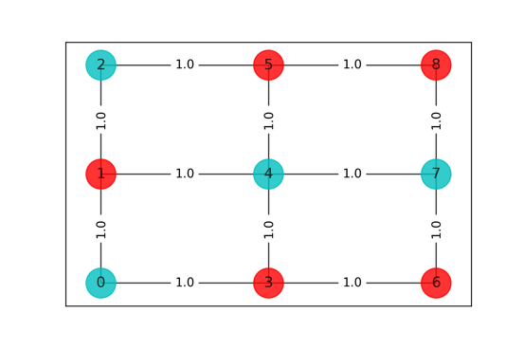
7 | 8 | COBYLA(maxiter=800) | -5.9999999867 | 0.40523219109 | -11.999999987 | [1. 0. 1. 0. 1. 0. 1. 0. 1.] | 12
8 | 9 | COBYLA(maxiter=900) | -5.999999991 | 0.37785601616 | -11.999999991 | [0. 1. 0. 1. 0. 1. 0. 1. 0.] | 12 | 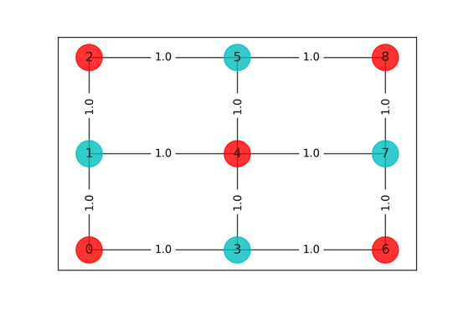
9 | 10 | COBYLA(maxiter=1000) | -5.9999999887 | 0.40665793419 | -11.999999989 | [1. 0. 1. 0. 1. 0. 1. 0. 1.] | 12

