df_vaults_performance_updated6
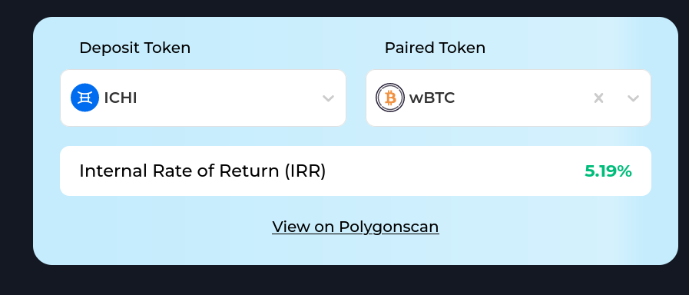
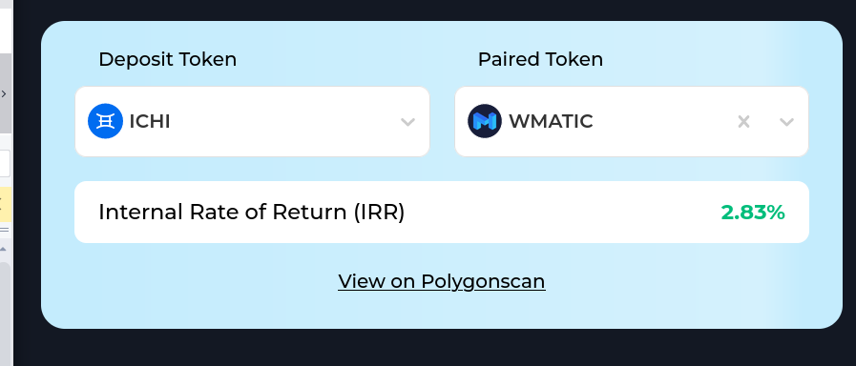
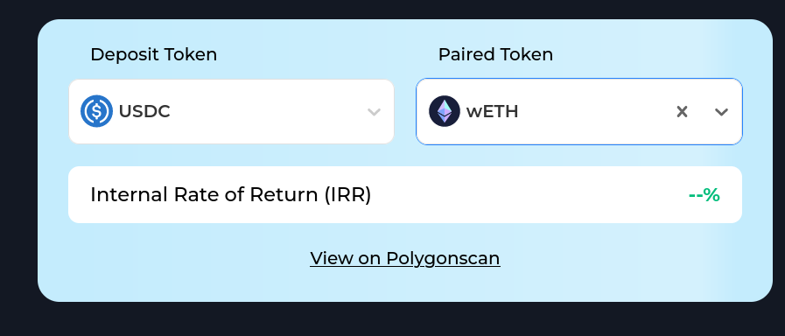
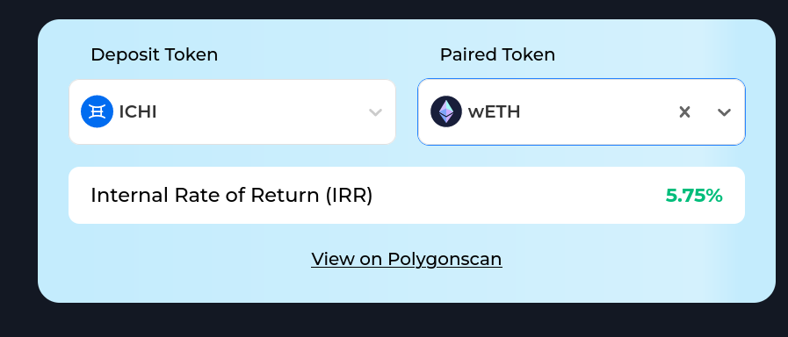
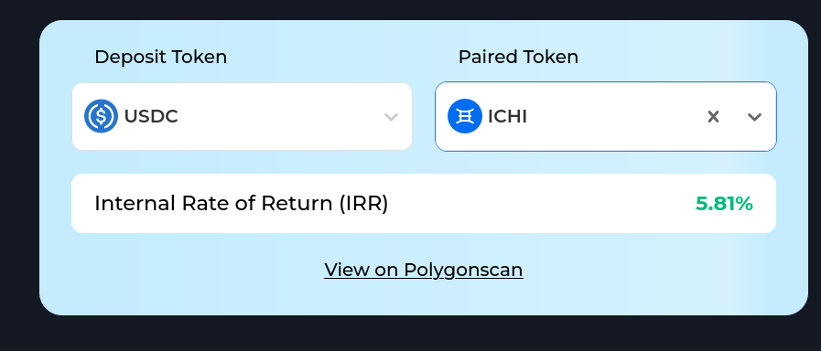
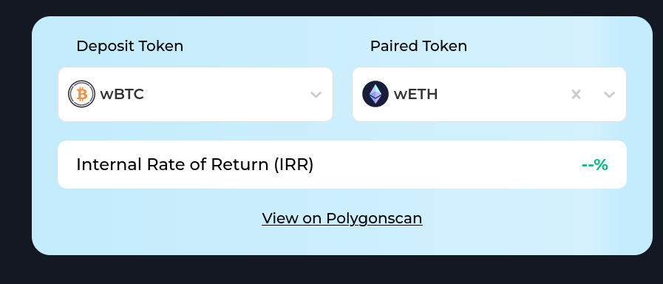
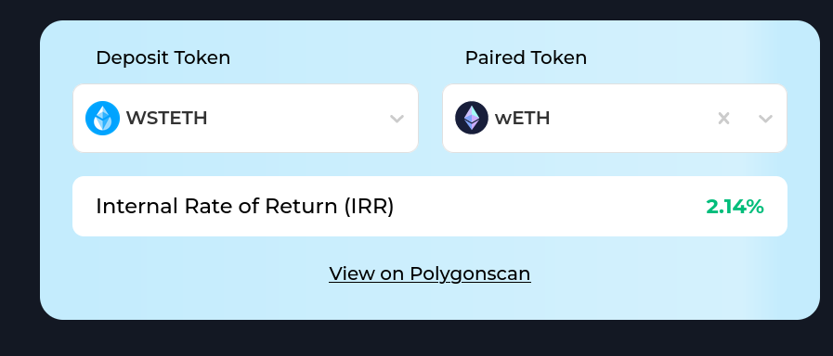
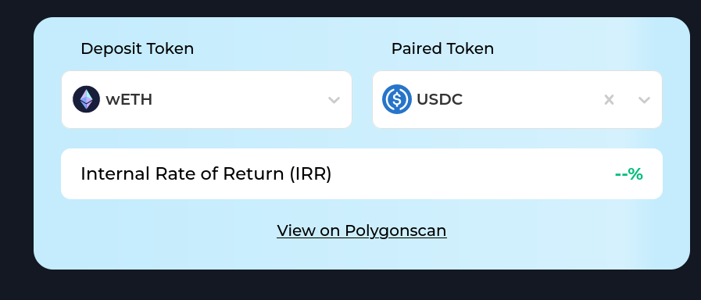
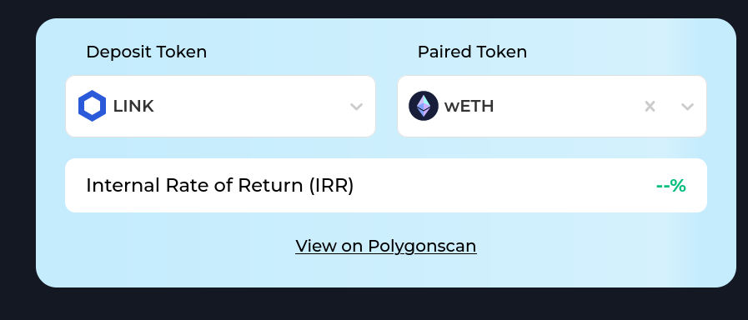
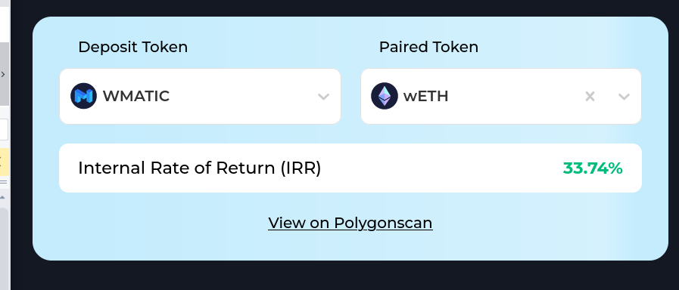
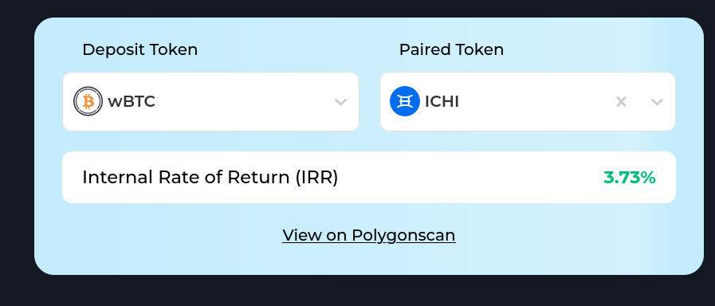
vault | tvl | token0_symbol | token1_symbol | allowed_token | days_since_first_deposit | qty_hold | qty_vault | return_rate | irr_cashflow | irr_cashflow_non_zero | Matching?
0x21e6910a769d10ef4236107493406a9788c758a3 | 2 | TRADE | USDT | TRADE | 211 | 1000 | 2381.9 | 138.2 | -59.5 | 2,221.04
0xf3de925524ce6bba606107cfcb2a7a6259cd01ea | 11337 | GHST | WETH | GHST | 163 | 1000 | 1475 | 47.5 | 171.1 | 171.15 | Y
0xa777b0f7f746e93ad30292e9a07b4e336f9511a1 | 15782 | fxWEN | WETH | fxWEN | 83 | 1000 | 2617.9 | 161.8 | 95.4 | 95.42 | Y
0x74f9d8861d42ac09759ade7809a67cf053dc7ba5 | 31176 | SUSHI | WETH | SUSHI | 163 | 1000 | 1305.6 | 30.6 | 67.7 | 67.60 | Y
0xf461063819ffbc6e22704ade1861b0df3bac9585 | 18659 | WETH | BAL | BAL | 163 | 1000 | 1174.1 | 17.4 | 39.8 | 41.39 | Y
0x9ff3c1390300918b40714fd464a39699ddd9fe00 | 64497 | WMATIC | WETH | WMATIC | 163 | 1000 | 1072.3 | 7.2 | -14.6 | -15.29 | Different
0xf7b1ab2545451b60345fa3ab8c5210d53c703c98 | 16119 | CRV | WETH | CRV | 143 | 1000 | 1109.7 | 11 | 20.7 | 20.74 | Y
0x6bd9239e675092306833c0b29aa552e64d885599 | 98344 | WETH | POP | POP | 88 | 1000 | 1032.7 | 3.3 | 17.4 | 17.42 | Y
0x8ac3d7cd56816da9fb45e7640aa70a24884e02f7 | 8069 | WETH | DPI | DPI | 163 | 1000 | 1051.6 | 5.2 | 11.7 | -2.35 | Y
0x70aa3c8e256c859e52c0b8c263f763d9051b95e1 |  | ICHI | GOVI | GOVI | 319 | 1000 | 1064.9 | 6.5 | 7.7 | 7.69 | Y
0x9c90975b13d04d7d535359887c236ac51f2298ce | 246276 | wstETH | FBX | wstETH | 58 | 1000 | 1024.2 | 2.4 | 6.7 | 6.70 | Close 5.22%
0xc9c785d61455a44e9281c60d19e97a5fdd858510 | 8691 | ICHI | USDC | ICHI | 183 | 1000 | 1199.4 | 19.9 | 6.2 | 6.39 | Y
0x5394eb43700ce8fbbf4cb83e8b52ea73b71426b6 | 17734 | ICHI | WBTC | ICHI | 164 | 1000 | 1027.3 | 2.7 | 5.2 | 6.27 | Y
0x5a0834ebafdf97db54f45a43290b6b09d4226ec6 | 13347 | ICHI | WETH | ICHI | 183 | 1000 | 1220.4 | 22 | 5.7 | 6.19 | Y
0x711901e4b9136119fb047abe8c43d49339f161c3 | 5184 | ICHI | USDC | USDC | 431 | 1000 | 1223.3 | 22.3 | -8.8 | 5.71 | Y
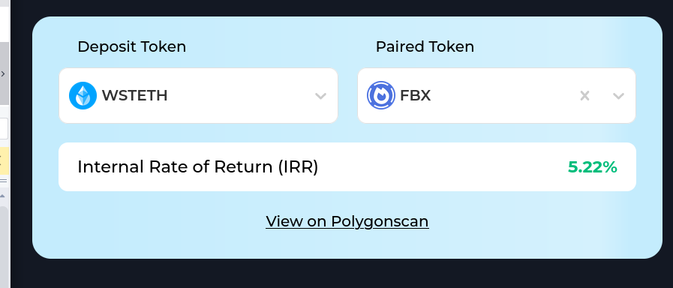
0x4aef5144131db95c110af41c8ec09f46295a7c4b | 22728 | ICHI | WBTC | WBTC | 491 | 1000 | 1138.8 | 13.9 | 3.7 | 3.50 | Y
0xac6c0264511eeec305da9afc2e1aba08409f99f6 | 13579 | WMATIC | ICHI | ICHI | 164 | 1000 | 1026 | 2.6 | 2.8 | 2.75 | Y
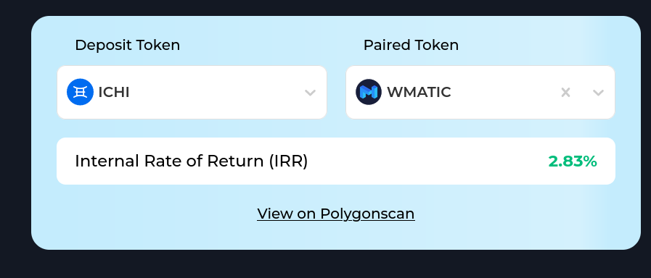
0xdd2521755a8eb05c41c819488d1890e32feb8753 | 10882 | wstETH | WETH | wstETH | 67 | 1000 | 1016.9 | 1.7 | 2.2 | 2.47 | Y
0xe5bf5d33c617556b91558aafb7beadb68e9cea81 |  | ICHI | oneBTC | oneBTC | 492 | 1000 | 1059.8 | 6 | 2.1 | 0.90 | Y

0x3ac9b3db3350a515c702ba19a001d099d4a5f132 | 6535 | USDC | WETH | USDC | 223 | 1000 | 1068.8 | 6.9 | -32 | -2.76 | -
0xfc089714519e84b7ce0a4023bfee0d99f6d767da | 12845 | WBTC | WETH | WBTC | 143 | 1000 | 968.6 | -3.1 | -5.9 | -6.02 | -
0xb05be549a570e430e5dde4a10a0d34cf09a7df21 | 3504 | USDC | WETH | WETH | 143 | 1000 | 989.7 | -1 | -11.7 | -10.12 | -
0x692437de2cae5addd26ccf6650cad722d914d974 | 10110 | LINK | WETH | LINK | 162 | 1000 | 1041 | 4.1 | -4.9 | -10.43

0x764c3a611ba0f55be1c7109cdd500e301e0044ba | 0 | WETH | FBX | WETH | 65 | 1000 | 0 |  | -11.5

