GSIS
FORM ANALYSIS: GSIS MEMBER'S REQUEST FORM (MRF) |  |  |  |  |  |  | ENTITY RELATIONSHIP DIAGRAM (ERD): GSIS MEMBER'S REQUEST FORM (MRF)

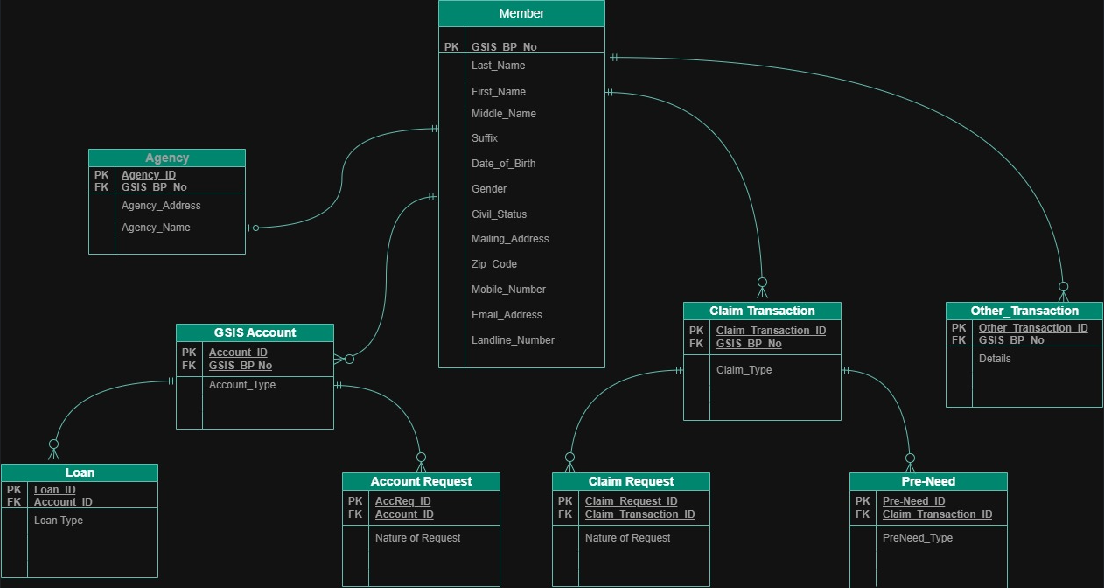
 |  |  |  |  |  |  | ATTACH PICTURE / SCREENSHOT OF ERD
 | MEMBER |  | AGENCY |  | GSIS ACCOUNTS
 | PK | GSIS BP No. | PK | Agency_ID | PK | Account_ID
 |  | Last name First name Middle name Suffix |  | Agency Address |  | Account type
 |  |  |  | Agency Name | FK | GSIS BP No.
 |  |  | FK | GSIS BP No.
 |  |  |  |  | LOAN
 |  | Date of Birth |  |  | PK | Loan_ID
 |  | Gender | CLAIM TRANSACTION |  |  | Loan type
 |  | Civil Status | PK | ClaimTransaction_ID | FK | Account_ID
 |  | Mailing Address |  | Claim type
 |  | Zip Code | FK | GSIS BP No. | ACCOUNTS REQUEST
 |  | Mobile Number |  |  | PK | AccReq_ID
 |  | Email Address | PRE-NEED |  |  | Nature of Request
 |  | Landline Number | PK | PreNeed_ID | FK | Account_ID
 |  |  |  | PreNeed type
 |  |  | FK | ClaimTransaction_ID
 |  |  |  |  | OTHER TRANSACTION
 |  |  | CLAIM REQUEST |  | PK | OtherTransaction_ID
 |  |  | PK | ClaimRequest_ID |  | Details
 |  |  |  | Nature of Request | FK | GSIS BP No.
 |  |  | FK | ClaimTransaction_ID

PAG-IBIG
FORM ANALYSIS: PAG-IBIG MEMBER'S DATA FORM (MDF)
 |  |  |  |  |  |  | ENTITY RELATIONSHIP DIAGRAM (ERD): PAG-IBIG MEMBER'S DATA FORM (MDF)

 | MEMBER |  | EMPLOYER |  | PAG-IBIG ACCOUNT |  | 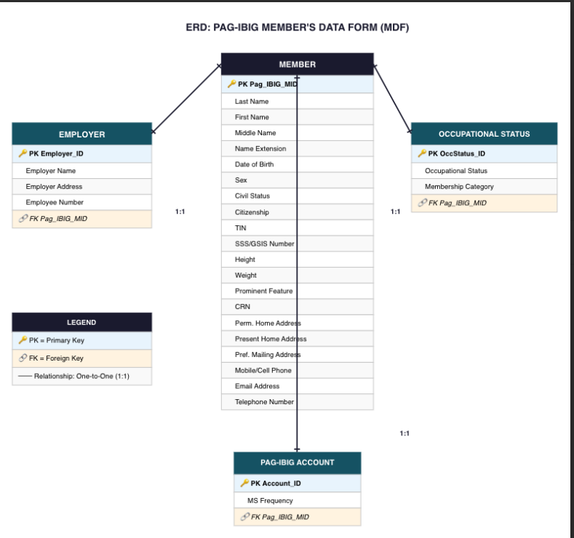 ATTACH PICTURE / SCREENSHOT OF ERD
 | PK | Pag_IBIG_MID | PK | Employer_ID | PK | Account_ID
 |  | Last Name |  | Employer Name |  | MS Frequency
 |  | First Name |  | Employer Address | FK | Pag_IBIG_MID
 |  | Middle Name |  | Employee Number
 |  | Name Extension | FK | Pag_IBIG_MID
 |  | Date of Birth
 |  | Sex
 |  | Civil Status
 |  | Citizenship
 |  | TIN
 |  | SSS/GSIS Number
 |  | Height
 |  | Weight
 |  | Prominent Feature
 |  | CRN
 |  | Perm. Home Address
 |  | Present Home Address
 |  | Pref. Mailing Address
 |  | Mobile/Cell Phone
 |  | Email Address
 |  | Telephone Number

 | OCCUPATIONAL STATUS
 | PK | OccStatus_ID
 |  | Occupational Status
 |  | Membership Category
 | FK | Pag_IBIG_MID

