Combined
 | Domestic (BEIS) |  | Short-haul (BEIS) |  | Long-haul (BEIS) |  | Larsson et al. |  | Domestic (modelled) |  | Short-haul (modelled) |  | Long-haul (modelled)
2012 | 0.378 | 2012 | 0.216 | 2012 | 0.247 | 1990 | 0.301 | 1990 | 0.562 | 1990 | 0.321 | 1990 | 0.367
2013 | 0.362 | 2013 | 0.213 | 2013 | 0.251 | 1991 |  | 1991 | 0.557 | 1991 | 0.318 | 1991 | 0.364
2014 | 0.325 | 2014 | 0.184 | 2014 | 0.233 | 1992 |  | 1992 | 0.552 | 1992 | 0.315 | 1992 | 0.360
2015 | 0.330 | 2015 | 0.188 | 2015 | 0.220 | 1993 |  | 1993 | 0.547 | 1993 | 0.312 | 1993 | 0.357
2016 | 0.308 | 2016 | 0.186 | 2016 | 0.212 | 1994 |  | 1994 | 0.542 | 1994 | 0.309 | 1994 | 0.354
2017 | 0.297 | 2017 | 0.179 | 2017 | 0.219 | 1995 | 0.287 | 1995 | 0.537 | 1995 | 0.307 | 1995 | 0.351
2018 | 0.298 | 2018 | 0.162 | 2018 | 0.213 | 1996 |  | 1996 | 0.537 | 1996 | 0.307 | 1996 | 0.351
2019 | 0.283 | 2019 | 0.176 | 2019 | 0.217 | 1997 |  | 1997 | 0.537 | 1997 | 0.307 | 1997 | 0.351
2020 | 0.271 | 2020 | 0.173 | 2020 | 0.212 | 1998 | 0.287 | 1998 | 0.537 | 1998 | 0.307 | 1998 | 0.351
2021 | 0.273 | 2021 | 0.170 | 2021 | 0.214 | 1999 | 0.282 | 1999 | 0.528 | 1999 | 0.302 | 1999 | 0.345
 |  |  |  |  |  | 2000 | 0.274 | 2000 | 0.514 | 2000 | 0.294 | 2000 | 0.336
 |  |  |  |  |  | 2001 | 0.274 | 2001 | 0.514 | 2001 | 0.294 | 2001 | 0.336
 |  |  |  |  |  | 2002 | 0.276 | 2002 | 0.518 | 2002 | 0.296 | 2002 | 0.338
 |  |  |  |  |  | 2003 | 0.271 | 2003 | 0.509 | 2003 | 0.291 | 2003 | 0.333
 |  |  |  |  |  | 2004 | 0.257 | 2004 | 0.485 | 2004 | 0.277 | 2004 | 0.317
 |  |  |  |  |  | 2005 | 0.24 | 2005 | 0.455 | 2005 | 0.260 | 2005 | 0.297
 |  |  |  |  |  | 2006 | 0.23 | 2006 | 0.437 | 2006 | 0.250 | 2006 | 0.286
 |  |  |  |  |  | 2007 | 0.222 | 2007 | 0.423 | 2007 | 0.242 | 2007 | 0.276
 |  |  |  |  |  | 2008 | 0.218 | 2008 | 0.416 | 2008 | 0.238 | 2008 | 0.272
 |  |  |  |  |  | 2009 | 0.214 | 2009 | 0.409 | 2009 | 0.234 | 2009 | 0.267
 |  |  |  |  |  | 2010 | 0.205 | 2010 | 0.393 | 2010 | 0.225 | 2010 | 0.257
 |  |  |  |  |  | 2011 | 0.2 | 2011 | 0.385 | 2011 | 0.220 | 2011 | 0.251
 |  |  |  |  |  | 2012 | 0.196
 |  |  |  |  |  | 2013 | 0.192
 |  |  |  |  |  | 2014 | 0.189
 |  |  |  |  |  | 2015
 |  |  |  |  |  | 2016
 |  |  |  |  |  | 2017
 |  |  |  |  |  | 2018
 |  |  |  |  |  | 2019
 |  |  |  |  |  | 2020
 |  |  |  |  |  | 2021
Year | Domestic (BEIS) | Short-haul (BEIS) | Long-haul (BEIS) | Larsson et al. | WTT_domestic | WTT_shorthaul | WTT_longhaul | domestic | shorthaul | longhaul | Source | Without RF
1990 | 0.562 | 0.321 | 0.367 | 0.301 | 0.034 | 0.020 | 0.022 | 0.527 | 0.301 | 0.344 | Larssson
1991 | 0.557 | 0.318 | 0.364 |  | 0.034 | 0.020 | 0.022 | 0.522 | 0.298 | 0.341 | Larssson
1992 | 0.552 | 0.315 | 0.360 |  | 0.034 | 0.020 | 0.022 | 0.517 | 0.295 | 0.338 | Larssson
1993 | 0.547 | 0.312 | 0.357 |  | 0.034 | 0.020 | 0.022 | 0.513 | 0.293 | 0.335 | Larssson
1994 | 0.542 | 0.309 | 0.354 |  | 0.034 | 0.020 | 0.022 | 0.508 | 0.290 | 0.332 | Larssson
1995 | 0.537 | 0.307 | 0.351 | 0.287 | 0.034 | 0.020 | 0.022 | 0.503 | 0.287 | 0.328 | Larssson
1996 | 0.537 | 0.307 | 0.351 |  | 0.034 | 0.020 | 0.022 | 0.503 | 0.287 | 0.328 | Larssson
1997 | 0.537 | 0.307 | 0.351 |  | 0.034 | 0.020 | 0.022 | 0.503 | 0.287 | 0.328 | Larssson
1998 | 0.537 | 0.307 | 0.351 | 0.287 | 0.034 | 0.020 | 0.022 | 0.503 | 0.287 | 0.328 | Larssson
1999 | 0.528 | 0.302 | 0.345 | 0.282 | 0.034 | 0.020 | 0.022 | 0.494 | 0.282 | 0.323 | Larssson
2000 | 0.514 | 0.294 | 0.336 | 0.274 | 0.034 | 0.020 | 0.022 | 0.480 | 0.274 | 0.314 | Larssson
2001 | 0.514 | 0.294 | 0.336 | 0.274 | 0.034 | 0.020 | 0.022 | 0.480 | 0.274 | 0.314 | Larssson
2002 | 0.518 | 0.296 | 0.338 | 0.276 | 0.034 | 0.020 | 0.022 | 0.483 | 0.276 | 0.316 | Larssson
2003 | 0.509 | 0.291 | 0.333 | 0.271 | 0.034 | 0.020 | 0.022 | 0.475 | 0.271 | 0.310 | Larssson
2004 | 0.485 | 0.277 | 0.317 | 0.257 | 0.034 | 0.020 | 0.022 | 0.450 | 0.257 | 0.294 | Larssson
2005 | 0.455 | 0.260 | 0.297 | 0.24 | 0.034 | 0.020 | 0.022 | 0.420 | 0.240 | 0.275 | Larssson
2006 | 0.437 | 0.250 | 0.286 | 0.23 | 0.034 | 0.020 | 0.022 | 0.403 | 0.230 | 0.263 | Larssson
2007 | 0.423 | 0.242 | 0.276 | 0.222 | 0.034 | 0.020 | 0.022 | 0.389 | 0.222 | 0.254 | Larssson
2008 | 0.416 | 0.238 | 0.272 | 0.218 | 0.034 | 0.020 | 0.022 | 0.382 | 0.218 | 0.249 | Larssson
2009 | 0.409 | 0.234 | 0.267 | 0.214 | 0.034 | 0.020 | 0.022 | 0.375 | 0.214 | 0.245 | Larssson
2010 | 0.393 | 0.225 | 0.257 | 0.205 | 0.034 | 0.020 | 0.022 | 0.359 | 0.205 | 0.235 | Larssson
2011 | 0.385 | 0.220 | 0.251 | 0.2 | 0.034 | 0.020 | 0.022 | 0.350 | 0.200 | 0.229 | Larssson
2012 | 0.378 | 0.216 | 0.247 | 0.196 | 0.034 | 0.020 | 0.022 | 0.344 | 0.196 | 0.225 | DEFRA | 0.181867 | 0.10379 | 0.118766 | 2.0798772726 | 2.0805434638 | 2.0803568181
2013 | 0.362 | 0.213 | 0.251 | 0.192 | 0.036 | 0.021 | 0.025 | 0.327 | 0.192 | 0.227 | DEFRA
2014 | 0.325 | 0.184 | 0.233 | 0.189 | 0.032 | 0.018 | 0.023 | 0.293 | 0.166 | 0.210 | DEFRA
2015 | 0.330 | 0.188 | 0.220 |  | 0.032 | 0.019 | 0.022 | 0.298 | 0.170 | 0.198 | DEFRA
2016 | 0.308 | 0.186 | 0.212 |  | 0.030 | 0.018 | 0.020 | 0.279 | 0.168 | 0.192 | DEFRA
2017 | 0.297 | 0.179 | 0.219 |  | 0.029 | 0.018 | 0.022 | 0.267 | 0.161 | 0.197 | DEFRA
2018 | 0.298 | 0.16236 | 0.21256 |  | 0.033 | 0.018 | 0.023 | 0.298 | 0.162 | 0.213 | DEFRA
2019 | 0.283 | 0.176 | 0.217 |  | 0.028 | 0.017 | 0.021 | 0.255 | 0.158 | 0.196 | DEFRA
2020 | 0.271 | 0.173 | 0.212 |  | 0.027 | 0.017 | 0.021 | 0.244 | 0.156 | 0.191 | DEFRA
2021 | 0.273 | 0.170 | 0.214 |  | 0.027 | 0.017 | 0.021 | 0.246 | 0.154 | 0.193 | DEFRA | 0.13003 | 0.08117 | 0.10208 | 2.0978235792 | 2.0985585808 | 2.0986481191

 | 1.751696855 |  | 1.1441947615

Larsson
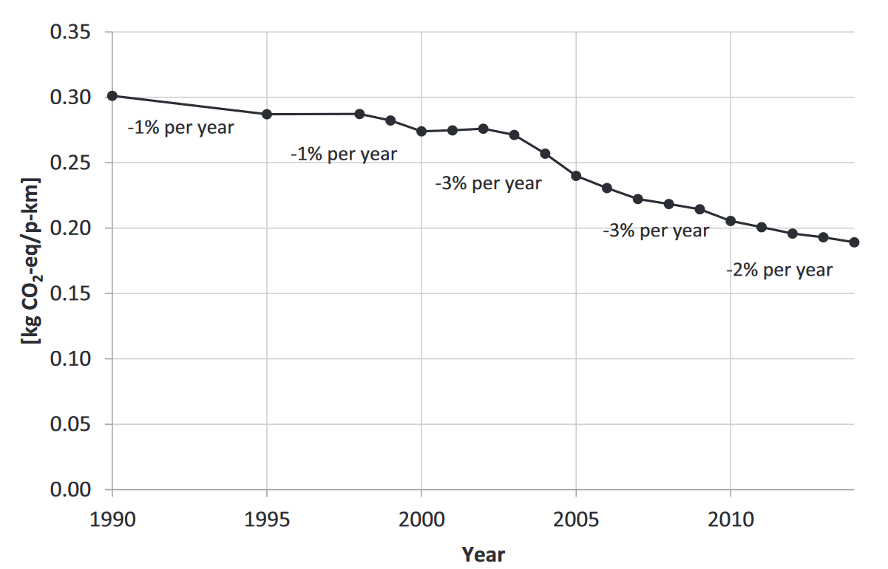
year | emissions | interpolated | Measuring greenhouse gas emissions from international air travel of a
1990 | 0.301 | 0.301 | country’s residents methodological development and application for Sweden
1991 |  | 0.2982 | Jörgen Larsson a,⁎, Anneli Kamb a , Jonas Nässén a , Jonas Åkerman b
1992 |  | 0.2954
1993 |  | 0.2926
1994 |  | 0.2898
 | emissions | interpolated
1990 | 0.301 | 0.301
1991 |  | 0.2982
1992 |  | 0.2954
1993 |  | 0.2926
1994 |  | 0.2898
1995 | 0.287 | 0.287
1996 |  | 0.287
1997 |  | 0.287
1998 | 0.287 | 0.287
1999 | 0.282 | 0.282
2000 | 0.274 | 0.274
2001 | 0.274 | 0.274
2002 | 0.276 | 0.276
2003 | 0.271 | 0.271
2004 | 0.257 | 0.257
2005 | 0.24 | 0.24
2006 | 0.23 | 0.23
2007 | 0.222 | 0.222
2008 | 0.218 | 0.218
2009 | 0.214 | 0.214
2010 | 0.205 | 0.205
2011 | 0.2 | 0.2
2012 | 0.196 | 0.196
2013 | 0.192 | 0.192
2014 | 0.189 | 0.189
1995 | 0.287 | 0.287
1996 |  | 0.287
1997 |  | 0.287
1998 | 0.287 | 0.287
1999 | 0.282 | 0.282
2000 | 0.274 | 0.274
2001 | 0.274 | 0.274
2002 | 0.276 | 0.276
2003 | 0.271 | 0.271
2004 | 0.257 | 0.257
2005 | 0.24 | 0.24
2006 | 0.23 | 0.23
2007 | 0.222 | 0.222
2008 | 0.218 | 0.218
2009 | 0.214 | 0.214
2010 | 0.205 | 0.205
2011 | 0.2 | 0.2
2012 | 0.196 | 0.196
2013 | 0.192 | 0.192
2014 | 0.189 | 0.189
2015

