Wall displacement
Test |  | Fit
Time [ms] | Wall displacement [mm] | Time [ms] | Wall displacement - model [mm]
0.082471203831 | 8.5705017852 | 0 | 0.00031716725607
0.12666228607 | 13.152992333 | 0.0088382164479 | 1.0619498623
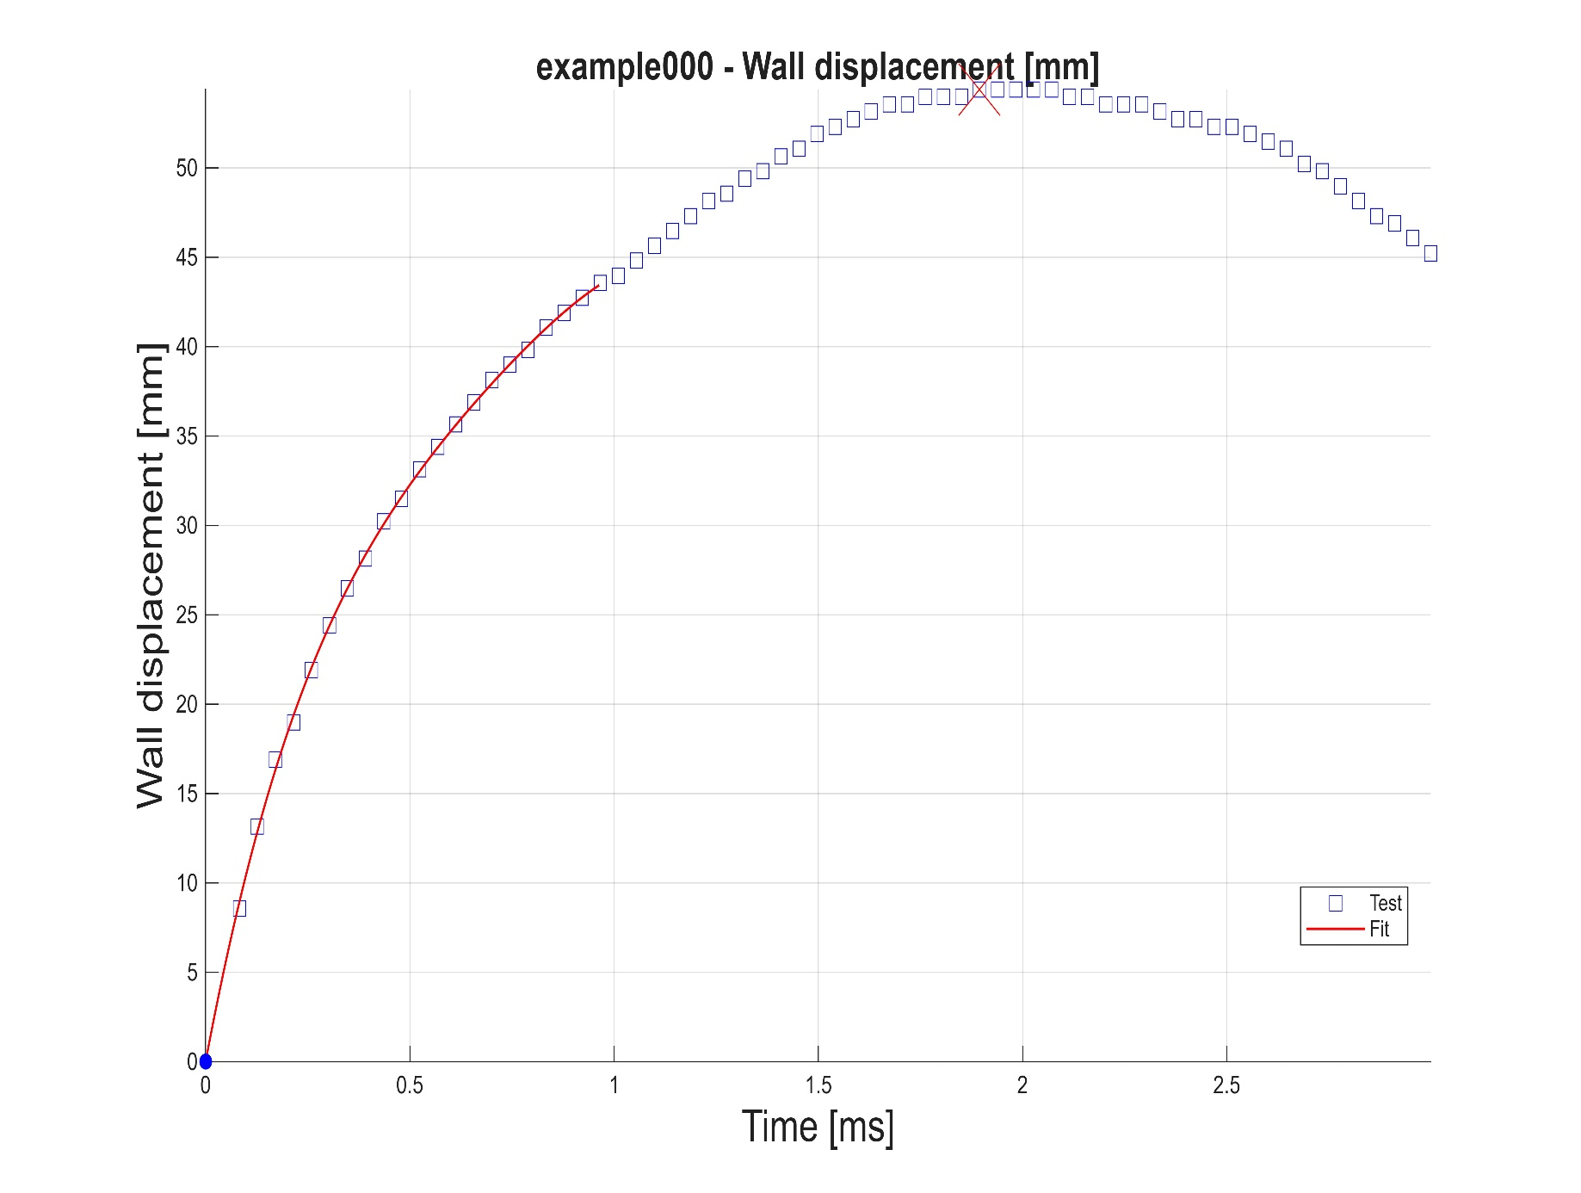
0.17085336831 | 16.902284301 | 0.017676432896 | 2.096464956
0.21504445055 | 18.985215159 | 0.026514649344 | 3.1044863055
0.25923553279 | 21.901305461 | 0.035352865792 | 4.0866298753
0.30342661503 | 24.400797901 | 0.04419108224 | 5.0435037931
0.34761769727 | 26.483697631 | 0.053029298688 | 5.9757083969
0.39180877951 | 28.150009856 | 0.061867515135 | 6.8838361468
0.43599986175 | 30.232889992 | 0.070705731583 | 7.7684717122
0.48019094399 | 31.482612344 | 0.079543948031 | 8.6301918679
0.52438202623 | 33.148901758 | 0.088382164479 | 9.4695656206
0.56857310847 | 34.398613296 | 0.097220380927 | 10.287154089
0.61276419071 | 35.6483199 | 0.10605859738 | 11.083510587
0.65695527295 | 36.898021393 | 0.11489681382 | 11.859180569
0.70114635519 | 38.147717594 | 0.12373503027 | 12.614701677
0.74533743743 | 38.980845368 | 0.13257324672 | 13.350603684
0.78952851966 | 39.813970658 | 0.14141146317 | 14.067408557
0.8337196019 | 41.06365382 | 0.15024967961 | 14.765630392
0.87791068414 | 41.896772669 | 0.15908789606 | 15.445775472
0.92210176638 | 42.729888849 | 0.16792611251 | 16.108342229
0.96629284862 | 43.563002306 | 0.17676432896 | 16.753821241
1.0104839309 | 43.979557998 | 0.18560254541 | 17.382695265
1.0546750131 | 44.812667274 | 0.19444076185 | 17.99543922
1.0988660953 | 45.645773695 | 0.2032789783 | 18.592520154
1.1430571776 | 46.47887721 | 0.21211719475 | 19.174397293
1.1872482598 | 47.311977764 | 0.2209554112 | 19.741522036
1.2314393421 | 48.145075306 | 0.22979362765 | 20.294337905
1.2756304243 | 48.561622931 | 0.23863184409 | 20.833280584
1.3198215065 | 49.394715854 | 0.24747006054 | 21.358777933
1.3640125888 | 49.81126114 | 0.25630827699 | 21.871249955
1.408203671 | 50.644349326 | 0.26514649344 | 22.371108815
1.4523947533 | 51.060892214 | 0.27398470989 | 22.858758817
1.4965858355 | 51.893975544 | 0.28282292633 | 23.334596442
1.5407769177 | 52.310515974 | 0.29166114278 | 23.799010272
1.584968 | 52.727055572 | 0.30049935923 | 24.252381135
1.6291590822 | 53.14359433 | 0.30933757568 | 24.6950819
1.6733501645 | 53.560132243 | 0.31817579213 | 25.1274777
1.7175412467 | 53.560132243 | 0.32701400857 | 25.549925734
1.7617323289 | 53.976669303 | 0.33585222502 | 25.962775404
1.8059234112 | 53.976669303 | 0.34469044147 | 26.366368232
1.8501144934 | 53.976669303 | 0.35352865792 | 26.761037905
1.8943055757 | 54.393205505 | 0.36236687436 | 27.147110261
1.9384966579 | 54.393205505 | 0.37120509081 | 27.52490327
1.9826877401 | 54.393205505 | 0.38004330726 | 27.894727109
2.0268788224 | 54.393205505 | 0.38888152371 | 28.256884021
2.0710699046 | 54.393205505 | 0.39771974016 | 28.611668476
2.1152609869 | 53.976669303 | 0.4065579566 | 28.959367043
2.1594520691 | 53.976669303 | 0.41539617305 | 29.300258462
2.2036431513 | 53.560132243 | 0.4242343895 | 29.634613616
2.2478342336 | 53.560132243 | 0.43307260595 | 29.962695528
2.2920253158 | 53.560132243 | 0.4419108224 | 30.284759396
2.3362163981 | 53.14359433 | 0.45074903884 | 30.60105253
2.3804074803 | 52.727055572 | 0.45958725529 | 30.911814409
2.4245985625 | 52.727055572 | 0.46842547174 | 31.217276659
2.4687896448 | 52.310515974 | 0.47726368819 | 31.51766305
2.512980727 | 52.310515974 | 0.48610190464 | 31.813189496
2.5571718092 | 51.893975544 | 0.49494012108 | 32.104064073
2.6013628915 | 51.477434289 | 0.50377833753 | 32.390486972
2.6455539737 | 51.060892214 | 0.51261655398 | 32.67265056
2.689745056 | 50.227805633 | 0.52145477043 | 32.950739342
2.7339361382 | 49.81126114 | 0.53029298688 | 33.224929961
2.7781272204 | 48.978169782 | 0.53913120332 | 33.495391211
2.8223183027 | 48.145075306 | 0.54796941977 | 33.762284037
2.8665093849 | 47.311977764 | 0.55680763622 | 34.025761525
2.9107004672 | 46.89542786 | 0.56564585267 | 34.285968906
2.9548915494 | 46.062325819 | 0.57448406911 | 34.543043549
2.9990826316 | 45.229220845 | 0.58332228556 | 34.797114984
 |  | 0.59216050201 | 35.048304868
 |  | 0.60099871846 | 35.296727019
 |  | 0.60983693491 | 35.542487388
 |  | 0.61867515135 | 35.785684081
 |  | 0.6275133678 | 36.026407348
 |  | 0.63635158425 | 36.26473957
 |  | 0.6451898007 | 36.50075527
 |  | 0.65402801715 | 36.734521152
 |  | 0.66286623359 | 36.966096007
 |  | 0.67170445004 | 37.195530815
 |  | 0.68054266649 | 37.4228687
 |  | 0.68938088294 | 37.648144892
 |  | 0.69821909939 | 37.871386802
 |  | 0.70705731583 | 38.092613989
 |  | 0.71589553228 | 38.31183811
 |  | 0.72473374873 | 38.529062999
 |  | 0.73357196518 | 38.74428464
 |  | 0.74241018163 | 38.957491153
 |  | 0.75124839807 | 39.168662783
 |  | 0.76008661452 | 39.377771954
 |  | 0.76892483097 | 39.584783214
 |  | 0.77776304742 | 39.789653244
 |  | 0.78660126386 | 39.992330886
 |  | 0.79543948031 | 40.192757135
 |  | 0.80427769676 | 40.390865113
 |  | 0.81311591321 | 40.586580072
 |  | 0.82195412966 | 40.779819451
 |  | 0.8307923461 | 40.970492788
 |  | 0.83963056255 | 41.158501801
 |  | 0.848468779 | 41.343740338
 |  | 0.85730699545 | 41.52609438
 |  | 0.8661452119 | 41.705442074
 |  | 0.87498342834 | 41.881653703
 |  | 0.88382164479 | 42.054591705
 |  | 0.89265986124 | 42.224110622
 |  | 0.90149807769 | 42.390057198
 |  | 0.91033629414 | 42.552270304
 |  | 0.91917451058 | 42.710580916
 |  | 0.92801272703 | 42.864812225
 |  | 0.93685094348 | 43.014779504
 |  | 0.94568915993 | 43.160290212
 |  | 0.95452737638 | 43.301143953
 |  | 0.96336559282 | 43.437132438

Wall velocity
Test |  | Fit
Time [ms] | Wall velocity [m/s] | Time [ms] | Wall velocit - model [m/s]
0.082471203831 | 103.69717861 | 0 | 120.11843128
0.12666228607 | 94.269953275 | 0.0088382164479 | 118.58432078
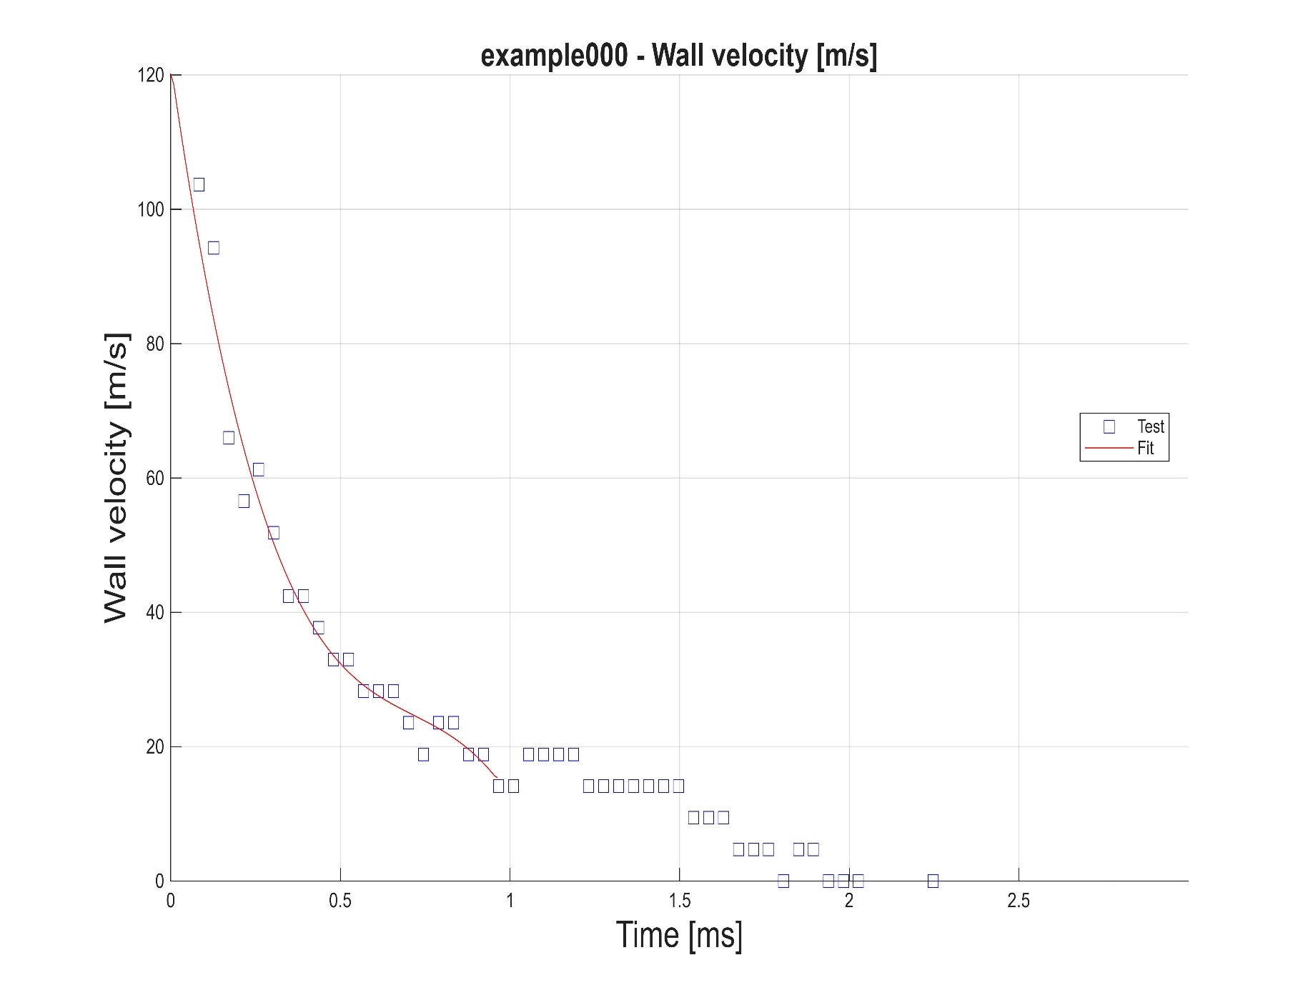
0.17085336831 | 65.988685169 | 0.017676432896 | 115.55139293
0.21504445055 | 56.561424912 | 0.026514649344 | 112.58860489
0.25923553279 | 61.274610931 | 0.035352865792 | 109.69506682
0.30342661503 | 51.847476213 | 0.04419108224 | 106.86989466
0.34761769727 | 42.420458665 | 0.053029298688 | 104.11220208
0.39180877951 | 42.420236962 | 0.061867515135 | 101.42110266
0.43599986175 | 37.706730848 | 0.070705731583 | 98.79570903
0.48019094399 | 32.993215133 | 0.079543948031 | 96.235135133
0.52438202623 | 32.993092769 | 0.088382164479 | 93.738495232
0.56857310847 | 28.279666566 | 0.097220380927 | 91.304901611
0.61276419071 | 28.279552913 | 0.10605859738 | 88.933468048
0.65695527295 | 28.279435214 | 0.11489681382 | 86.62330792
0.70114635519 | 23.566111872 | 0.12373503027 | 84.373534202
0.74533743743 | 18.852820289 | 0.13257324672 | 82.183259995
0.78952851966 | 23.565936229 | 0.14141146317 | 80.051598419
0.8337196019 | 23.565863351 | 0.15024967961 | 77.977662298
0.87791068414 | 18.852616231 | 0.15908789606 | 75.960565423
0.92210176638 | 18.852555235 | 0.16792611251 | 73.999419286
0.96629284862 | 14.139381592 | 0.17676432896 | 72.093337088
1.0104839309 | 14.139334273 | 0.18560254541 | 70.241433102
1.0546750131 | 18.852397506 | 0.19444076185 | 68.442818562
1.0988660953 | 18.85233232 | 0.2032789783 | 66.696605569
1.1430571776 | 18.852265938 | 0.21211719475 | 65.001908981
1.1872482598 | 18.85219836 | 0.2209554112 | 63.357840305
1.2314393421 | 14.139110234 | 0.22979362765 | 61.763510434
1.2756304243 | 14.139057981 | 0.23863184409 | 60.218033443
1.3198215065 | 14.139031519 | 0.24747006054 | 58.720522268
1.3640125888 | 14.138977921 | 0.25630827699 | 57.270088811
1.408203671 | 14.138950786 | 0.26514649344 | 55.865845096
1.4523947533 | 14.138895844 | 0.27398470989 | 54.506903805
1.4965858355 | 14.138868037 | 0.28282292633 | 53.192375423
1.5407769177 | 9.4258839686 | 0.29166114278 | 51.921374564
1.584968 | 9.4258650573 | 0.30049935923 | 50.693012175
1.6291590822 | 9.4258459968 | 0.30933757568 | 49.506400382
1.6733501645 | 4.7129182146 | 0.31817579213 | 48.360652805
1.7175412467 | 4.7129085724 | 0.32701400857 | 47.254879396
1.7617323289 | 4.7129085724 | 0.33585222502 | 46.188193186
1.8059234112 | 0 | 0.34469044147 | 45.159705321
1.8501144934 | 4.7128988556 | 0.35352865792 | 44.168528449
1.8943055757 | 4.7128988556 | 0.36236687436 | 43.213773341
1.9384966579 | 0 | 0.37120509081 | 42.294554157
1.9826877401 | 0 | 0.38004330726 | 41.409981073
2.0268788224 | 0 | 0.38888152371 | 40.559165443
2.0710699046 | -4.7128988556 | 0.39771974016 | 39.741220751
2.1152609869 | -4.7128988556 | 0.4065579566 | 38.955257023
2.1594520691 | -4.7129085724 | 0.41539617305 | 38.200386726
2.2036431513 | -4.7129085724 | 0.4242343895 | 37.475720875
2.2478342336 | 0 | 0.43307260595 | 36.780372187
2.2920253158 | -4.7129182146 | 0.4419108224 | 36.113451505
2.3362163981 | -9.4258459968 | 0.45074903884 | 35.474069692
2.3804074803 | -4.7129277822 | 0.45958725529 | 34.861339525
2.4245985625 | -4.7129372751 | 0.46842547174 | 34.274372223
2.4687896448 | -4.7129372751 | 0.47726368819 | 33.712279019
2.512980727 | -4.7129466935 | 0.48610190464 | 33.174171914
2.5571718092 | -9.4259027306 | 0.49494012108 | 32.659161446
2.6013628915 | -9.4259213433 | 0.50377833753 | 32.166359017
2.6455539737 | -14.138923427 | 0.51261655398 | 31.694877208
2.689745056 | -14.138950786 | 0.52145477043 | 31.243826408
2.7339361382 | -14.139004832 | 0.53029298688 | 30.812317871
2.7781272204 | -18.852059617 | 0.53913120332 | 30.399463493
2.8223183027 | -18.852129586 | 0.54796941977 | 30.004374572
2.8665093849 | -14.139136025 | 0.55680763622 | 29.626162208
2.9107004672 | -14.139186932 | 0.56564585267 | 29.263937305
2.9548915494 | -18.852299279 | 0.57448406911 | 28.916811538
2.9990826316 | -18.85233247 | 0.58332228556 | 28.583895955
 |  | 0.59216050201 | 28.264301842
 |  | 0.60099871846 | 27.957140615
 |  | 0.60983693491 | 27.661523383
 |  | 0.61867515135 | 27.376561913
 |  | 0.6275133678 | 27.101366624
 |  | 0.63635158425 | 26.835047847
 |  | 0.6451898007 | 26.576718563
 |  | 0.65402801715 | 26.325488833
 |  | 0.66286623359 | 26.080469151
 |  | 0.67170445004 | 25.840773192
 |  | 0.68054266649 | 25.605509917
 |  | 0.68938088294 | 25.373790299
 |  | 0.69821909939 | 25.144727971
 |  | 0.70705731583 | 24.917431635
 |  | 0.71589553228 | 24.691011588
 |  | 0.72473374873 | 24.464581314
 |  | 0.73357196518 | 24.237251783
 |  | 0.74241018163 | 24.008132514
 |  | 0.75124839807 | 23.776335573
 |  | 0.76008661452 | 23.540973044
 |  | 0.76892483097 | 23.301154295
 |  | 0.77776304742 | 23.055990716
 |  | 0.78660126386 | 22.804594872
 |  | 0.79543948031 | 22.546077562
 |  | 0.80427769676 | 22.279548124
 |  | 0.81311591321 | 22.004119293
 |  | 0.82195412966 | 21.718902139
 |  | 0.8307923461 | 21.423007218
 |  | 0.83963056255 | 21.115547009
 |  | 0.848468779 | 20.795631166
 |  | 0.85730699545 | 20.462371466
 |  | 0.8661452119 | 20.114879817
 |  | 0.87498342834 | 19.752267511
 |  | 0.88382164479 | 19.373644071
 |  | 0.89265986124 | 18.978121567
 |  | 0.90149807769 | 18.564813563
 |  | 0.91033629414 | 18.132828067
 |  | 0.91917451058 | 17.68127784
 |  | 0.92801272703 | 17.209274607
 |  | 0.93685094348 | 16.71592844
 |  | 0.94568915993 | 16.200352793
 |  | 0.95452737638 | 15.66165682
 |  | 0.96336559282 | 15.386417113

ETPmax
Test |  | Fit
Time [ms] | ETPmax [m/s] | Time [ms] | ETPmax - model [m/s]
0.082471203831 | 4.5219487698 | 0 | 0.00019384314376
0.12666228607 | 6.3088515243 | 0.0088382164479 | 0.64074279477
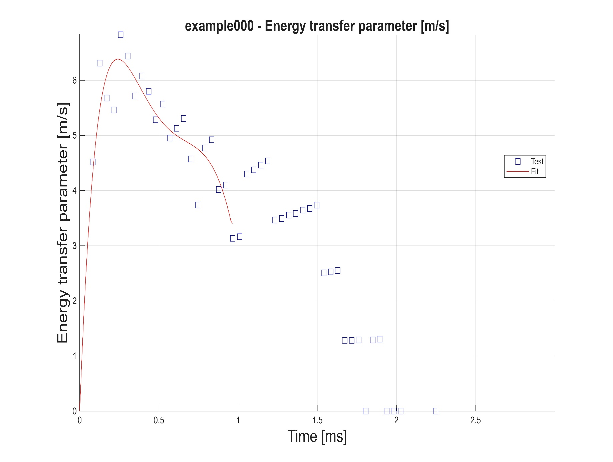
0.17085336831 | 5.6750190708 | 0.017676432896 | 1.232580351
0.21504445055 | 5.4637184664 | 0.026514649344 | 1.7784294194
0.25923553279 | 6.8281493631 | 0.035352865792 | 2.2808926748
0.30342661503 | 6.4370087099 | 0.04419108224 | 2.7424592361
0.34761769727 | 5.7161870092 | 0.053029298688 | 3.1655084472
0.39180877951 | 6.0758086698 | 0.061867515135 | 3.5523136136
0.43599986175 | 5.8003071599 | 0.070705731583 | 3.9050456836
0.48019094399 | 5.2850347655 | 0.079543948031 | 4.2257768486
0.52438202623 | 5.5647367052 | 0.088382164479 | 4.5164840756
0.56857310847 | 4.9495722451 | 0.097220380927 | 4.7790523268
0.61276419071 | 5.1293703073 | 0.10605859738 | 5.0152780628
0.65695527295 | 5.309165429 | 0.11489681382 | 5.2268723488
0.70114635519 | 4.574134617 | 0.12373503027 | 5.4154640015
0.74533743743 | 3.739211484 | 0.13257324672 | 5.5826026371
0.78952851966 | 4.7738925308 | 0.14141146317 | 5.7297616548
0.8337196019 | 4.9237205128 | 0.15024967961 | 5.8583410662
0.87791068414 | 4.0188763577 | 0.15908789606 | 5.9696704099
0.92210176638 | 4.0987783429 | 0.16792611251 | 6.0650112008
0.96629284862 | 3.1340120812 | 0.17676432896 | 6.1455598707
1.0104839309 | 3.1639693668 | 0.18560254541 | 6.2124503113
1.0546750131 | 4.2985286958 | 0.19444076185 | 6.266755992
1.0988660953 | 4.3784269399 | 0.2032789783 | 6.3094926741
1.1430571776 | 4.4583240696 | 0.21211719475 | 6.3416209624
1.1872482598 | 4.5382200647 | 0.2209554112 | 6.3640479872
1.2314393421 | 3.4635893741 | 0.22979362765 | 6.3776298093
1.2756304243 | 3.4935431819 | 0.23863184409 | 6.3831739452
1.3198215065 | 3.5534695797 | 0.24747006054 | 6.3814409933
1.3640125888 | 3.5834223793 | 0.25630827699 | 6.3731465971
1.408203671 | 3.6433477555 | 0.26514649344 | 6.3589634817
1.4523947533 | 3.6732995214 | 0.27398470989 | 6.3395233595
1.4965858355 | 3.7332238503 | 0.28282292633 | 6.3154183897
1.5407769177 | 2.5087855581 | 0.29166114278 | 6.2872036187
1.584968 | 2.5287575103 | 0.30049935923 | 6.2553977606
1.6291590822 | 2.5487293019 | 0.30933757568 | 6.2204853058
1.6733501645 | 1.2843517795 | 0.31817579213 | 6.1829181697
1.7175412467 | 1.2843491519 | 0.32701400857 | 6.1431164654
1.7617323289 | 1.2943375331 | 0.33585222502 | 6.1014708094
1.8059234112 | 0 | 0.34469044147 | 6.0583430358
1.8501144934 | 1.2943348645 | 0.35352865792 | 6.0140679578
1.8943055757 | 1.3043232046 | 0.36236687436 | 5.9689541706
1.9384966579 | 0 | 0.37120509081 | 5.9232859711
1.9826877401 | 0 | 0.38004330726 | 5.8773235151
2.0268788224 | 0 | 0.38888152371 | 5.8313045952
2.0710699046 | -1.3043232046 | 0.39771974016 | 5.7854458819
2.1152609869 | -1.2943348645 | 0.4065579566 | 5.739943101
2.1594520691 | -1.2943375331 | 0.41539617305 | 5.6949728601
2.2036431513 | -1.2843491519 | 0.4242343895 | 5.6506929962
2.2478342336 | 0 | 0.43307260595 | 5.6072439186
2.2920253158 | -1.2843517795 | 0.4419108224 | 5.564748911
2.3362163981 | -2.5487293019 | 0.45074903884 | 5.5233151902
2.3804074803 | -1.2643774818 | 0.45958725529 | 5.4830349693
2.4245985625 | -1.2643800286 | 0.46842547174 | 5.443985628
2.4687896448 | -1.2543915256 | 0.47726368819 | 5.4062306301
2.512980727 | -1.2543940324 | 0.48610190464 | 5.3698202847
2.5571718092 | -2.4888134463 | 0.49494012108 | 5.3347919967
2.6013628915 | -2.4688411762 | 0.50377833753 | 5.3011712035
2.6455539737 | -3.6733066875 | 0.51261655398 | 5.2689719837
2.689745056 | -3.6133816575 | 0.52145477043 | 5.2381970021
2.7339361382 | -3.5834291997 | 0.53029298688 | 5.2088384898
2.7781272204 | -4.6980085701 | 0.53913120332 | 5.1808786654
2.8223183027 | -4.6181149049 | 0.54796941977 | 5.1542899478
2.8665093849 | -3.4036619803 | 0.55680763622 | 5.1290354178
2.9107004672 | -3.37370719 | 0.56564585267 | 5.1050691892
2.9548915494 | -4.4183756453 | 0.57448406911 | 5.082336925
2.9990826316 | -4.3384704553 | 0.58332228556 | 5.0607759238
 |  | 0.59216050201 | 5.0403155703
 |  | 0.60099871846 | 5.0208776073
 |  | 0.60983693491 | 5.0023763201
 |  | 0.61867515135 | 4.9847189612
 |  | 0.6275133678 | 4.9678056194
 |  | 0.63635158425 | 4.9515296594
 |  | 0.6451898007 | 4.9357784352
 |  | 0.65402801715 | 4.9204324629
 |  | 0.66286623359 | 4.9053662016
 |  | 0.67170445004 | 4.89044876
 |  | 0.68054266649 | 4.8755425687
 |  | 0.68938088294 | 4.8605047896
 |  | 0.69821909939 | 4.8451876114
 |  | 0.70705731583 | 4.8294369327
 |  | 0.71589553228 | 4.8130937392
 |  | 0.72473374873 | 4.7959945717
 |  | 0.73357196518 | 4.777970554
 |  | 0.74241018163 | 4.7588477222
 |  | 0.75124839807 | 4.7384479505
 |  | 0.76008661452 | 4.7165886049
 |  | 0.76892483097 | 4.6930821284
 |  | 0.77776304742 | 4.667737137
 |  | 0.78660126386 | 4.6403584149
 |  | 0.79543948031 | 4.6107464804
 |  | 0.80427769676 | 4.5786978081
 |  | 0.81311591321 | 4.5440060057
 |  | 0.82195412966 | 4.5064609796
 |  | 0.8307923461 | 4.4658493603
 |  | 0.83963056255 | 4.4219552387
 |  | 0.848468779 | 4.3745594035
 |  | 0.85730699545 | 4.3234406237
 |  | 0.8661452119 | 4.268375505
 |  | 0.87498342834 | 4.2091386147
 |  | 0.88382164479 | 4.1455025387
 |  | 0.89265986124 | 4.0772391224
 |  | 0.90149807769 | 4.0041196143
 |  | 0.91033629414 | 3.9259135095
 |  | 0.91917451058 | 3.8423911634
 |  | 0.92801272703 | 3.7533229821
 |  | 0.93685094348 | 3.6584797215
 |  | 0.94568915993 | 3.5576340765
 |  | 0.95452737638 | 3.4505595046
 |  | 0.96336559282 | 3.4005651244

