2
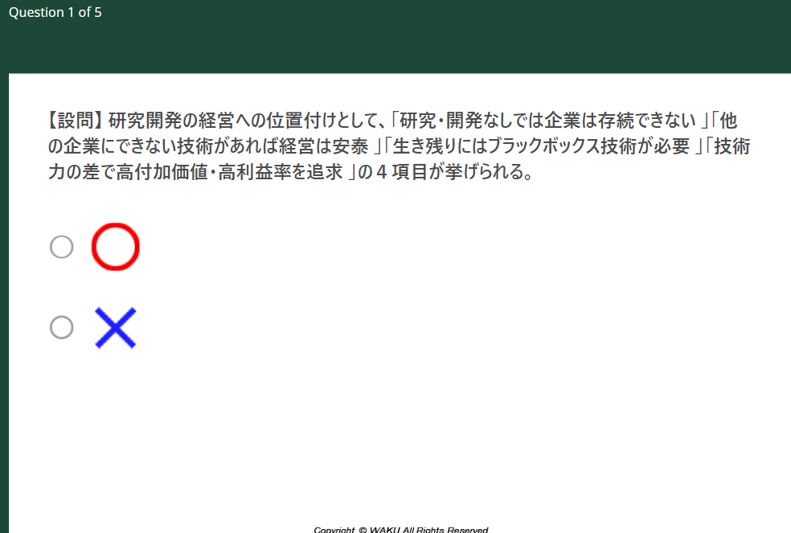
1,2
 |  | 1 | 1-2

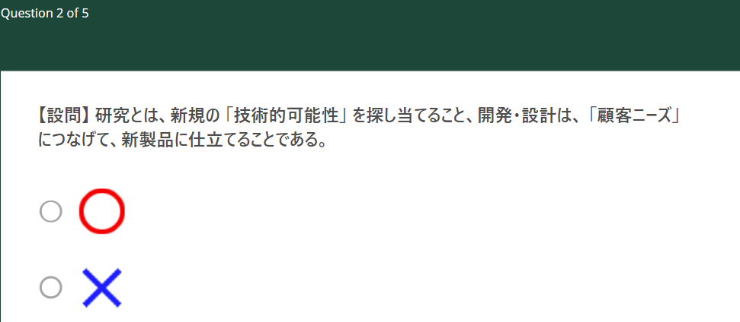
 |  | 2 | 1-3

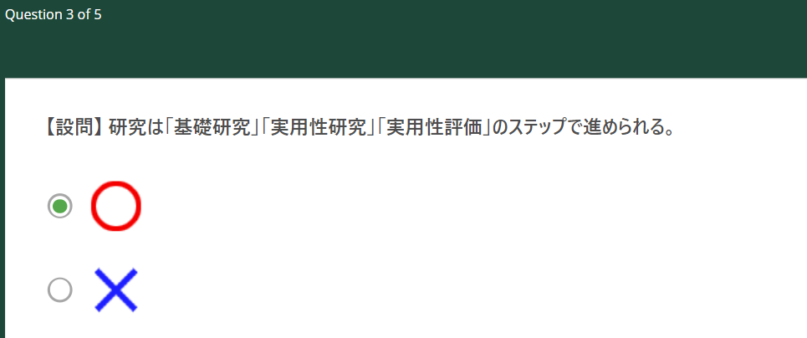
 |  | 2 | 1-3

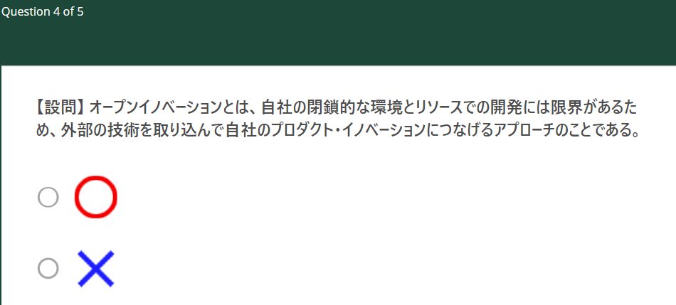
 |  | 1 | 1-4

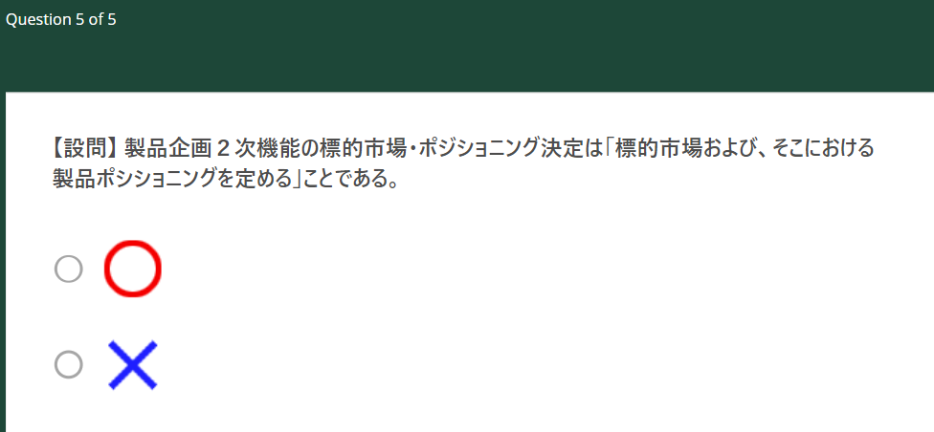
 |  | 1 | 2-5

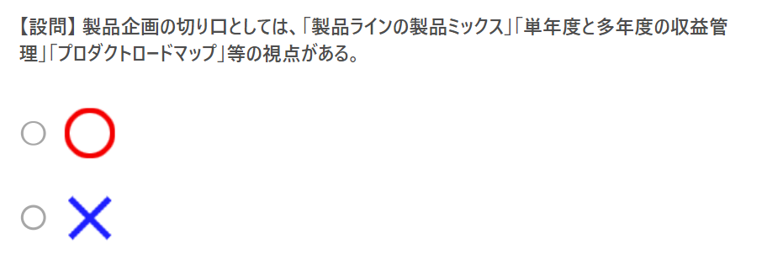
3,4 | 2 | 3-1-1~3

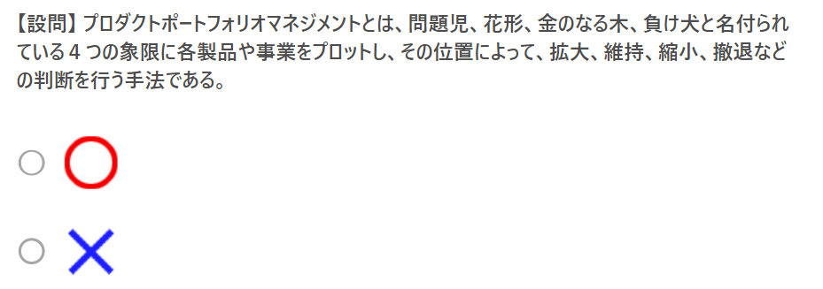
 | 1 | 3-1-3

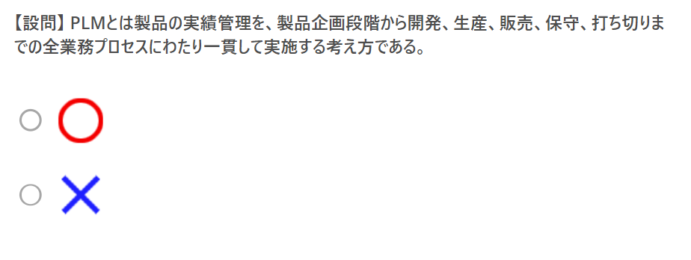
 | 2 | 3-2

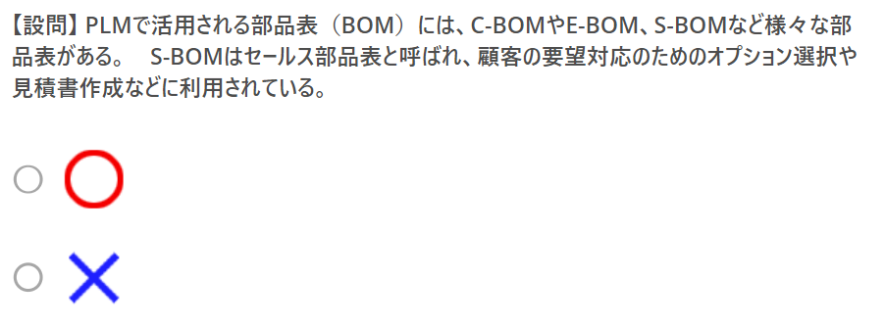
 | 1 | 3-3

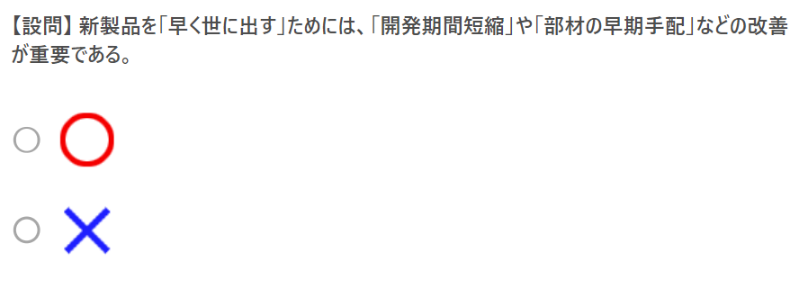
 | 2 | 4-1

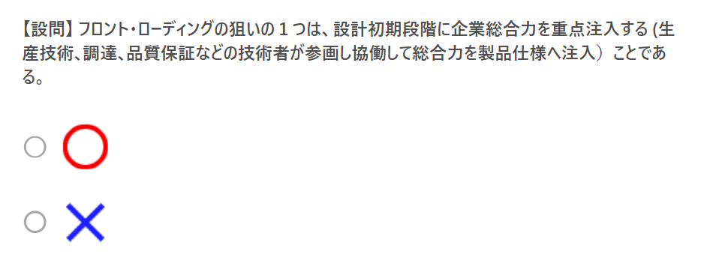
 | 2 | 5-1-2

 | TRUE | 5-2

 | FALSE | 5-3

 | FALSE | 5-5

 | TRUE

3
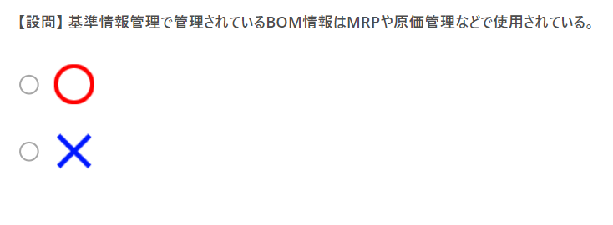
t

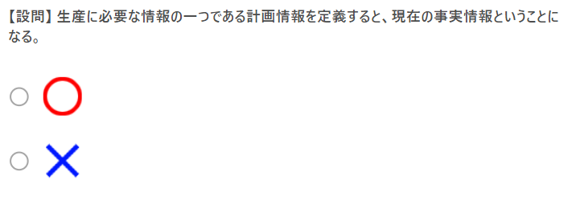
f

t

t

f

t

f

t

t

t

f

t

f | 4-1

t

3a
3

1

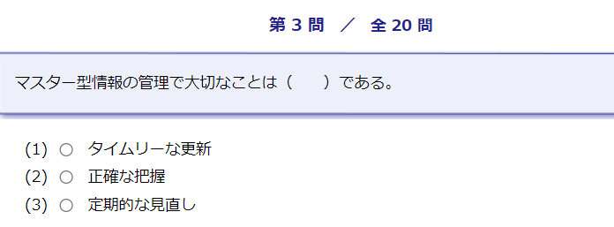
1

3

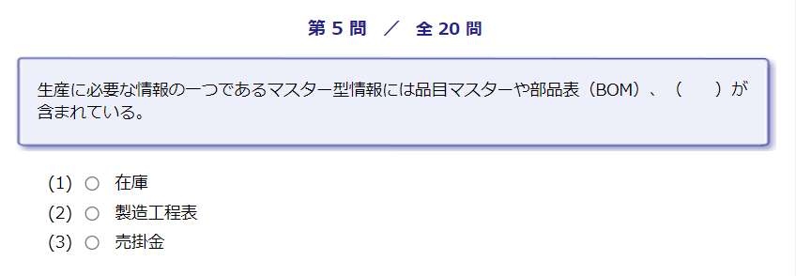
2

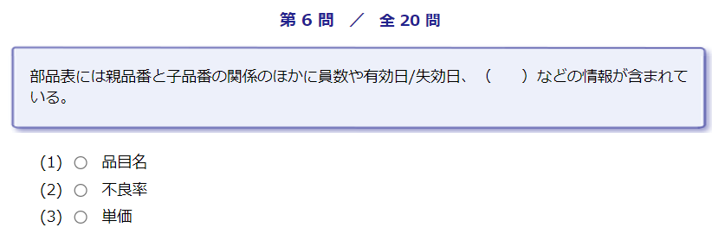
2

1

1

3

3

2

2

3

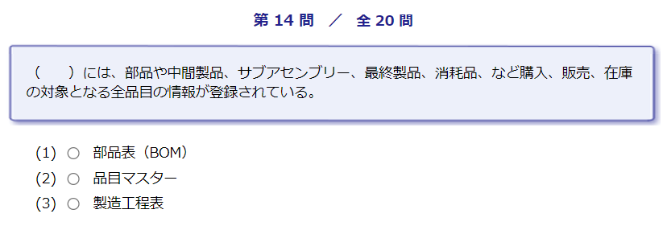
2

1

1

2

2

3

2

