os topics
 | ` | question |  | answer mostly based on http://vega.cs.kent.edu/~mikhail/classes/os.f12/ |  |  |  |  |  |  |  | additional points
 | issue | PPT the code for RW problem sychonization, the order changed comparing with book |  | it should be "if readercout == 1 " for the first reader to lock the writer |  |  |  | thanks | I think the ppt is correct, if readcout=0, then block the writer, and following reader can directly go into the cs.

 | 2011s | Define OS kernel. |  | In computing, the 'kernel' is the central component of most computer operating systems; it is a bridge between applications and the actual data processing done at the hardware level. |  |  |  |  |  | maybe plus" Running at all times" after starting up [BOOK page 6]
 | 2011s | Explain the difference between user and kernel mode. |  | In Kernel mode, the executing code has complete and unrestricted access to the underlying hardware. It can execute any CPU instruction and reference any memory address. Kernel mode is generally reserved for the lowest-level, most trusted functions of the operating system. Crashes in kernel mode are catastrophic; they will halt the entire PC. In User mode, the executing code has no ability to directly access hardware or reference memory. Code running in user mode must delegate to system APIs to access hardware or memory. Due to the protection afforded by this sort of isolation, crashes in user mode are always recoverable.
 | 2011s | Motivate the need for dual-mode operation. |  | To allow protection OS operates in dual-mode. To be specific, in order to ensure the proper execution of the operating system, we must be able to distinguish between the execution of operating-system code and user-defined code.
 | 2011s | Explain what hardware support is needed to implement it. |  | mode bit provided by hardware user (1), kernel (0) enables OS to distinguish when system is running user code or kernel code
 | 2015f, 2012s, 2017f | Define process. |  | process(also called task, or job) is a program in execution. It contains two parts, one of which is program code (or text) sequence of instructions to be executed, another of which is context (execution state)
 | 2012s, 2017f | Explain what "process state" is. |  | OS maintains the state of a process. The state of a process is defiened in part by the current activity of that process.
 | 2012s, 2017f | A process may be in one of the 5 states. Name and describe them. |  | Each process may be in one of the following states: New. The process is being created. Running. Instructions are being executed. Waiting. The process is waiting for some event to occur (such as an I/0 completion or reception of a signal). Ready. The process is waiting to be assigned to a processor. Terminated. The process has finished execution.
 | 2012s, 2017f | Describe transitions between these 5 states. |  | 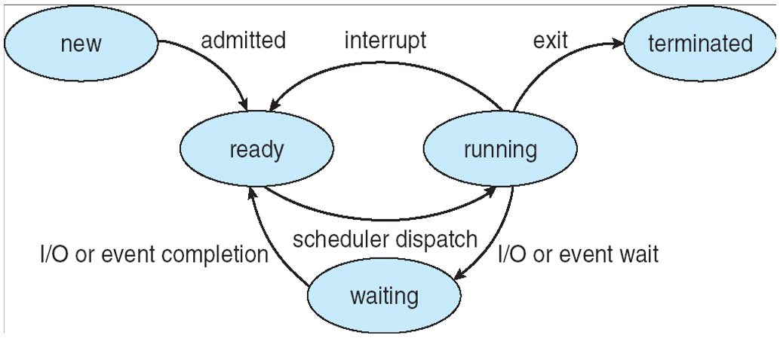
 | 2012s, 2017f | Explain what context switch is. |  | stopping one process and restarting another save state of that process, update Process Control Block for each of the two processes, restore state of next process
 | 2012s, 2017f | Describe what state transition involves context switch and why. |  | running --> ready running --> waiting ready --> running
 | 2012s | Define Processor Interrupts |  | In system programming, an interrupt is a signal to the processor emitted by hardware or software indicating an event that needs immediate attention.
 | 2012s | Describe and differentiate between polling-based and interrupt based input-output processing. |  | polling - CPU regularly polls CSRs of a device to check if the I/O operation has completed; interrupts - a device raises an interrupt to alert the CPU that I/O operation has completed |  |  |  |  |  | control and status registers (CSR)
 | 2012s | Explain what device driver is. Explain why they are needed. |  | device driver – kernel module that is coded to communicate with a particular device. Because there is a variety of external devices and ways of communicating with them, to simplify programming – use device drivers
 | 2012s | Describe how the rest of the operating system interfaces with device drivers and how device drivers operate with device controllers. |  | [PPT] from the I/O subsystem’s perspective, the device driver is “black box” that supports a standard set of operations (each device may implement these operations differently) [BOOK] To start an I/O operation, the device driver loads the appropriate registers within the device controller. The device controller, in turn, examines the contents of these registers to determine what action to take (such as “read a character from the keyboard”). The controller starts the transfer of data from the device to its local buffer. Once the transfer of data is complete, the device controller informs the device driver via an interrupt that it has finished its operation. The device driver then returns control to the operating system, possibly returning the data or a pointer to the data if the operation was a read. For other operations, the device driver returns status information. |  |  |  |  |  |  |  | https://www.cs.princeton.edu/courses/archive/fall10/cos318/lectures/Device.pdf
 | 2015f, 2015s | Define process control block. Explain its typical contents and how it is used. |  | data structure maintained by OS to keep track of process’ state Process state. The state may be new, ready, running, waiting, halted, and so on. Program counter. The counter indicates the address of the next instruction to be executed for this process. CPU registers. The registers vary in number and type, depending on the computer architecture. They include accumulators, index registers, stack pointers, and general-purpose registers, plus any condition-code information. Along with the program counter, this state information must be saved when an mterrupt occurs, to allow the process to be continued correctly afterward. CPU-scheduling information. This information includes a process priority, pointers to scheduling queues, and any other scheduling parameters. Memory-management information. This information may include such information as the value of the base and limit registers, the page tables, or the segment tables, dependmg on the memory system used by the operating system. Accounting information. This information includes the amount of CPU and real time used, time limits, account numbers, job or process numbers, and so on. I/O status information. This information includes the list of I/O devices allocated to the process, a list of open files, and so on.
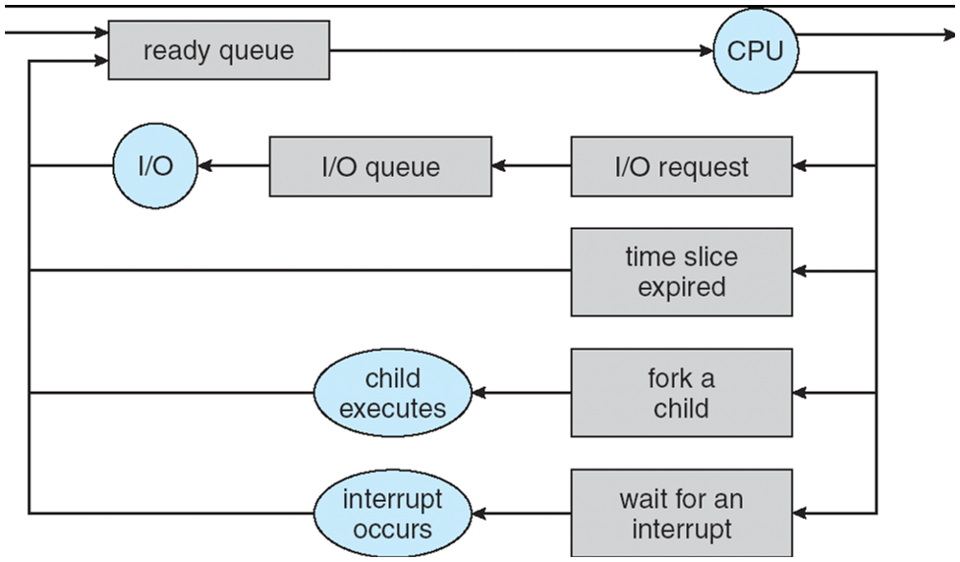
 | 2015f, 2015s | Define ready queue and I/O devices queues. |  | ready query: processes in state ready (waiting to be run on CPU) I/O device query: processes in state waiting, blocked on particular device waiting for their request to be submitted to the device controller |  |  |  |  |  |  | Ready Query: The process that are residing in main memory and are ready and waiting to to excute are kept on a list called ready query.
 | 2015s | Explain how these queues are used. |  | 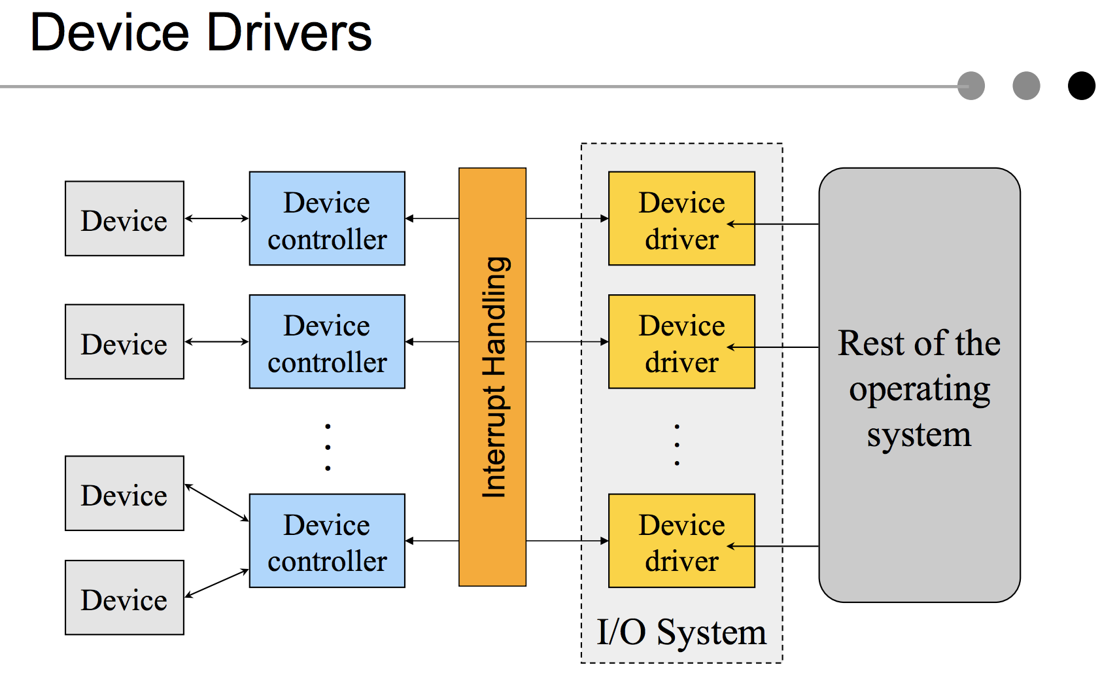 |  |  |  |  |  |  | 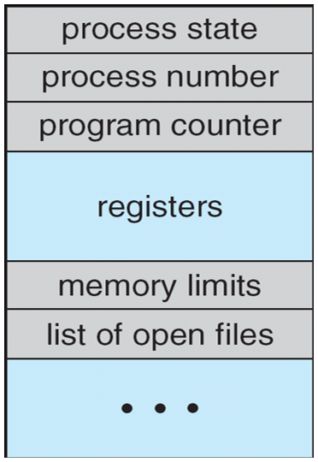
 | 2015s | Highlight the major difference between the states of processes in ready queue and I/O device queues. |  | ready queue: ready I/O device queue: waiting
 | 2015f | Explain the principle of a multilevel feedback queue. |  | allow scheduler to move processes between queues to ensure fairness
 | 2015f | Explain process aging | decay | aging -- moving older processes to higher-priority queue |  |  |  | decay – moving older processes to lower-priority queue
 | 2012f, 2011s | Define threads.
 | 2016s | Differentiate between a process and a thread. |  | Threads are used for small tasks, whereas processes are used for more 'heavyweight' tasks – basically the execution of applications. Another difference between a thread and a process is that threads within the same process share the same address space, whereas different processes do not. Process has – address space, program code, global variables, heap, stack, OS resources (files, I/O devices, etc.) Thread has its own (other threads can access but shouldn’t) registers, program counter (PC) stack, stack pointer (SP) with other threads of the process shares process resources executes concurrently can block, fork, terminate, synchronize
 | 2016s | Motivate the use of threads. |  | 1. implement ad hoc switching and scheduling between tasks within process 1) threads are more intuitive to program, 2) easy to switch between task contexts and coordinate between 2. create multiple processes 1) threads are cheaper to create — only need a stack and storage for registers 2) use very little resources — don’t need new address space, global data, program code, or OS resources 3) context switches are fast — only have to save / restore PC, SP, and registers 4) communication between threads is easy – they share address space
 | 2016s,2011s | Differentiate between user thread implementation and kernel thread implementation. |  | User-level thread: provide a library of functions to allow user processes to manage (create, delete, schedule) their own threads Kernel thread: kernel provides system calls to create and manage thread
 | 2016s,2011s | Define many-to-one, one-to-one and many-to-many multithreading models and compare their relative advantages and disadvantages. List at least two advantages of one implementation over the other. |  | Many-to-One (Solaris’ green threads) – all user threads are mapped to one kernel thread. Advantages: 1. Efficiency: thread management is done by the thread library in user space 2. Disadvantages: 1. One blocking system call blocks all. 2. No parallelism for multiple processors One-to-One (Windows XP, OS/2) – one user thread to one kernel thread Advantages: 1. It provides more concurrency than the many-to-one model by allowing another thread to run when a thread makes a blocking system call 2. it also allows multiple threads to run in parallel on multiprocessors. Disadvantages: 1. creating a user thread requires creating the corresponding kernel thread. Many-to-Many – multiplexes many user-level threads to a smaller or equal number of kernel-level threads Advantages: 1. allocation is specific to a particular machine (more k. threads may be allocated on a multiprocessor) 2. developers can create as many user threads as necessary 3. the corresponding kernel threads can run in parallel on a multiprocessor.
 | 2012f | Discuss the three models for establishing a relationship between the user and kernel threads. |  | The same with above.
 | 2016s | Define and motive the concept of a thread pool. |  | Definition: A number of threads in a pool where they remain blocked until activated, and they will activate when request arrives Motivation: 1. threads may not be created infinitely – overwhelm computer resources 2. on-demand thread creation may not be fast enough
 | 2012f | Explain multithreaded programming. |  | A traditional (or heavrvveighl:) process has a single thread of control. If a process has multiple threads of control, it can perform more than one task at a time. A Web browser might have one thread display images or text while another thread retrieves data from the network, for example.
 | 2012f | What are the benefits of multithreaded programming? |  | Responsiveness. Multithreading an interactive application may allow a program to continue running even if part of it is blocked or is performing a lengthy operation, thereby increasing responsiveness to the user. Resource sharing. The benefit of sharing code and data is that it allows an application to have several different threads of activity within the same address space. Economy. Because threads share the resources of the process to which they belong, it is more economical to create and context-switch threads. Scalability. Multithreading on a multiCPU machine increases parallelism.
 | 2017s | Define multitasking. |  | multiple processes, also called tasks, can execute (i.e., run) on a single computer seemingly simultaneously and without interfering with each other.
 | 2017s | Define and differentiate cooperative and preemptive multitasking. |  | Preemptive multitasking is task in which a computer operating system uses some criteria to decide how long to allocate to any one task before giving another task a turn to use the cpu. The act of taking control of the operating system from one task and giving it to another task is called preempting. Cooperative multitasking, also known as non-preemptive multitasking, is a style of computer multitasking in which the operating system never initiates a context switch from a running process to another process.
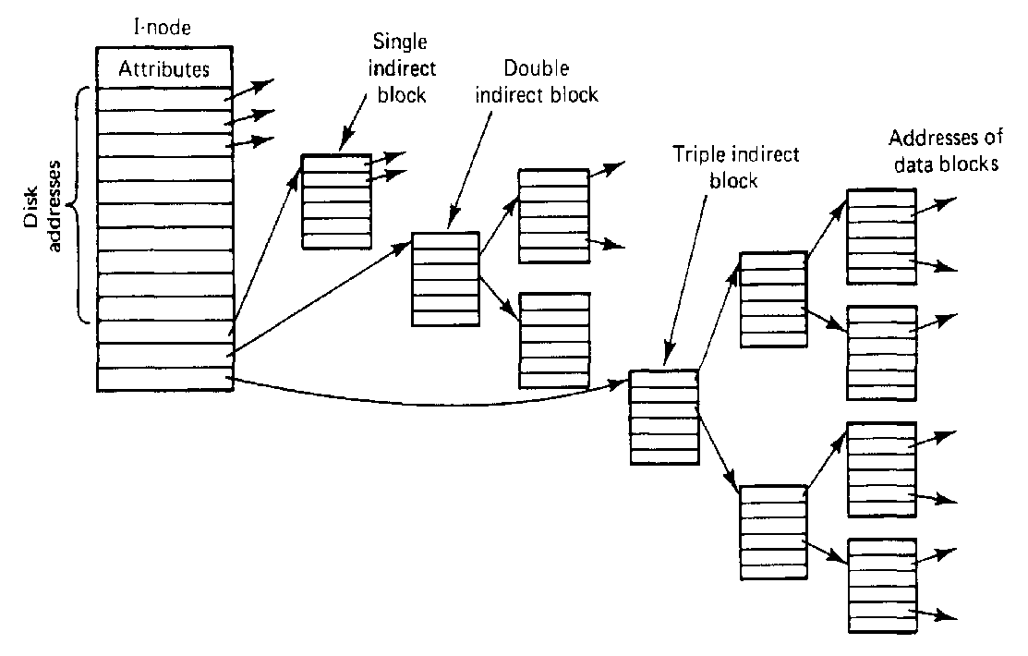
 | 2017s | Explain why preemptive multitasking requires hardware support. |  | preemptive multitasking need interrupt according to a fixed time slice, cpu burst, or prioirty. In the first case, Round Robin scheduling make multitasks run concurrently -- each process takes turn and runs on cpu within their fixed time slices. So, the hardware timer that interrupts at periodic intervals is needed to support this preemptive multitasking algorithm.
 | 2017s | Describe the kind of hardware support that is required. |  | hardware timer that interrupts at periodic intervals
 | 2017s | Outline the sequence of events that happen when one task (processes) is preempted and another process is executed. (=context switch? yeah, it should be) |  | 1. OS takes control (through interrupt) 2. saves old context in the process PCB 3. reloads new context from the new process PCB 4. returns control to app. program

cpu scheduling | 2017s,2016f,2014f,2013f,2010f | Define CPU burst cycle. |  | cpu burst is the total time when a process in the running state in cpu after it was dispatched from ready queue. It's the period of computation between I/O requests is called the CPU burst.
 | 2017s,2014f | Explain why a CPU burst size is important for process scheduling. |  | some scheduling algorithms like SJF, SRT are used the estimated cpu burst time to maximize the throughput of the concurrent operation and minimize the average waiting time for each process.
 | 2014f | Explain how OS uses CPU-burst for process scheduling. |  | explain SJF and SRT working method
 | 2014f | why CPU-burst this information is not available |  | the actual cpu burst time is finally determined based on actural running time. We will not known until it finished the running and terminated
 | 2017s | It seems that the OS needs to know this size before executing the process to decide when to schedule the process. How would the OS determine the CPU-burst size in advance? |  | estimation on the basis of previous bursts: τn+1 = α tn+ (1-α)τn, where tn – actual n-th burst
 | 2016f,2013f,2010f | Differentiate it from I/O burst cycle. Differentiate I/O bound and CPU-bound processes. |  | I/O-bound process – spends more time doing I/O than computations; CPU-bound process – spends more time doing computations
 | 2016f, 2012s | Differentiate preemptive and non-preemptive (cooperative) CPU scheduling. |  | non-preemptive executes when: 1. process is terminated 2. process switches from running to blocked - simple to implement but unsuitable for time-sharing systems |  |  | preemptive executes at times 1. & 2. and: 3. process is created 4. blocked process becomes ready 5. a timer interrupt occurs - more overhead, but keeps long processes from monopolizing CPU - must not preempt OS kernel while it’s servicing a system call (e.g., reading a file) or otherwise OS may end up in an inconsistent state
 | 2016f,2010f | Define process starvation. |  | process starvation is a process which could be dispatched to cpu but stays in indefinite blocking state and never gets scheduled to run .、
 | 2012s | What is the purpose of a short-term CPU scheduler? |  | system oriented: 1. maximize CPU utilization; 2. maximize throughput; 3. ensure fairness of CPU allocation to avoid starvation . 4 min overhead due to scheduling |  | user-oriented: 1. minimize turnaround time – interval from time process becomes ready till the time it is done 2. minimize average and worst-case waiting time – sum of periods spent waiting in the ready queue 3. minimize average and worst-case response time – time from process entering the ready queue till it is first scheduled
 | 2016f,2013f | Out of the four elementary process scheduling disciplines: First-come, first-served (FCFS), shortest job first (SJF), round robin (RR) and shortest remaining time (SRT), name the disciplines that may result in process starvation. Explain your answer. |  | FCFS will not have starvation | SJF can have starvation, it is possible for long cpu burst processes | RR will not have starvation for cpu burst process, because it let all processes make turns to run on cpu in their own time slices; However, it penalizes I/O-bound processes, because it may not use full time slice, and blocked due to I/O request and wait |  |  | SRT can have starvation, it is possible for long cpu burst processes
 | 2017s | In the below listed scheduling disciplines, name the ones that use the CPU-burst and explain how it is used in each discipline. -- first come first served (FCFS), -- shortest job first (SJF), -- round-robin (RR), -- shortest remaining time (SRT). |  | those used cpu-burst are SJF, SRT; The RR and FCFS are not using it.
 | 2013f | For each discipline, If not starve processes explain why not. If, yes, give a starvation example and explain whether it applies to CPU-bound or to I/O-bound processes. |  | I/O-bound process has relative small cpu burst, so that it will not suffer starvation on SJF, SRT. CPU-bound process may suffer starvation on SJF, SRT. both type of processes will not suffer starvation on FCFS and RR
 | 2010f | Can RR or SRT starve CPU-bound or I/O-bound processes? If, yes, give an example, if no, explain why not. |  | NO, RR will not starve cpu-bound process, since it let all processes in the ready queue take turn to run on the cpu within a quantum time slice. But if a process is I/O bound process, RR scheduling will waste that quantum time slice, since I/O bound process need very less computing time on cpu. The SRT will starve the long cpu-burst process though eventually those long cpu-burst can finally get chance to run on cpu. But it wilk not starve I/O bound process since their cpu-burst is relatively less.
 | 2012s | Which type of scheduling (preemptive or non-preemptive) is used in most modern operating systems and why is it used? |  | preemptive. For time sharing system, multi-processes need run concurrently. Preemptive scheduling can maximize the throughput of the concurrent system and minimize the average waiting time for each process.
 | 2010f | Define Shortest Remaining Time (SRT) first short term CPU scheduling discipline. |  | SRT - preemptive version of SJF policy: choose the process that has the smallest next CPU burst, and run that process preemptively until termination or blocking, or until another process enters the ready queue at that point, choose another process to run if one has a smaller expected CPU burst than what is left of the current process’ CPU burst |  |  |  |  |  |  | SJF throughput — better than RR
 | 2010f | Define round-robin (RR) short term CPU scheduling discipline. |  | Round-Robin - preemptive version of FCFS; policy: define a fixed time slice (also called a time quantum) – typically 10-100ms choose process from head of ready queue run that process for at most one time slice, and if it hasn’t completed or blocked, add it to the tail of the ready queue choose another process from the head of the ready queue, and run that process for at most one time slice
 | 2012s | Explain round-robin (RR) scheduling, and how its behavior and performance varies with the size of the time quantum? Are there any constraints on how the quantum should be chosen? |  | Explain is the above. With large quantum time slice q, RR = FCFS; With small q, it can avoid convoy effect caused by FCFS. Constraint is q must be large with respect to context switch, otherwise overhead is too high

synchronization | 2016s,2014fs, 2011f,2011s | Define semaphore. |  | an integer variable that apart from initialization can only be accessed by its two atomic operation, which are P / wait and V / signal. A semaphore is a variable or abstract datatype used to control access to a common resource by multiple processes in a concurrent system such as a multiprogramming operating system. Semaphore are OS tools used for process synchronization.
 | 2016s,2015s | Explain motivation,why operating system design needs the concept of synchronization primitives, such as semaphores |  | synchornization with executing multi-threads often causes the shared codes or data. If multiple threads are allowed to access shared code or data, unhindered race condition may occur To protect shared data structure from race conditions the thread’s access to it should be mutually exclusive.
 | 2016s,2014s,2011f,2011s | Explain the operation of the two semaphore operations: wait() and signal(). |  | assuming only one shared resource, then s initalized as 1. Before enter to CS, wait() need be called to reduce the semaphore s by 1, namely s = 0; When s>=0, process can continue go to CS. If other process come, when the previous process still staying the CS. Then, after wait() called, s further reduce from to -1. Since -1 <0, this process will be blocked, Until the first process come out from CS and call signal() to raise up the semaphore s by 1, to let s>= 0 again, and let the blocked process go to CS. |  |  |  |  |  |  | write wait() signal() methods
 | 2016s,2014f, 2014s,2011f, 2011s | Define the critical section (mutual exclusion) problem. |  | a critical section is a code segment that accesses shared variables and has to be executed as an atomic action. The critical section problem refers to the problem of how to ensure that at most one process is executing its critical section at a given time. |  |  |  | Peterson's solution |  | before entering the CS, a thread requests it. A solution to MX should ensure 1. safety – at most one thread at a time execute the CS 2. liveness – a thread requesting the CS is eventually given a chance to enter it.
 | 2014f,2011f, 2011s | Explain why it is necessary to solve this problem for OS design. |  | Concurrently executing threads often share data structures. If multiple threads are allowed to access shared data structures unhindered race condition may occur To protect shared data structure from race conditions the thread’s access to it should be mutually exclusive.
 | 2011f, 2011s | Give 2 examples where in OS implementation mutual exclusion might be needed. |  | multithreads which has shared memory in PCB; I/O device like printer |  |  |  |  |  |  | printer Shared resources access in distributed system.
 | 2016s,2014s,2011f,2011s | Provide a semaphore-based solution (write code) to the critical section problem. |  | RMW problem, Producer/consumer problem, dinning philosorphor problem on L10 slides 8,9,10
 | 2015s,2014s | Define atomicity of operations. Explain why the operations need to be atomic. |  | A function or action implemented as a sequence of one or more instructions that apperas to be indivisable; It cannot be interleaved with other process. Need it because the critical section code should not let more than one process to access by interrupting (context switch) and cause the race condition.
 | 2015s | Define the bounded buffer problem and provide a semaphore-based solution to this problem. |  | Producer/consumer problem | bounded buff holds items added by producer and removed by consumer. producer blocks when buffer is full; consumer blocks when empty |  |  |  |  |  | L10 slide 8 for code
 | 2014f | Define Read Modify Write (RMW) operations and explain why such operations are necessary to implement the solution to the Mutual Exclusion Problem. Give pseudocode to: - one of the RMW operations, - solution to the Mutual Exclusion problem using your RMW operation |  | Readers and writers perform operations concurrently on a certain item. Writers cannot concurrently access items, readers can. |  | the item, shared variable, is a CS. So, writer cannot access it concurrenetly to write differently values. So it needs Mutual Exclusion. |  |  |  |  | L10 slide 9 for code

memory management / virtual memory | 2015f, 2013f,2011s | Define fragmentation. Differentiate between external and internal fragmentation. |  | fragmentation - free memory is spread in multiple places of various sizes (fragments) which makes further allocation difficult/impossible and thus wastes memory |  |  | internal – unused memory fragments are inside the allocation units | external – unused memory fragments are outside the allocation units |  |  | L12 slide 7, does stack allocation lead to fragmentation? | Stack allocation leads to internal fragmentation but not external one? | dynamic allocation of segments may lead to external fragmentation not internal fragmentation
 | 2015f, 2013f | From which fragmentation do segment-based and page-based memory allocation suffer? Explain. |  | interneral fragmentation, because the size of a page and segments are fixed |  |  |  |  |  |  |  |  | is it internal or external? | both?
 | 2011s | Define the concept of external and internal storage fragmentation. |  | same
 | 2011s | This concept (fragmentation) arises in multiple areas of OS design. Give at least two examples of external vs. internal fragmentation. In each case, explain whether it is beneficial or detrimental to have this kind of fragmentation. |  | Example: 1. heap – arbitrary dynamic allocation/deallocation leads to fragmentation (both internal and external?) |  | example2: stack allocation lead to internal fragmentation? | no benefit to have both fragmentation,since both lead to storage space being "wasted"
 | 2011f | Describe page-based random access memory management. |  | The basic method for implementing paging involves breaking physical mem- ory into fixed-sized blocks called frames and breaking logical memory into blocks of the same size called pages. When a process is to be executed, its pages are loaded into any available memory frames from their source (a file system or the backing store).
 | 2011f | Define and differentiate a page and a frame. |  | each process is divided into a number of small, fixed-size partitions called pages physical memory is divided into a large number of small, fixed-size partitions called frames. page size = frame size
 | 2016s,2013f, 2011f | Define page table. |  | page table – per process data structure that provides mapping from page to frame
 | 2013s | Explain the basic method of paging. Include descriptions of: a. Its advantages over earlier methods of memory management b. necessary hardware support, |  | [BOOK] The basic method for implementing paging involves breaking physical memory into fixed-sized blocks called frames and breaking logical memory into blocks of the same size called pages. When a process is to be executed, its pages are loaded into any available memory frames from their source (a file system or the backing store). a. Though the earlier methodes like Segmentation permits the physical address space of a process to be non-contiguous. The external fragmentation still exists. Paging is another memory-management scheme that offers this non-contiguous advantage. However, paging avoids external fragmentation and the need for compaction. It also solves the considerable problem of fitting memory chunks of varying sizes onto the backing store. Most memory-management schemes used before the introduction of paging suffered from this problem. The problem arises because, when code fragments or data residing in main memory need to be swapped out, space must be found on the backing store. The backing store has the same fragmentation problems discussed in connection with main memory, but access is much slower, so compaction is impossible. b.Paging is implemented through cooperation between the operating system and the computer hardware. Every address generated by the CPU is divided into two parts: a page number (p) and a page offset (d). The page number is used as an index into a page table. The page table contains the base address of each page in physical memory. This base address is combined with the page offset to define the physical memory address that is sent to the memory unit.
 | 2013s | c. basic page table implementation, (You do not need to discuss hierarchical or multilevel paging, hashed or inverted page tables), |  | to obtain physical memory address, the page number part of it is translated to frame number
 | 2013s | d. the role of a translation lookaside buffer (TLB), |  | - since page table also resides in memory, getting data/code requires more than one memory lookup. - solution: translation lookaside buffers (TLB) – associative cache that holds page and frame numbers - on page access, page # is first looked in TLBs if found (cache hit) can immediately access page - if not found (cache miss) then have to look up the frame in the page table - program with good code locality of reference benefits from TLBs
 | 2013s | e. valid/invalid bits |  | unused portions of the page table are protected by valid/invalid bit; even though the page table contains additional unused page references they are marked as invalid Attempt to address these pages will result in a trap with “memory protection violation” |  |  | page table entry includes valid (present) bit to indicate ▪ if program attempts to access a page that is not in physical memory, page fault occurs
 | 2013s | f. what pages can be shared and how shared pages are implemented. |  | read-only page; they are shared by their page tables which point to the same frames, so all processes can access the same data/codes in that frame on memory |  |  |  |  |  | if multiple processes are executing the same program (ex: text editor) the pages containing the code for the editor can be shared. And usually, each these table has a read-only bit.
 | 2011f | Describe multi-level page tables. |  | page the page table |  | relatively saving the numbers for comparison to lookup the address and size in the memory, but requires multiple memory lookups for a single memory access which is inefficient too. --->hashed page table
 | 2011f | Explain why multi-level page tables are necessary. |  | the address space of morden computer sysem are large, so (direct) page table may itself consume significant amount of memory, it may be inefficient especially for architectures with large virtual address space (64-bit) |  |  |  |  | Hashed Page Table: multilevel page table potentially requires multiple memory lookups for single memory access inefficient for large address spaces (64-bit) hashed page table – hashes logical page number. In case of hash collision, page references are linked
 | 2011f | Describe and explain the need for either inverted page tables or hashed page tables (choose only one).
 | 2016s | Motivate the need for a hierarchical page table.
 | 2016s | Explain the address lookup diagram if in a two-level hierarchical page table (draw a diagram if necessary). |  |  |  |  |  |  | consider again the system with a 32-bit logical address space and a page size of 4 KB. A logical address is divided into a page number consisting of 20 bits and a page offset consisting of 12 bits. Because we page the page table, the page number is further divided into a 10-bit page number and a 10-bit page offset. Thus, a logical address is as follows: where p1 is an index into the outer page table and p2 is the displacement within the page of the inner page table. [BOOK]

 | 2015s, 2012s | Define virtual memory and explain why it is needed. (=advantage) |  | virtual memory – the technique that allows to execute processes that may not be completely in physical memory [BOOK] Virtual memory allows us: 1. to run extremely large processes; 2. to raise the degree of multiprogramming, increasing CPU utilization. 3. Further, it frees application programmers from worrying about memory availability. 4. In addition, with virtual memory, several processes can share system libraries and memory. 5. With virtual memory, we can also use an efficient type of process creation known as copy-on-write, where in parent and child processes share actual pages of memory.
 | 2012s | Define page and frame in virtual memory. |  | Seperation of user logical memory from physical memory. -Only part of the program needs to be in memory for execution -Logical address space can thereforebe much larger than physical address. -Allows address spaces to be shared by several processes. -Allows for more efficient process creation. -More programs running concurrently -Less I/O needed to load or swap process. -from R.Walker slides. |  |  |  |  | size of pages in baking store are the same in vitural memory | I think the definitions are same, the overall size of pages and frames for a process in a certain running time is different. For example, at time t1, the size of pages may be greater than the size of frames.
 | 2015s | Briefly explain how page-based virtual memory is organized. Explain why page replacement policy is needed. |  | demand paging while not in use the pages are stored on a disk – backing store the page table indicates whether the page is in memory or in backing store if a process requests a page that is not in memory a page fault trap is generated and control is passed to OS the faulted process is suspended (another process may be started while it waits) and a request to fetch the page is generated when page is in memory the page table is updated and the instruction that caused page fault is re-executed |  |  |  |  | why needed page replacement policy is needed: if a process requests a page and there are no free frames, the page replacement is needed.
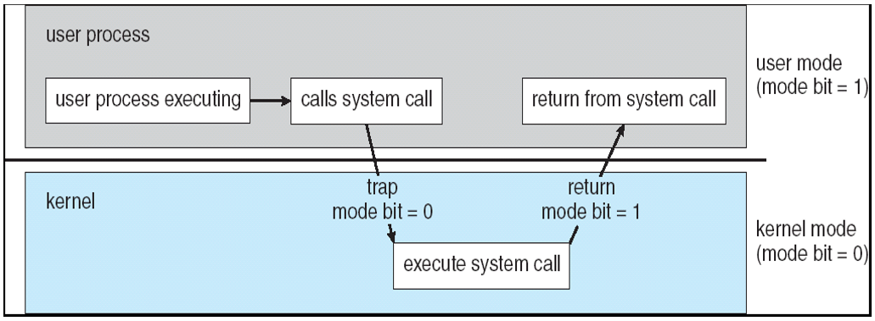
 | 2015s | Explain why a FIFO page replacement policy is inadequate; suggest and alternative policy. Explain how your alternative policy operates and why it is superior to FIFO |  | [BOOK] A FIFO replacement algorithm associates with each page the time when that page was brought into memory. When a page must be replaced, the oldest page is chosen. This algorithm is not based on how a page is needed in the past or future, Also, Belady’s anomaly exists, when increasing the number of frames, and it causes high page fault rate. [e.g. On the one hand, the page replaced may be an initialization module that was used a long time ago and is no longer needed. On the other hand, it could contain a heavily used variable that was initialized early and is in constant use.] optimal page-replacement algorithm—the algorithm that has the lowest page-fault rate of all algorithms and will never suffer from Belady’s anomaly. It replaces the page that will not be used for the longest period of time. But this need future knowledge. Therefore, the alternative policy can be LRU to approximate it. (/ NRU /Second-change page replacement ). Because the differences of FIFO and OPT are: FIFO algorithm uses the time when a page was brought into memory, whereas the OPT algorithm uses the time when a page is to be used. So, if we use the recent past as an approximation of the near future, then we can replace the page that has not been used for the longest period of time. Thus, the page fault rate can be lowered down. LRU operation: • associate a clock register with every page in physical memory • update the clock value at every access • during replacement, scan through all the pages and find the one with the lowest value in its clock register
 | 2012s | Explain how demand paging makes virtual memory transparent for application programmer. (= how demand pageing works) |  | demand paging • while not in use the pages are stored on a disk – backing store • the page table indicates whether the page is in memory or in backing store • if a process requests a page that is not in memory - a page fault trap is generated and control is passed to OS - the faulted process is suspended (another process may be started while it waits) and a request to fetch the page is generated - when page is in memory the page table is updated and the instruction that caused page fault is re-executed
 | 2016f , 2015f, 2014s | Motivate the need for a page-replacement algorithm in demand-paining virtual memory organization. Explain the need for page replacement in a page-based virtual memory organization. Explain page replacement in a virtual memory organization. Motivate the need for an efficient page replacement algorithm. |  | The moditvation, the need of page replacement is: Although the page with a clean bit can be directly replaced, it will still happen that a process requests a page and there are no free frames. Page replacement in a virtual memory organization is: The OS has to evict (remove) a page from memory to backing store
 | 2013s, 2014s | a. What is the Optimal Page Replacement Strategy? Define the optimal page replacement algorithm (OPT). Explain why it is not used in practice. Name and describe the operation of the practical algorithm that approximates the behavior of OPT. |  | a. Optimal - replace the page that will not be used for the longest period of time The reason it is not unsed is because it requires future knowledge LRU, (describe in one cell below); A simple approximation is NRU (4 cells below)
 | 2013s, 2016f | Explain how Least Recently Used (LRU) approximates this and what is its difficulties or disadvantages. Explain how least recently used algorithm (LRU) operates. Explain why it is never used in practice. |  | LRU - replace the least recently used page. So LRU approximates it and be implemented in the following way: • associate a clock register with every page in physical memory • update the clock value at every access • during replacement, scan through all the pages and find the one with the lowest value in its clock register Disadvantage: since it needs to scan to determining which page to be replaced, it create overhead too; Also it is not sure in future really need or not if based on the history usage.
 | 2013s | Can you suggest how a LRU type algorithm could be implemented in a system which has a modified bit but not a referenced bit? |  | • if the page has been modified – it is dirty and has to be written to disk. so that LRU cannot replace it out before it has been written to disk. • if the page has not been modified - (it is the same as it’s copy in the backing store) - it can be just discarded and replaced by LRU type algorithm immediately;
 | 2013s | b. Illustrate Optimal and LRU assuming 3 pages may be held in memory and references are to page numbers : 7,0,1,2,0,3,0,4,2,3,0,3,2,1,2,0,1,7,0,1 State any assumptions you make and comment on the results? |  | assuming 3 frames allowed | optimal: | LRU:
 | 2015f | Differentiate not-recently-used (NRU) and least recently used (LRU) page replacement algorithms. |  | • not-recently-used (NRU): -use an R (reference) bit, and set it whenever a page is referenced -clear the R bit periodically, such as every clock interrupt -choose any page with a clear R bit to evict So, there is overhead on clearing the bits and the picture may not be good enough - additional bits may be needed LRU: • associate a clock register with every page in physical memory • update the clock value at every access • during replacement, scan through all the pages and find the one with the lowest value in its clock register So, there is a lot of overhead on to scan though all the pages. It costs more time.
 | 2012s | Explain how second chance (clock) page replacement algorithm operates |  | -use an R (reference) bit as before ▪ on a page fault, circle around the “clock” of all pages in the user memory pool ▪ start after the page examined last time ▪ if the R bit for the page is set, clear it ▪ if the R bit for the page is clear, replace that page and set the bit |  |  |  |  | advantage: if a page is used often enough to keep its reference bit set, it will never be replaced.
 | 2016f | Describe the operation second-change page replacement algorithm. Explain why it approximates LRU. |  | use an R (reference) bit as before. ▪ on a page fault, circle around the “clock” of all pages in the user memory pool ▪ start after the page examined last time ▪ if the R bit for the page is set, clear it ▪ if the R bit for the page is clear, replace that page and set the bit The reason is they both give the pages with recently frequent usage more chance to avoid being replaced.
 | 2015f | Describe second chance, and state/say which of the two LRU or NRU the second change page replacement algorithm approximates. |  | LRU and NRU both? | Book: both
 | 2012s | what page replacement policy second chance (clock) page replacement algorithm approximates, and what its advantages are over other page replacement policies. |  | In the Second Chance page replacement policy, the candidate pages for removal are consider in a round robin matter, and a page that has been accessed between consecutive considerations will not be replaced. The page replaced is the one that - considered in a round robin matter - has not been accessed since its last consideration |  |  |  |  | Second change page is based on FIFO algorihtm, and it is the approximate of LRU. | http://www.mathcs.emory.edu/~cheung/Courses/355/Syllabus/9-virtual-mem/SC-replace.html
 | 2013f | Describe how page table is used in virtual memory organization. Explain how the following bits are used. - valid-invalid bit - clean/dirty (also called modify) bit - reference bit |  | page table contains the following type of bits to indicate the status of the page: 1. page table entry includes valid (present) bit to indicate -- if program attempts to access a page that is not in physical memory, page fault occurs 2. if the page has been modified indicated by dirty bit – it has to be written to disk and cannot directly discarded and replaced • if the page has not been modified indicated by clean bit- (it is the same as it’s copy in the backing store) - it can be just discarded and replaced 3. -NRU page replacement algorithm uses an R (reference) bit, and set it whenever a page is referenced -clear the R bit periodically, such as every clock interrupt -choose any page with a clear R bit to evict
 | 2010f | Define a working set in demand paging (page-based virtual memory organization). |  | working set— the collection of pages that a process is working with, and which must be resident in main memory, to avoid thrashing
 | 2010f | Explain why the operating system has to keep track of the working set and how it does it. |  | to avoid thrashing | • implementation - choose time T, pages that were accessed during time T constitute a working set, the rest can be discarded, - scan periodically to update working set
 | 2010f | Define thrashing and explain who it is related to the concept of the working set. |  | if memory gets overcommitted, between the times the process accesses the CPU, most of the process’ pages get paged out ▪ thus most of the page accesses result in page faults ▪ thus most of the time is spent use waiting for pages to be brought in • the CPU is being idle ▪ this wasted activity due to frequent paging is called thrashing The number of the pages in the working set standards for the degree of multiprogramming, which is related to the trashing. Hence, maintain a reasonable degree of multiprogramming is needed to increase the throughput and to avoid trashing at the same time.

disk structure | 2017s | Define the problem of disk read/write head scheduling |  | Every file operation may require movements of the read/write head. This operation, known as the access operation, is very time consuming. Thus, we use disk management to reduce the effects of such access operation.
 | 2016f | Define the concept of a block in disk storage. Motivate the need for free space disk management. Explain the bit-vector and linked list free disk space management techniques. Compare their advantages and disadvantages |  | a block, sometimes called a physical record, is a sequence of bytes or bits, usually containing some whole number of records, having a maximum length, a block size Motivation: Since disk space is limited, we need to reuse the space from deleted files for new files, if possible. Bit-vector: Each block is represented by 1 bit. If the block is free, the bit is 1; if the block is allocated, the bit is 0. Advantages: 1. Relatively simple to implement 2. Efficient to find the first free block or n consecutive free blocks on the disk 3. For good performance, cache the bit vector in memory Disadvantage: bit vector is only useful when it can be kept in main memory. As disk gets bigger, it is difficult to do. Linked list: Linking together all the free disk blocks, keeping a pointer to the first free block in a special location on the disk and caching it in memory. This first block contains a pointer to the next free disk block, and so on. Advantage: 1. To find a free space, just grab the first block off the list Disadvantage: It's not easy to traverse the free list.
 | 2011f | Define the concepts of a block, sector, track, cylinder and platter with respect to disk space allocation. Define the concept of a free linked (block) list. Explain how the linked list is used for disk space allocation. Explain what bit vector-based disk space allocation is. Explain the advantages of this method over free-list based. |  | A sector is a subdivision of a track on a magnetic disk or optical disc. A track is a circular path on the surface of a disk or diskette on which information is magnetically recorded and from which recorded information is read. A cylinder is any set of all of tracks of equal diameter in a hard disk drive. A platter is a circular magnetic plate that is used for storing data in a hard disk.
 | 2014s | Define block, sector, track and cylinder. Explain why application programs usually access the disk through the operating system rather than directly. [ the same question in line 123, 2013f ] Motivate why it is necessary to keep track of free (unallocated) disk blocks. Describe two allocation methods: free block list and bit vector. Compare their relative advantages and disadvantages. |  | Reason of keeping track of free disk blocks: because the disk space is limited, it is necessary to reuse the space freed when files are deleted for new files. How: To keep track of free disk space, a free-space list is maintained by the system, which records all disk blocks that are free. When a new file is created, we search the free-space list for the required amount of space and allocate that space to the new file. Any allocated space is removed from the free-space list. Whe the file is deleted, its disk space is added to the free-space list. 1. A free-space list is not always implemented as a list. The free-space list is often implemented as a bit map or bit vector. If a block is free, the bit is 1. If a block is allocated, the bit is 0. Advantages of Bit maps approach include: [two cells above is more reliable] 1.Relatively simple 2. Efficient to find the first free blocks or n consecutive free blocks on the disk. Disadvantage of Bit map: Bit maps are useful only when it can be kept in main memory. As disks get larger, it is hard to do. 2. Another approach is to link together all the free disk blocks. disadvantage: it isn't easy to traverse the free list. [two cells above is more reliable] |  |  |  |  | http://www.cs.unh.edu/~jlw/cs610/notes/free-space-mgmt.pdf
 | 2014f | Name and describe the three major methods of allocating disk space for a file. Compare their relative advantages and disadvantages. Unix uses a variant of one of these methods that has several levels. Explain how this multiple-level variant differs from the basic method and what advantages it has over the basic method. |  | Continuous Allocation: OS keeps an ordered list of free blocks allocates contiguous groups of blocks when it creates a file i-node must store start block and length of file Advantages: simple efficient sequential access, reasonably efficient random access small number of seeks (head movement), most may be on same track good for storing data on CDROM Disadvantages: may have difficulty changing file size (size is specified when file is created) problems with external fragmentation Chained (Linked) Allocation OS keeps an ordered list of free blocks file descriptor stores pointer to first block each block stores pointer to next block advantages: no external fragmentation any free space is as good as any other can easily change file size (no need to declare in advance) disadvantages: reasonable, but not great, for sequential access (one seek each time) inefficient random access — have to follow many links lost space due to lots of pointers (small, but adds up) lots of seeks to find a block not very robust — lose a block, lose rest of file |  |  |  |  | Indexed Allocation OS keeps a list of free blocks OS allocates an array (called the index block) to hold pointers to all the blocks used by the file allocates blocks only on demand advantages: can easily grow up to maximum size both sequential and random accesses are easy disadvantages: limit on maximum file size lots of seeks since data is not contiguous wasted space for pointers (need a whole block even for one pointer) Multilevel indexed allocation (Unix) each i-node contains 13 block pointers first 10 pointers point to data blocks (each 512 bytes long) of a file if the file is bigger than 10 blocks (5,120 bytes), the 11th pointer points to a single indirect block, which contains 128 pointers to 128 more data blocks (can support files up to 70,656 bytes) if the file is bigger than that, the 12th pointer points to a double indirect block, which contains 128 pointers to 128 more single indirect blocks (can support files up to 8,459,264 bytes) if the file is bigger than that, the 13th pointer points to a triple indirect block, which contains 128 pointers to 128 more double indirect blocks max file size is 1,082,201,087 bytes advantages: simple to implement supports incremental file growth works well for small files disadvantages: inefficient access to very large files data gets spread around - more seeks
 | 2010f | Describe multi-level indexed allocation (draw a diagram) of disk space in a file system. Explain how it accommodates small and large files. Define extent-based allocation. Describe its advantages and challenges compared to the multi-level indexed allocation. |  |  |  |  |  |  |  | Extent-based Allocation: Allocate multiple contiguous regions (extents) per file. An extent is a contiguous set of blocks. Extents are allocated for each file. A file consists of one or more extents. Advantages • Limited overhead for meta-data • Very good performance for sequential accesses • Simple to calculate random addresses Disadvantages (Small number of extents): • External fragmentation can still be a problem • Not able to grow file when run out of extents
 | 2012f | Explain the difference between contiguous (continuous) allocation, linked (chained) allocation, and indexed allocation for file systems. Explain the combined scheme (multilevel indexed allocation) used by the Unix File System (UFS) and how it implements access for small and large files. |  | same as above.
 | 2013s | Explain briefly the following seek algorithms: FCFS, SSTF, SCAN, C-SCAN. Give a sequence of track requests for each algorithm which could result in indefinite postponement, if such exists. If 2 or more requests come sequentially for the same track, how should each algorithm handle them. Justify your answer. |  | FCFS - handle in the order of arrival SSTF - select the request that requires the smallest seek from current track SCAN (elevator algorithm) - Move the head 0 to 100, 100 to 0, picking up requests as it goes C-SCAN -Move the head 0 to 100, picking up requests as it goes, then big seek to 0 Indefinite Postponement: SSTF 2 or more requets: just as the description of the algorithms
 | 2013f | Explain why the task of scheduling secondary storage I/O requests is assigned to the operating system. That is, why application programs do not typically access the disk directly. Briefly describe the following disk head scheduling algorithms: First-Come-First-Served (FCFS), Shortest-Service-Time-First (SSTF), SCAN, C-SCAN. Name the algorithm(s) that may result in I/O request starvation. Name the most fair algorithm. Explain your answers. |  | [PPT]equal to Why OS Manage Secondary Storage ▪ use of raw disk is inconvenient to the users ▪ use of raw disk by multiple users is inefficient ▪ OS provides an interface to conveniently access the disk ▪ OS manages this interface efficiently Starvation: SSTF Most Fair: C_SCAN |  |  | [BOOK] If I/O performance were the only consideration, the operating system would gladly turn over the responsibility of disk scheduling to the disk hardware. In practice, however, the operating system may have other constraints on the service order for requests. For instance, demand paging may take priority over application I/O, and writes are more urgent than reads if the cache is running out of free pages. Also, it may be desirable to guarantee the order of a set of disk writes to make the file system robust in the face of system crashes. Consider what could happen if the operating system allocated a disk page to a file and the application wrote data into that page before the operating system had a chance to flush the file system metadata back to disk. To accommodate such requirements, an operating system may choose to do its own disk scheduling and to spoon-feed the requests to the disk controller, one by one, for some types of I/O.
 | 2017s | Describe first-come first served (FCFS) and shortest seek time first (SSTF) scheduling techniques |  | same as above.
 | 2017s | Explain the problems with these techniques. Name and explain at least one technique that eliminates these proble |  | FCFS: advantages: simple, fair disadvantages: can use disk inefficiently (if one process is using file on outer track, and another process is using file on inner track, will be many long seeks) SSTF: advantages: reduces arm movement, uses the disk rather efficiently disadvantages: fairness: disk can stay in one area for a long time (result = starvation) SCAN: advantages: better fairness (no starvation) problems request on edge of disk just behind in direction traveling can wait a long time to be serviced (twice disk length) even request in middle waits long time C_SCAN: advantage: fairer than SCAN C-LOOK -same as C-SCAN, don’t go to edge if not necessary

 |  | how is context switch different from mode switch? How are they similar? how many mode switches are there in a context switch? |  | context switch happens only in kernel mode. If context switching happens between two user mode processes, first cpu has to change to kernel mode, perform context switch, return back to user mode and so on. So there has to be a mode switch associated with a context switch.
 |  |  |  | thanks
 | 2018 S | Describe the concept of a process. Explain what process control block (PCB) is and how it is used. List the contents of a PCB. Explain what scheduling queues are, specifically ready queue and device I/O queue. Explain how and why a PCB of a process migrates from one of these queues to another. Describe the process creation (either Unix of Windows). In case of Unix, explain the operation of fork() system call. In case of Windows, explain the operation of CreateProcess() system call.

 | 2018 S | Describe the operation of a CPU scheduler (dispatcher). Define CPU burst time of a process. Explain how operating system determines the CPU burst time of a process. Describe Shortest Job First (SJF) and Shortest Remaining Time (SRT) scheduling algorithms and explain how these two algorithms use process burst time. Give an example of SRT and SJF scheduling.

 | 2018 S | Explain why the OS schedules disk head movement. Explain why First Come First Served (FCFS) disk head scheduling algorithm is inadequate and suggest an alternative that is more suitable. Give an example of head scheduling that would demonstrate the advantage of your suggested algorithm over FCFS.

 | 2018 F | Define page-based memory allocation. Differentiate logical and physical memory address. Explain transition look-aside buffer (TLB) and how it is used for memory access. Differentiate TLB hit from TLB miss.

 | 2018 F | Describe a process control block (PCB) and how it is used. List typical contents of a PCB. Describe what process queue is and how PCBs are related to process queues. Differentiate device (I/O) queue and ready queue. Explain how both types of queues are used by the process scheduler.

 | 2018 F | Describe the need for synchronization in OS design. Define semaphores and two operations that are available on each semaphore. Define the bounded buffer (producer-consumer) problem. Given the following code for producer: while (true){ // produce item for the buffer wait(empty); wait(mutex) // add item to the buffer signal(mutex) signal(full); } Reconstruct the data structures (semaphores and their initialization) and the code for consumer. Explain the operation of your code.

 | 2019 S | Explain what process CPU burst and what is CPU-I/O burst
 |  | cycle. Describe the basic scheduling disciplines: Shortest Job First (SJF), Shortest Remaining Time (SRT), Round-Robin (RR), First Come First Served (FCFS).
 |  | Assume the processes become runnable as follows: Arrival time, ms Burst time, ms
 |  | P10 10 P21 5 P33 3
 |  | Assume the time slice for RR is 1 ms. Drawn Gantt charts of scheduling the processes by the four scheduling disciplines. Explain your answer.

 | 2019 S | Briefly explain page-based virtual memory organization. Introduce the concept of page replacement algorithm and explain why it is necessary. Define thrashing and explain it with respect to page replacement. Explain the concept of working set and how keeping track of it may prevent or mitigate thrashing.

 | 2019 S | Explain why operating system schedules disk read-write head movement. Consider a 1000-cylinder disk and the following queue of requests: 40, 180, 400, 900, 950. Assume that the read-write head is presently at the cylinder number 500 going from inner (lower numbered) to outer (higher numbered) cylinders. Describe shortest-seek-time-first (SSTF), LOOK, and C-LOOK would schedule the read-write head movement. Explain your answer. Out of these three scheduling algorithms, which one would most likely be implemented in practice? Explain.

algo
2010fall heap
2010fall | insertion sort with binary search | Consider the following variation of insertion sort. Assume A is the array we are sorting and that A[1], A[2],…, A[p] is the subarray of A which is currently sorted. Rather than sequentially searching for A[p + 1] 's position in A[1], … ,A[p], suppose we perform a binary search. If this is the case for 0<p<n (where n is the size of A), then what is the time complexity of the sorting algorithm? Explain. |  | 1. since the first P elements are sorted, inserting the P+1 th elements through binary search method need O(logP). 2. P varies from 1 to n for all situation of array when it is totally unsorted to the totally sorted. 3. The total runtime is the summation of all this cases. 4. since log1+log2+...+logn = log(1*2*...*n), so the total runtime is O(logn!) | https://en.wikipedia.org/wiki/Stirling%27s_approximation |  | O(n^2) We need to think of the time for swapping elements.
2010fall | heap | 1. Give definition of a heap. 2. What minimal sequence of insert and/or removeMin operations on heap A will transform it into heap B? Draw the heap after each operation. |  | image url
2010fall | hash table,chaining | Propose at least two strategies other than chaining for handling collisions in a hash table. Give their advantages and disadvantages |  | The main tradeoffs between these methods are that linear probing has the best cache performance but is most sensitive to clustering, while double hashing has poor cache performance but exhibits virtually no clustering; quadratic probing falls in-between in both areas. Double hashing can also require more computation than other forms of probing. | Chaining:The idea is to make each cell of hash table point to a linked list of records that have same hash function value. Chaining is simple, but requires additional memory outside the table. Open Addressing: In open addressing, all elements are stored in the hash table itself. Each table entry contains either a record or NIL. When searching for an element, we one by one examine table slots until the desired element is found or it is clear that the element is not in the table.
2011spring | couting sort | Describe an algorithm that, given n integers in the range 0 to k, preprocesses its input and then answers any query about how many of the n integers fall into range [a..b] in O(1) time. Your algorithm should use O(n+k) preprocessing time. Separate clearly the preprocessing part from the query answering part in your algorithm. Analyze the run-time of each part. |  | counting sort, refer to the book algo, return C[b]-C[a-1]
2011spring | heap, binary search tree | What is the difference between the binary-search-tree key property and the min-heap key property? Can the binary-search-tree key property be used to print out the keys of an n-node tree in sorted order in O(n) time? Can the min-heap key property be used to print out the keys of an n-node tree in sorted order in O(n) time? Explain how or why not. |  | The binary-search-tree property guarantees that all nodes in the left subtree are smaller, and all nodes in the right subtree are larger. The min-heap property only guarantees the general child-larger-than-parent relation, but doesn’t distinguish between left and right children. For this reason, the min-heap property can’t be used to print out the keys in sorted order in linear time because we have no way of knowing which subtree contains the next smallest element. | binary search tree: O(n) min-heap: O(nlgn)
2011spring | greedy | Describe an efficient algorithm that, given set {x1, …, xn} of points on the real line, determines the smallest set of unit-length closed intervals that contain all of the given points. Argue that your algorithm is correct. |  | https://www.csie.ntu.edu.tw/~hsinmu/courses/_media/ada_11fall/hw3-sol.pdf | problem3 or 16.2-5
2011fall | bucket/counting sort | You are implementing an algorithm that draws part of the landscape of a terrain, and you are faced with the following problem: You are given the heights of N points of the terrain's grid, and you need to find and sort, as fast as possible, the √N highest of them. Give an algorithm that does this, and argue that no one can do better (up to a constant factor, of course!) (Hint: Your algorithm should run in O(N) time; there is a simple argument why this is the best possible.) |  | index for the argument √N | use the variant of quick sort. Find the smallest number A in the √N largest numbers using partition. Using the number A to select the √N biggest numebr.
2011fall | hash, chaining | Professor Marley hypothesizes that he can obtain substantial performance gains in hashing by modifying the chaining scheme to keep each linked list in sorted order. How does the professor’s modification effect the running time for successful searches, unsuccessful searches, insertions, deletions? Explain. |  | Consider keeping the chaining lists in sorted order. searching will still take time proportional to the length of the list and therefore the running times are the same. The only difference is the insertions which now also take time proportional to the length of the list. | Insertion may take more take more time, but in the view of average performance, it will help improve the efficiency for searching (successful or unsuccessful) and deletion.
2011fall | graph | A directed graph is singly-connected if there is at most one simple path from u to v for all vertex pairs u,v. Give an efficient algorithm to determine whether or not a directed graph is singly-connected. |  | Solution. For each vertex u ∈ V , perform a DFS on the given graph G. Check if there are any foward edges or cross edges (in the same component) 1 in any one of the searches. If no such edges exist, then the graph is singly connected, else not. Time complexity: O(|V |(|V | + |E|)). The graph is singly connected even with back edges existed. Since back edges implies there is a path u v and v u, which is consistent with the definition of single connectedness | http://www.csie.ntu.edu.tw/~r95122/alg07spr/alg07spr_hw1sol.pdf
2012spring | merge sort | Describe an O(n log k)-time algorithm to merge k sorted lists into one sorted list, where n is the total number of elements in all the input lists. For an O(n k)-time algorithm, you will get only a partial credit. |  | http://www.bowdoin.edu/~ltoma/teaching/cs231/fall09/Homeworks/old/rest/H5-sol.pdf | loop i from 0 to k/2 and let the i, i+1 th lists merge | loop i from 0 to k/4 and let the i, i+1 th lists merge | ...
2012spring | binary search tree | We can sort a given set of n numbers by first building a binary search tree containing these numbers (using TREE-INSERT repeatedly to insert the numbers one by one) and printing the numbers by an inorder tree traversal. What are the worst-case and best-case running times for this sorting algorithm? Explain your answer. |  | The worst case is that the tree formed has height n because we were inserting them in already sorted order. This will result in a runtime of Θ(n^2 ). In the best case, the tree formed is approximately balanced. This will mean that the height doesn’t exceed O(lg(n)). Note that it can’t have a smaller height, because a complete binary tree of height h only has Θ(2^h ) elements. This will result in a rutime of O(n lg(n). We showed Ω(n lg(n)) in exercise 12.1-5. | Exercise 12.1-5 Suppose to a contradiction that we could build a BST in worst case time o(n lg(n)). Then, to sort, we would just construct the BST and then read off the elements in an inorder traversal. This second step can be done in time Θ(n) by Theorem 12.1. Also, an inorder traversal must be in sorted order because the elements in the left subtree are all those that are smaller than the current element, and they all get printed out before the current element, and the elements of the right subtree are all those elements that are larger and they get printed out after the current element. This would allow us to sort in time o(n lg(n)) a contradiction
2012spring | graph,22.4-3 | Give an algorithm that determines whether or not a given undirected graph G=(V,E) contains a cycle. Your algorithm should run in O(|V|) time, independent of |E|. |  | solution
2012fall | k-th smallest element | Develop an algorithm that computes the kth smallest element in a set of n distinct integers in O(n + k log n) time or better. |  | heap sorthttps://www.chegg.com/homework-help/questions-and-answers/develop-algorithm-computes-k-th-smallest-element-set-n-distinct-integers-o-n-k-log-n-time--q18928934 | couting sort or bucket sort solve this problem within O(n) time?
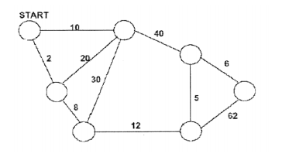
2012fall | Greedy | In an art gallery guarding problem, we are given a line L that represents a long hallway in an art gallery. Also, we are given a set X= {x1, x2, x3, … , xn} of real numbers that specify the positions of paintings in this hallway. Suppose that a guard can protect all paintings that are within a distance of 1 of their position (on both sides). Design an algorithm for finding a placement of guards that uses the minimum number of guards to guard all paintings with positions in X |  | The same as 2011 spring #1. Also quite similar to the water in dessert problem, except contiguours coverage by the number of stops in the water-dessert problem
2012fall | minimal spanning tree, graph | Execute Prim’s minimal spanning tree algorithm on the graph given below using the vertex START as the source. a. Provide an explanation of this execution for the first three iterations. b. Show the final minimal spanning tree. c. Finally, argue that the minimal spanning tree found is unique for this graph. (For arbitrary graphs, minimal spanning trees are usually not unique.) |  | image url: c. since the weight on all edges are distinct, so when there is a cut with multiple edges, there is surely w(e1), w(e2) ... having an order to find the minimum one among them. So there is no multiple way to choose the edges to be in the MST , unique
2013spring | greedy | A native Australian wishes to cross the desert carrying only one bottle of water. He has a map that shows all of the watering holes along the way. Assume that he can walk k miles on one bottle of water. Design an efficient technique or algorithm that he can use to determine where he should refill his bottle to make as few stops as possible. Explain why this algorithm works. |  | similart to the question 2012.f.#2 https://www.chegg.com/homework-help/questions-and-answers/native-australian-named-anatjari-wishes-cross-desert-carrying-sin-gle-water-bottle-map-mar-q15818563
2013spring | graph, topological sort | Show the ordering of the vertices produced by a topological sort when it is run on the figure below, under the assumption that when there is a choice of vertices to consider, that the vertices are considered in alphabetic order |  | image
2013spring | Dijkstra, graph | Use Dijkstra’s single source shortest path algorithm for below questions. a. What type of algorithm is Dijkstra’s algorithms (e.g., dynamic programming, divide and conquer, greedy, etc.?) Justify your answer by explaining why Dijkstra’s algorithm satisfies the requirements to be this type of algorithm b. Show the shortest path from JFK to each of the other nodes on the below weighted graph. |  | image | Dijkstra's Algorithms is greedy algorithm. Because Dijkstra's algorithm always chooses the "lightest" or "closets " vertex in V-S to insert into set S, we say that it uses a greedy strategy. we choose the locally optimal choice (the closest node to the tree at that instance) and restart the process from there. We do not break down the problem into subproblems in anyway. Therefore, Dijkstra’s Algorithm is a greedy algorithm.
2013fall | search | Let A and B be two sequences of n integers each. Given an integer m, describe an O(n log n) time algorithm for determining if there is an integer a in A and an integer b in B such that m = 2a + 3b |  | two sum
2013fall | hash table, collisions | Demonstrate the insertion of the keys 5,28,19,15,20,33,12,17 into a hash table with collisions resolved by linear probing. Assume that the table has 9 slots and that the hash function is h(k) = k mod 9. Draw the state of the hash table after every insertion. Propose strategies other than linear probing for handling collisions in a hash table. Are they better, worse? Explain. |  | double hash, quadradic hash, chainning,
2013fall | graph, network | Suppose you are given a diagram of a telephone network, which is a graph G whose vertices represent switching centers, and whose edges represent communications lines between two centers. The edges are marked by their bandwidth. The bandwidth of a path is the bandwidth of its lowest bandwidth edge. Describe an algorithm that, given a diagram and two switching centers a and b, will output the maximum bandwidth of a path between a and b. (Just report the maximum bandwidth; you do not have to give the actual path). Analyze the running time of your algorithm. |  | no network | using Dirkstra
2013fall | Sub problem from beginning | Each of n keys in an array may have one of the values red, white or blue. Give a linear time algorithm for rearranging the keys so that all the reds come before all the blues and all the blues come before all the whites. The only operations permitted on the keys are 1. Examination of a key to find out what color it is. 2. A swap (interchange of positions) of two keys specified by their indices. |  | two indices pointer to mark and switch from top and bottom
2014spring | sorting radix | Suppose we are given a sequence S of n elements, each of which is an integer in the range [0, n^3 - 1]. Describe a simple method for sorting S in O(n) time. |  | 1. break down the value x in range [0,n^3-1] to x = a*n^2+b*n+c; 2. Then any x can be represented by unique coefficients set (a,b,c) 3. peform radix sort start from c, then b, then a
2014spring | hash table | Professor Marley hypothesizes that he can obtain substantial performance gains in hashing by modifying the chaining scheme to keep each linked list in sorted order. How does the professor’s modification effect the running time for successful searches, unsuccessful searches, insertions, deletions? Explain. |  | same solution as mention above.... repeated question 2011f #2
2014spring | tree | Given a tree T with N nodes, the diameter of T is the length of a longest path between two nodes of T. Give an efficient (linear-time, if possible) algorithm for computing the diameter of T. What is the running time of your algorithm? |  | 1. consider each of nodes as a root in a case, we have N cases. 2. For each case, BFS find its max height in left subtree as Hl, BFS find its max height in right subtree as Hr, diameter in this case = Hl + Hr 3. return the max{all diameters in N cases} The running time is O(N*N) // BFS N times | method2, BFS twice, choose the fathest node at the end of the first BFS as the root to do the second BFS, totally O(N) . in this case, E~V method3, traversase all nodes BFS to get all heights H for each nodes. Using Dmax to present the max diameter obtained in bottum up way. The base case for leafnodes Dmax = 0; Other case for internal nodes Dmax = max{(Hl+Hr), Dlmax, Drmax}
2014fall | quick sort | Describe the general idea of Quick Sort. Show step-by-step how to sort the following list using Quick Sort and always picking the first element as the pivot: [10, 200, 30, 25, 70, 30, 7, 27]? Is Quick Sort stable? Explain why or why not.
2014fall | binary tree | Draw a single binary tree T such that a) each node of T stores a single character, b) a preorder traversal of T yields EXAMFUN, and c) a inorder traversal of T yields MAFXUEN.
2014fall | greedy\ | Describe an O(n) time algorithm that, given a set of n points on the real line x1 ≤ … ≤ xn, in sorted order, determines a position of a closed interval of length k that covers the maximum number of the given points. Argue that your algorithm is correct.
2015spring | Divide conquer | Sir Arthur de Templar was paid 27 gold coins for the information he provided on the last known location of the Holy Grail. Soon, from the highly trusted sources, he has learned that one of the 27 gold coins is not fully gold (it has some admixture of iron and copper and hence its weight differs (either heavier or lighter) from the weight of the other 26 true gold coins). Sir Arthur paid a visit to his closest friend drug-maker Mr. Drugless and in a few seconds they identified the fake coin. Legend says that they used just an old weighing device of Mr. Drugless (depicted on the Figure above) and could identify the fake coin in only 4 weighings. 1. Repeat the procedure used by Sir Arthur de Templar and Mr. Drugless for identifying the fake coin among 27 gold coins in just 4 weighings. 2. Extend it to an algorithm for identifying a single fake coin among N given gold coins using minimum number of weighings. How many weighings do you need? (A weighing is an operation of putting k coins on one plate of the device and k other coins on the other plate (k=1 or 2 or 3 …) and checking if the device is in equilibrium, and if not, which plate is heavier, lighter.) |  | 1. divide into 3 groups equally; a,b,c, each group has 9 coins, and fake one is in only one group 2. weitght a ?= b : if a = b: then fake in c, and further divide c in the same way and repeat step 1,2; else // a!=b, then fake one in either a or b. if weight a = c: then the fake one in b, and repeat step 1,2; else weight c= b: then the fake one in a, and repeat step 1,2. The runtime is O(logN)
2015spring | hash table, collision | Demonstrate the insertion of the keys 4, 27, 18, 14, 19, 32, 11, 16 into a hash table with collisions resolved by linear probing. Assume that the table has 9 slots and that the hash function is h(k) = k mod 9. Draw the state of the hash table after all insertions. What strategies do you know other than linear probing for handling collisions in a hash table?
2015spring | Mst prim | The following is a road distances chart that connects several important cities. All roads in a region are damaged due to a catastrophe. An emergency crew can repair only 10 miles of road in a day. We need to find the roads to be repaired urgently to restore the connectivity between the cities (i.e., at least one way exists to get from any city to any other city) within a minimum number of days. What algorithm will you be applying? Show step-by-step how your algorithm will find the solution for the listed cities. What is the run time complexity of your algorithm? |  | image
2015fall | Bucket sort with 1+n+1 buckets | You are given an array A of n positive integer numbers. All the numbers in A are in the range [10, 10n] except for 10 numbers. Can you design an algorithm to sort the array A in O(n) time? |  | 1. Traverse the array and remove 10 numbers that are not in the range into a help array B. //O(n) time 2. Counting sort on the array A. //O( n-10 +10n)=O(n) time 3. Some sort on the array B. //O(1) time 4. Merge A and B. //O(n) time
2015fall |  | Let I1, . . . , In be n intervals, where interval Ii is defined by set [ai , bi ], i.e., starting from ai and ending at bi . The interval scheduling problem asks to find a maximum number of disjoint intervals that do not overlap with each other (for example, if four intervals are given as I1 = [1, 2], I2 = [2, 3], I3 = [1, 4], I4 = [4, 5], then the solution is {I1, I2, I4}). Can you design a linear time greedy algorithm to solve the interval scheduling problem? You can ignore the running time of your algorithm in the pre-processing phase. |  | 1. bucket sort all the intervals according to the bi in increasing order; 2. scan from the first to the last bucket with intervals inside of each bucket, to check the ai whether is conflicting with the already picked scheduled interval set, if not conflicting, then pick it into sheduled set, else skip
2015fall | graph, cycle | The input consists of a directed graph, encoded in the usual adjacency list representation, along with two distinguished vertices s and t. Design and analyze a linear time algorithm to decide whether or not there is a path from s to t that contains a cycle. |  | DFS
2016spring | sorting | You are given a set A of n different numbers. The numbers in A are bitonic, i.e., the numbers are in increasing order till a maximum value (not known) and then in decreasing order. • How fast can you search for any particular number x ∈ A? • How fast can you sort A? |  | Sort A: 1. Find the maximum value M in A //O(n) 2. Merge two parts of array divided by M into output array B, using two indices, one from the beginning of the left side, and the other from from the end of the right side. // O(logn)
2016spring | red-black tree | Show the red-black trees that result after successively inserting the keys 41, 38, 31, 12, 19, 8 into an initially empty red-black tree. Show also the red-black trees that result from the successive deletion of the keys in the order 8, 12, 19, 31, 38, 41. |  | 13.3-2 solution
2016spring | graph, cycle | The input consists of a undirected graph G = (V, E), encoded in the usual adjacency list representation. Design and analyze an O(|V |)-time algorithm to decide whether or not G contains a cycle. |  | book' page 393
2016f | Give an O(n log k)-time algorithm to merge k sorted listed to produce one sorted list, where n is the total number of elements in all the input lists. |  |  | repeat 2012 s
2016f | Show the hash table after you insert the keys 5, 28, 19, 15, 20, 33, 12, 17, 10. Show the same hash table after collisions are resolved by chaining. Moreover, show the hash table after inserting keys using open addressing. Let the table have 9 slots and let the hash function be h(k) = k mod 9.
2016f | Given a connected undirected graph G = (V, E), design an O(V + E)-time algorithm to compute a path in G that traverses each edge in E exactly once in each direction.//book' page 386,387 the property of DFS in fact |  |  | sol | Solution: Perform a DFS of G starting at an arbitrary vertex. The path required by the problem can be obtained from the order in which DFS explores the edges in the graph. When exploring an edge (u, v) that goes to an unvisited node the edge (u, v) is included for the first time in the path. When DFS backtracks to u again after v is made BLACK, the edge (u, v) is included for the 2nd time in the path, this time in the opposite direction (from v to u). When DFS explores an edge (u, v) that goes to a visited node (GRAY or BLACK) we add (u, v)(v, u) to the path. In this way each edge is added to the path exactly twice.
2017s | You are given an array A of n distinct integers and another integer x. Give an O(nlogn)-time algorithm to determine whether or not there exists two elements in A whose sum is exactly x. |  |  | 1. Sort array A by merge sort // O(nlgn) 2. If A[A.min-1] + A.max < x, don't exist //O(1) 3. Else, find the first element smaller than x, marked by m. 4. from [A.min, m], binary search the element equal x-m. //0(lgn) 5. If not found, move index to the previous element, repeat step 3 and 4. // O(nlgn)
2017s | VLSI databases commonly represent an integrated circuit as a list of rectangles. Assume that each rectangle is axis aligned (sides parallel to the x- and y-axes), so that we represent a rectangle by its minimum and maximum x- and y-coordinates. Give an O(nlogn)-time algorithm to decide whether or not a set of n rectangles so represented contains two rectangles that overlap. Your algorithm need not report all intersecting pairs, but it must report that an overlap exists if one rectangle entirely covers another, even if the boundary lines do not intersect. |  |  | (x,x'),(y,y') pairs, sorting according x' with increasing order, check x_i > x_i+1, y_i > y_i+1, y'_i<y'_i+1. if satisfy return exist. otherwise return false. Namely, sorting one edge, and check the rest three edges relation | method2: radix sort (x, x', y, y' ) then check overlap
2017s | The transitive closure of a graph is a graph which contains an edge (u, v) whenever there is a directed path from node u to node v. Design an O(V E)-time algorithm for computing the transitive closure of a directed graph G = (V, E). |  |  | 1. Construct a new graph G*= (V,E*). 2.E* is initially empty. 3. For each vertex v traverse the graph G adding edges for every node encountered in E*. This takes O(VE)time | http://www.cnblogs.com/william-cheung/p/3677469.html

tree traveral | runtime | O(n) for all cases | n is number of nodes

