Ethereum Wallets
Wallet Address/PubKey | Public Key QR Code | Private Key | Private Key QR Code
0x9B8a3927e7F42B02654078F6bC3318A042531124 | 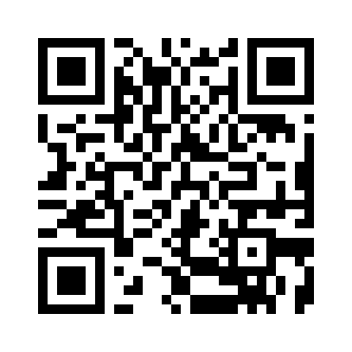 | dcade78970313fd0560486c3fc44859c8d48bec790e47bcf78c2197930cf1edd | 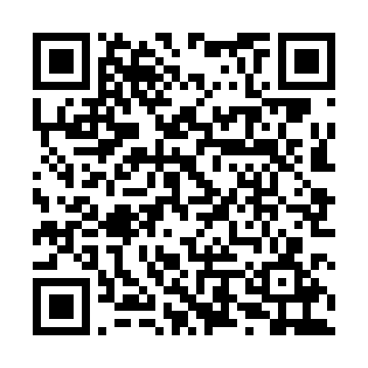
0x82dc7E4C997E66B1350428BDBcde0c888beC7F50 | 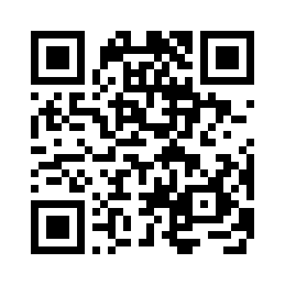 | ce901162c981a213e85cc5775a2a4495ae4a497c43ee265ac433f439b89fe30c | 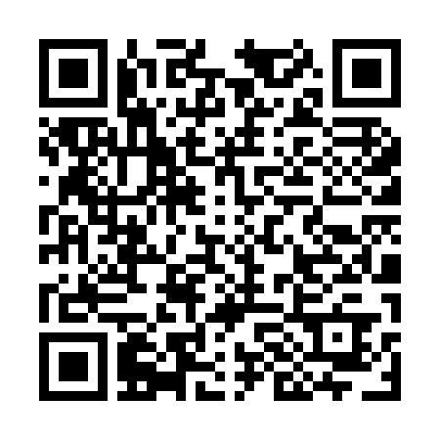
0x30054aE1B1C95023Cda4Cc047D2d7035006F51A4 | 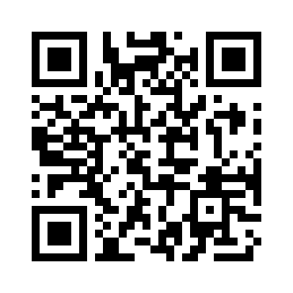 | 8573a59088b4bd44d513c5fd89f315adb91a4bd26b9dee2003c225cefee563c0 | 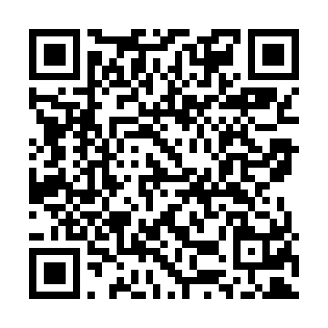
0x244e3f12B5bEb8770bb4d6E91Def2f31ECf94838 | 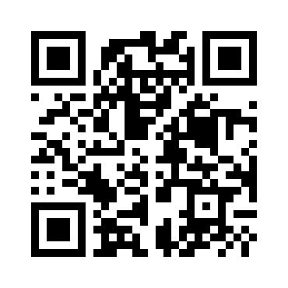 | 3a4963c3bb64ee5493747d1c776eb7c65616c6a244d9092fbcfd7d22a102fd16 | 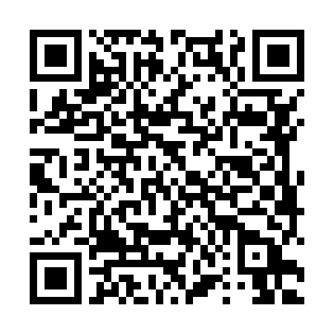
0x24a8214c122EF74dEc1c23945312990271b5bBB4 | 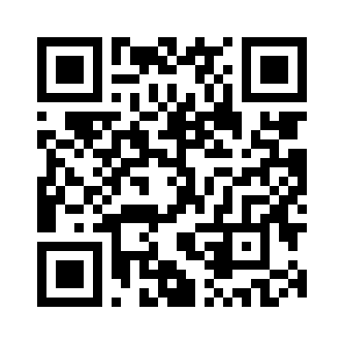 | 2961c3e0af3f00d03d5d246e9e9cea2b18bb5d8a7f8e38ed75c1dfd5d9509109 | 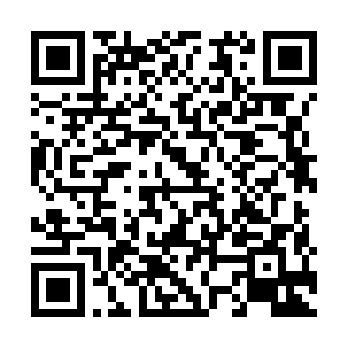
0xBC04B4B2979a0A899503D03ba7984D9dBFC8Ce73 | 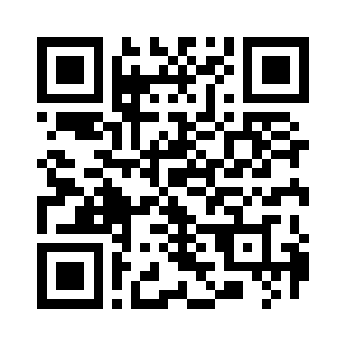 | 6e187b2b0bc4e60cb0ae2fac858416de76832e2a8f8593a96a0e48f520fa46fc | 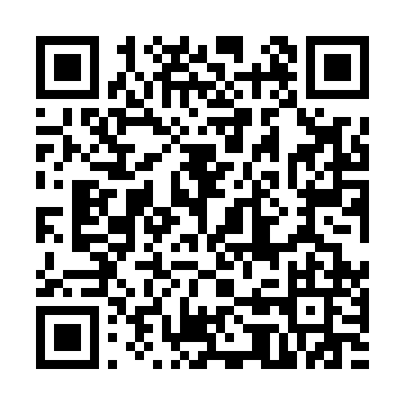
0xDa78fEfdaBC7D183747136789c9b6CE4f1137d55 | 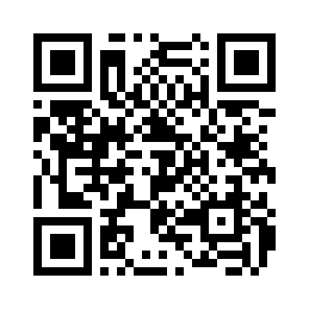 | f14aed696f52deb67798cc71416712975601dfd733f4619bc1006bf5ba2895f5 | 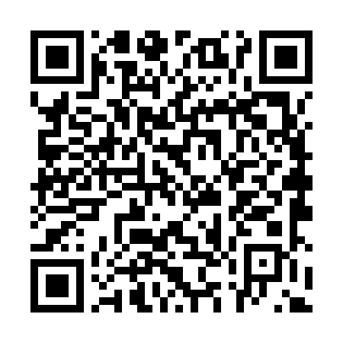
0x90C938fF16fc9905E7877cD233846939BF0a65Dc | 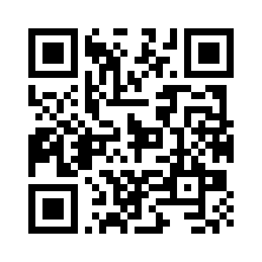 | 4c89ae2f31c664812d37517beefd2fd88dfdadcb4a70a36af5258e34277ff39c | 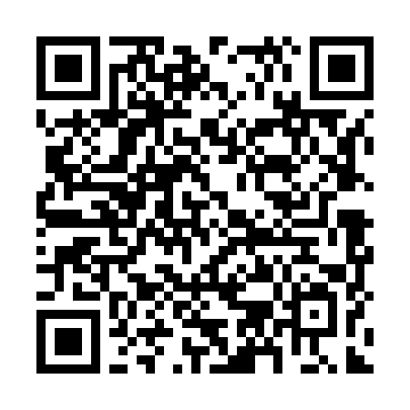
0xeb4B7786a539b74d20d749733ED85FdFdEBD65d4 | 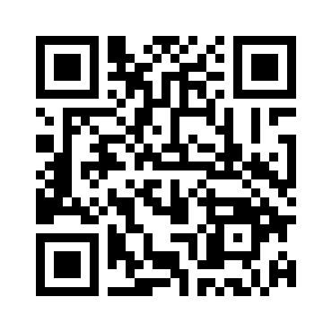 | b3f23f08cc77f428e6fcc1e9325f4edc513fcb0031e52936c21297e3e20d76c0 | 