Weekly One Pager
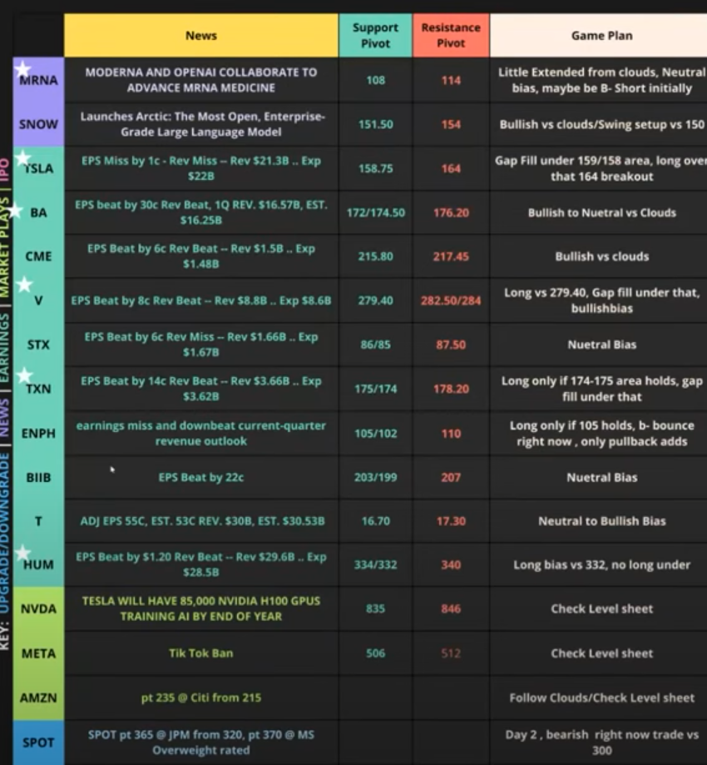
Date | Ticker | Comments | Key Support Level | Key Resistance Level | Game Plan

