Table S9
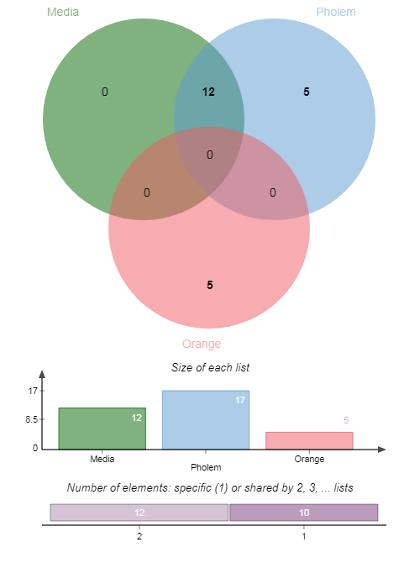
Table S9. Predicted strain-specific CLas genes potentially lethal useful for biocontrol
Culture Media |  |  | RNA-sequencing Citrus
Gene | Subsystem | Reaction | Gene | Subsystem | Reaction
A4 |  |  | A4
CD16_RS00145 | Purine Metabolism | AIRCr | CD16_RS00145 | Purine Metabolism | AIRCr
CD16_RS00505 | Oxidative Phosphorylation | PPA | CD16_RS00505 | Oxidative Phosphorylation | PPA
CD16_RS00680 | Fatty Acid Biosynthesis | ACCOAC | CD16_RS00680 | Fatty Acid Biosynthesis | ACCOAC
CD16_RS00750 | Glycolysis | HEX1 | CD16_RS00730 | Purine and Pyrimidine Biosynthesis | DHORD2
CD16_RS00855 | Pantothenate and CoA Biosynthesis | DHPM1 | CD16_RS00740 | Gluconeogenesis | PGM
CD16_RS01035 | Alanine and Aspartate Metabolism | ASNS1 | CD16_RS00750 | Glycolysis | HEX1
CD16_RS01090 | Riboflavin Metabolism | RBFSb | CD16_RS00855 | Pantothenate and CoA Biosynthesis | DHPM1
CD16_RS01515 | Pyrimidine Metabolism | DHORDi | CD16_RS01035 | Alanine and Aspartate Metabolism | ASNS1
CD16_RS01890 | Folate Biosynthesis | DHFS | CD16_RS01090 | Riboflavin Metabolism | RBFSb
CD16_RS02925 | Purine Metabolism | ADSS | CD16_RS01515 | Pyrimidine Metabolism | DHORDi
CD16_RS02930 | Porphyrin and Chlorophyll Metabolism | SHCHF | CD16_RS01890 | Folate Biosynthesis | DHFS
CD16_RS03955 | Lysine Biosynthesis | DHDPRy | CD16_RS02175 | Nucleotide Salvage Pathway | RNDR4b
CD16_RS04265 | Purine Metabolism | PRASCSi | CD16_RS02925 | Purine Metabolism | ADSS
CD16_RS04880 | Peptidoglycan Biosynthesis | UAGPT3 | CD16_RS02930 | Porphyrin and Chlorophyll Metabolism | SHCHF
FL-17 |  |  | CD16_RS03185 | Pentose Phosphate Pathway | TKT1
RH08_RS00180 | Purine Metabolism | AIRCr | CD16_RS03955 | Lysine Biosynthesis | DHDPRy
RH08_RS00535 | Oxidative Phosphorylation | PPA | CD16_RS04240 | Unassigned | GRXR
RH08_RS00710 | Fatty Acid Biosynthesis | ACCOAC | CD16_RS04265 | Purine Metabolism | PRASCSi
RH08_RS00780 | Glycolysis | HEX1 | CD16_RS04605 | Arginine and Proline Metabolism | ORNCD
RH08_RS00885 | Pantothenate and CoA Biosynthesis | DHPM1 | CD16_RS04880 | Peptidoglycan Biosynthesis | UAGPT3
RH08_RS01065 | Alanine and Aspartate Metabolism | ASNS1 | CD16_RS05160 | Transport | LEUabcpp
RH08_RS01120 | Riboflavin Metabolism | RBFSb | FL-17
RH08_RS01545 | Pyrimidine Metabolism | DHORDi | gxpsy
RH08_RS01885 | Pantothenate and CoA Biosynthesis | PNTK | WSI_RS00110 | Purine Metabolism | AIRCr
RH08_RS01920 | Folate Biosynthesis | DHFS | WSI_RS00480 | Oxidative Phosphorylation | PPA
RH08_RS02965 | Purine Metabolism | ADSS | WSI_RS00655 | Fatty Acid Biosynthesis | ACCOAC
RH08_RS02970 | Porphyrin and Chlorophyll Metabolism | SHCHF | WSI_RS00705 | Purine and Pyrimidine Biosynthesis | DHORD2
RH08_RS04005 | Lysine Biosynthesis | DHDPRy | WSI_RS00715 | Gluconeogenesis | PGM
RH08_RS04315 | Purine Metabolism | PRAIS | WSI_RS00725 | Glycolysis | HEX1
RH08_RS04905 | Peptidoglycan Biosynthesis | UAGPT3 | WSI_RS00830 | Pantothenate and CoA Biosynthesis | DHPM1
gxpsy |  |  | WSI_RS01010 | Alanine and Aspartate Metabolism | ASNS1
WSI_RS00110 | Purine Metabolism | AIRCr | WSI_RS01070 | Riboflavin Metabolism | RBFSb
WSI_RS00480 | Oxidative Phosphorylation | PPA | WSI_RS01490 | Pyrimidine Metabolism | DHORDi
WSI_RS00655 | Fatty Acid Biosynthesis | ACCOAC | WSI_RS01830 | Pantothenate and CoA Biosynthesis | PNTK
WSI_RS00725 | Glycolysis | HEX1 | WSI_RS01865 | Folate Biosynthesis | DHFS
WSI_RS00830 | Pantothenate and CoA Biosynthesis | DHPM1 | WSI_RS02065 | Pentose Phosphate Pathway | TKT2
WSI_RS01010 | Alanine and Aspartate Metabolism | ASNS1 | WSI_RS02150 | Nucleotide Salvage Pathway | RNDR4b
WSI_RS01070 | Riboflavin Metabolism | RBFSb | WSI_RS02900 | Purine Metabolism | ADSS
WSI_RS01490 | Pyrimidine Metabolism | DHORDi | WSI_RS02905 | Porphyrin and Chlorophyll Metabolism | SHCHF
WSI_RS01830 | Pantothenate and CoA Biosynthesis | PNTK | WSI_RS03160 | Pyrimidine Metabolism | TMDS
WSI_RS01865 | Folate Biosynthesis | DHFS | WSI_RS03895 | TCA Cycle | ICDHyr
WSI_RS02900 | Purine Metabolism | ADSS | WSI_RS03930 | Lysine Biosynthesis | DHDPRy
WSI_RS02905 | Porphyrin and Chlorophyll Metabolism | SHCHF | WSI_RS04215 | Vitamin B6 Metabolism | PDX5POi
WSI_RS03160 | Pyrimidine Metabolism | TMDS | WSI_RS04240 | Purine Metabolism | PRAIS
WSI_RS03930 | Lysine Biosynthesis | DHDPRy | Ishi-1
WSI_RS04240 | Purine Metabolism | PRAIS | CGUJ_RS00135 | Purine Metabolism | AIRCr
Ishi-1 |  |  | CGUJ_RS00490 | Oxidative Phosphorylation | PPA
CGUJ_RS00135 | Purine Metabolism | AIRCr | CGUJ_RS00665 | Fatty Acid Biosynthesis | ACCOAC
CGUJ_RS00490 | Oxidative Phosphorylation | PPA | CGUJ_RS00725 | Gluconeogenesis | PGM
CGUJ_RS00665 | Fatty Acid Biosynthesis | ACCOAC | CGUJ_RS00735 | Glycolysis | HEX1
CGUJ_RS00735 | Glycolysis | HEX1 | CGUJ_RS01015 | Purine metabolism | GLUPRT
CGUJ_RS01015 | Purine metabolism | GLUPRT | CGUJ_RS01070 | Riboflavin Metabolism | RBFSa
CGUJ_RS01070 | Riboflavin Metabolism | RBFSa | CGUJ_RS01495 | Pyrimidine Metabolism | DHORDi
CGUJ_RS01870 | Folate Biosynthesis | DHFS | CGUJ_RS01690 | Gluconeogenesis | ENO
CGUJ_RS02655 | Nitrogen Metabolism | H2CO3D | CGUJ_RS01870 | Folate Biosynthesis | DHFS
CGUJ_RS02910 | Purine Metabolism | ADSS | CGUJ_RS02155 | Nucleotide Salvage Pathway | RNDR4b
CGUJ_RS02915 | Porphyrin and Chlorophyll Metabolism | SHCHD2 | CGUJ_RS02655 | Nitrogen Metabolism | H2CO3D
CGUJ_RS03950 | Lysine Biosynthesis | DHDPRy | CGUJ_RS02910 | Purine Metabolism | ADSS
CGUJ_RS04230 | Fatty Acid Biosynthesis | EAR180y | CGUJ_RS02915 | Porphyrin and Chlorophyll Metabolism | SHCHD2
CGUJ_RS04255 | Purine Metabolism | PRASCSi | CGUJ_RS03950 | Lysine Biosynthesis | DHDPRy
psy62 |  |  | CGUJ_RS04230 | Fatty Acid Biosynthesis | EAR180y
CLIBASIA_RS00180 | Purine Metabolism | AIRCr | CGUJ_RS04255 | Purine Metabolism | PRASCSi
CLIBASIA_RS00540 | Oxidative Phosphorylation | PPA | psy62
CLIBASIA_RS00715 | Fatty Acid Biosynthesis | ACCOAC | CLIBASIA_RS00180 | Purine Metabolism | AIRCr
CLIBASIA_RS00785 | Glycolysis | HEX1 | CLIBASIA_RS00540 | Oxidative Phosphorylation | PPA
CLIBASIA_RS00890 | Pantothenate and CoA Biosynthesis | DHPM1 | CLIBASIA_RS00715 | Fatty Acid Biosynthesis | ACCOAC
CLIBASIA_RS01070 | Alanine and Aspartate Metabolism | ASNS1 | CLIBASIA_RS00765 | Purine and Pyrimidine Biosynthesis | DHORD2
CLIBASIA_RS01125 | Riboflavin Metabolism | RBFSb | CLIBASIA_RS00775 | Gluconeogenesis | PGM
CLIBASIA_RS01550 | Pyrimidine Metabolism | DHORDi | CLIBASIA_RS00785 | Glycolysis | HEX1
CLIBASIA_RS01925 | Folate Biosynthesis | DHFS | CLIBASIA_RS00890 | Pantothenate and CoA Biosynthesis | DHPM1
CLIBASIA_RS02965 | Purine Metabolism | ADSS | CLIBASIA_RS01070 | Alanine and Aspartate Metabolism | ASNS1
CLIBASIA_RS02970 | Porphyrin and Chlorophyll Metabolism | SHCHF | CLIBASIA_RS01125 | Riboflavin Metabolism | RBFSb
CLIBASIA_RS04005 | Lysine Biosynthesis | DHDPRy | CLIBASIA_RS01550 | Pyrimidine Metabolism | DHORDi
CLIBASIA_RS04310 | Purine Metabolism | PRASCSi | CLIBASIA_RS01925 | Folate Biosynthesis | DHFS
CLIBASIA_RS04895 | Peptidoglycan Biosynthesis | UAGPT3 | CLIBASIA_RS02210 | Nucleotide Salvage Pathway | RNDR4b
YCPsy |  |  | CLIBASIA_RS02965 | Purine Metabolism | ADSS
AL011_RS00120 | Purine Metabolism | AIRCr | CLIBASIA_RS02970 | Porphyrin and Chlorophyll Metabolism | SHCHF
AL011_RS00480 | Oxidative Phosphorylation | PPA | CLIBASIA_RS03225 | Pentose Phosphate Pathway | TKT1
AL011_RS00655 | Fatty Acid Biosynthesis | ACCOAC | CLIBASIA_RS04005 | Lysine Biosynthesis | DHDPRy
AL011_RS00725 | Glycolysis | HEX1 | CLIBASIA_RS04285 | Unassigned | GRXR
AL011_RS00830 | Pantothenate and CoA Biosynthesis | DHPM1 | CLIBASIA_RS04310 | Purine Metabolism | PRASCSi
AL011_RS01010 | Alanine and Aspartate Metabolism | ASNS1 | CLIBASIA_RS04895 | Peptidoglycan Biosynthesis | UAGPT3
AL011_RS01065 | Riboflavin Metabolism | RBFSb | CLIBASIA_RS05170 | Transport | LEUabcpp
AL011_RS01490 | Pyrimidine Metabolism | DHORDi | YCPsy
AL011_RS01685 | Fatty Acid Biosynthesis | 3HAD100 | AL011_RS00120 | Purine Metabolism | AIRCr
AL011_RS01865 | Folate Biosynthesis | DHFS | AL011_RS00480 | Oxidative Phosphorylation | PPA
AL011_RS02120 | Fatty Acid Biosynthesis | 3HAD120 | AL011_RS00655 | Fatty Acid Biosynthesis | ACCOAC
AL011_RS02900 | Purine Metabolism | ADSS | AL011_RS00705 | Purine and Pyrimidine Biosynthesis | DHORD2
AL011_RS02905 | Porphyrin and Chlorophyll Metabolism | SHCHF | AL011_RS00715 | Gluconeogenesis | PGM
AL011_RS03930 | Lysine Biosynthesis | DHDPRy | AL011_RS00725 | Glycolysis | HEX1
AL011_RS04235 | Purine Metabolism | PRAIS | AL011_RS00830 | Pantothenate and CoA Biosynthesis | DHPM1
AL011_RS04850 | Peptidoglycan Biosynthesis | UAGPT3 | AL011_RS01010 | Alanine and Aspartate Metabolism | ASNS1
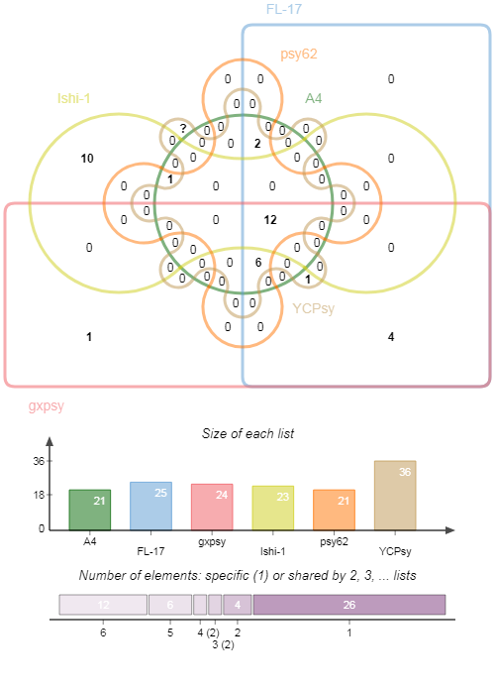
Summary |  |  | AL011_RS01065 | Riboflavin Metabolism | RBFSb
 |  |  | AL011_RS01490 | Pyrimidine Metabolism | DHORDi
 |  |  | AL011_RS01685 | Fatty Acid Biosynthesis | 3HAD100
 |  |  | AL011_RS01865 | Folate Biosynthesis | DHFS
 |  |  | AL011_RS02120 | Fatty Acid Biosynthesis | 3HAD120
 |  |  | AL011_RS02150 | Transport | HISabcpp
 |  |  | AL011_RS02900 | Purine Metabolism | ADSS
 |  |  | AL011_RS02905 | Porphyrin and Chlorophyll Metabolism | SHCHF
 |  |  | AL011_RS03930 | Lysine Biosynthesis | DHDPRy
 |  |  | AL011_RS04210 | Vitamin B6 Metabolism | PDX5POi
 |  |  | AL011_RS04235 | Purine Metabolism | PRAIS
 |  |  | AL011_RS04575 | Arginine and Proline Metabolism | ORNCD
 |  |  | AL011_RS04850 | Peptidoglycan Biosynthesis | UAGPT3
 |  |  | AL011_RS05135 | Transport | LEUabcpp
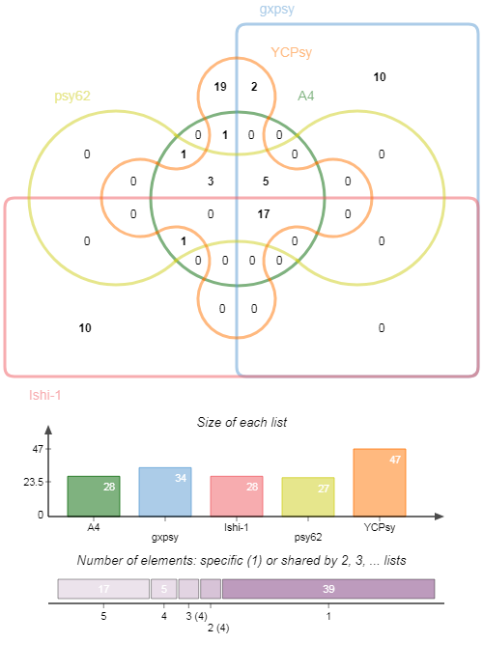
 |  |  | Summary

