BOM
Item | Part Number | Thumbnail | BOM Structure | Unit QTY | QTY | Stock Number | Description | REV
1 | Garage_40x40 | 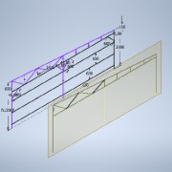 | Normal | Each | 1
2 | ISO 10799-2 - 40x40x4 - 1980 | *Varies* | Normal | 1980,000 mm | 11880,000 mm | 40x40x4 | Structural steels - Cold-formed, welded, structural hollow sections
3 | ISO 10799-2 - 40x40x4 - 6540 |  | Normal | 6540,000 mm | 13080,000 mm | 40x40x4 | Structural steels - Cold-formed, welded, structural hollow sections
4 | ISO 10799-2 - 40x40x4 - 147,3 |  | Normal | 147,295 mm | 294,591 mm | 40x40x4 | Structural steels - Cold-formed, welded, structural hollow sections
5 | ISO 10799-2 - 40x40x4 - 599,97 |  | Normal | 599,967 mm | 1199,934 mm | 40x40x4 | Structural steels - Cold-formed, welded, structural hollow sections
6 | ISO 10799-2 - 40x40x4 - 6552,82 |  | Normal | 6552,821 mm | 13105,641 mm | 40x40x4 | Structural steels - Cold-formed, welded, structural hollow sections
7 | ISO 10799-2 - 40x20x2 - 170,63 | 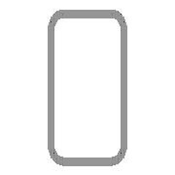 | Normal | 170,629 mm | 341,259 mm | 40x20x2 | Structural steels - Cold-formed, welded, structural hollow sections
8 | ISO 10799-2 - 40x20x2 - 226,88 | 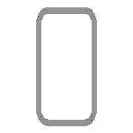 | Normal | 226,879 mm | 453,759 mm | 40x20x2 | Structural steels - Cold-formed, welded, structural hollow sections
9 | ISO 10799-2 - 40x20x2 - 283,13 |  | Normal | 283,129 mm | 566,259 mm | 40x20x2 | Structural steels - Cold-formed, welded, structural hollow sections
10 | ISO 10799-2 - 40x20x2 - 843,88 |  | Normal | 843,880 mm | 1687,759 mm | 40x20x2 | Structural steels - Cold-formed, welded, structural hollow sections
11 | ISO 10799-2 - 40x20x2 - 899,55 |  | Normal | 899,545 mm | 1799,091 mm | 40x20x2 | Structural steels - Cold-formed, welded, structural hollow sections
12 | ISO 10799-2 - 40x20x2 - 903,69 |  | Normal | 903,687 mm | 1807,374 mm | 40x20x2 | Structural steels - Cold-formed, welded, structural hollow sections
13 | ISO 10799-2 - 40x20x2 - 963,58 |  | Normal | 963,583 mm | 1927,167 mm | 40x20x2 | Structural steels - Cold-formed, welded, structural hollow sections
14 | ISO 10799-2 - 40x40x3 - 580,52 | *Varies* | Normal | 580,522 mm | 4644,173 mm | 40x40x3 | Structural steels - Cold-formed, welded, structural hollow sections
15 | ISO 10799-2 - 40x40x3 - 3210 | *Varies* | Normal | 3210,000 mm | 38520,000 mm | 40x40x3 | Structural steels - Cold-formed, welded, structural hollow sections
16 | ISO 10799-2 - 40x40x4 - 339,8 |  | Normal | 339,802 mm | 679,604 mm | 40x40x4 | Structural steels - Cold-formed, welded, structural hollow sections
17 | Plate Sharp Corners (mm) 34 x 34 x 5 | *Varies* | Normal | Each | 4
18 | Backside | 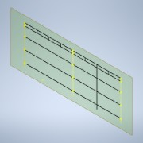 | Normal | Each | 1
19 | ISO 10799-2 - 40x40x3 - 2610 | *Varies* | Normal | 2610,000 mm | 26100,000 mm | 40x40x3 | Structural steels - Cold-formed, welded, structural hollow sections
20 | ISO 10799-2 - 40x40x3 - 2000 | *Varies* | Normal | 2000,000 mm | 4000,000 mm | 40x40x3 | Structural steels - Cold-formed, welded, structural hollow sections
21 | ISO 10799-2 - 40x40x3 - 148,63 | *Varies* | Normal | 148,632 mm | 891,793 mm | 40x40x3 | Structural steels - Cold-formed, welded, structural hollow sections
22 | ISO 10799-2 - 40x40x3 - 500 | *Varies* | Normal | 500,000 mm | 2000,000 mm | 40x40x3 | Structural steels - Cold-formed, welded, structural hollow sections
23 | Top | 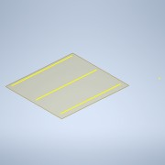 | Normal | Each | 1
24 | ISO 10799-2 - 40x40x3 - 5324 | *Varies* | Normal | 5324,000 mm | 42592,000 mm | 40x40x3 | Structural steels - Cold-formed, welded, structural hollow sections

