natpisne pločice LKD
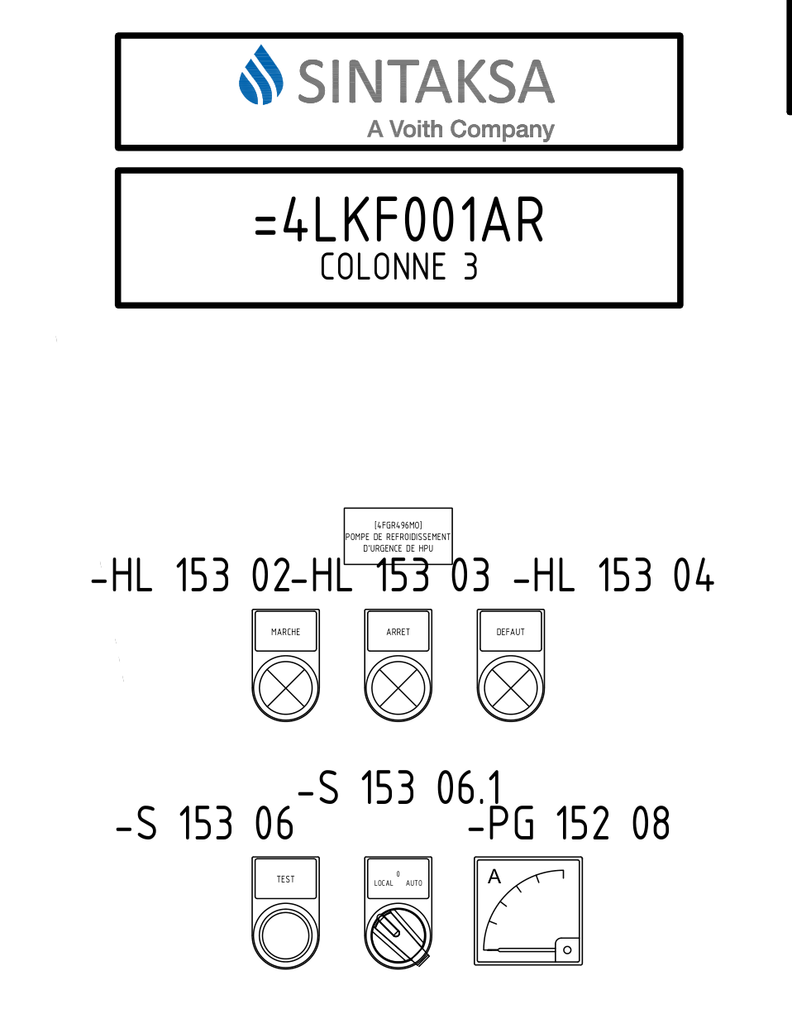
ALBIOMA NATPISI ZA ORMARE =4LKD001AR

COLONNE 4
Oznaka pločice |  | Veličina slova [mm] | kom | mat. | dim. | NATPIS PLOČICE | Napomena
red. br. | poz.oznaka
 |  | 3 | 3 | BCB | 20x48 | [4SAR902MO] | na poziciji 5 u ormaru
 |  | 3 |  |  |  | VENTILATEURS DE | mogla bi biti premala za toliki tekst
 |  | 3 |  |  |  | REFROIDISSEMENT
 |  | 3 |  |  |  | RÉFRACTAIRES POUR
 |  | 3 |  |  |  | FOURNAISE 1
 |  | 3 | 1 | BCB | 17,5x27 | MARCHE
 |  | 3 | 1 | BCB | 17,5x27 | ARRET
 |  | 3 | 1 | BCB | 17,5x27 | DEFAUT
 |  | 2,5 | 1 | BCB | 17,5x27 | 0
 |  | 2,5 |  |  |  | LOCAL AUTO
 |  | 2,5 | 1 | BCB | 17,5x27 | TEST
COLONNE 6
Oznaka pločice |  | Veličina slova [mm] | kom | mat. | dim. | NATPIS PLOČICE | Napomena
red. br. | poz.oznaka
 |  | 3 | 3 | BCB | 20x48 | [4SAR908MO] | na poziciji 5 u ormaru
 |  | 3 |  |  |  | VENTILATEURS DE | mogla bi biti premala za toliki tekst
 |  | 3 |  |  |  | REFROIDISSEMENT
 |  | 3 |  |  |  | RÉFRACTAIRES POUR
 |  | 3 |  |  |  | FOURNAISE 2
 |  | 3 | 1 | BCB | 17,5x27 | MARCHE
 |  | 3 | 1 | BCB | 17,5x27 | ARRET
 |  | 3 | 1 | BCB | 17,5x27 | DEFAUT
 |  | 2,5 | 1 | BCB | 17,5x27 | 0
 |  | 2,5 |  |  |  | LOCAL AUTO
 |  | 2,5 | 1 | BCB | 17,5x27 | TEST
Napomena: Pločice dim. 18x27 idu u PVC oznake, pa trebaju biti min. debljine.
Napomena: Pločice dim. 17,5x27 idu u PVC oznake, pa trebaju biti min. debljine.
Ostale pločice trebaju biti samoljepljive.

