tipovi obujmica
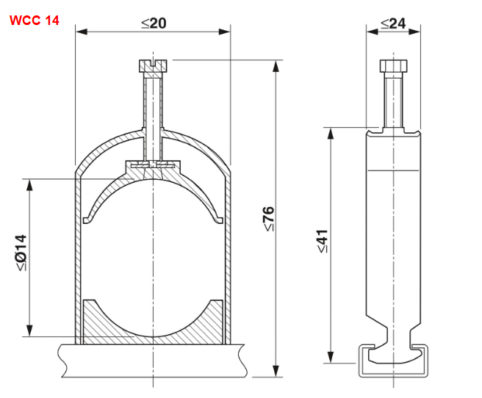
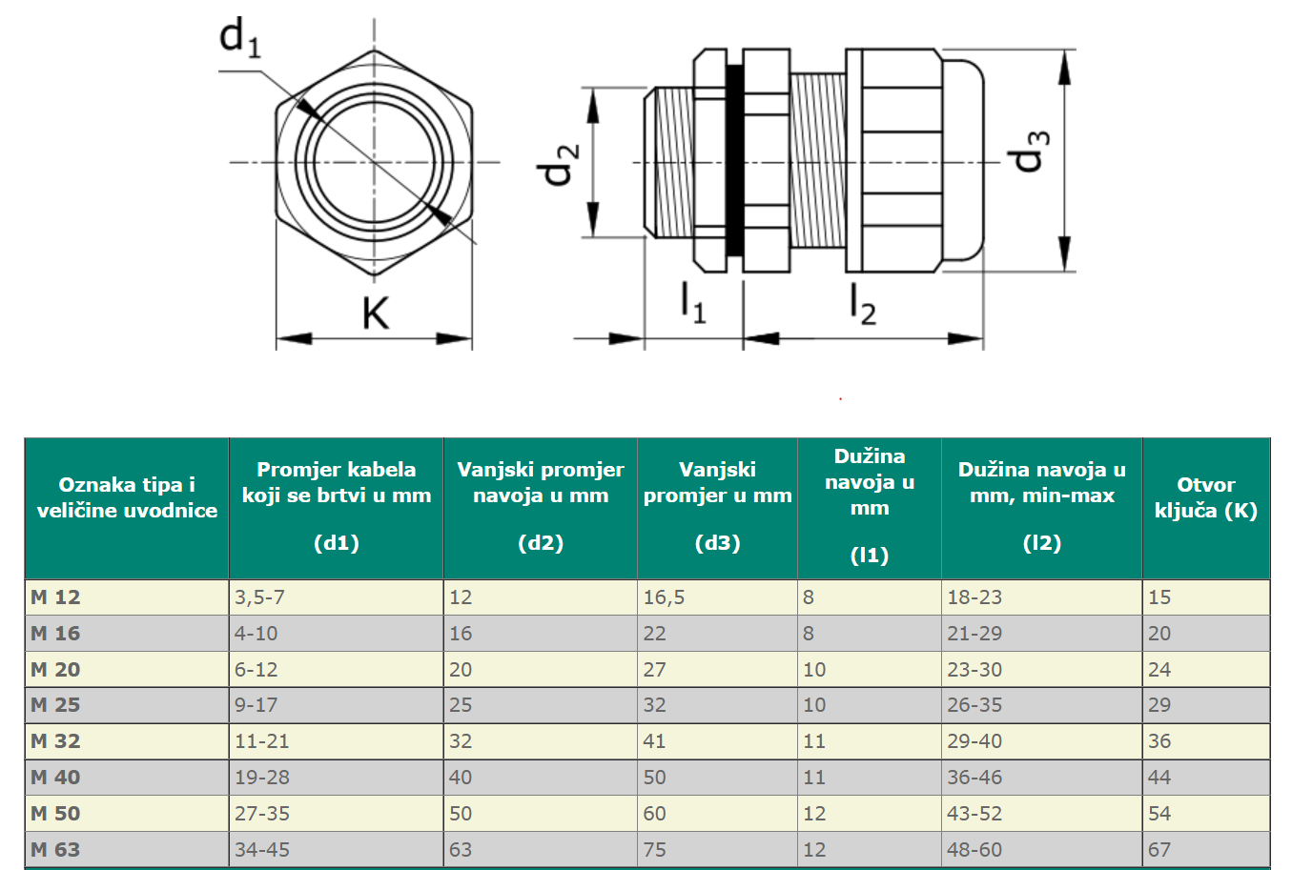
RITTAL obujmica - TIP | RITTAL min Ø | RITTAL max Ø | PHOENIX obujmica - TIP | PHOENIX min Ø | PHOENIX max Ø
1- 7077000 | 6 mm | 14 mm | WCC 14 | 6 mm | 14 mm
2- 7078000 | 12 mm | 18 mm | WCC 18 | 12 mm | 18 mm
3- 7097000 | 18 mm | 22 mm | WCC 22 | 18 mm | 22 mm
4- 7097220 | 22 mm | 26 mm | WCC 26 | 22 mm | 26 mm
5- 7097260 | 26 mm | 30 mm | WCC 30 | 26 mm | 30 mm
6- 7097300 | 30 mm | 34 mm | WCC 34 | 30 mm | 34 mm
7- 7097340 | 34 mm | 38 mm | WCC 38 | 34 mm | 38 mm
8- 7098000 | 38 mm | 42 mm | WCC 42 | 38 mm | 42 mm
9- 7098100 | 42 mm | 56 mm | WCC 56 | 42 mm | 56 mm
10- 7099000 | 56 mm | 64 mm | WCC 64 | 56 mm | 64 mm

tipovi kabela
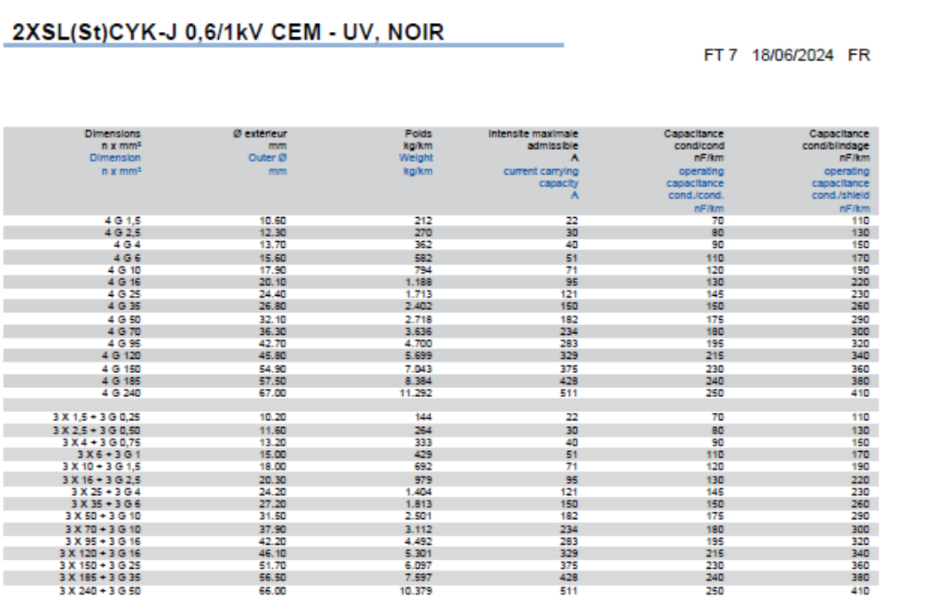
Tip kabela - ALBIOMA | Firma | Vanjski promjer [mm2] | plastika nabla | metalna uvodnica RITTAL | plastične uvodnice RITTAL | metalna uvodnica JACOB | plastične uvodnicae JACOB | metalna uvodnica SCHNIDER | Obujmica RITTAL | Obujmica PHOENIX | Namjena | Lokacija | Komentar
ALBIOMA TIPOVI KABELA
2XSL(St)CYK-J 4G120 (3x120/70) | AXINDUS | 45.8 | - | - | - | - | - | - | 7098100 | WCC56 | VFD - MOTORI
2XSL(St)CYK-J 4G70 (3x70/35) | AXINDUS | 36.3 | - | M50 | M50 | M63 | M63 | - | 7097340 | WCC38 | VFD - MOTORI
2XSL(St)CYK-J 4G50 (3x50/25) | AXINDUS | 32.1 | - | M50 | M50 | M50 | M50 | - | 7097300 | WCC34 | VFD - MOTORI
2XSL(St)CYK-J 4G25 (3x25/16) | AXINDUS | 24.4 | M40 | M40 | M40 | M40 | M40 | M40 | 7097220 | WCC26 | VFD - MOTORI
2XSL(St)CYK-J 4G6 (3x6/6) | AXINDUS | 15.6 | M25 | M25 | M25 | M25 | M25 | M25 | 7078000 | WCC18 | VFD - MOTORI
 |  |  | - | - | - | - | - | - | - | -
U1000R2V 4x2,5 | Rematec (podaci Miguelez) | 11.1 | M20 | M20 | M20 | M20 | M20 | M20 | 7077000 | WCC14 | napajanje
U1000R2V 4x4 | Rematec (podaci Miguelez) | 12.3 | M20 | M25 | M25 | M20 | M20 | M25 | 7077000 | WCC14 | napajanje
U1000R2V 4x16 | Rematec (podaci Miguelez) | 18.4 | - | - | - | - | - | - | 7097000 | WCC22 | napajanje
U1000R2V 4x25 | Rematec (podaci Miguelez) | 22.8 | M40 | M40 | M40 | M40 | M40 | M40 | 7097220 | WCC26 | napajanje
U1000R2V 5x2,5 | Rematec (podaci Tim kabel) | 15 | M25 | M25 | M25 | M25 | M25 | M25 | 7078000 | WCC18 | napajanje
U1000R2V 5G2.5 mm² | Rematec (podaci Miguelez) | 12.2 | M20 | M25 | M25 | M20 | M20 | M25 | 7077000 | WCC14 | napajanje
U1000R2V 5G1.5 mm² | Rematec (podaci Miguelez) | 10.7 | M20 | M20 | M20 | M20 | M20 | M20 | 7077000 | WCC14 | napajanje
U1000R2V 4x2.5 mm² | Rematec (podaci Miguelez) | 11.1 | M20 | M20 | M20 | M20 | M20 | M20 | 7077000 | WCC14 | napajanje
U1000R2V 4G2.5 mm² |  | 10.5 | M20 | M20 | M20 | M20 | M20 | M20 | 7077000 | WCC14 | napajanje |  | U SHEMI - NE POSTOJI 4G2,5mm2 kabel
U1000R2V 3G2.5 mm² | Rematec (podaci Miguelez) | 10.3 | M20 | M20 | M20 | M20 | M20 | M20 | 7077000 | WCC14 | napajanje
U1000R2V 3G1.5 mm² | Rematec (podaci Miguelez) | 9.5 | M16 | M16 | M16 | M20 | M20 | M16 | 7077000 | WCC14
 |  |  | - | - | - | - | - | - | - | -
U1000R2V 27x1.5 mm² | Miguelez cables | 22.5 | M40 | M40 | M40 | M40 | M40 | M40 | 7097220 | WCC26 | Signalni kabel DI/DO | -> JB | BARRYNAX U1000R2V (30G1,5 podatak uzet)
U1000R2V 12x1.5 mm² | Miguelez cables | 14.8 | M25 | M25 | M25 | M25 | M25 | M25 | 7078000 | WCC18 | Signalni kabel DI/DO | -> JB
U1000R2V 8x1.5 mm² | Miguelez cables | 13.5 | M25 | M25 | M25 | M25 | M25 | M25 | 7077000 | WCC14 | Signalni kabel DI/DO | -> JB
BIRTFLEX 5111-PVC-PUR - 4G0,75 | Birtas kablos | 7.9 | M16 | M16 | M16 | - | - | M16 | 7077000 | WCC14 | senzori DI/DO | JB -> senzor
FABER 100 P 4G0,75 |  | 6.2 | M16 | M16 | M16 | - | M12 | M16 | 7077000 | WCC14 | senzori DI/DO | JB -> senzor
FABER THERM 145-MC 04G0,75 |  | 7 | M16 | M16 | M16 | - | M12 | M16 | 7077000 | WCC14 | senzori DI/DO | JB -> senzor
 |  |  | - | - | - | - | - | - | - | -
EGSF - CU - 12x2x0,75 | Birtas kablos | 17.1 | - | - | - | - | - | - | 7078000 | WCC18 | Signalni kabel AI/AO | -> JB | prije bio (RE-2Y(St)Y-fl)
EGSF - CU - 8x2x0,75 | Birtas kablos | 14 | M25 | M25 | M25 | M25 | M25 | M25 | 7077000 | WCC14 | Signalni kabel AI/AO | -> JB | prije bio (RE-2Y(St)Y-fl)
EGSF - CU - 4x2x0,75 |  |  | - | - | - | - | - | - | - | - | Signalni kabel AI/AO | -> JB | prije bio (RE-2Y(St)Y-fl)
EISF - CU - 1x2x0,5 | Birtas kablos | 6 | M16 | M16 | M16 | M12 | M12 | M16 | 7077000 | WCC14 | senzori AI/AO | JB -> senzor | prije bio (RE-2Y(St)Y-fl)
 |  |  | - | - | - | - | - | - | - | -
 |  |  | - | - | - | - | - | - | - | -
12IP09EISF BU 12x2x0.75 mm² | Birtas kablos | 26.6 | M40 | M40 | M40 | M40 | M40 | M40 | 7097260 | WCC30 |  |  | U SHEMI
08IP09EISF BU 8x2x0.75 mm² | Birtas kablos | 22.5 | M40 | M40 | M40 | M40 | M40 | M40 | 7097220 | WCC26 |  |  | U SHEMI
04IP09EISF BU 4x2x0.75 mm² | Birtas kablos | 16.9 | M25 | M25 | M25 | - | M25 | M25 | 7078000 | WCC18 |  |  | U SHEMI
01IP09EISF BU 1x2x0.88 mm² | Sab cables | 13.5 | M25 | M25 | M25 | M25 | M25 | M25 | 7077000 | WCC14 |  |  | U SHEMI
FABER 100 P 4x0.75 mm² |  | 6.2 | M16 | M16 | M16 | - | M12 | M16 | 7077000 | WCC14 |  |  | U SHEMI - NE POSTOJI TAKAV FABER (BEZ G)

NOTE |  |  | UKLJUČEN M16 | UKLJUČEN M16 | UKLJUČEN M16

MONTSINERY TIPOVI KABELA
BARRYNAX U-1000 R2V 5G2,5 |  | 11.5 | M16 ili M20 | M16 ili M20
BARRYNAX U-1000 R2V 4G2,5 |  | 10.5 | M16 ili M20 | M16 ili M20
BARRYNAX U-1000 R2V 3G2,5 |  | 10 | M16 ili M20 | M16 ili M20
BARRYNAX U-1000 R2V 3G1,5 |  | 9.2 | M16 ili M20 | M16 ili M20
BARRYNAX U-1000 R2V 27G1,5 (30G1,5 uzeo) |  | 22.5 | M40 | M40
BARRYNAX U-1000 R2V 12G1,5 |  | 14.8 | M25 | M25
BARRYNAX U-1000 R2V 1X95 |  | 16.2 | M25 ili M32 | M25 ili M32
BARRYNAX U-1000 R2V 1X35 |  | 11.5 | M20 ili M25 | M20 ili M25
BARRYNAX U-1000 R2V 1X16 |  | 8.8 | M16 ili M20 | M16 ili M20
CCL
RE-2Y(St)Yv-fl 12X2X0,75 |  | 15.7 | M25 | M25 |  |  |  |  |  |  | odabrat min uvodnicu
RE-2Y(St)Yv-fl 08X2X0,75 |  | 13.1 | M25 | M25 |  |  |  |  |  |  | odabrat min uvodnicu
RE-2Y(St)Yv-fl 04X2X0,75 |  | 9.6 | M16 ili M20 | M16 ili M20 |  |  |  |  |  |  | odabrat min uvodnicu
RE-2Y(St)Y-fl 01X2X0,5 |  | 5.6 | M12 ili M16 | M12 ili M16 |  |  |  |  |  |  | odabrat min uvodnicu | Do senzora | Do senzora
FABER 100 P 4G0,75 |  | 6.2 | M12 ili M16 | M12 ili M16 |  |  |  |  |  |  | odabrat min uvodnicu | Do senzora | Do senzora
FABER THERM 145-MC 04G0,75 |  | 7 | M16 ili M20 | M16 ili M20 |  |  |  |  |  |  | odabrat min uvodnicu | Do senzora (heat) | Do senzora (heat)

BARRYFLEX H07V-K 1X6 G/Y
NYCWY 03X185/95 |  | 50 | M72 | M72
NAYCY 03X120/95 |  | 46,3(+-3mm) | M72 | M72
NYCWY 03X95/50 |  | 37.8 | M63 | M63
BARRYNAX U-1000 R2V 3X70+1X50 |  | 33.6 | M50 | M50
BARRYNAX U-1000 R2V 3X50+1X35 |  | 28.6 | M50 | M50
BARRYNAX U-1000 R2V 4G35 |  | 25.4 | M40 | M40
BARRYNAX U-1000 R2V 4G16 |  | 18.4 | M32 | M32
NYCWY 03X16/16 |  | 21.4 | M40 | M40
EMV 2XSL(St)CHv-JB 04X10 0,6/1 kV
BARRYNAX U-1000 R2V 4G10 |  | 16.3
BARRYNAX U-1000 R2V 5G6 |  | 15.7 | M25 | M25
EMV 2XSL(St)CHv-JB 04X4 0,6/1 kV
NYCY 03X2,5/2,5 |  | 14.2 | M25 | M25

