Hoja1
STYLE | FORUS STYLE | COLOR | P. MAYOR ($) | P.PUB. ($ c/IVA) | COMPRA | MONTO | DESPACHO
 | WAYTA | BLACK | $ 17,495 | $ 34,990 | 12 |  | factura 352323
 | WAYTA | RED | $ 17,495 | $ 34,990 | 12 |  | factura 3024927
 | YAKA | BLACK SPARKLE | $ 17,495 | $ 34,990 | 12 |  | factura 3024927
 | MOC | BLACK | $ 17,495 | $ 34,990 | 12 |  | facturav 352788
 | MOC | RED | $ 17,495 | $ 34,990 | 12 |  | factura 352788
 | JOFI | BLACK | $ 16,495 | $ 32,990 | 12 |  | factura 30244927
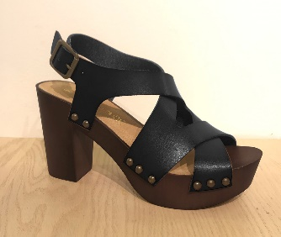 | TANYA | BLACK | $ 17,495 | $ 34,990 | 12 |  | factura 3024927
 | TANYA | MUSTARD | $ 17,495 | $ 34,990 | 12 |  | factura 3024927
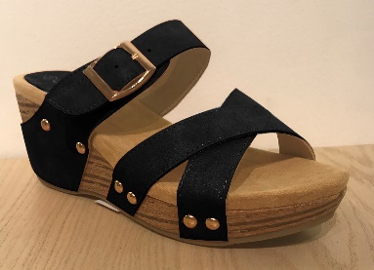 | BILLA | BLACK | $ 16,495 | $ 32,990 | 12 |  | factura 3024927
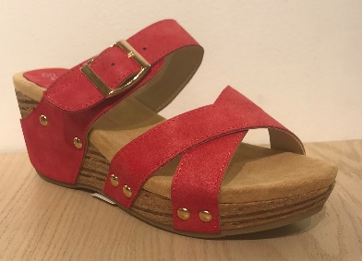 | BILLA | RED | $ 16,495 | $ 32,990 | 12 |  | factura 3024927
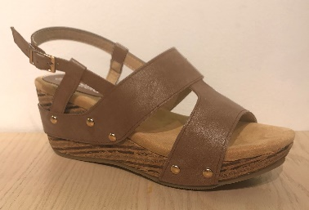 | BONI | BROWN | $ 16,495 | $ 32,990 | 12 |  | factura 3024927
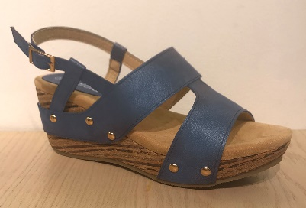 | BONI | DENIM | $ 16,495 | $ 32,990 | 12 |  | factura 3024927
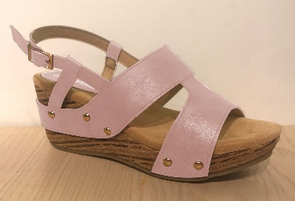 | BONI | PINK | $ 16,495 | $ 32,990 | 12 |  | factura 3024927
 | ROCK | BLACK | $ 16,495 | $ 32,990 | 12 |  | factura 3024927
 | DAKAR | WHITE | $ 16,495 | $ 32,990 | 12 |  | factura 3024927
 | CHUN | BLACK | $ 17,495 | $ 34,990 | 12 |  | factura 3024927
 | CHUN | MOSTAZA | $ 17,495 | $ 34,990 | 12 |  | factura 3024927
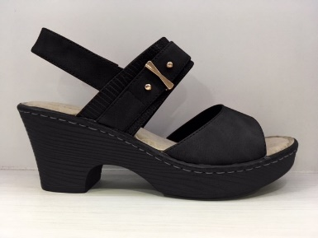 | NANAS | BLACK | $ 14,995 | $ 29,990 | 12 |  | factura 3024927
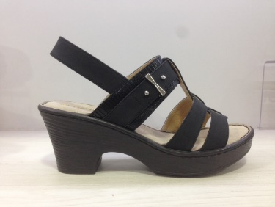 | IAGOS | BLACK | $ 14,995 | $ 29,990 | 12 |  | factura 3024927
 | SALLY | BLACK | $ 9,995 | $ 19,990 | 24 |  | factura 3024927
 | SALLY | WHITE | $ 9,995 | $ 19,990 | 24 |  | factura 302427
 | SIMBA | BLACK | $ 9,995 | $ 19,990 | 12 |  | factura 3024927,
 | SAMBA | BLACK | $ 8,495 | $ 16,990 | 24 |  | factura 3024927
 | SAMBA | WHITE | $ 8,495 | $ 16,990 | 12 |  | factura 3024927
 |  |  |  | TOTAL | 324

