Customer Main Page
...
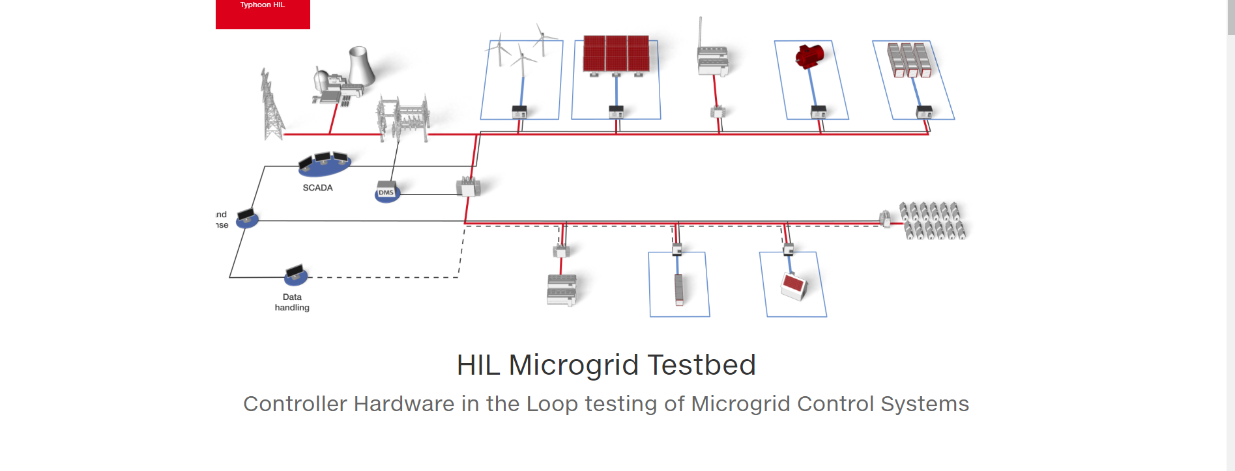
...
 | Projected Electric Service

 | Total KWh Used |  |  | 337,616

 | Daily Average |  |  | $4,356.34

 | Days in Billing Period |  |  | 31

Date: |  | 2007-05-01 |  |  | Enlarge | Month | 2007-10-01 | Enlarge | Time: | 6/1/07 |  |  |  |  | Enlarge
Day Profile
Month Profile
Generation Profile

 |  |  |  |  |  |  |  |  | Global Solar (KW/m2): |  | 0.67 | Amb. Temp: | 27 deg F | PV Cell Temp: | 41 deg F

Year: |  | 2007-01-01 |  |  | Enlarge | Date: | 2007-05-01 | Enlarge | Month | 2007-08-01 |  |  |  |  | Enlarge
Year Profile
PV Properties
Monthly Bill

 |  |  | -1

 |  |  |  |  |  |  |  |  | MTD Cost: |  | $135,046.53

Organized Data
Day Profile
Month Profile
Generation Source
 |  |  |  |  | Date: | 2007-05-01 |  | Month | 2007-10-01 | Time: | 6/1/07
Excess Energy | Voltage | Current | Frequency | Voltage
6 | 7 | 8 | 9
0 | 409 | 269 | 50.00 | 409
0 | 409 | 466 | 48.00 | 409
0 | 397 | 412 | 49.00 | 397
0 | 407 | 406 | 51.00 | 407
0 | 399 | 410 | 51.00 | 399
0 | 398 | 533 | 49.00 | 398
0 | 394 | 737 | 50.00 | 394 |  |  |  |  |  | Global Solar (KW/m2): |  | 0.67 | Amb. Temp: | 27 deg F | PV Cell Temp: | 41 deg F
0 | 401 | 1344 | 48.00 | 401
0 | 397 | 1416 | 50.00 | 397
252 | 409 | 1406 | 48.00 | 409 | Year: | 2007-01-01 |  | Date: | 2007-05-01 | Month | 2007-08-01
Year Profile
PV Properties
Monthly Bill
252 | 409 | 1406 | 48.00 | 409
350 | 390 | 1863 | 50.00 | 390
364 | 401 | 1404 | 51.00 | 401
364 | 401 | 1404 | 51.00 | 401
252 | 396 | 1572 | 52.00 | 396
207 | 402 | 1152 | 51.00 | 402
207 | 402 | 1152 | 51.00 | 402
0 | 404 | 1254 | 49.00 | 404
0 | 394 | 2137 | 49.00 | 394
0 | 394 | 2137 | 49.00 | 394
0 | 393 | 1700 | 50.00 | 393
0 | 394 | 2512 | 51.00 | 394
0 | 394 | 2512 | 51.00 | 394
0 | 400 | 722 | 48.00 | 400
 |  |  |  |  |  |  | -1
...
 |  |  |  |  | Date: | 2007-05-01 |  | Month | 2007-10-01 | Time: | 6/1/07
 |  |  |  |  |  |  |  |  |  | MTD Cost: |  | $135,046.53
...

Operators Main Page
...
 | Load (KWh) |  | 1
 | Excess Energy (kWh) |  | 6
 | Voltage (V) |  | 7
 | Current (A) |  | 8
 | Frequency (Hz) |  | 9

 |  |  |  | No Alarms

 |  |  |  |  |  | Voltage (V)
Time |  | 6/1/07
Day Profile

Date: |  | 2007-05-01 |  |  | Date: | 2007-05-01 | Time: | 6/1/07
Day Profile
PV Properties
Generation Source

 |  |  |  |  |  |  | Global Solar (KW/m2): |  | 0.67 | Amb. Temp: | 27 deg F | PV Cell Temp: | 41 deg F

Day
 |  | Energy Consumption

 |  |  | Account Details

 |  |  | Account Number | 46590

Date: | 2007-05-01 |  | Address | 250 Orimedu Street, Lagos Island, Lagos
...
Day Profile

Month
 |  | Energy Consumption

 |  |  | Account Details

 |  |  | Account Number | 46590

Month | 2007-10-01 |  | Address | 250 Orimedu Street, Lagos Island, Lagos
...
Month Profile

Year
 |  |  | Energy Consumption

 |  |  |  | Account Details

 |  |  |  | Account Number | 46590

Year: | 2007-01-01 |  |  | Address | 250 Orimedu Street, Lagos Island, Lagos
...
Year Profile

 |  | -1

PV Properties
 |  |  | PV Properties

 |  |  | Account Details

 |  |  | Account Number | 46590

Year: | 2007-05-01 |  | Address | 250 Orimedu Street, Lagos Island, Lagos
...
PV Properties

 |  | -1

Monthly Bill
 |  |  | Monthly Bill

 |  |  | Account Details

 |  |  | Account Number | 46590
Year: | 2007-08-01
 |  |  | Address | 250 Orimedu Street, Lagos Island, Lagos
...
Monthly Bill

 |  | -1

Generation Profile
 |  |  | Generation Profile

 |  |  | Account Details

 |  |  | Account Number |  | 46590

Year: | 2007-06-01 07:59:59 |  | Address |  | 250 Orimedu Street, Lagos Island, Lagos
...
Generation Profile

 |  | -1

Global Solar (KW/m2): |  |  |  | 0.67 |  | Amb. Temp: | 27 deg F | PV Cell Temp:

