DataFilteringInstructions
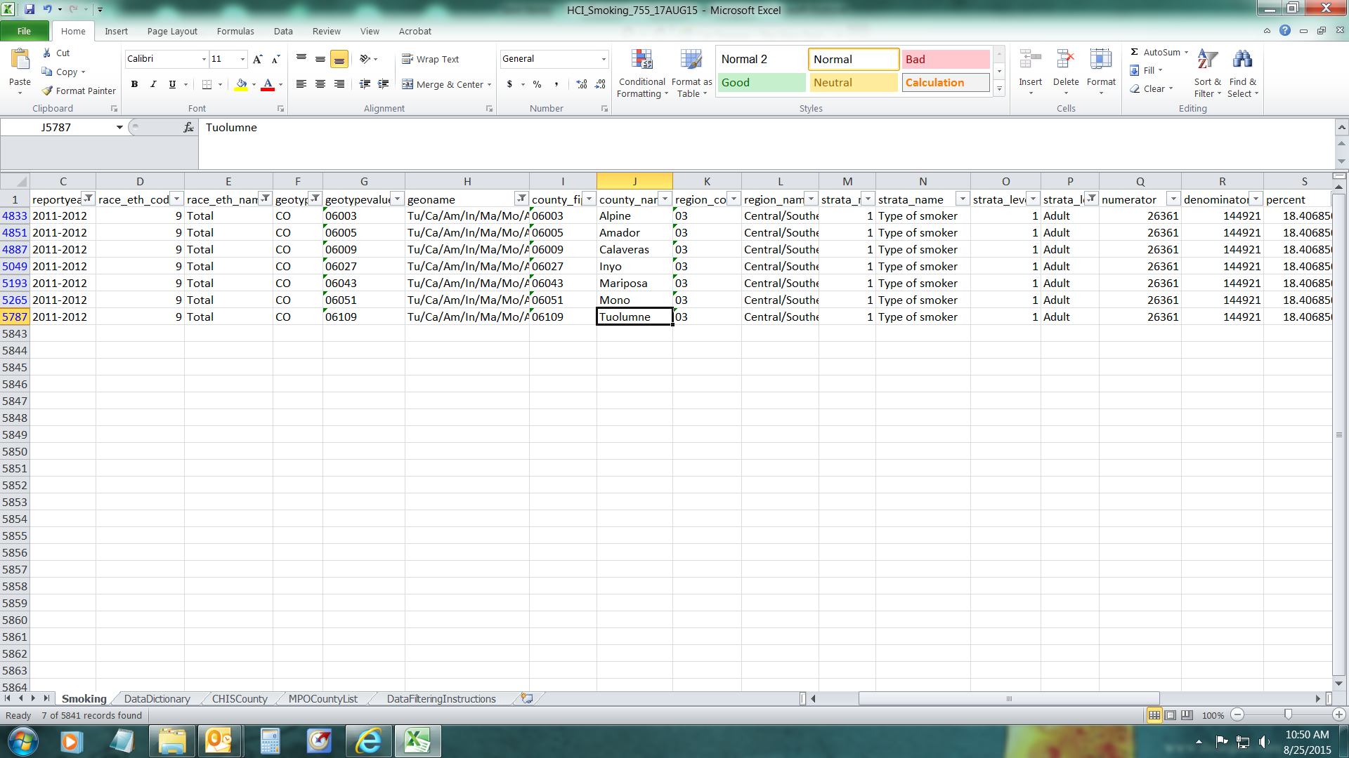
Steps to filter data for a specific county
1. Place cursor in the worksheet Smoking
2. Click Data tab on top row of tool bar

3. Click Filter Icon

To select data for Tuolumne County:
4. Click on filter picklist arrow in geotype column and select "CO"

5. Click on the picklist arrow in genoname column and look for the CHIS County "Tu/Ca/Am/In/Ma/Mo/Alp" that contains Tuolumne (see CHIS County tab to learn about CHIS counties) or use the piclist arrow in the county_name column and
look for "Tuolumne" directly
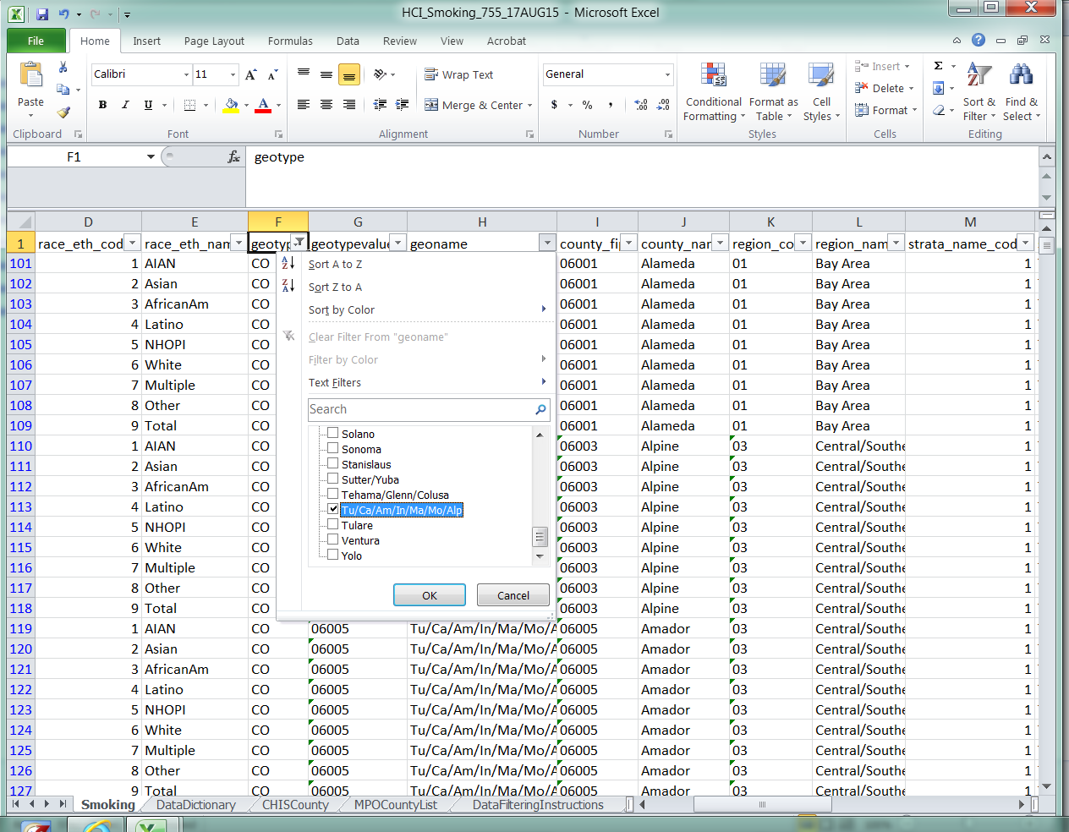

6. To select a particular year click on the picklist arrow in reportyear column and select a year, 2011-2012 for instance
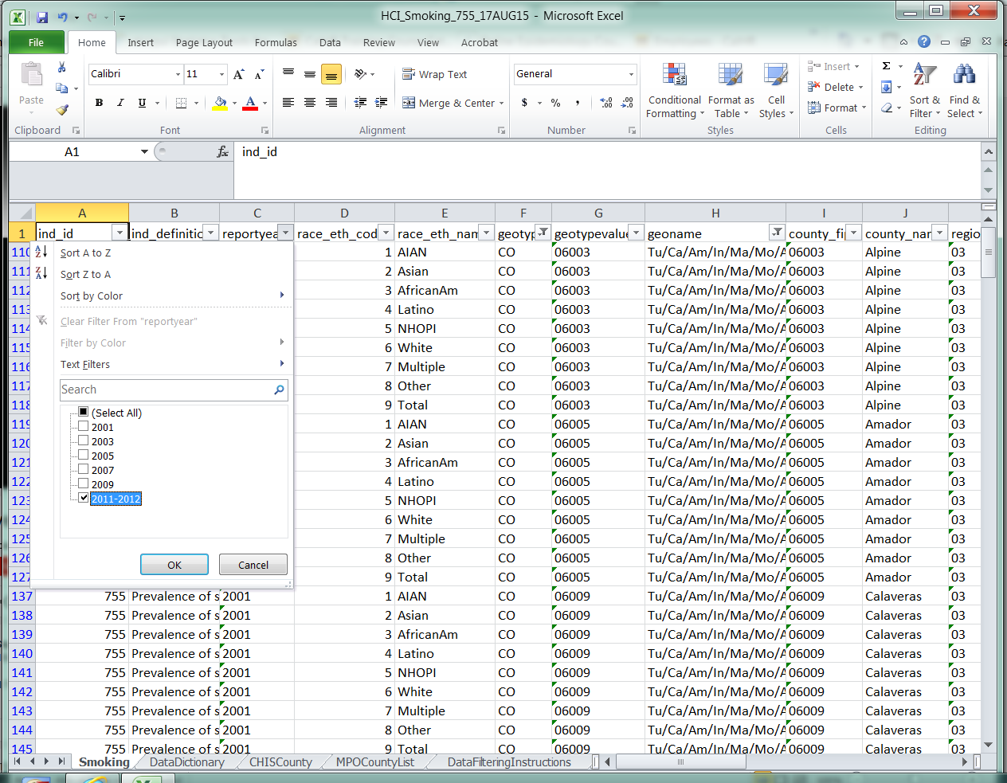

7. Use similar steps to select race_eth_name=Total and strata_level_name=Adult. The results are shown below; notice that the percent estimate is the same for the seven counties that comprise the CHIS county "Tu/Ca/Am/In/Ma/Mo/Alp".

