DataFilteringInstruction
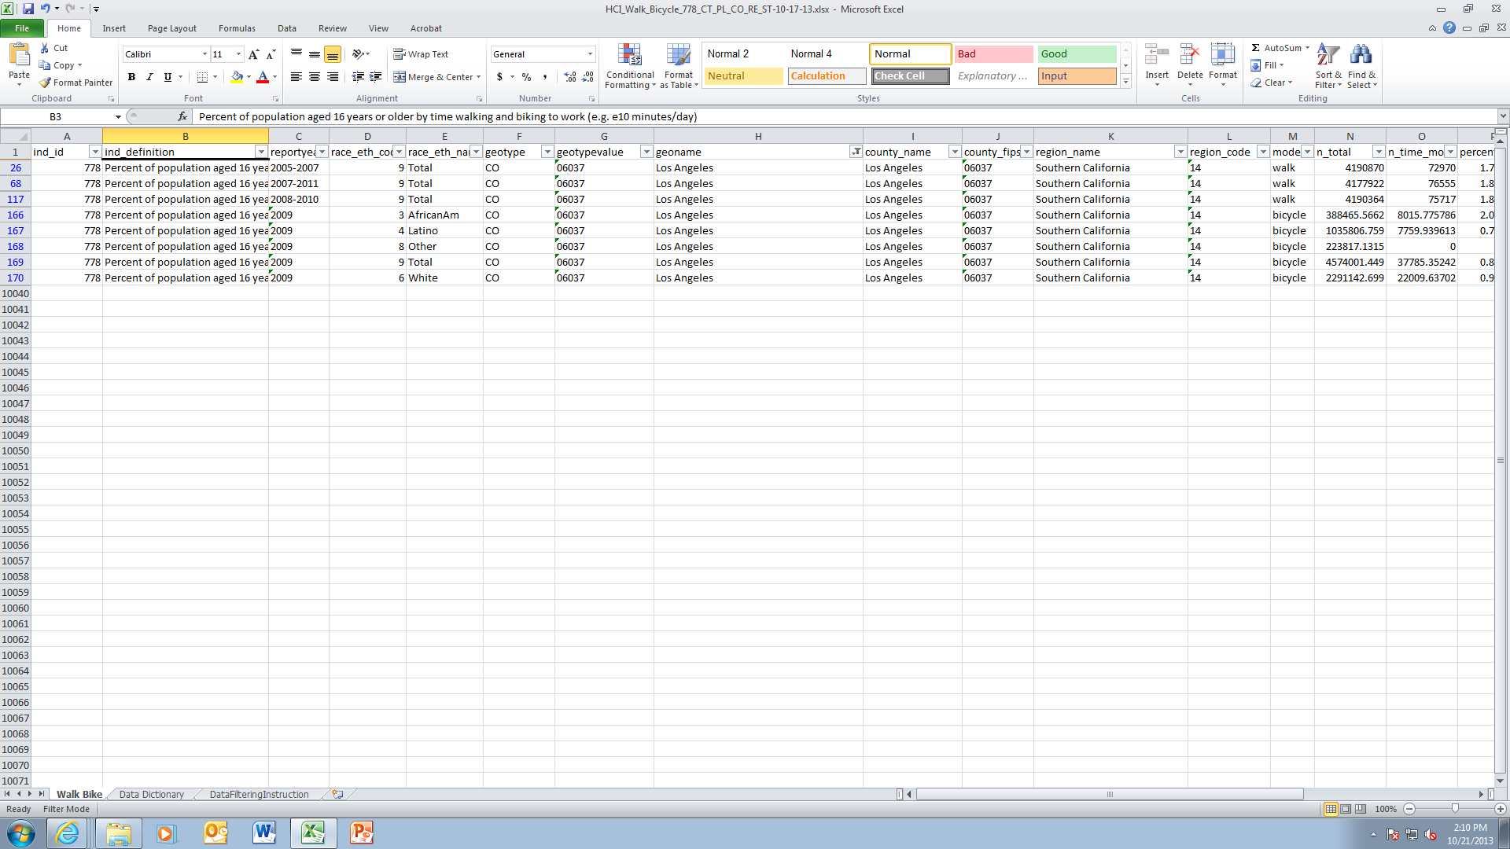
Steps to filter data for a specific city
1. Place cursor in the worksheet Walk_Bike
2. Click Data tab on top row of tool bar

3. Click Filter Icon

To select data for a single city (e.g. Los Angeles)
4. Click on filter picklist arrow in geoname column and type in the city name in the search box, select Los Angeles and press OK
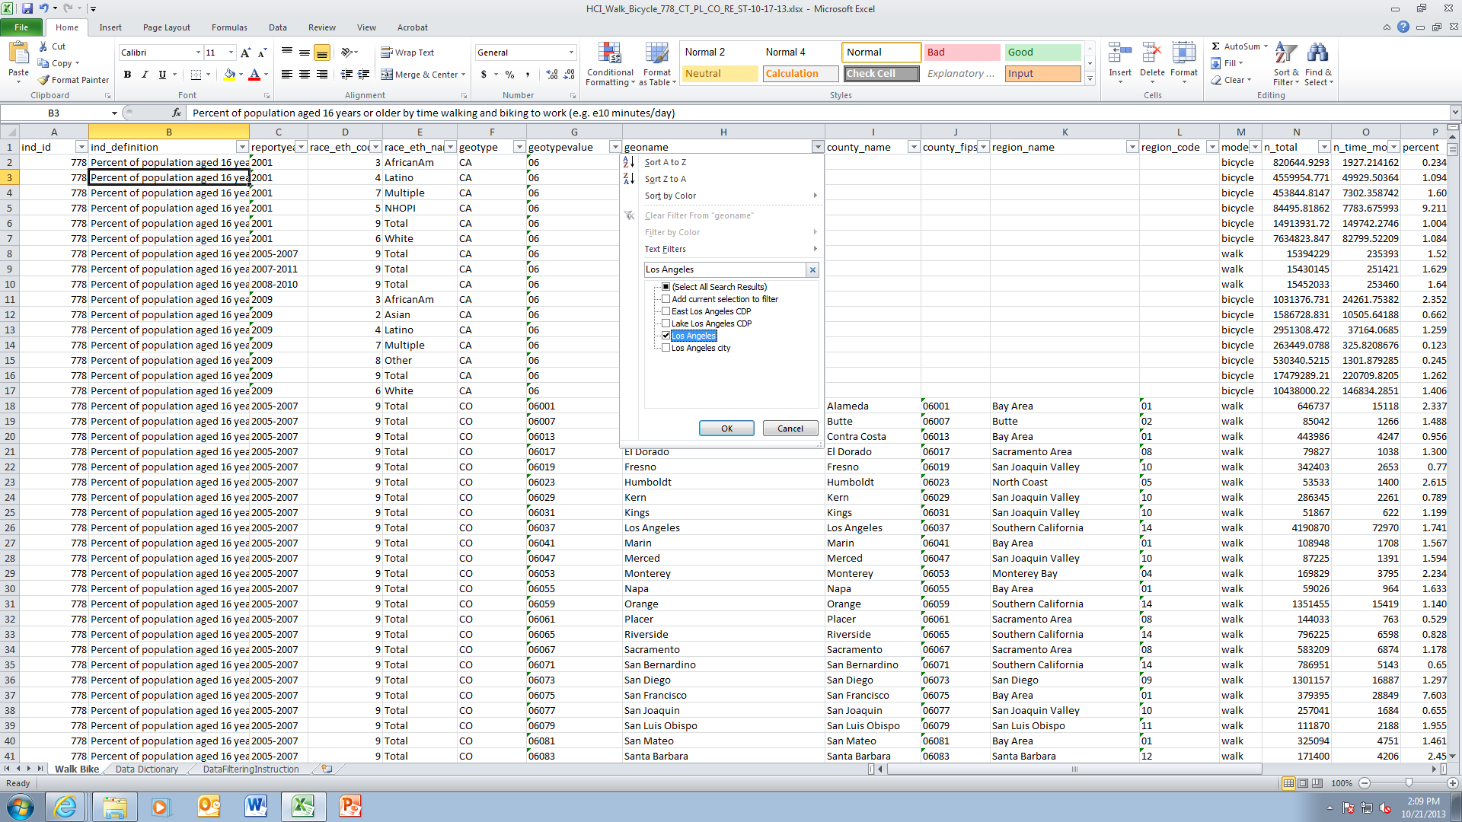

Results will look like this:

